kidney_m19
Kidney Cancer (C64-C66, C68): 2017-2019

Average Number of Deaths Per Year and Age-Specific Mortality Rates per 100,000 Persons Population, UK

Age Range | Female Deaths | Male Deaths | Female Rates | Male Rates
0 to 04 | 3 | 1 | 0.2 | 0.1
05 to 09 | 2 | 2 | 0.1 | 0.1
10 to 14 | 2 | 1 | 0.1 | 0.1
15 to 19 | 2 | 0 | 0.1 | 0.0
20 to 24 | 1 | 1 | 0.0 | 0.0
25 to 29 | 1 | 2 | 0.1 | 0.1
30 to 34 | 2 | 5 | 0.1 | 0.2
35 to 39 | 7 | 10 | 0.3 | 0.5
40 to 44 | 7 | 23 | 0.3 | 1.2
45 to 49 | 25 | 70 | 1.1 | 3.1
50 to 54 | 43 | 122 | 1.8 | 5.3
55 to 59 | 76 | 190 | 3.5 | 9.0
60 to 64 | 116 | 269 | 6.2 | 15.0
65 to 69 | 179 | 348 | 10.2 | 21.1
70 to 74 | 246 | 461 | 14.6 | 29.9
75 to 79 | 275 | 457 | 22.7 | 44.1
80 to 84 | 302 | 444 | 32.0 | 60.7
85 to 89 | 285 | 344 | 45.7 | 85.4
90+ | 199 | 188 | 49.1 | 101.4
All Ages | 1,772 | 2,937 | 5.1 | 10.4

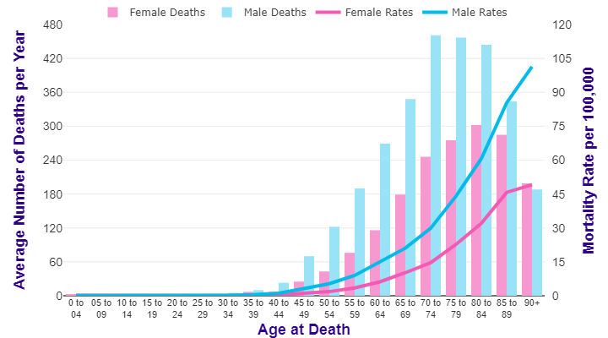

Source: cruk.org/cancerstats

You are welcome to reuse this Cancer Research UK statistics content for your own work.
Credit us as authors by referencing Cancer Research UK as the source.
Suggested style: Cancer Research UK, full URL of the page, Accessed [month] [year].

