1_5_10_year_survival
Kidney cancer (C64): 2013-2017

Kidney cancer Age-Standardised One-, Five- and Ten-Year Net Survival, Adults (Aged 15-99), England, 2013-2017

Sex | Years after diagnosis | Number of cases | Net surivival | Lower CI | Upper CI
Female | one year | 16,359.0 | 79.6 | 79.0 | 80.2
Male | one year | 27,660.0 | 79.2 | 78.7 | 79.7
Persons | one year | 44,019.0 | 79.3 | 78.9 | 79.7
Female | five years | 16,359.0 | 65.4 | 64.2 | 66.6
Male | five years | 27,660.0 | 62.9 | 61.9 | 64.0
Persons | five years | 44,019.0 | 63.8 | 63.0 | 64.5
Female | ten years | 26,742.0 | 53.1 | 50.4 | 55.9
Male | ten years | 44,458.0 | 51.2 | 48.8 | 53.6
Persons | ten years | 71,200.0 | 51.8 | 50.0 | 53.7

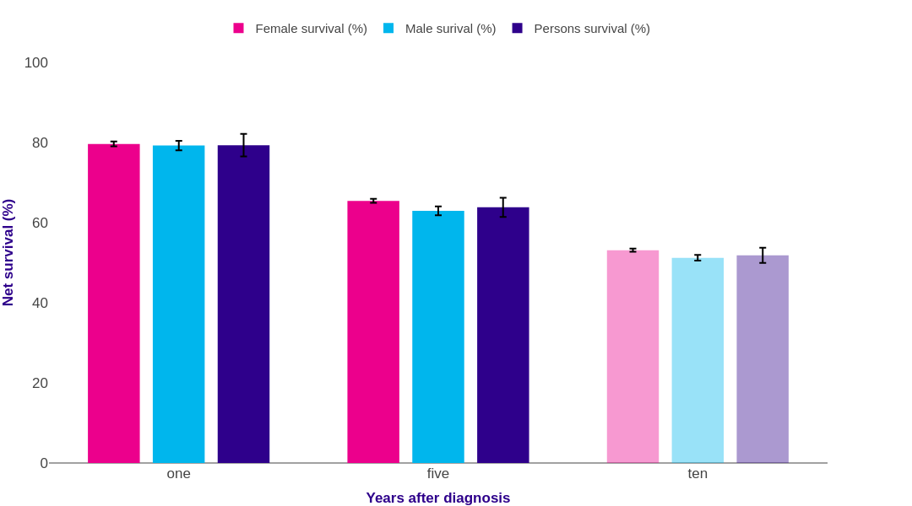

Source: cruk.org/cancerstats

You are welcome to reuse this Cancer Research UK statistics content for your own work.
Credit us as authors by referencing Cancer Research UK as the source.
Suggested style: Cancer Research UK, full URL of the page, Accessed [month] [year].

