robustness-test
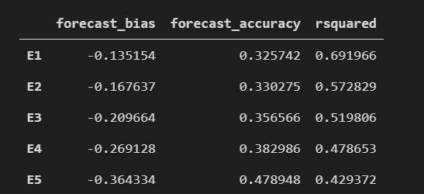
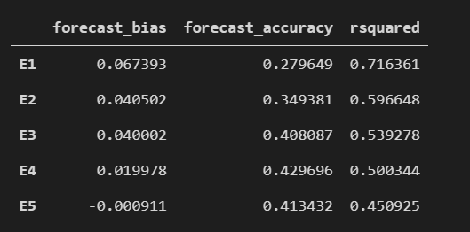
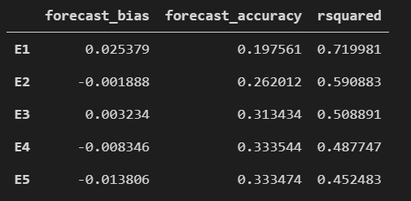
HVZ model | E1---unwinsorized----the results are worse Coefficients estimation doesn’t improve. All variables unwinsorized R^2 no improvement More biased less accurate | RI model | E1---unwinsorized---- R squared higher NegEt +NegE_Et become significant Forecast accuracy worse Forecast less biased at longer horizon | EP model | EP E1---unwinsorized ---- R squared higher Forecast result better in terms of forecast bias and forecast accuracy Less biased and more accurate

 | Change the window #following LM, adjust the "for"sentences in python Use E2 in HVZ, because it is the most accurate one The number of forecast remains the same

 | There are slight changes in coefficients Almost no changes in forecast bias and forecast accuracy, since LM’s suggestion only impose on training dataset. No improvement on the number of forecast

