reduction of salt.sugar
少鹽少糖食店 Daily Badge impression by device
Date | Web | Mobile Web | Android | iOS
2026-08-01 | 20,257 | 39,493 | 87,756 | 440460
2026-08-02 | 17,623 | 36,689 | 81,841 | 417045
2026-08-03 | 44,780 | 32,543 | 64,903 | 326647
2026-08-04 | 50,576 | 34,758 | 73,025 | 363109
2026-08-05 | 50,139 | 34,689 | 74,189 | 368825
2026-08-06 | 51,556 | 34,699 | 76,806 | 376998
2026-08-07 | 54,856 | 37,493 | 79,905 | 403192
2026-08-08 | 30,397 | 42,042 | 90,812 | 453735
2026-08-09 | 32,759 | 37,463 | 92,661 | 460509
2026-08-10 | 55,797 | 34,911 | 71,397 | 357474
2026-08-11 | 51,840 | 36,793 | 75,184 | 373159
2026-08-12 | 49,458 | 35,953 | 73,929 | 368155
2026-08-13 | 49,973 | 35,943 | 75,886 | 378303
2026-08-14 | 49,655 | 38,266 | 77,647 | 393146
2026-08-15 | 21,250 | 42,382 | 89,846 | 453977
2026-08-16 | 18,125 | 39,811 | 87,677 | 445441
2026-08-17 | 47,037 | 34,567 | 68,206 | 345450
2026-08-18 | 48,914 | 35,848 | 73,840 | 365220
2026-08-19 | 50,218 | 35,081 | 73,921 | 371881
2026-08-20 | 48,743 | 34,957 | 72,897 | 353294
2026-08-21 | 51,547 | 36,914 | 77,213 | 394698
2026-08-22 | 22,196 | 38,402 | 88,958 | 451576
2026-08-23 | 17,203 | 37,353 | 86,341 | 429892
2026-08-24 | 44,362 | 28,271 | 67,698 | 330782
2026-08-25 | 43,385 | 27,806 | 69,149 | 340812
2026-08-26 | 44,495 | 27,222 | 67,795 | 335798
2026-08-27 | 45,524 | 30,938 | 70,094 | 339595
2026-08-28 | 48,513 | 31,571 | 80,501 | 397097
2026-08-29 | 20,694 | 36,332 | 91,961 | 455041
2026-08-30 | 18,844 | 35,628 | 88,471 | 438080
2026-08-31 | 40,599 | 28,041 | 61,609 | 309798

少鹽少糖食店 Daily Brand Page (LMS) Pageview/ Impressions
Date | Web | App
2026-08-01 | 3 | 0
2026-08-02 | 8 | 2
2026-08-03 | 36 | 0
2026-08-04 | 13 | 1
2026-08-05 | 15 | 0
2026-08-06 | 9 | 1
2026-08-07 | 5 | 0
2026-08-08 | 4 | 0
2026-08-09 | 11 | 5
2026-08-10 | 34 | 1
2026-08-11 | 14 | 4
2026-08-12 | 16 | 3
2026-08-13 | 15 | 0
2026-08-14 | 24 | 1
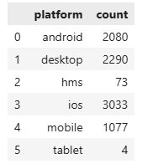
2026-08-15 | 7 | 11
2026-08-16 | 8 | 2
2026-08-17 | 13 | 0
2026-08-18 | 50 | 1
2026-08-19 | 14 | 0
2026-08-20 | 23 | 3
2026-08-21 | 16 | 2
2026-08-22 | 3 | 0
2026-08-23 | 4 | 0
2026-08-24 | 10 | 0
2026-08-25 | 7 | 0
2026-08-26 | 18 | 0
2026-08-27 | 97 | 17
2026-08-28 | 172 | 68
2026-08-29 | 42 | 61
2026-08-30 | 53 | 52
2026-08-31 | 86 | 31

少鹽少糖食店 Daily Theme Listing Impressions (adv search)
Date | Web | App
2026-08-01 | 0 | 1
2026-08-02 | 0 | 0
2026-08-03 | 0 | 4
2026-08-04 | 0 | 3
2026-08-05 | 0 | 2
2026-08-06 | 0 | 2
2026-08-07 | 0 | 1
2026-08-08 | 0 | 1
2026-08-09 | 0 | 9
2026-08-10 | 1 | 1
2026-08-11 | 0 | 9
2026-08-12 | 0 | 3
2026-08-13 | 0 | 1
2026-08-14 | 0 | 3
2026-08-15 | 0 | 11
2026-08-16 | 0 | 16
2026-08-17 | 0 | 8
2026-08-18 | 0 | 2
2026-08-19 | 0 | 2
2026-08-20 | 1 | 2
2026-08-21 | 0 | 5
2026-08-22 | 0 | 4
2026-08-23 | 0 | 4
2026-08-24 | 0 | 0
2026-08-25 | 0 | 1
2026-08-26 | 0 | 0
2026-08-27 | 3 | 26
2026-08-28 | 14 | 59
2026-08-29 | 1 | 17
2026-08-30 | 1 | 20
2026-08-31 | 7 | 27

Navigation
2. Daily Brand Page (LMS) Pageview/ Impressions |  |  |  | 3. Daily Theme Listing Impressions (adv search)

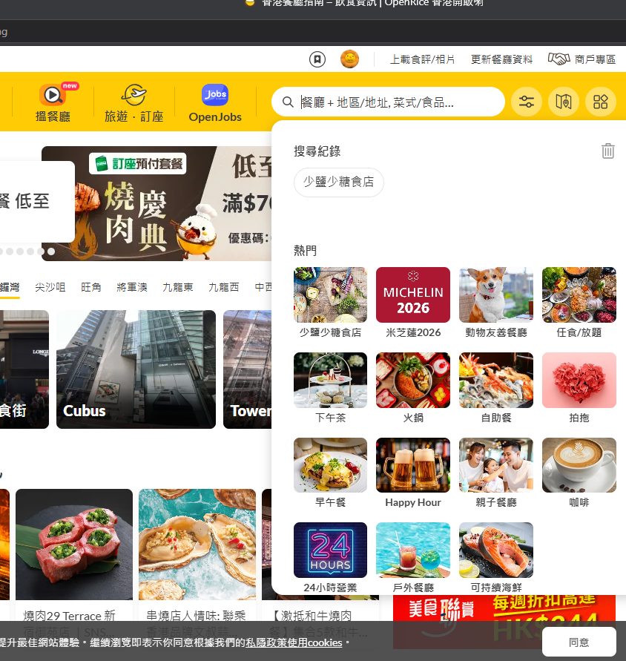
web

 |  |  |  |  | Brand Page

 | view.SR1.Promotion | CityID:0;PromotionId:13,13,13,13,13,13,13,13,13,13,13,13,13,13,13;Sn:https://www.openrice.com/zh/hongkong/l-%E5%B0%91%E9%B9%BD%E5%B0%91%E7%B3%96%E9%A3%9F%E5%BA%97-l35336

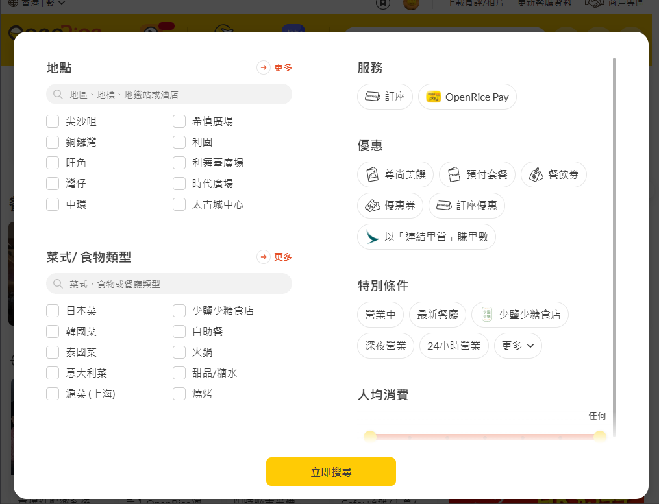

 |  |  |  |  |  |  | Brand Page

 | view.SR1.Promotion | CityID:0;PromotionId:13,13,13,13,13,13,13,13,13,13,13,13,13,13,13;Sn:https://www.openrice.com/zh/hongkong/l-%E5%B0%91%E9%B9%BD%E5%B0%91%E7%B3%96%E9%A3%9F%E5%BA%97-l35336?sortBy=ORScoreDesc
 | or.search.adv | CityID:0;Sr:Biz;SortBy:ORScoreDesc;LandmarkId:35336;UiCity:hongkong;Sn:https://www.openrice.com/zh/hongkong/l-%E5%B0%91%E9%B9%BD%E5%B0%91%E7%B3%96%E9%A3%9F%E5%BA%97-l35336
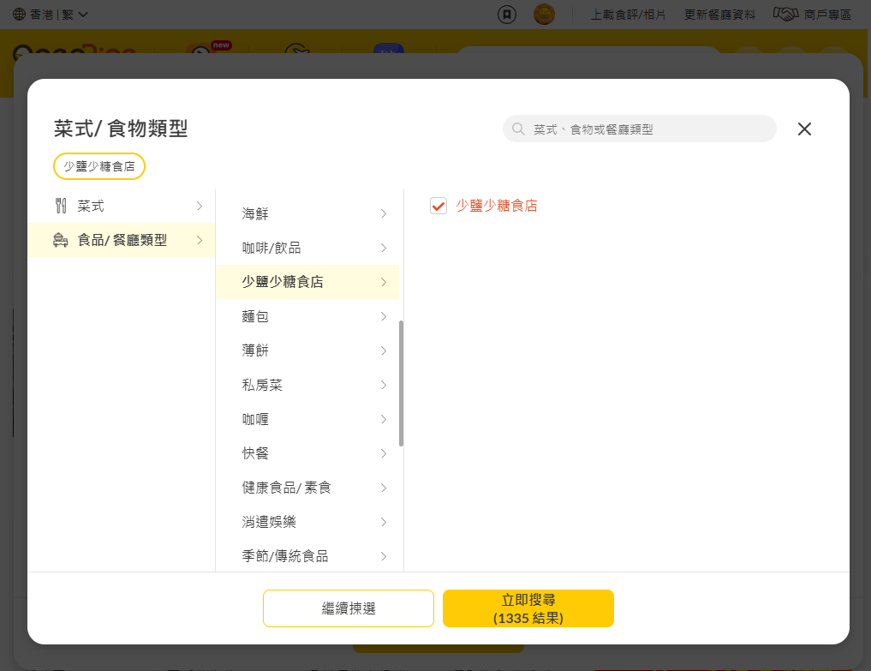
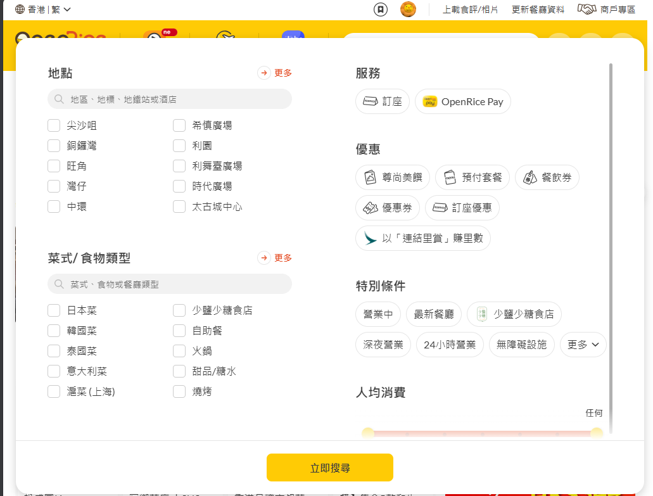

 |  |  |  |  |  |  |  |  | Theme Listing

 | view.SR1.Promotion | CityID:0;PromotionId:13,13,13,13,13,13,13,13,13,13,13,13,13,13,13;Sn:https://www.openrice.com/zh/hongkong/restaurants/type/%E5%B0%91%E9%B9%BD%E5%B0%91%E7%B3%96%E9%A3%9F%E5%BA%97?sortBy=ORScoreDesc

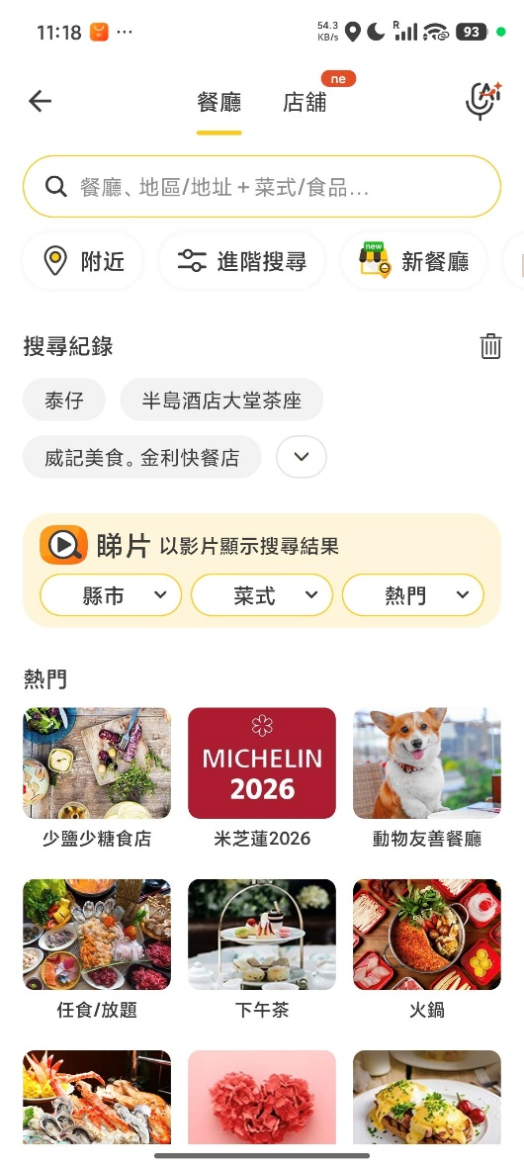
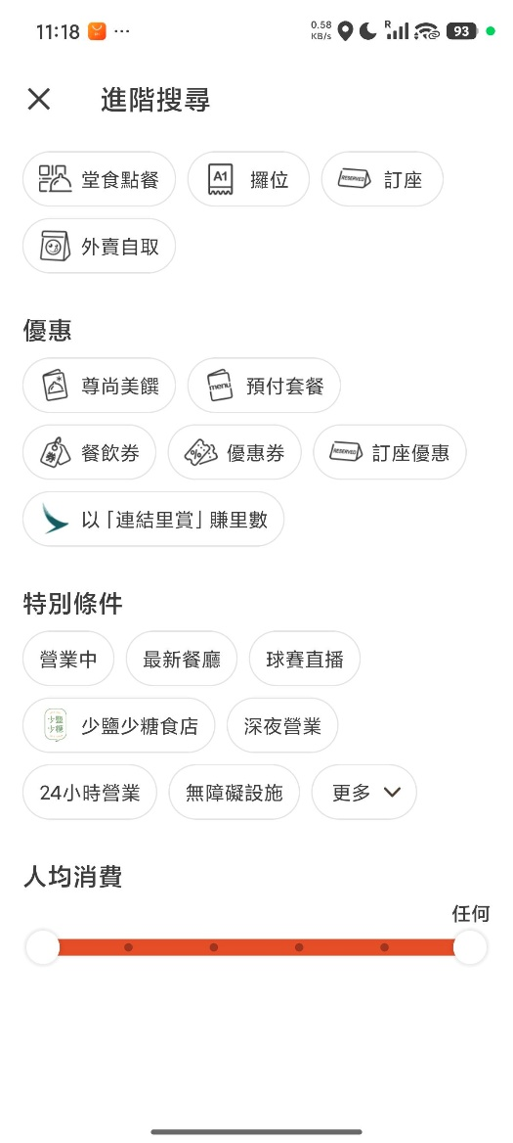
APP

 |  |  | Brand Page |  |  |  |  | Theme Listing

 | 11:25:26|| or.search.layer.search| CityID:0;geo:22.2915762%2C114.2081518;LndID:35336;Page:1;sr:lmsSr1;Lang:zh_TW;Ver:7.20.4; sn:hk.Search.layer
 | 11:25:26|| view.SR1.Promotion| CityID:0;PromotionID:13%2C13%2C13%2C13%2C13%2C13%2C13%2C13%2C13%2C12%2C13%2C13%2C13%2C13%2C13%2C13;;Lang:zh_TW;Ver:7.20.4; sn:hk.LMS2.35336.tab.-990.1
 | 16:31:34|| or.search.quick| CityID:0;LndID:35336;Page:1;Lang:zh_TW;Ver:7.21.0; sn:hk.QckSearch
 |  |  |  |  |  | 11:26:28|| or.search.adv| CityID:0;geo:22.2915762%2C114.2081518;LndID:35336;Page:1;sr:lmsSr1;Lang:zh_TW;Ver:7.20.4; sn:hk.AdvSearch
 |  |  |  |  |  | 11:26:28|| view.SR1.Promotion| CityID:0;PromotionID:13%2C13%2C13%2C13%2C13%2C13%2C13%2C13%2C13%2C12%2C13%2C13%2C13%2C13%2C13%2C13;;Lang:zh_TW;Ver:7.20.4; sn:hk.LMS2.35336.tab.-990.1
 | ipad
 | 15:50:51|| view.SR1.Promotion| CityID:0;sr:sr1;promotionId:13%2C13%2C13%2C13%2C13%2C13%2C13%2C13%2C13%2C12%2C13%2C13%2C13%2C13%2C13%2C13;sn:HK.LMS2.35336.tab.-990.1
 | 15:50:49|| or.search.quick| CityID:0;Lang:hk;Ver:7.21.0;sn:HK.QckSearch
 |  |  |  |  |  | ipad
 |  |  |  |  |  | 15:49:08|| view.SR1.Promotion| CityID:0;sr:sr1;promotionId:13%2C13%2C13%2C13%2C13%2C13%2C13%2C13%2C13%2C12%2C13%2C13%2C13%2C13%2C13%2C13;sn:HK.LMS2.35336.tab.-990.1
 |  |  |  |  |  | 15:49:06|| or.search.adv| LndID:35336;Page:1;savehistory:true;landmarkCategoryId:-990;subKeyId:-990;keyId:35336;CityID:0;Lang:hk;Ver:7.21.0;sr:(null);sn:HK.AdvSearch
 | iphone
 | 16:31:42|| view.SR1.Promotion| CityID:0;sr:sr1;promotionId:13%2C13%2C13%2C13%2C13%2C13%2C13%2C13%2C13%2C13%2C13%2C13%2C13%2C12%2C13%2C13;sn:HK.Search.SR1.1
 | 16:31:39|| or.search.layer.search| Page:1;whatwhere:少鹽少糖;savehistory:true;CityID:0;Lang:hk;Ver:7.22.0;sr:qcksearch;sn:HK.search.layer
 | 16:31:38|| or.search.layer| CityID:0;Lang:hk;Ver:7.22.0;sn:HK.Search.SR1.1

