Navigation
 | : | quick
 | : | adv

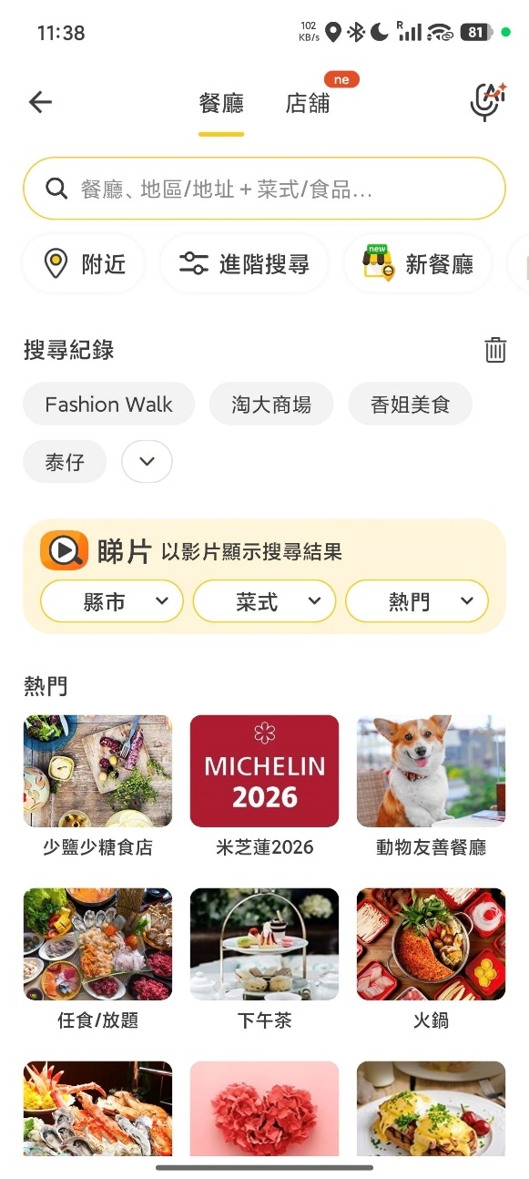
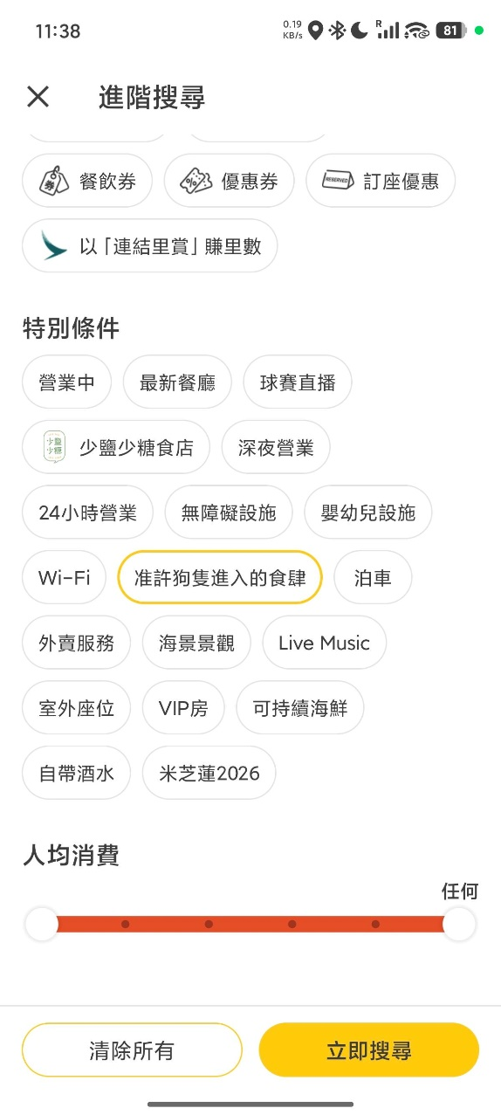
APP |  |  |  |  |  | quick
 |  |  |  | Web |  | view.SR1.Promotion | CityID:0;PromotionId:100;Sn:https://www.openrice.com/zh/hongkong/restaurants?amenityId=20232&tabIndex=0

 |  |  |  | APP | android | 11:53:37|| or.search.quick| CityID:0;AmtID:20232;Page:1;Lang:zh_TW;Ver:7.21.0; sn:hk.QckSearch
 |  |  |  |  |  | 11:53:37|| view.SR1.Promotion| CityID:0;PromotionID:100;;Lang:zh_TW;Ver:7.21.0; sn:hk.Search.SR1.1
 |  |  |  |  | ipad | 16:27:22|| view.SR1.Promotion| CityID:0;sr:sr1;promotionId:100;sn:HK.Search.SR1.1
 |  |  |  |  |  | 16:27:20|| or.search.quick| CityID:0;Lang:hk;Ver:7.21.0;AmtID:20232;sn:HK.QckSearch
 |  |  |  |  | iphone | 17:12:45|| or.search.quick| CityID:0;Lang:hk;Ver:7.21.0;AmtID:20232;sn:HK.QckSearch
 |  |  |  |  |  | 17:12:46|| view.SR1.Promotion| CityID:0;sr:sr1;promotionId:100;sn:HK.Search.SR1.1

 |  |  |  |  |  | adv
 |  |  |  | Web |  | or.search.adv | CityID:0;Sr:Biz;SortBy:ORScoreDesc;ConditionId:11024;UiCity:hongkong;Sn:https://www.openrice.com/zh/hongkong/restaurants?amenityId=20232&tabIndex=0
 |  |  |  |  |  | view.SR1.Promotion | CityID:0;PromotionId:100;Sn:https://www.openrice.com/zh/hongkong/restaurants?sortBy=ORScoreDesc&conditionId=11024&tabIndex=0

 |  |  |  | APP | android | 11:54:44|| or.search.adv| CityID:0;SortBy:orscoredesc;Page:1;FeatureFlt:11024;Lang:zh_TW;Ver:7.21.0; sn:hk.AdvSearch
 |  |  |  |  |  | 11:54:44|| view.SR1.Promotion| CityID:0;PromotionID:100;;Lang:zh_TW;Ver:7.21.0; sn:hk.Search.SR1.1
 |  |  |  |  | ipad | 16:28:52|| view.SR1.Promotion| CityID:0;sr:sr1;promotionId:100;sn:HK.Search.SR1.1
 |  |  |  |  |  | 16:28:51|| or.search.adv| FeatureFlt:11024;Page:1;savehistory:true;CityID:0;Lang:hk;Ver:7.21.0;sr:(null);sn:HK.AdvSearch
 |  |  |  |  | iphone | 17:13:41|| view.SR1.Promotion| CityID:0;sr:sr1;promotionId:100;sn:HK.Search.SR1.1
 |  |  |  |  |  | 17:13:40|| or.search.adv| FeatureFlt:11024;Page:1;savehistory:true;CityID:0;Lang:hk;Ver:7.21.0;sr:(null);sn:HK.AdvSearch

 |  | search | adv

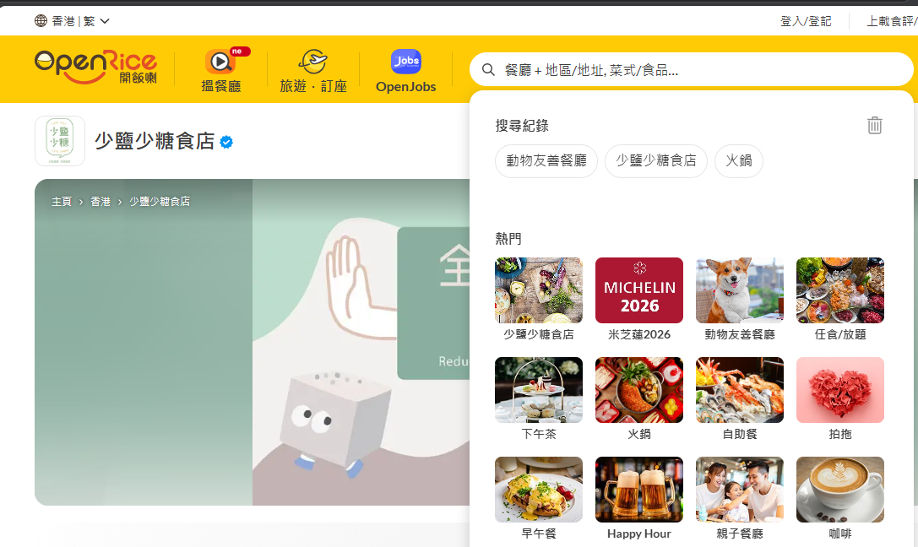
Web

 |  |  |  |  |  | search

 | view.SR1.Promotion | CityID:0;PromotionId:100;Sn:https://www.openrice.com/zh/hongkong/restaurants?amenityId=20232&tabIndex=0

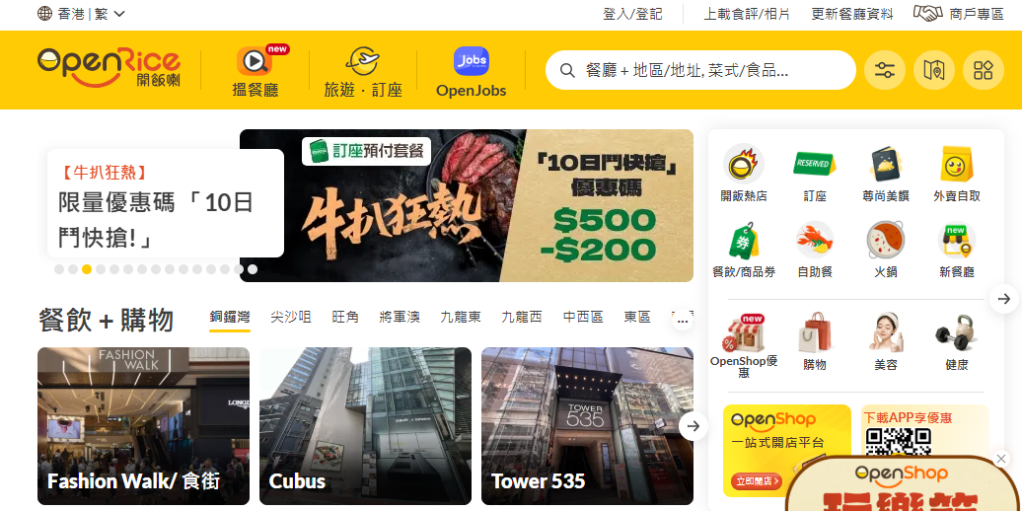
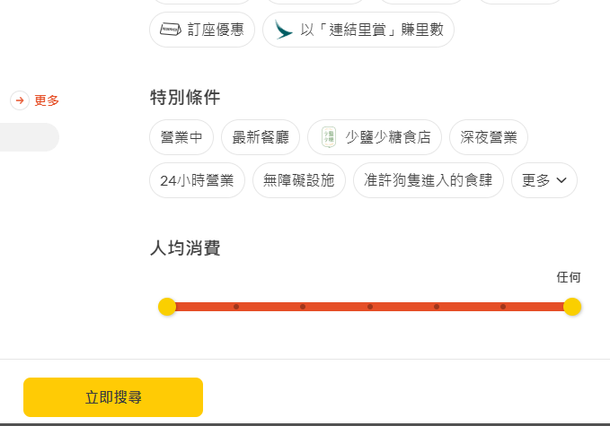

 |  |  |  |  |  |  | adv

 | or.search.adv | CityID:0;Sr:Biz;SortBy:ORScoreDesc;ConditionId:11024;UiCity:hongkong;Sn:https://www.openrice.com/zh/hongkong/restaurants?amenityId=20232&tabIndex=0
 | view.SR1.Promotion | CityID:0;PromotionId:100;Sn:https://www.openrice.com/zh/hongkong/restaurants?sortBy=ORScoreDesc&conditionId=11024&tabIndex=0

