Navigation
2. Daily Brand Page (LMS) Pageview/ Impressions |  |  | 3. Daily Theme Listing Impressions (adv search)

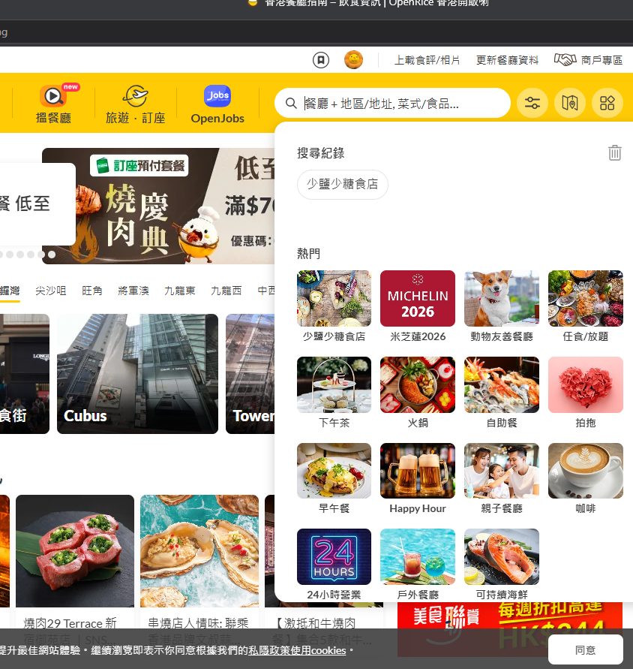
web

 |  |  |  | Brand Page

 | CityID:0;PromotionId:13,13,13,13,13,13,13,13,13,13,13,13,13,13,13;Sn:https://www.openrice.com/zh/hongkong/l-%E5%B0%91%E9%B9%BD%E5%B0%91%E7%B3%96%E9%A3%9F%E5%BA%97-l35336
 | view.SR1.Promotion

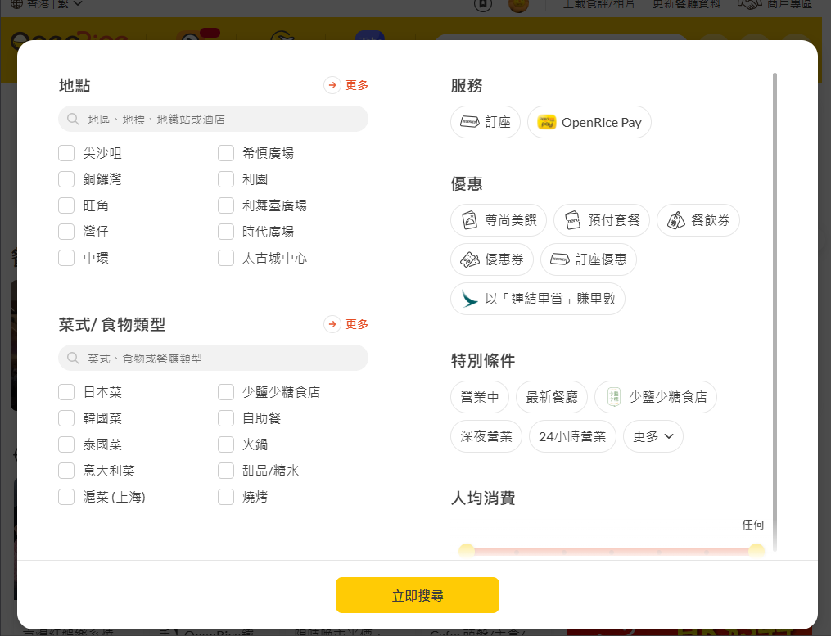

 |  |  |  |  |  | Brand Page

 | CityID:0;PromotionId:13,13,13,13,13,13,13,13,13,13,13,13,13,13,13;Sn:https://www.openrice.com/zh/hongkong/l-%E5%B0%91%E9%B9%BD%E5%B0%91%E7%B3%96%E9%A3%9F%E5%BA%97-l35336?sortBy=ORScoreDesc
 | view.SR1.Promotion
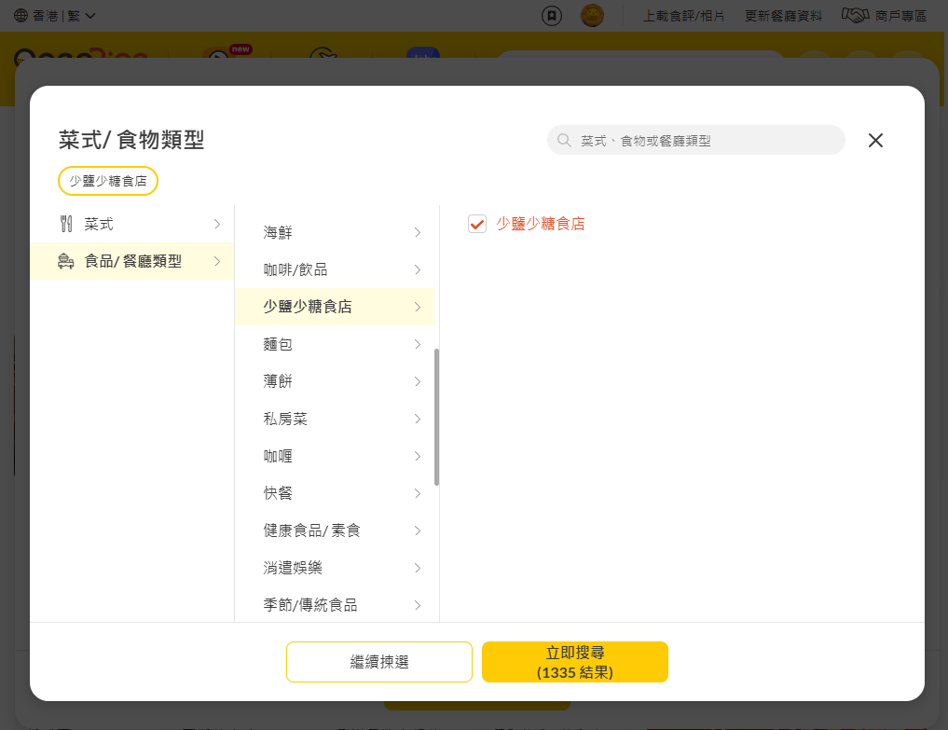
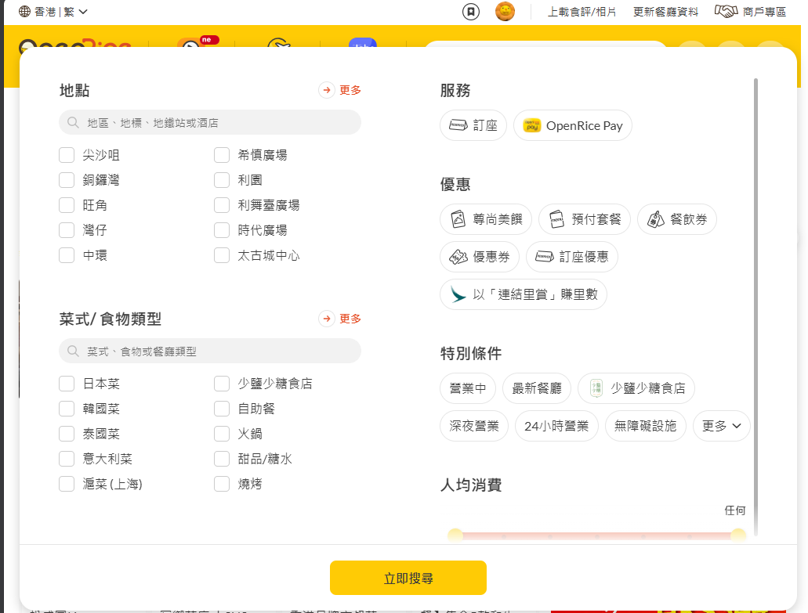

 |  |  |  |  |  |  |  | Theme Listing

 | CityID:0;PromotionId:13,13,13,13,13,13,13,13,13,13,13,13,13,13,13;Sn:https://www.openrice.com/zh/hongkong/restaurants/type/%E5%B0%91%E9%B9%BD%E5%B0%91%E7%B3%96%E9%A3%9F%E5%BA%97?sortBy=ORScoreDesc
 | view.SR1.Promotion

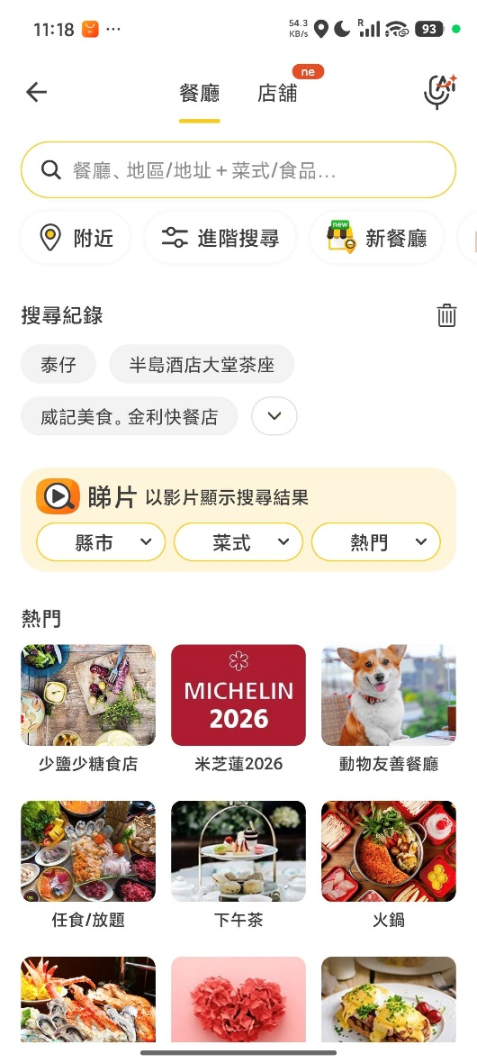
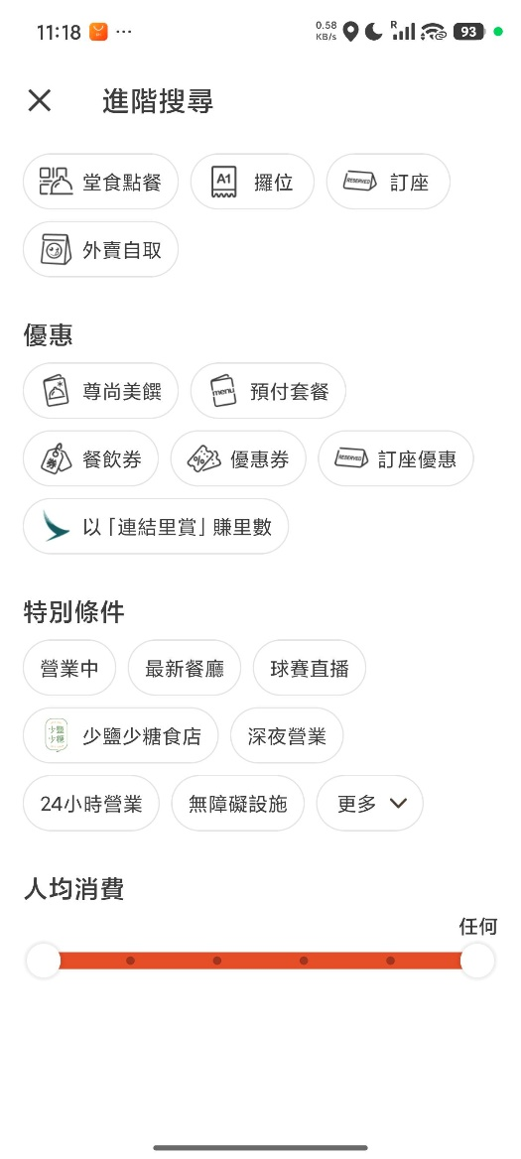
APP

 |  | Brand Page |  |  |  |  | Theme Listing

 | 11:25:26|| or.search.layer.search| CityID:0;geo:22.2915762%2C114.2081518;LndID:35336;Page:1;sr:lmsSr1;Lang:zh_TW;Ver:7.20.4; sn:hk.Search.layer
 | 11:25:26|| view.SR1.Promotion| CityID:0;PromotionID:13%2C13%2C13%2C13%2C13%2C13%2C13%2C13%2C13%2C12%2C13%2C13%2C13%2C13%2C13%2C13;;Lang:zh_TW;Ver:7.20.4; sn:hk.LMS2.35336.tab.-990.1

 |  |  |  |  | 11:26:28|| or.search.adv| CityID:0;geo:22.2915762%2C114.2081518;LndID:35336;Page:1;sr:lmsSr1;Lang:zh_TW;Ver:7.20.4; sn:hk.AdvSearch
 |  |  |  |  | 11:26:28|| view.SR1.Promotion| CityID:0;PromotionID:13%2C13%2C13%2C13%2C13%2C13%2C13%2C13%2C13%2C12%2C13%2C13%2C13%2C13%2C13%2C13;;Lang:zh_TW;Ver:7.20.4; sn:hk.LMS2.35336.tab.-990.1

