Sheet1
Funnel Analysis: Takeaway Order

Topic: Entry Source |  | Data: openrice-production.ORGA.PV | Case #: 100

Entry Source | Figure | Count | %
Search |  | 74 | 74
Bookmark |  | 2 | 2
Takeaway Button |  | 9 | 9
Deeplink | / | 1 | 1
Order History |  | 6 | 6
NA | / | 8 | 8 | NA Reasons: | 1. app switching
 |  |  |  |  | 2. web
 |  |  |  |  | 3. nonstandard payment prosedure (takeaway.order -> checkout -> place-order -> payment)
Topic: Drop Point |  | Data: openrice-production.ORGA.PV | Case #: 2000

Drop Point | Figure | Count | %
quit_takeaway_order | See Below | 1946 | 97.3
quit_checkout |  | 38 | 1.9
quit_place-order |  | 16 | 0.8

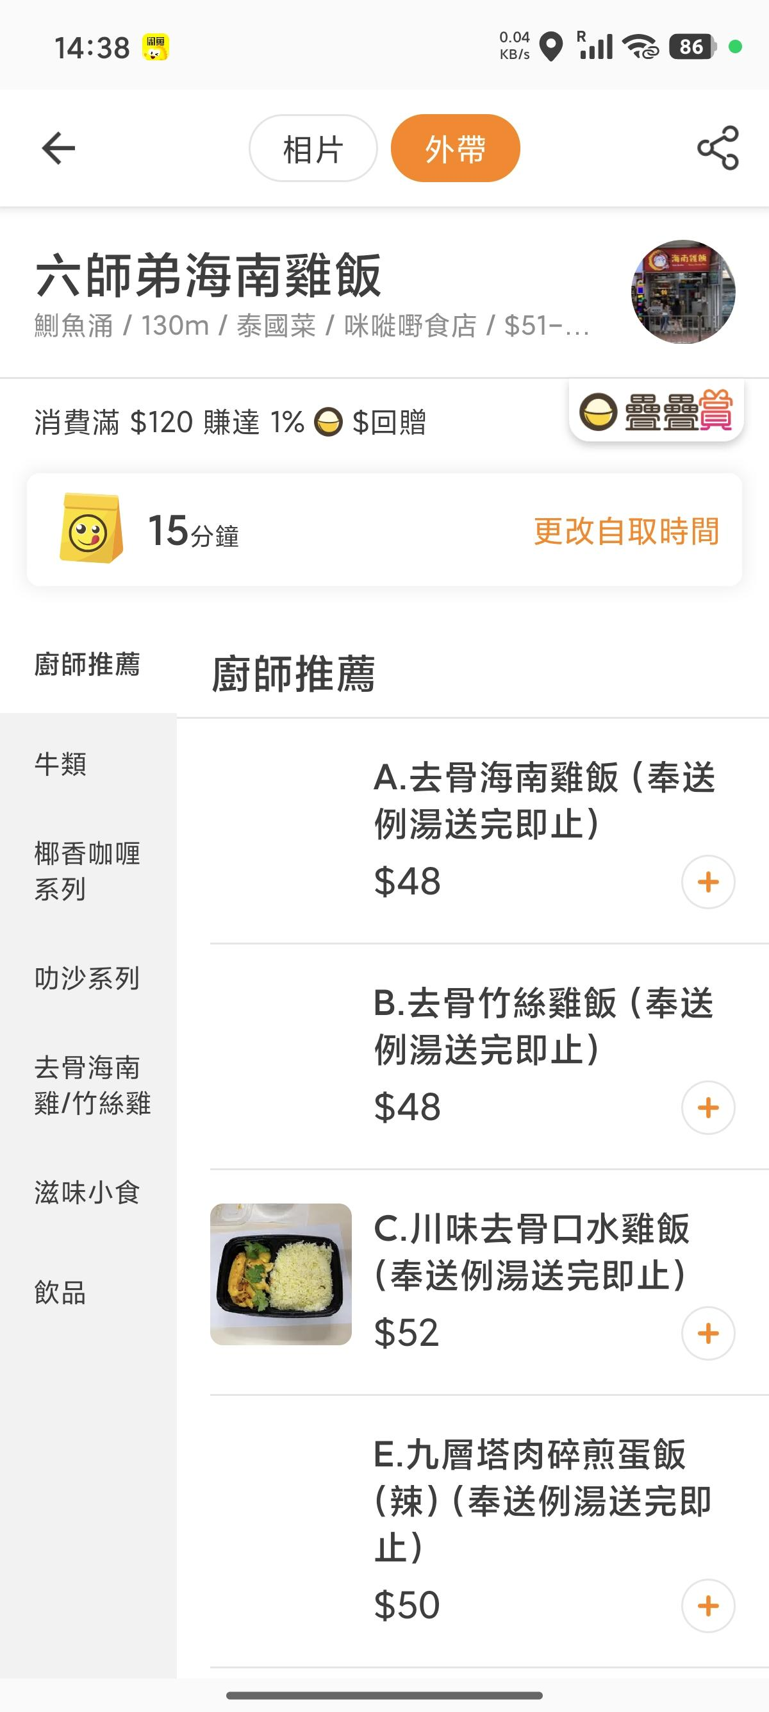
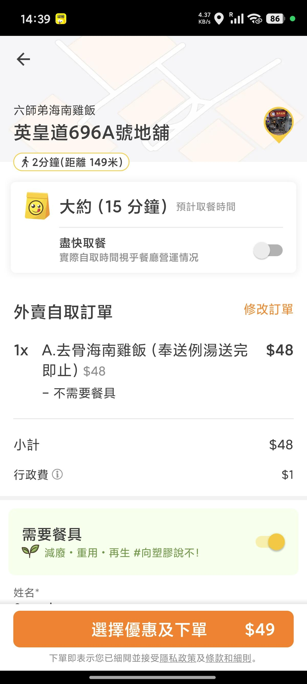
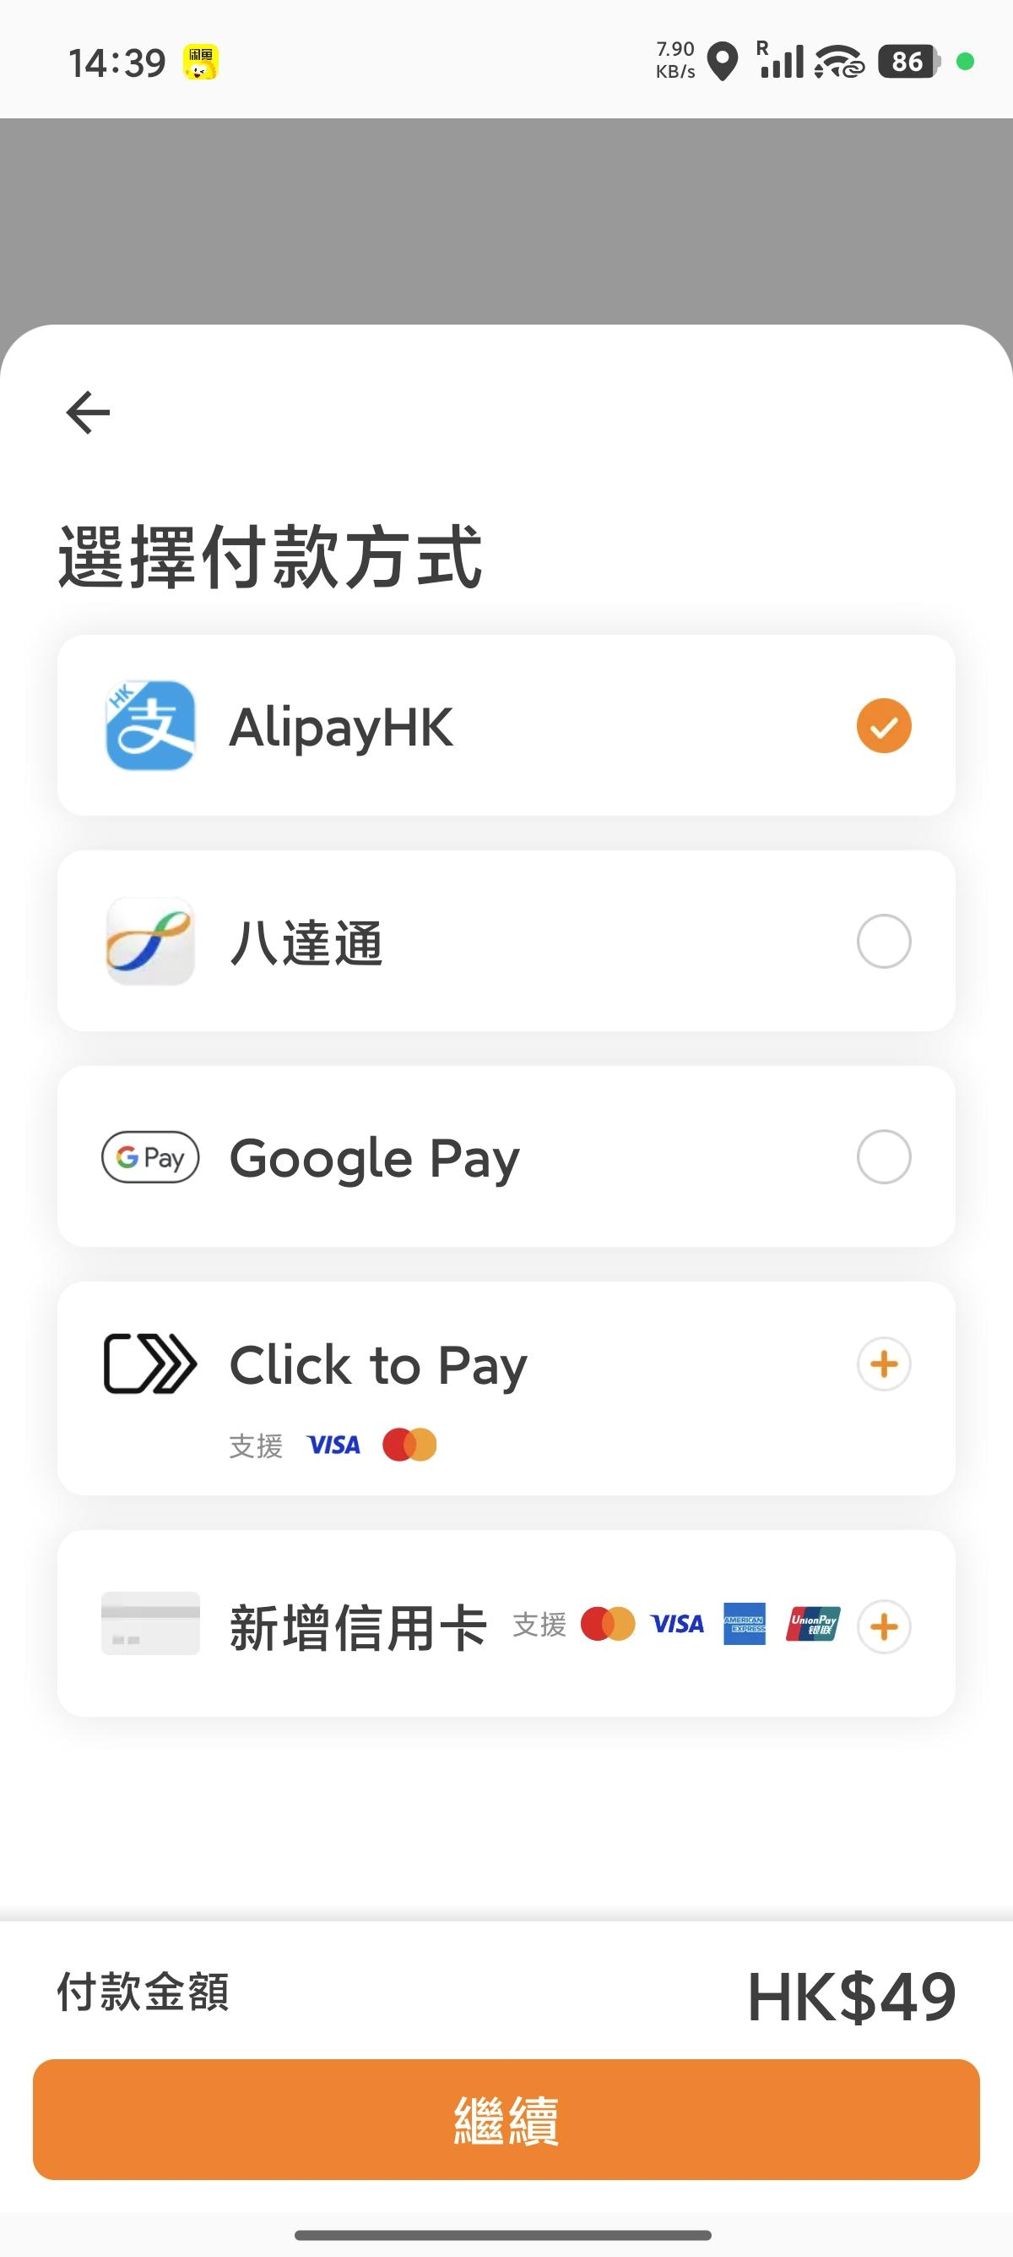

Figure:

 | quit_takeaway_order | quit_checkout | quit_place-order

