Screen Definition
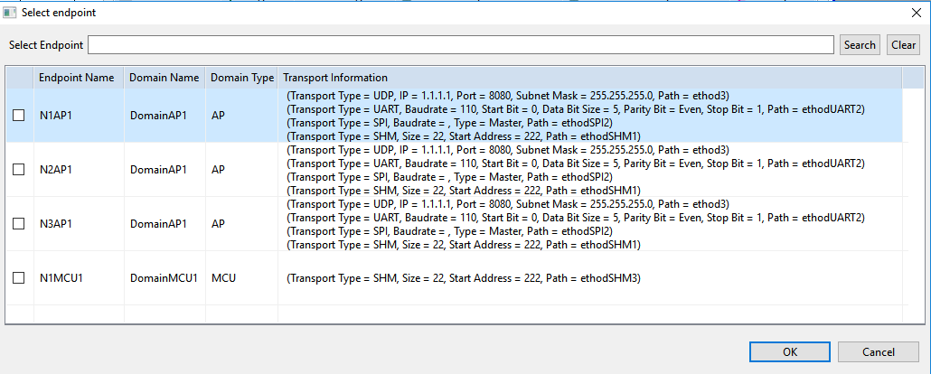
Phase | Basic Design |  | Project Name |  | Autron
Screen Layout |  |  | SubSystem Name |  | - |  | Create Date | 24/9/2019 |  | Creator | ThanhNP4
 |  |  | Function Name |  | Automation tool screen #4 |  | Update Date |  |  | Updater

ScreenID |  | IPCTool_Screen_004 | ScreenName | Automation tool screen #4
Screen Image |  |  |  |  |  | Screen Overview
 |  |  |  |  |  | Setting up communication signal route
 | Communication Signal Route

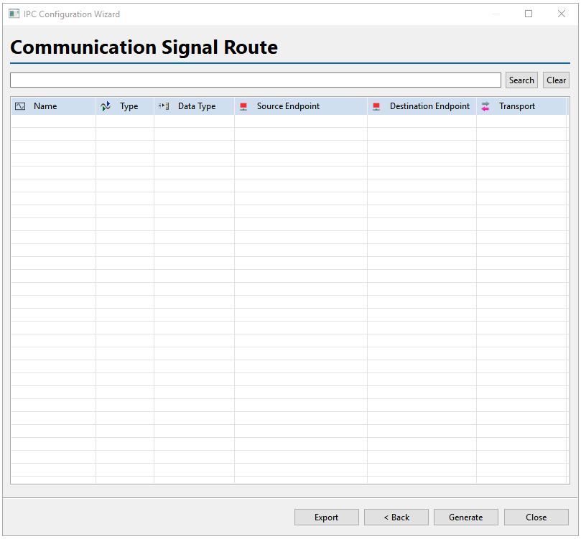
 |  |  |  |  |  | Screen Type
 |  |  |  |  |  | Screen Type |  |  | Communication Signal Route
 |  |  |  |  |  | Origin screen |  |  | Automation tool screen #3
 |  |  |  |  |  | Destination Screen

 |  |  |  |  |  | Remark
 |  |  |  |  |  | Program Window title must be ‘IPC Configuration Wizard’ Screen Automation tool screen #4 have one headers: + Communication Signal Route

 | Route Setting Dialog

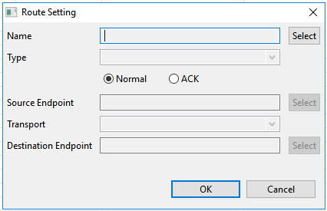

 | Signal Dialog
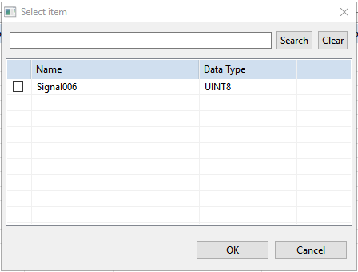

 | Enpoint Dialog

