Sheet1
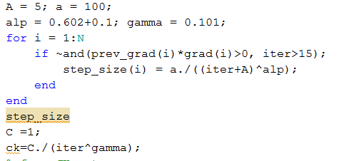
Vary p_r_std | large variance of L_r

Vary variance of w^r |  |  |  |  |  |  | increasing w^r results in inccreasing the portion of real time energy cost

Vary variance of L_r |  |  |  | worstcase increases |  | best case decreases

Vary variance of p_r |  | does not affect much.

vary variance of p_r with large variance of w_r and L_r |  |  |  |  | It seems the variance of p_r doesnot impact on the total cost.

different pr_means |  | not impressive

vary all variance in the same time

N=10 | J=20 |  | 360 samples | 100 iterations

Start with q^l = 0 |  | vs q^l = pred

change step_size and partial q sequences

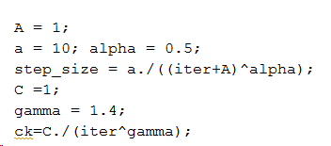
A=1 | a =10

 |  |  |  |  |  |  |  | grad_norm = 8
 |  |  |  |  |  | grad_norm = 2
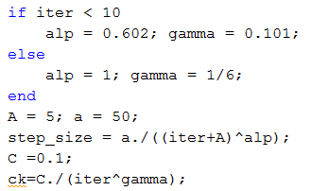

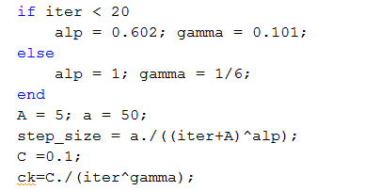

 |  | grad-norm = 1.9

