235C - Password Settings
Password Configuration Settings

The AD column is to be included when only necessary. For example when there is SSO tied to AD: or when we need AD settings as mitigating control.
EY coordinated with [Name] ([Job Title]) to obtain an understanding of [Application system name] Password Settings in a walkthrough call on xx/xx/20xx. We noted that the application relies on a password policy that is configured at application level and have a Two Factor Authentication enabled. We also noted that the application resides within the Active Directory network and has the AD password as the first layer of password protection. [Other possible set ups: We noted that the application password authentication is a Single Sign On (SSO) mechanism tied to the Active Directory / Okta / etc. .... The application is cloud based and the password settings are controlled by the service provider. We therefore relied on the SOC report for password settings] We obtained the screenshots for password settings and we compared the password parameters configuration settings with Company documented password policy and with Industry best practice standards. See the table below for more details. We noted the following observations:

Ref | Parameters | EY Recommended Settings | Entity Documented Password Policy | Application Settings | AD Settings | Conclusion | EY Comments | Evidence Ref
1 | Password Complexity | Enabled
2 | Minimum Password Length | 8
3 | Maximum Password Age | 90
4 | Password History | Minimum 12
5 | Account Lockout Threshold | 5
6 | Account Lockout Duration | Minimum 15 mins or 0 (To be unlocked by Admin)
7 | Idle Session Timeout | Minimum 15

SSO Evidence

Ref | Application Name | Authenticator
1
2
3

Default Accounts

Ref | Default Account | Disable Date | Or Password Change Date
1
2
3

Always check if there is a multi factor authentication in place and document

 | Type | Version | End of Life Date | Conclusion
DB |  |  | Check on internet
OS |  |  | Check on internet

SOC Report Reliance
For engagements were we rely on SOC reports, the workpapers attached below should be filed.

For SOC 1 Type 2 Report

For SOC 2 Type 2 Report

This applies to all form of SOC reports used

This is the new 231 scoping document

Example of documenting SOC Report Evidence

User Access Management - 235D

EY coordinated with XXXX (Finance Controller) to obtain an understanding of the Xero application system user access management process in a walkthrough call onXX/XX/2025. EY obtained from XXXX (Finance Controller) that there were no new joiners, movers or leavers to the Xero system for the for the peruiod under audit, and that the system has about 12 users. EY received a SOC Type 2 report for Xero Limited from XXXX (Finance Controller), which covered the period 1 November 2023 to 31 October 2024. EY reviewed and evaluated the SOC report received, and we concluded that the control activities in place provide reasonable assurance that logical access to data, applications, system data and network is restricted to properly authorized individuals. No exception noted. See evidence attached. No exceptions noted.

Conclusion: Effective

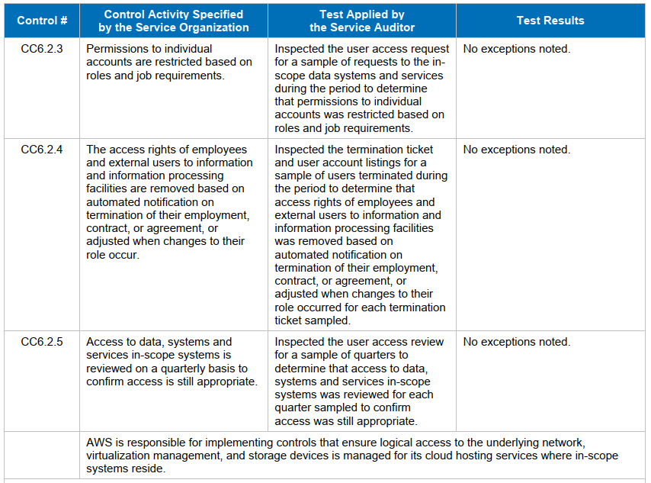
Testing of Joiners, Movers and Leavers.

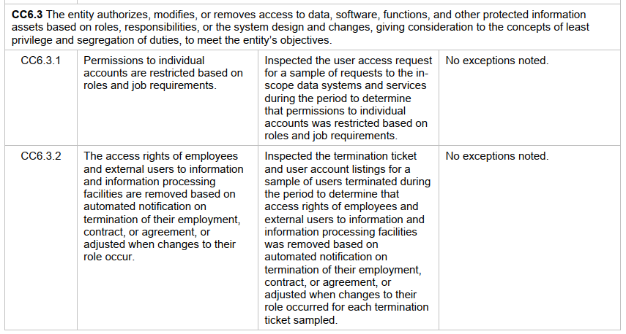
Joiner and mover testing. No exception noted

Joiner and mover testing. No exception noted

Leaver terminations testing. No exception noted

Leaver terminations testing. No exception noted

Periodic Access reviews are performed quarterly. No exception noted.

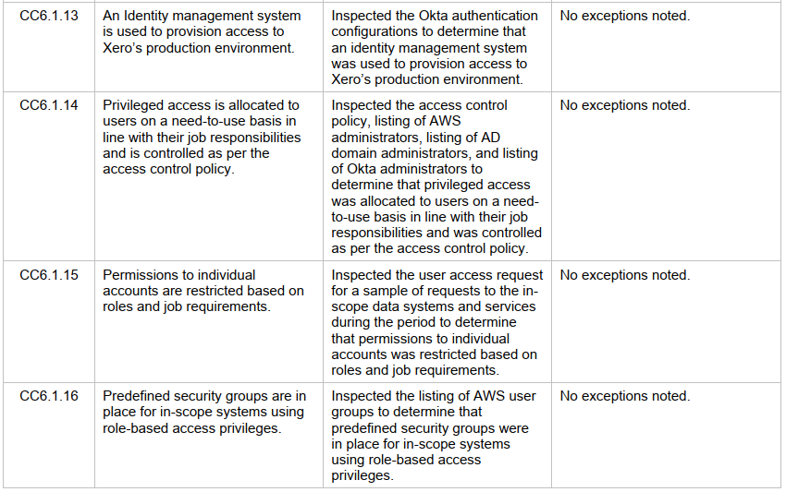

Privileged users have appropriate access. No exceptions noted

Conclusion: Effective

