TEST 1
MANUAL TESTING TEST CASE TEMPLATE
ID | TEST TITLE |  |  | DESIGNED BY
1 | Availability of attributes for registration/authorization |  |  | Romanova E.A.
 | TEST DESCRIPTION |  |  | CREATED AT

 | PRE-CONDITIONS |  | POST-CONDITIONS
 | Clear browser cache.

STEP # | STEP DESCRIPTION | TEST DATE | EXPECTED RESULTS | ADDITIONAL NOTES
1 | open resource |  | drop-down annotation for the authorization / registration button
2 | click on the registration / authorization button from the main page |  | 1. There is a window title, a form for entering a phone number, a button "Get code", a button "Log in by mail", a button "Create an account as a legal entity". 2. The cursor is in the phone input form. | 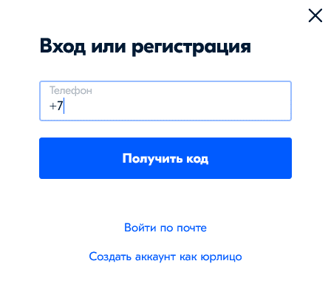
3
4
5
6
7
8

TEST 3
MANUAL TESTING TEST CASE TEMPLATE
ID | TEST TITLE |  |  | DESIGNED BY
3 | Phone Authorization(positive) |  |  | Romanova E.A.
 | TEST DESCRIPTION |  |  | CREATED AT

 | PRE-CONDITIONS |  | POST-CONDITIONS
 | Clear browser cache.

STEP # | STEP DESCRIPTION | TEST DATE | EXPECTED RESULTS | ADDITIONAL NOTES
1 | open resource
2 | click on the registration / authorization button from the main page
3 | Enter the phone number according to the required format. | phone : 9315357025 | 1. The authorization window contains the telephone number of the recipient, the “Change” number, fields for entering each of the four digits, a counter for the possibility of re-sending the code, the “Log in by mail” button, a button with help information “Does SMS not come?”. (see screenshot) 2. A message with the code arrived. The message contains a four-digit code. | 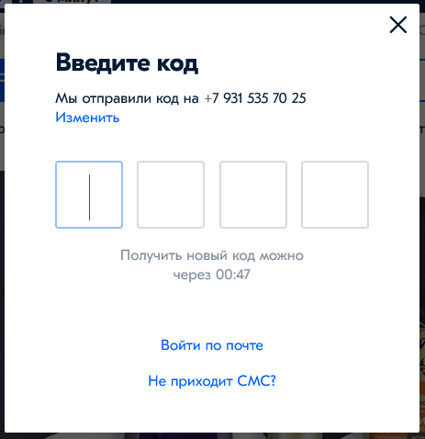
4 | Enter the code immediately after receiving SMS. |  | Authorization was successful. There is access to your personal account.
5
6
7
8

TEST 5
MANUAL TESTING TEST CASE TEMPLATE
ID | TEST TITLE |  |  | DESIGNED BY
5 | Phone Authorization(negative) |  |  | Romanova E.A.
 | TEST DESCRIPTION |  |  | CREATED AT

 | PRE-CONDITIONS |  | POST-CONDITIONS
 | Clear browser cache.

STEP # | STEP DESCRIPTION | TEST DATE | EXPECTED RESULTS | ADDITIONAL NOTES
1 | open resource
2 | click on the registration / authorization button from the main page
3 | Enter the wrong phone format. | try: 909, enter nothing. | 1. The message "Incorrect phone format" appears in the authorization window in red. 2. The input field turns red. | 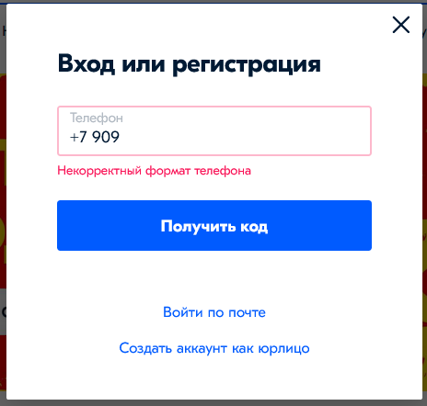
4
5
6
7
8

TEST 6
MANUAL TESTING TEST CASE TEMPLATE
ID | TEST TITLE |  |  | DESIGNED BY
6 | Email Authorization(positive) |  |  | Romanova E.A.
 | TEST DESCRIPTION |  |  | CREATED AT

 | PRE-CONDITIONS |  | POST-CONDITIONS
 | Clear browser cache. An existing account must be linked to mail!

STEP # | STEP DESCRIPTION | TEST DATE | EXPECTED RESULTS | ADDITIONAL NOTES
1 | open resource
2 | click on the registration / authorization button from the main page
3 | Enter email address | mail : romanovae96@mail.ru | 1. The authorization window by mail changes to the authorization window by phone. 2. The authorization window contains the telephone number of the recipient(part of the number is hidden), fields for entering each of the four digits, a counter for the possibility of re-sending the code,a button with help information “Does SMS not come?”. (see screenshot) 2. A message with the code arrived. The message contains a four-digit code. | 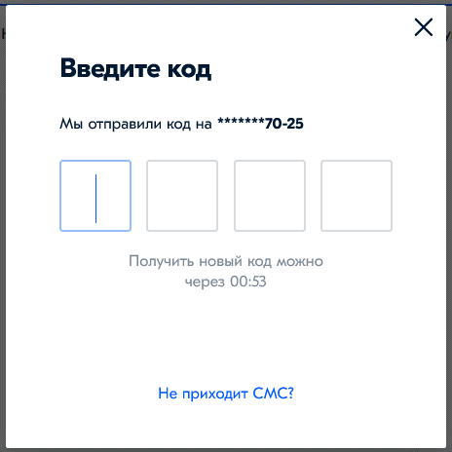
4 | Enter the code immediately after receiving SMS. |  | Authorization was successful. There is access to your personal account.
5
6
7
8

TEST 7
MANUAL TESTING TEST CASE TEMPLATE
ID | TEST TITLE |  |  | DESIGNED BY
7 | Email Authorization(negative) |  |  | Romanova E.A.
 | TEST DESCRIPTION |  |  | CREATED AT

 | PRE-CONDITIONS |  | POST-CONDITIONS
 | Clear browser cache.

STEP # | STEP DESCRIPTION | TEST DATE | EXPECTED RESULTS | ADDITIONAL NOTES
1 | open resource
2 | click on the registration / authorization button from the main page
3 | Enter the wrong email address. | mail : romanovae96@@mail.ru | 1. The message "Incorrect email format" appears in the authorization window in red. 2. The input field turns red. | 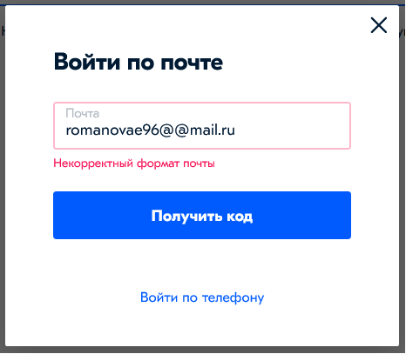
4
5
6
7
8

