AccessToken
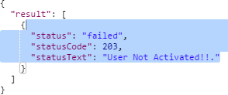
[MPAPI_01-001]
Authentication Token API |  |  |  |  |  |  |  |  |  | Response Codes

POST |  | /x/token |  |  |  |  |  |  |  | 1 | 200 | Status: OK

 |  |  |  |  |  |  |  |  |  | Successfully Authenticated.!!
 | Overview |  |  |  |  |  |  |  |  | 2 | 406 | Validation Error: Not Acceptable
 | Register Members For the Application
 |  |  |  |  |  |  |  |  |  | Invalid Request Parameters !!
 |  |  |  |  |  |  |  |  |  | 2 | 401 | Invalid : Bad Request
 | Request
 | Parameters |  | Name | Type | Length-Range | Default Value | Required | Remarks |  | Activation Failed. User Not Found !!
 | email |  | Email Address | string |  |  | Yes |  |  | 4 | 203 | Failed: Non-Authoritative Information
 | password |  | Password | string |  |  | Yes
 |  |  |  |  |  |  |  |  |  | User not Activated !!
 | Response |  |  |  |  |  |  |  | Response Type : json | 5 | 500 | Failed: Internal Server Error
 | ○ Success
 |  |  |  |  |  |  |  |  |  | Something Went Wrong !!

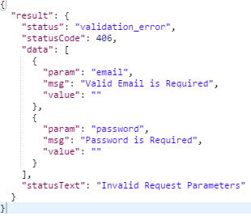

 | ○ Failure

Member Info
[MPAPI_02-004]
User Activation API |  |  |  |  |  |  |  |  |  | Response Codes

GET |  | /api/authentication/Member Info |  |  |  |  |  |  |  | 1 | 200 | Status: OK

 |  |  |  |  |  |  |  |  |  | User Found !!
 | Overview |  |  |  |  |  |  |  |  | 2 | 400 | Invalid : Bad Request
 | To activate a already registered user.
 |  |  |  |  |  |  |  |  |  | Failed to authenticated Token!!
 | Request |  |  |  |  |  |  |  |  | 2 | 403 | Invalid : Forbidden
 | Parameters |  | Name | Type | Length-Range | Default Value | Required | Remarks
 | token |  | Token | string | 150 | none | Yes |  |  | No Token Provided
 |  |  |  |  |  |  |  |  |  | 5 | 500 | Failed: Internal Server Error
 | Response |  |  |  |  |  |  |  | Response Type : json
 | ○ Success |  |  |  |  |  |  |  |  | Something Went Wrong !!
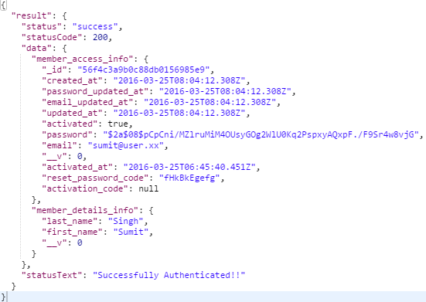

 | ○ Invalid
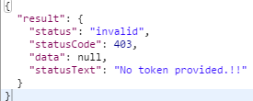
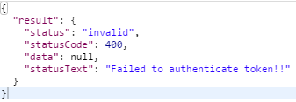

 | ○ Failure

Member Registration
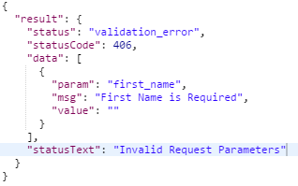
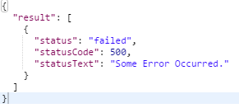
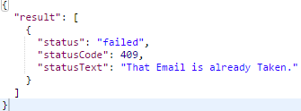
[MPAPI_02-001]
Member Registration API |  |  |  |  |  |  |  |  |  | Response Codes

POST |  | /api/membership/signup |  |  |  |  |  |  |  | 1 | 200 | Status: OK

 |  |  |  |  |  |  |  |  |  | Your registration is successful.!!
 | Overview |  |  |  |  |  |  |  |  | 2 | 406 | Validation Error: Not Acceptable
 | Register Members For the Application
 |  |  |  |  |  |  |  |  |  | Invalid Request Parameters !!
 |  |  |  |  |  |  |  |  |  | 3 | 409 | Failed: Conflict
 | Request
 | Parameters |  | Name | Type | Length-Range | Default Value | Required | Remarks |  | That Email is already Taken
 | email |  | Email Address | string | 6-32 | none | Yes |  |  | 4 | 500 | Failed: Internal Server Error
 | password |  | Password | string | 6-32 | none | Yes
 | first_name |  | First Name | string | 3-32 | none | Yes |  |  | Something Went Wrong !!
 | last_name |  | Last Name | string | 3-32 | none | Yes

 | Response |  |  |  |  |  |  |  | Response Type : json
 | ○ Success

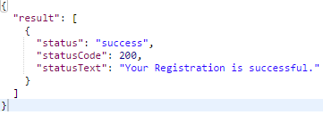

 | ○ Failure

UserActivation
[MPAPI_02-002]
User Activation API |  |  |  |  |  |  |  |  |  | Response Codes

GET |  | /authentication/activate/:user_id/:activation_code |  |  |  |  |  |  |  | 1 | 200 | Status: OK

 |  |  |  |  |  |  |  |  |  | Successfully Activated. You can login Now!!
 | Overview |  |  |  |  |  |  |  |  | 2 | 208 | Invalid : Already Reported
 | To activate a already registered user.
 |  |  |  |  |  |  |  |  |  | Already Activated. Login Now !!
 | Request |  |  |  |  |  |  |  |  | 2 | 400 | Invalid : Bad Request
 | Parameters |  | Name | Type | Length-Range | Default Value | Required | Remarks
 | user_id |  | user_id | objectId | 32 | none | Yes |  |  | Activation Failed. Wrong Activation Code !!
 | activation_code |  | activation_code | string | 10 | none | Yes |  |  | 2 | 400 | Invalid : Bad Request

 | Response |  |  |  |  |  |  |  | Response Type : json | Activation Failed. User Not Found !!
 | ○ Success |  |  |  |  |  |  |  |  | 2 | 406 | Validation Error: Not Acceptable

 |  |  |  |  |  |  |  |  |  | Invalid Request Parameters !!
 |  |  |  |  |  |  |  |  |  | 3 | 409 | Failed: Conflict



 |  |  |  |  |  |  |  |  |  | That Email is already Taken
 | ○ Invalid |  |  |  |  |  |  |  |  | 4 | 500 | Failed: Internal Server Error

 |  |  |  |  |  |  |  |  |  | Something Went Wrong !!

 | ○ Validation Error
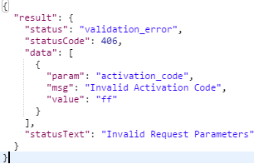
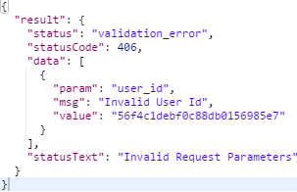
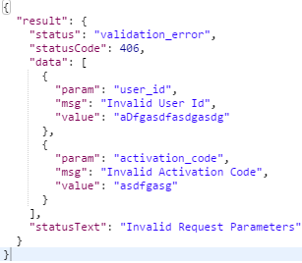

 | ○ Failure

Login
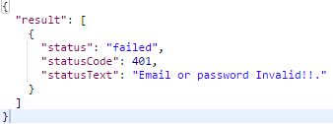
[MPAPI_02-001]
Login API |  |  |  |  |  |  |  |  |  | Response Codes

POST |  | /api/membership/login |  |  |  |  |  |  |  | 1 | 200 | Status: OK

 |  |  |  |  |  |  |  |  |  | Successfully Authenticated.!!
 | Overview |  |  |  |  |  |  |  |  | Activation Failed. User Not Found !!
 | Login API For the Application |  |  |  |  |  |  |  |  | 2 | 406 | Validation Error: Not Acceptable

 |  |  |  |  |  |  |  |  |  | Invalid Request Parameters !!
 | Request |  |  |  |  |  |  |  |  | 3 | 401 | Failed: Unauthorised
 | Parameters |  | Name | Type | Length-Range | Default Value | Required | Remarks
 | email |  | Email Address | string |  |  | Yes |  |  | Email or password Invalid !!
 | password |  | Password | string |  |  | Yes |  |  | 4 | 203 | Failed: Non-Authoritative Information

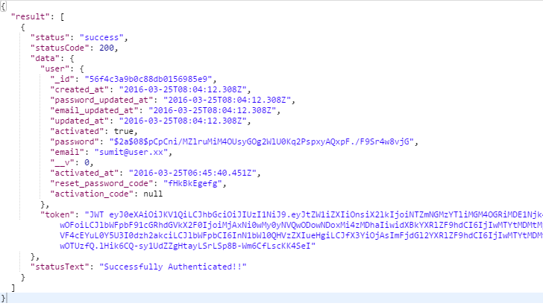
 | Response |  |  |  |  |  |  |  | Response Type : json | User not Activated !!
 | ○ Success |  |  |  |  |  |  |  |  | 5 | 500 | Failed: Internal Server Error
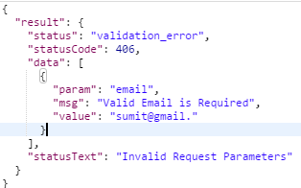
 |  |  |  |  |  |  |  |  |  | Something Went Wrong !!

 | ○ Failure

CheckIfUserExists
[MPAPI_02-004]
Check if User Exists API |  |  |  |  |  |  |  |  |  | Response Codes

GET |  | /authentication/user/:email |  |  |  |  |  |  |  | 1 | 200 | Status: OK

 |  |  |  |  |  |  |  |  |  | User Found !!
 | Overview |  |  |  |  |  |  |  |  | 2 | 406 | Validation Error: Not Acceptable
 | To activate a already registered user.
 |  |  |  |  |  |  |  |  |  | Invalid Request Parameters !!
 | Request |  |  |  |  |  |  |  |  | 3 | 400 | Invalid: Bad Request
 | Parameters |  | Name | Type | Length-Range | Default Value | Required | Remarks
 | email |  | email | string | 32 | none | Yes |  |  | User not Found !!
 |  |  |  |  |  |  |  |  |  | 4 | 203 | Failed: Non-Authoritative Information
 | Response |  |  |  |  |  |  |  | Response Type : json
 | ○ Success |  |  |  |  |  |  |  |  | User not Activated !!
 |  |  |  |  |  |  |  |  |  | 5 | 500 | Failed: Internal Server Error

 |  |  |  |  |  |  |  |  |  | Something Went Wrong !!

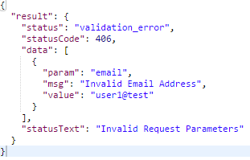
 | ○ Invalid
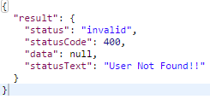

 | ○ Failure

CheckResetPasswordCode
《 - API List

 | [MPAPI_02-007]
 | Check Reset Password Code API |  |  |  |  |  |  |  |  |  | Response Codes

 | GET |  | /authentication/reset/:user_id/:reset_code |  |  |  |  |  |  |  | 1 | 200 | Status: OK

 |  |  |  |  |  |  |  |  |  |  | Successfully Activated. You can login Now!!
 |  | Overview |  |  |  |  |  |  |  |  | Activation Failed. Wrong Activation Code !!
 |  | Check if the reset password code sent by url is correct |  |  |  |  |  |  |  |  | 2 | 400 | Invalid : Bad Request

 |  | Request |  |  |  |  |  |  |  |  | Activation Failed. User Not Found !!
 |  | Parameters |  | Name | Type | Length-Range | Default Value | Required | Remarks |  | 2 | 406 | Validation Error: Not Acceptable
 |  | user_id |  | user_id | objectId | 32 | none | Yes
 |  | reset_code |  | reset_code | string | 10 | none | Yes |  |  | Invalid Request Parameters !!
 |  |  |  |  |  |  |  |  |  |  | 4 | 500 | Failed: Internal Server Error
 |  | Response |  |  |  |  |  |  |  | Response Type : json
 |  | ○ Success |  |  |  |  |  |  |  |  | Something Went Wrong !!
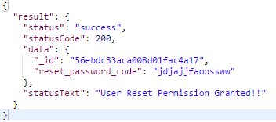
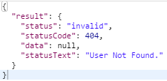

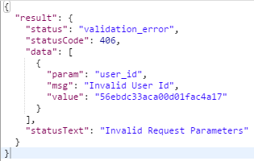
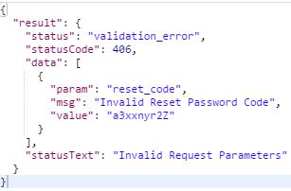
 |  | ○ Invalid
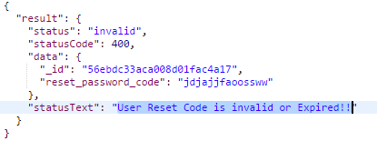

 |  | ○ Failure

