Login
《 - API List

 | [MPAPI_02-001]
 | Login API

 | POST |  | /authentication/signin

 |  | Overview
 |  | Register Members For the Application

 |  | Request
 |  | Parameters |  | Name |  | Type | Length-Range | Default Value | Required | Remarks
 |  | email |  | Email Address |  | string |  |  | Yes
 |  | password |  | Password |  | string |  |  | Yes

 |  | Response |  |  |  |  |  |  |  |  | Response Type : json
 |  | ○ Success
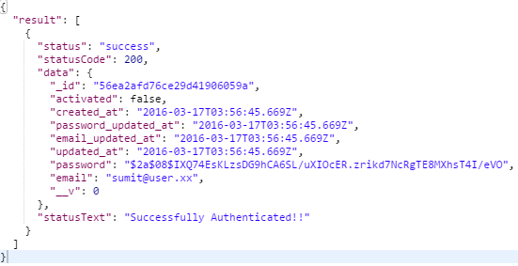

 |  | ○ Failure
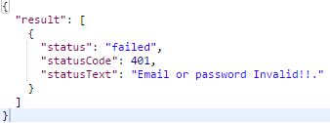
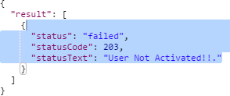

 |  | Error List
 |  | HTTP Status |  |  | Meaning and cause
 |  | 400 | Bad Request. |  | Invalid Parameter

 |  | 401 | Error |  | Server Error

 |  | 401 | Error |  | Server Error

 |  | 409 | Conflict |  | Given Email Already Taken

Member Registration
《 - API List

 | [MPAPI_02-002]
 | Member Registration API

 | POST |  | /authentication/signup

 |  | Overview
 |  | Register Members For the Application

 |  | Request
 |  | Parameters |  | Name |  | Type | Length-Range | Default Value | Required | Remarks
 |  | email |  | Email Address |  | string | 6-32 | none | Yes
 |  | password |  | Password |  | string | 6-32 | none | Yes
 |  | first_name |  | First Name |  | string | 3-32 | none | Yes
 |  | last_name |  | Last Name |  | string | 3-32 | none | Yes

 |  | Response |  |  |  |  |  |  |  |  | Response Type : json
 |  | ○ Success

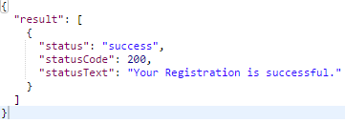

 |  | ○ Failure

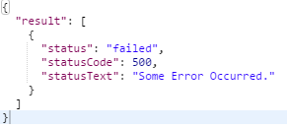
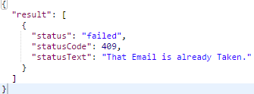

 |  | Error List
 |  | HTTP Status |  |  | Meaning and cause
 |  | 409 | Conflict |  | Invalid Parameter

 |  | 500 | Error |  | Internal Server Error

