Login
《 - API List

 | [MPAPI_02-001]
 | Login API

 | POST |  | /authentication/signin

 |  | Overview
 |  | Register Members For the Application

 |  | Request
 |  | Parameters |  | Name |  | Type | Length-Range | Default Value | Required | Remarks
 |  | email |  | Email Address |  | string |  |  | Yes
 |  | password |  | Password |  | string |  |  | Yes

 |  | Response |  |  |  |  |  |  |  |  | Response Type : json
 |  | ○ Success
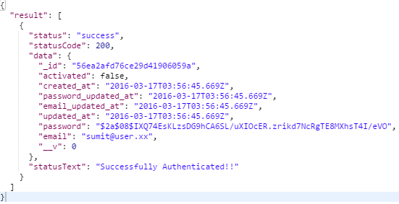

 |  | ○ Failure
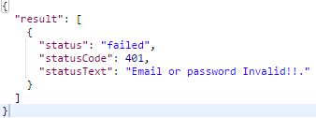
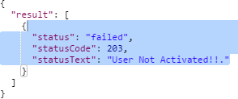

 |  | Error List
 |  | HTTP Status |  |  | Meaning and cause
 |  | 400 | Bad Request. |  | Invalid Parameter

 |  | 401 | Error |  | Server Error

 |  | 401 | Error |  | Server Error

 |  | 409 | Conflict |  | Given Email Already Taken

Member Registration
《 - API List

 | [MPAPI_02-002]
 | Member Registration API

 | POST |  | /authentication/signup

 |  | Overview
 |  | Register Members For the Application

 |  | Request
 |  | Parameters |  | Name |  | Type | Length-Range | Default Value | Required | Remarks
 |  | email |  | Email Address |  | string | 6-32 | none | Yes
 |  | password |  | Password |  | string | 6-32 | none | Yes
 |  | first_name |  | First Name |  | string | 3-32 | none | Yes
 |  | last_name |  | Last Name |  | string | 3-32 | none | Yes

 |  | Response |  |  |  |  |  |  |  |  | Response Type : json
 |  | ○ Success

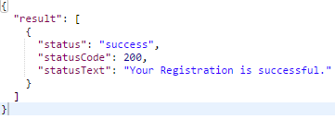

 |  | ○ Failure

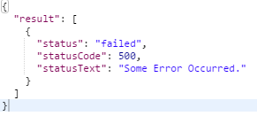
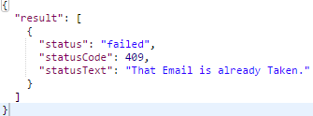

 |  | Error List
 |  | HTTP Status |  |  | Meaning and cause
 |  | 409 | Conflict |  | Invalid Parameter

 |  | 500 | Error |  | Internal Server Error

CheckIfUserExists
《 - API List

 | [MPAPI_02-004]
 | Check if User Exists API |  |  |  |  |  |  |  |  |  | Response Codes

 | GET |  | /authentication/user/:email |  |  |  |  |  |  |  | 1 | 200 | Status: OK

 |  |  |  |  |  |  |  |  |  |  | User Found !!
 |  | Overview |  |  |  |  |  |  |  |  | 2 | 203 | Status: Non-Authoritative Information
 |  | To activate a already registered user.
 |  |  |  |  |  |  |  |  |  |  | User Not Activated. Activate it first!!
 |  | Request |  |  |  |  |  |  |  |  | 3 | 400 | Invalid: Bad Request
 |  | Parameters |  | Name | Type | Length-Range | Default Value | Required | Remarks
 |  | email |  | email | string | 32 | none | Yes |  |  | User Not Found!!
 |  |  |  |  |  |  |  |  |  |  | 4 | 406 | Invalid: Not Acceptable
 |  | Response |  |  |  |  |  |  |  | Response Type : json
 |  | ○ Success |  |  |  |  |  |  |  |  | Invalid Request Parameters !!
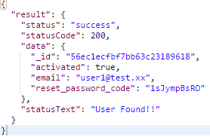
 |  |  |  |  |  |  |  |  |  |  | 5 | 500 | Failed: Internal Server Error

 |  |  |  |  |  |  |  |  |  |  | Something Went Wrong !!

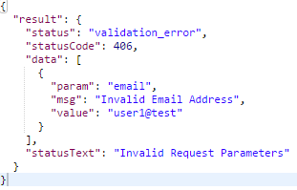
 |  | ○ Invalid
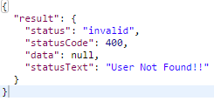

 |  | ○ Failure

CheckResetPasswordCode
《 - API List

 | [MPAPI_02-007]
 | Check Reset Password Code API |  |  |  |  |  |  |  |  |  | Response Codes

 | GET |  | /authentication/reset/:user_id/:reset_code |  |  |  |  |  |  |  | 1 | 200 | Status: OK

 |  |  |  |  |  |  |  |  |  |  | User Reset Permission Granted!!
 |  | Overview |  |  |  |  |  |  |  |  | 3 | 400 | Invalid: Bad Request
 |  | Check if the reset password code sent by url is correct
 |  |  |  |  |  |  |  |  |  |  | User Reset Code is invalid or Expired!!
 |  | Request |  |  |  |  |  |  |  |  | 4 | 406 | Invalid: Not Acceptable
 |  | Parameters |  | Name | Type | Length-Range | Default Value | Required | Remarks
 |  | user_id |  | user_id | objectId | 32 | none | Yes |  |  | Invalid Request Parameters !!
 |  | reset_code |  | reset_code | string | 10 | none | Yes |  |  | 5 | 500 | Failed: Internal Server Error

 |  | Response |  |  |  |  |  |  |  | Response Type : json | Something Went Wrong !!
 |  | ○ Success
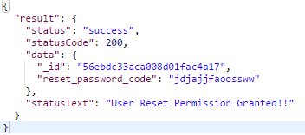

 |  | ○ Invalid
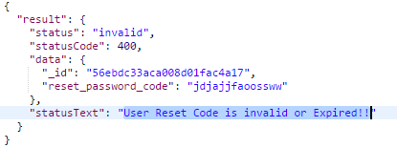

 |  | ○ Failure

