SignUpAPI
SignUp API

Required data |  |  |  |  |  |  |  |  | Test Result

 |  |  |  |  |  |  |  |  | Total tests | 7
 |  |  |  |  |  |  |  |  | Done | 7
 |  |  |  |  |  |  |  |  | NotDone | 0
 |  |  |  |  |  |  |  |  | OK | 7
 |  |  |  |  |  |  |  |  | NG | 0
No. | Status | Test Item | Error | Expected results | Date | Test Result | Tested Browser | Remarks

1 | Done | If first_name field is not given | No Error | 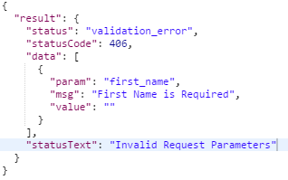 | 2016-03-25 | OK | Chrome
2 | Done | If last_name field is not given | No Error | validation_error as above | 2016-03-25 | OK | Chrome
3 | Done | If email is not given | No Error | validation_error as above | 2016-03-25 | OK | Chrome
4 | Done | if email is not a valid email | No Error | validation_error as above | 2016-03-25 | OK | Chrome
5 | Done | if password is not given | No Error | validation_error as above | 2016-03-25 | OK | Chrome
6 | Done | If everything is correct but email is already registered | No Error | 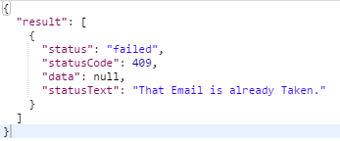 | 2016-03-25 | OK | Chrome
7 | Done | Everything is correct | No Error | 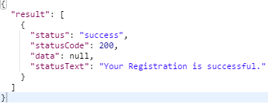 | 2016-03-25 | OK | Chrome

User Activation API
User Activation API

API url: /authentication/activate/:user_id/:activation_code |  |  |  |  |  |  |  |  | Test Result
Parameters-
:user_id
:activation_code |  |  |  |  |  |  |  |  | Total tests | 7
 |  |  |  |  |  |  |  |  | Done | 7
 |  |  |  |  |  |  |  |  | NotDone | 0
 |  |  |  |  |  |  |  |  | OK | 7
 |  |  |  |  |  |  |  |  | NG | 0
No. | Status | Test Item | Error | Expected results | Date | Test Result | Tested Browser | Remarks

1 | Done | If objectID is not present | No Error | 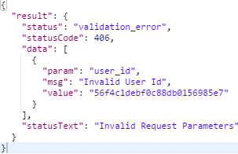 | 2016-03-25 | OK | Chrome
2 | Done | if activation code is not present | No Error | 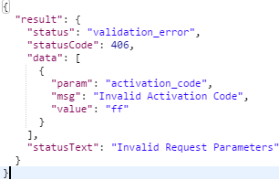 | 2016-03-25 | OK | Chrome
3 | Done | if both wrong | Error | 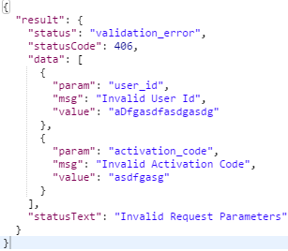 | 2016-03-25 | OK | Chrome
4 | Done | if user_id is present , activation_code is present, but user is not found | No Error |  | 2016-03-25 | OK | Chrome
5 | Done | if user_id = correct , activation_code = correct, user = found user = not activated activation_code != real activation code | No Error |  | 2016-03-25 | OK | Chrome
6 | Done | if user_id = correct , activation_code = correct, user = found user = not activated activation_code = real activation code | No Error |  | 2016-03-25 | OK | Chrome
7 | Done | if user_id = correct , activation_code = correct, user = found user = already activated | No Error | 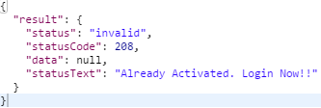 | 2016-03-25 | OK | Chrome

Login API
Login API

API url: /authentication/signin |  |  |  |  |  |  |  |  | Test Result
Parameters-
:email
:password |  |  |  |  |  |  |  |  | Total tests | 5
 |  |  |  |  |  |  |  |  | Done | 5
 |  |  |  |  |  |  |  |  | NotDone | 0
 |  |  |  |  |  |  |  |  | OK | 5
 |  |  |  |  |  |  |  |  | NG | 0
No. | Status | Test Item | Error | Expected results | Date | Test Result | Tested Browser | Remarks

1 | Done | If email is wrong | No Error | 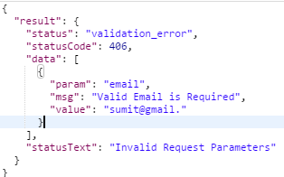 | 2016-03-25 | OK | Chrome
1 | Done | Email = correct but Email = not found | No Error | 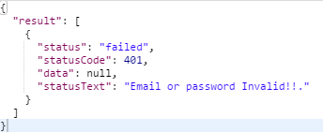 | 2016-03-25 | OK | Chrome
1 | Done | Email = correct password = correct Email password combination = not found | No Error |  | 2016-03-25 | OK | Chrome
1 | Done | Email = correct password = correct Email password combination = found user = not activated | No Error | 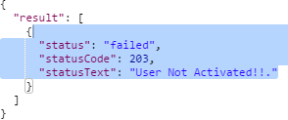 | 2016-03-25 | OK | Chrome
1 | Done | Email = correct password = correct Email password combination = found user = activated | No Error | 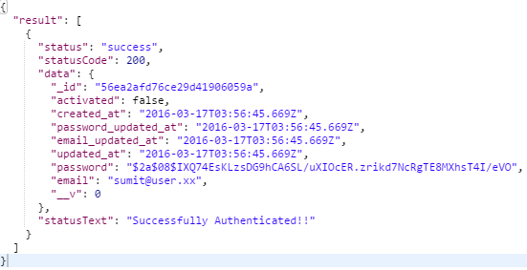 | 2016-03-25 | OK | Chrome

CheckIfUserExists API
CheckIfUserExists API

API url: /authentication/user/:email |  |  |  |  |  |  |  |  | Test Result
Parameters-
:email
 |  |  |  |  |  |  |  |  | Total tests | 4
 |  |  |  |  |  |  |  |  | Done | 4
 |  |  |  |  |  |  |  |  | NotDone | 0
 |  |  |  |  |  |  |  |  | OK | 4
 |  |  |  |  |  |  |  |  | NG | 0
No. | Status | Test Item | Error | Expected results | Date | Test Result | Tested Browser | Remarks

1 | Done | If email = not correct | No Error | 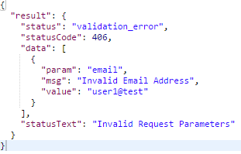 | 2016-03-25 | OK | Chrome
2 | Done | email = correct but email = not found | No Error |  | 2016-03-25 | OK | Chrome
3 | Done | email = correct && found user = not activated | No Error |  | 2016-03-25 | OK | Chrome
4 | Done | email = correct && found user = activated | No Error |  | 2016-03-25 | OK | Chrome

Reset PasswordCode API
User Activation API

API url: /authentication/activate/:user_id/:reset_code |  |  |  |  |  |  |  |  | Test Result
Parameters-
:user_id
:reset_code |  |  |  |  |  |  |  |  | Total tests | 5
 |  |  |  |  |  |  |  |  | Done | 5
 |  |  |  |  |  |  |  |  | NotDone | 0
 |  |  |  |  |  |  |  |  | OK | 5
 |  |  |  |  |  |  |  |  | NG | 0
No. | Status | Test Item | Error | Expected results | Date | Test Result | Tested Browser | Remarks

1 | Done | If user_id = not correct | No Error | 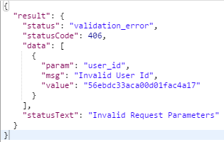 | 2016-03-25 | OK | Chrome
2 | Done | user_id = correct reset_code = not correct | No Error | 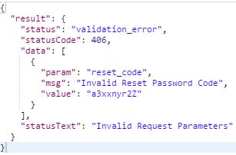 | 2016-03-25 | OK | Chrome
3 | Done | user_id = correct reset_code = correct user = not found | Error | 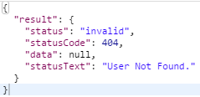 | 2016-03-25 | OK | Chrome
4 | Done | user_id = correct reset_code = correct user = found reset_code = real reset_code | No Error | 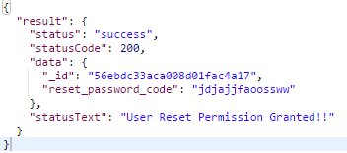 | 2016-03-25 | OK | Chrome
4 | Done | user_id = correct reset_code = correct user = found reset_code != real reset_code | No Error | 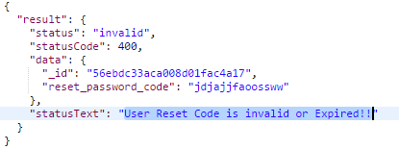 | 2016-03-25 | OK | Chrome

Member_Info
User Activation API

API url:/api/authentication/member_info |  |  |  |  |  |  |  |  | Test Result
Parameters-
:token
 |  |  |  |  |  |  |  |  | Total tests | 4
 |  |  |  |  |  |  |  |  | Done | 4
 |  |  |  |  |  |  |  |  | NotDone | 0
 |  |  |  |  |  |  |  |  | OK | 4
 |  |  |  |  |  |  |  |  | NG | 0
No. | Status | Test Item | Error | Expected results | Date | Test Result | Tested Browser | Remarks

1 | Done | If token is not present | No Error | 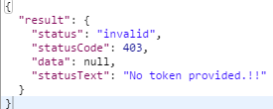 | 2016-04-06 | OK | Chrome
2 | Done | If token is wrong | No Error | 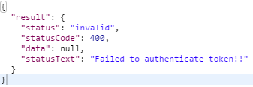 | 2016-04-06 | OK | Chrome
3 | Done | if token is present | No Error | 200: Result is obtained | 2016-04-06 | OK | Chrome
4 | Done | some server problem | No Error | 500 Internal Server Error | 2016-04-06 | OK | Chrome

