工作表1
Precision |  |  |  |  |  |  | Recall |  |  |  |  |  |  | F1_score
 | Original | Original/Horizontal | Original/Horizontal/Vertical |  |  |  |  | Original | Original/Horizontal | Original/Horizontal/Vertical |  |  |  |  | Original | Original/Horizontal | Original/Horizontal/Vertical |  |  |  |  | Precision | Recall | F1_score
KNN | 0.96875 | 0.97008547009 | 0.96612021858 |  |  |  | KNN | 0.96056338028 | 0.96870554765 | 0.9703622393 |  |  |  | KNN | 0.96463932107 | 0.96870554765 | 0.96823658269 |  |  |  | KNN | 0.969 | 0.961 | 0.965
SVM | 0.96657381616 | 0.96332863188 | 0.96129032258 |  |  |  | SVM | 0.97746478873 | 0.97155049787 | 0.98133918771 |  |  |  | SVM | 0.97198879552 | 0.96742209632 | 0.97121129821 |  |  |  | SVM | 0.967 | 0.977 | 0.972
RF | 0.98028169014 | 0.98710601719 | 0.97722342733 |  |  |  | RF | 0.98028169014 | 0.98008534851 | 0.98902305159 |  |  |  | RF | 0.98028169014 | 0.98358315489 | 0.98308783415 |  |  |  | RF | 0.980 | 0.980 | 0.980
MLP | 0.97206703911 | 0.95192307692 | 0.97090517241 |  |  |  | MLP | 0.98028169014 | 0.98577524893 | 0.98902305159 |  |  |  | MLP | 0.97615708275 | 0.96855345912 | 0.97988036977 |  |  |  | MLP | 0.972 | 0.980 | 0.976
 |  |  |  |  |  |  |  |  |  |  |  |  |  |  |  |  |  |  |  |  | YoloV8 | 0.964 | 0.979 | 0.972

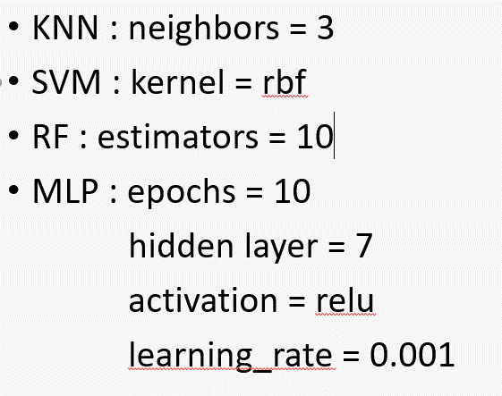
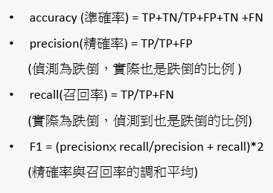
 |  |  |  | Original |  |  |  |  |  |  | Original/Horizontal |  |  |  |  |  |  | Original/Horizontal/Vertical
 |  |  |  | KNN |  |  |  |  |  |  | KNN |  |  |  |  |  |  | KNN
 |  |  |  |  | Fall | NonFall |  |  |  |  |  | Fall | NonFall |  |  |  |  |  | Fall | NonFall
 |  |  |  | Fall | 341 | 14 |  |  |  |  | Fall | 681 | 22 |  |  |  |  | Fall | 884 | 27
 |  |  |  | NonFall | 11 | 407 |  |  |  |  | NonFall | 21 | 823 |  |  |  |  | NonFall | 31 | 805
 |  |  |  |  | Accuracy | 0.96765847348 |  |  |  |  |  | Accuracy | 0.97220426632 |  |  |  |  |  | Accuracy | 0.96680022896

 |  |  |  | SVM |  |  |  |  |  |  | SVM |  |  |  |  |  |  | SVM
 |  |  |  |  | Fall | NonFall |  |  |  |  |  | Fall | NonFall |  |  |  |  |  | Fall | NonFall
 |  |  |  | Fall | 347 | 8 |  |  |  |  | Fall | 683 | 20 |  |  |  |  | Fall | 894 | 17
 |  |  |  | NonFall | 12 | 406 |  |  |  |  | NonFall | 26 | 818 |  |  |  |  | NonFall | 36 | 800
 |  |  |  |  | Accuracy | 0.97412677878 |  |  |  |  |  | Accuracy | 0.97026502909 |  |  |  |  |  | Accuracy | 0.96966227819

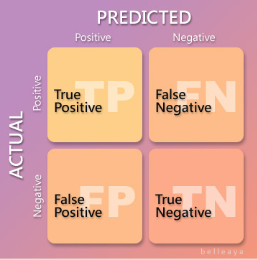
 |  |  |  | RF |  |  |  |  |  |  | RF |  |  |  |  |  |  | RF
 |  |  |  |  | Fall | NonFall |  |  |  |  |  | Fall | NonFall |  |  |  |  |  | Fall | NonFall
 |  |  |  | Fall | 348 | 7 |  |  |  |  | Fall | 689 | 14 |  |  |  |  | Fall | 901 | 10
 |  |  |  | NonFall | 7 | 411 |  |  |  |  | NonFall | 9 | 835 |  |  |  |  | NonFall | 21 | 815
 |  |  |  |  | Accuracy | 0.98188874515 |  |  |  |  |  | Accuracy | 0.98513251454 |  |  |  |  |  | Accuracy | 0.98225529479

 |  |  |  | MLP |  |  |  |  |  |  | MLP |  |  |  |  |  |  | MLP
 | Fall | Non_fall |  |  | Fall | NonFall |  |  |  |  |  | Fall | NonFall |  |  |  |  |  | Fall | NonFall
 | 4525 | 4207 |  | Fall | 348 | 7 |  |  |  |  | Fall | 693 | 10 |  |  |  |  | Fall | 901 | 10
 |  |  |  | NonFall | 10 | 408 |  |  |  |  | NonFall | 35 | 809 |  |  |  |  | NonFall | 27 | 809
 |  |  |  |  | Accuracy | 0.97800776197 |  |  |  |  |  | Accuracy | 0.9709114415 |  |  |  |  |  | Accuracy | 0.97882083572

 |  |  |  |  | Fall | NonFall
 |  |  |  | Fall | TP | FN
 |  |  |  | NonFall | FP | TN

