Schwefel
100 execuções rastringin
NFOB | GEOreal | AGEO1real | AGEO2real
500 | 3101.4552581 | 3063.3128926 | 3077.7793946
1000 | 3101.4552581 | 3048.1293789 | 3061.5064505
Schwefel
1500 | 3101.4552581 | 3041.254233 | 3061.5064505
2000 | 3101.4552581 | 3039.8973516 | 3061.5064505
2500 | 3101.4552581 | 3034.3064836 | 3061.5064505
3000 | 3101.4552581 | 3023.4357116 | 3061.5064505
3500 | 3101.4552581 | 3023.4357116 | 3061.5064505
4000 | 3101.4552581 | 3021.7707843 | 3061.5064505
4500 | 3101.4552581 | 3001.2375165 | 3061.5064505
5000 | 3101.4552581 | 2995.4901585 | 3061.5064505
5500 | 3101.4552581 | 2995.4901585 | 3061.5064505
6000 | 3101.4552581 | 2995.4901585 | 3061.5064505
6500 | 3101.4552581 | 2993.39546 | 3061.5064505
7000 | 3101.4552581 | 2989.072697 | 3061.5064505
7500 | 3101.4552581 | 2988.4938718 | 3061.5064505
8000 | 3101.4552581 | 2977.5034478 | 3061.5064505
8500 | 3101.4552581 | 2976.3058422 | 3061.5064505
9000 | 3101.4552581 | 2969.9098044 | 3061.5064505
9500 | 3101.4552581 | 2967.5068887 | 3061.5064505
10000 | 3101.4552581 | 2954.1583621 | 3061.5064505
10500 | 3101.4552581 | 2951.1542576 | 3061.5064505
11000 | 3101.4552581 | 2947.1454764 | 3061.5064505
11500 | 3101.4552581 | 2947.1454764 | 3061.5064505
12000 | 3101.4552581 | 2941.989204 | 3061.5064505
12500 | 3101.4552581 | 2941.989204 | 3061.5064505
13000 | 3101.4552581 | 2940.0030364 | 3061.5064505
13500 | 3101.4552581 | 2938.0632286 | 3061.5064505
14000 | 3101.4552581 | 2932.1805984 | 3061.5064505
14500 | 3101.4552581 | 2932.1805984 | 3061.5064505
15000 | 3101.4552581 | 2932.1805984 | 3061.5064505
15500 | 3101.4552581 | 2930.2414792 | 3061.5064505
16000 | 3101.4552581 | 2919.5245894 | 3061.5064505
16500 | 3101.4552581 | 2916.6607225 | 3061.5064505
17000 | 3101.4552581 | 2907.2133936 | 3061.5064505
17500 | 3101.4552581 | 2905.8136265 | 3061.5064505
18000 | 3101.4552581 | 2905.8136265 | 3061.5064505
18500 | 3101.4552581 | 2900.8856559 | 3061.5064505
19000 | 3101.4552581 | 2900.8856559 | 3061.5064505
19500 | 3101.4552581 | 2899.4850563 | 3061.5064505
20000 | 3101.4552581 | 2899.4850563 | 3061.5064505
20500 | 3101.4552581 | 2899.4850563 | 3061.5064505
21000 | 3101.4552581 | 2899.3344425 | 3061.5064505
21500 | 3101.4552581 | 2895.1659163 | 3061.5064505
22000 | 3101.4552581 | 2892.6106495 | 3061.5064505
22500 | 3101.4552581 | 2892.6106495 | 3061.5064505
23000 | 3101.4552581 | 2892.6106495 | 3061.5064505
23500 | 3101.4552581 | 2892.6106495 | 3061.5064505
24000 | 3101.4552581 | 2886.5723353 | 3061.5064505
24500 | 3101.4552581 | 2886.5723353 | 3061.5064505
25000 | 3101.4552581 | 2885.4864871 | 3061.5064505

Griewangk
Griewangk
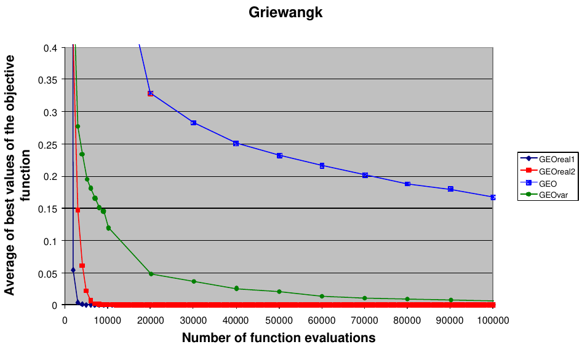
NFOB | GEOreal | AGEO1real | AGEO2real | GEOvar_real | GEOvarvar | GEOvar_realF
250 | 39.232520219 | 32.101388645 | 9.7233930147 | 281.10404455 | 278.17011331 | 162.64505589
500 | 3.1500116359 | 8.8975120462 | 0.91550527949 | 134.6018596 | 213.97732343 | 83.132761619
750 | 0.86611809744 | 1.5003236918 | 0.29123506361 | 93.453800532 | 178.47467454 | 49.333301071
1000 | 0.39880169625 | 0.44243792148 | 0.11225954228 | 44.535968727 | 129.50226283 | 25.036212322
1250 | 0.19089226523 | 0.24967394729 | 0.072264651187 | 28.18332071 | 107.9752888 | 13.174968317
1500 | 0.11425408129 | 0.16672039008 | 0.04643444254 | 14.554890477 | 72.416989684 | 6.2559640844
1750 | 0.073676957924 | 0.094272974103 | 0.033829649909 | 11.142255185 | 59.811593703 | 3.9919126293
2000 | 0.053189137268 | 0.062571428393 | 0.025743600003 | 5.6937458332 | 43.984351612 | 2.5846788619
2250 | 0.035501901584 | 0.04906815539 | 0.019272892029 | 4.1905825179 | 29.939037291 | 1.3075758702
2500 | 0.022273403867 | 0.036427607346 | 0.015592269597 | 3.1587236948 | 25.682341334 | 0.9963134936
2750 | 0.012259035829 | 0.024449730598 | 0.012803300023 | 2.1037495636 | 17.522510125 | 0.82907733222
3000 | 0.0079304857215 | 0.015124508861 | 0.01021253361 | 1.909800389 | 14.709015744 | 0.67004316582
3250 | 0.0061706353683 | 0.011429623423 | 0.0076449928441 | 1.2514682981 | 10.488745837 | 0.54715602215
3500 | 0.0039691844244 | 0.0063068178234 | 0.005645945417 | 1.1319424122 | 9.0256765064 | 0.47228687923
3750 | 0.002477778861 | 0.0049434002497 | 0.005027667668 | 0.92157919908 | 6.2563562658 | 0.36534208919
4000 | 0.002053371927 | 0.0035427446054 | 0.0041769851632 | 0.51241980219 | 5.0031247252 | 0.3047307305
4250 | 0.0018100908941 | 0.0028501567959 | 0.0034357306404 | 0.37448546243 | 3.6626366848 | 0.23551058682
4500 | 0.0010558144261 | 0.00088199148922 | 0.0030927669447 | 0.29424120783 | 2.9362480497 | 0.19017537638
4750 | 0.00044609192341 | 0.00043404802783 | 0.0026420757933 | 0.2804374221 | 2.6225745588 | 0.15864359688
5000 | 0.00043931181916 | 0.00033847530669 | 0.002641067045 | 0.23711972716 | 2.1279435387 | 0.1266257118
5250 | 0.00043903849449 | 0.00014703278257 | 0.0020846123456 | 0.20150199455 | 1.8710393744 | 0.12031000644
5500 | 0.00031327970622 | 0.00012707531052 | 0.0017109111035 | 0.14908295455 | 1.593312438 | 0.1079187349
5750 | 0.00031162637062 | 0.00012707517126 | 0.0016463162141 | 0.14216742556 | 1.4820930861 | 0.10063377452
6000 | 9.39E-07 | 0.00012707517126 | 0.0012642970697 | 0.12978633581 | 1.277274001 | 0.09677009118
6250 | 1.79E-09 | 0.00012707517126 | 0.0012421824747 | 0.12001423199 | 1.1670411632 | 0.083868744648
6500 | 4.51E-12 | 0.00012707517126 | 0.00096961226252 | 0.11566269657 | 1.0912523862 | 0.078169236093
6750 | 3.45E-14 | 0.00012707517126 | 0.00096478240128 | 0.11070146336 | 1.0017490449 | 0.074535626262
7000 | 1.15E-14 | 0.00012707517126 | 0.00076121364804 | 0.10949058311 | 0.97915577443 | 0.061395041754
7250 | 5.31E-16 | 2.24E-05 | 0.00062917305804 | 0.085987506898 | 0.89507594436 | 0.055012894476
7500 | 4.00E-17 | 2.38E-06 | 0.0004132781832 | 0.083496767618 | 0.84476045626 | 0.052762407962
7750 | 0 | 3.14E-11 | 0.00035092617838 | 0.07857249525 | 0.78565651423 | 0.05037113571
8000 | 0 | 1.11E-18 | 0.00035092617838 | 0.075569131214 | 0.72330637283 | 0.048573509492
8250 | 0 | 0 | 0.00019858132793 | 0.071282742542 | 0.64352390733 | 0.047141999558
8500 | 0 | 0 | 1.78E-07 | 0.066095787401 | 0.5640087348 | 0.047026864542
8750 | 0 | 0 | 1.11E-09 | 0.06574409376 | 0.53170546968 | 0.042926158978
9000 | 0 | 0 | 3.94E-16 | 0.061597272369 | 0.43910770756 | 0.042713124937
9250 | 0 | 0 | 0 | 0.06157985369 | 0.41320081827 | 0.038145168004
9500 | 0 | 0 | 0 | 0.058263590292 | 0.36827743894 | 0.036451754988
9750 | 0 | 0 | 0 | 0.058224146462 | 0.33477910155 | 0.035233655967
10000 | 0 | 0 | 0 | 0.058196967503 | 0.28339175585 | 0.034146803844
10250 | 0 | 0 | 0 | 0.057855464634 | 0.24826682527 | 0.03282968153
10500 | 0 | 0 | 0 | 0.057855059637 | 0.23407583706 | 0.031391334876
10750 | 0 | 0 | 0 | 0.051479055722 | 0.19439731461 | 0.031324116627
11000 | 0 | 0 | 0 | 0.049100891906 | 0.18743403459 | 0.031312333586
11250 | 0 | 0 | 0 | 0.049004676538 | 0.15587785226 | 0.031136994212
11500 | 0 | 0 | 0 | 0.048930100011 | 0.1440703983 | 0.030956109847
11750 | 0 | 0 | 0 | 0.04844528632 | 0.11518037258 | 0.030842645749
12000 | 0 | 0 | 0 | 0.048253570759 | 0.10863543804 | 0.03082781569
12250 | 0 | 0 | 0 | 0.04718349766 | 0.098866444102 | 0.029890934757
12500 | 0 | 0 | 0 | 0.04717921957 | 0.090988380845 | 0.029785960404
12750 | 0 | 0 | 0 | 0.044274279748 | 0.088857045311 | 0.028596679522
13000 | 0 | 0 | 0 | 0.044028535524 | 0.078159759839 | 0.028590706491
13250 | 0 | 0 | 0 | 0.043904786505 | 0.077083528122 | 0.028589694622
13500 | 0 | 0 | 0 | 0.042529273555 | 0.075398459625 | 0.027925219313
13750 | 0 | 0 | 0 | 0.042308717292 | 0.072698779516 | 0.02771369375
14000 | 0 | 0 | 0 | 0.041476804209 | 0.069391846007 | 0.027537913309
14250 | 0 | 0 | 0 | 0.040734820542 | 0.068609829663 | 0.027012310292
14500 | 0 | 0 | 0 | 0.040734020429 | 0.068100228409 | 0.027012309075
14750 | 0 | 0 | 0 | 0.040731999324 | 0.067170789903 | 0.02692569933
15000 | 0 | 0 | 0 | 0.039135020723 | 0.06658778742 | 0.026925661817
15250 | 0 | 0 | 0 | 0.034267482836 | 0.066173625634 | 0.026872557198
15500 | 0 | 0 | 0 | 0.03355709155 | 0.066127187156 | 0.026872483072
15750 | 0 | 0 | 0 | 0.031140378011 | 0.064929246429 | 0.02633464211
16000 | 0 | 0 | 0 | 0.030899424535 | 0.064512736102 | 0.025927078709
16250 | 0 | 0 | 0 | 0.028769711232 | 0.062971264406 | 0.025726733457
16500 | 0 | 0 | 0 | 0.02791994784 | 0.060150338308 | 0.025168262578
16750 | 0 | 0 | 0 | 0.026668339009 | 0.060067517553 | 0.024386834271
17000 | 0 | 0 | 0 | 0.026284443489 | 0.058956106378 | 0.023665258274
17250 | 0 | 0 | 0 | 0.02615929724 | 0.057488672282 | 0.023496553845
17500 | 0 | 0 | 0 | 0.02600963525 | 0.055922498477 | 0.023480325907
17750 | 0 | 0 | 0 | 0.025523285201 | 0.055088145305 | 0.022590916702
18000 | 0 | 0 | 0 | 0.023944312821 | 0.054719544172 | 0.022200967491
18250 | 0 | 0 | 0 | 0.023848956337 | 0.054312763076 | 0.022139989752
18500 | 0 | 0 | 0 | 0.023686733763 | 0.054290178597 | 0.022139690859
18750 | 0 | 0 | 0 | 0.023592772558 | 0.054278858502 | 0.022073065234
19000 | 0 | 0 | 0 | 0.023271010087 | 0.053640286906 | 0.021933053664
19250 | 0 | 0 | 0 | 0.021467861516 | 0.052411415145 | 0.021931535072
19500 | 0 | 0 | 0 | 0.021461412934 | 0.052387894034 | 0.021567210451
19750 | 0 | 0 | 0 | 0.021250876768 | 0.051987126258 | 0.021120932179
20000 | 0 | 0 | 0 | 0.021249559598 | 0.051837381732 | 0.020287936912
20250 | 0 | 0 | 0 | 0.021122083493 | 0.051832929437 | 0.020071748775
20500 | 0 | 0 | 0 | 0.020803272972 | 0.050616914591 | 0.019562175881
20750 | 0 | 0 | 0 | 0.020244328852 | 0.050616693724 | 0.019557672018
21000 | 0 | 0 | 0 | 0.019799903484 | 0.049153880275 | 0.019284498329
21250 | 0 | 0 | 0 | 0.019787843567 | 0.049153778525 | 0.018340549718
21500 | 0 | 0 | 0 | 0.019661849294 | 0.049132401236 | 0.018148105055
21750 | 0 | 0 | 0 | 0.019659899105 | 0.048612818156 | 0.018105650474
22000 | 0 | 0 | 0 | 0.01959651638 | 0.048437403594 | 0.018105635802
22250 | 0 | 0 | 0 | 0.018605374193 | 0.048405601226 | 0.018016254927
22500 | 0 | 0 | 0 | 0.018605355601 | 0.048404382867 | 0.018004805576
22750 | 0 | 0 | 0 | 0.018453662462 | 0.048404140711 | 0.017040523698
23000 | 0 | 0 | 0 | 0.018408614979 | 0.047419307764 | 0.017035761103
23250 | 0 | 0 | 0 | 0.018037409702 | 0.047418590631 | 0.017018239551
23500 | 0 | 0 | 0 | 0.018030711993 | 0.04741854514 | 0.016645419046
23750 | 0 | 0 | 0 | 0.017412427342 | 0.04663060418 | 0.016642900212
24000 | 0 | 0 | 0 | 0.017409427367 | 0.04663059835 | 0.01662414226
24250 | 0 | 0 | 0 | 0.016962609955 | 0.046630503653 | 0.016623917277
24500 | 0 | 0 | 0 | 0.016924886979 | 0.046433518074 | 0.016592228642
24750 | 0 | 0 | 0 | 0.016787025629 | 0.046433495679 | 0.016592227526
25000 | 0 | 0 | 0 | 0.016786192352 | 0.046433377313 | 0.016090812944

Rastringin
Rastringin
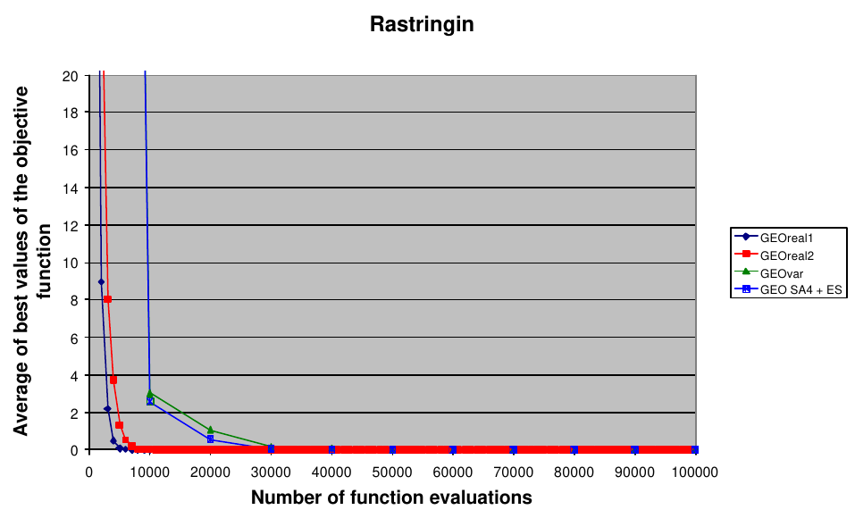
NFOB | GEOreal | AGEO1real | AGEO2real | GEOvarvar | GEOvar_real | GEOvar_real_F
250 | 119.72479487 | 97.7409278 | 100.14672541 | 231.74943886 | 226.76140139 | 150.73295335
500 | 59.347298281 | 59.363670054 | 52.725879517 | 211.01934518 | 154.83060828 | 97.304280922
750 | 29.717569161 | 35.622932011 | 24.069574002 | 202.66843766 | 118.77513246 | 77.1782659
1000 | 16.976895462 | 25.181940897 | 12.852536811 | 178.4998244 | 79.174910586 | 51.887842853
1250 | 9.3901534107 | 17.257903915 | 6.5170753577 | 157.65899678 | 69.476808062 | 38.651643041
1500 | 5.5737404173 | 13.307679262 | 3.54114926 | 134.72684105 | 49.54435392 | 31.317180872
1750 | 3.2640059681 | 10.682698195 | 1.8555081809 | 122.85940505 | 46.001282313 | 25.705721564
2000 | 2.0255690306 | 8.8449599383 | 0.90988531047 | 101.33372118 | 31.478432283 | 20.646453806
2250 | 1.1067275152 | 6.790330267 | 0.47990607595 | 88.245241254 | 19.242888398 | 15.452698796
2500 | 0.7385284569 | 5.2148681297 | 0.23990878861 | 80.860425058 | 17.82800068 | 12.316909859
2750 | 0.39078013463 | 4.4553208725 | 0.17036871429 | 70.937149881 | 13.294506928 | 9.3196025869
3000 | 0.27897861561 | 2.9033419549 | 0.10957210264 | 66.082670473 | 9.9411710805 | 7.4855076773
3250 | 0.18507161158 | 1.4239206849 | 0.076863164387 | 57.075111271 | 7.4005096454 | 6.1251217918
3500 | 0.12498322026 | 0.82414007826 | 0.045121234696 | 54.697182084 | 6.8653817447 | 5.1491979563
3750 | 0.023891224051 | 0.57164075557 | 0.00090602964823 | 46.554147874 | 5.8020163602 | 4.2138175574
4000 | 0.012603347025 | 0.19606990587 | 1.43E-06 | 41.673839991 | 5.39817655 | 3.6829454742
4250 | 0.010047414998 | 0.066842056577 | 2.66E-07 | 37.456187618 | 4.5604375625 | 3.3023122992
4500 | 0.010044240603 | 0.050485661762 | 5.99E-08 | 31.772248395 | 3.6303450325 | 2.9098377847
4750 | 0.010043840527 | 0.032273374787 | 1.50E-08 | 30.273666898 | 3.0756926255 | 2.4561363617
5000 | 6.92E-08 | 0.021575783785 | 4.16E-09 | 25.854272876 | 2.6285579459 | 2.0941642941
5250 | 7.22E-09 | 0.020914142874 | 1.24E-09 | 24.752840941 | 2.5014891517 | 1.8918866908
5500 | 1.54E-09 | 0.020898106532 | 2.76E-10 | 21.837132047 | 1.8568758823 | 1.608712045
5750 | 3.33E-10 | 0.010167069284 | 6.32E-11 | 20.225528984 | 1.7397118111 | 1.4409400004
6000 | 8.81E-11 | 0.010147822957 | 1.77E-11 | 17.793419512 | 1.5263981051 | 1.330694048
6250 | 2.47E-11 | 0.010145702761 | 4.93E-12 | 14.665201379 | 1.200527565 | 1.1407304562
6500 | 5.68E-12 | 0.0099474512141 | 1.05E-12 | 14.295357777 | 1.1358938642 | 0.99990858347
6750 | 1.21E-12 | 1.21E-05 | 3.42E-13 | 12.586805899 | 0.97992875053 | 0.86773192331
7000 | 3.25E-13 | 8.93E-07 | 1.09E-13 | 11.975110794 | 0.83173750117 | 0.6659956065
7250 | 7.22E-14 | 2.71E-08 | 3.82E-14 | 10.415586174 | 0.68620403552 | 0.61233717824
7500 | 2.52E-14 | 3.05E-09 | 1.76E-14 | 9.8014108316 | 0.63332299027 | 0.570536408
7750 | 1.19E-14 | 1.51E-09 | 1.21E-14 | 8.6916802206 | 0.59774404968 | 0.42555569255
8000 | 8.17E-15 | 1.14E-09 | 8.17E-15 | 8.2547293651 | 0.57896361314 | 0.35305747169
8250 | 6.75E-15 | 8.82E-11 | 6.82E-15 | 7.3070524599 | 0.52671014272 | 0.30567769399
8500 | 5.33E-15 | 4.06E-11 | 6.11E-15 | 6.6228813928 | 0.51010520195 | 0.24803510163
8750 | 4.41E-15 | 1.65E-11 | 5.04E-15 | 6.1910638319 | 0.4729968138 | 0.1903578007
9000 | 3.77E-15 | 3.11E-12 | 4.33E-15 | 5.4165543325 | 0.41988936386 | 0.1784645361
9250 | 3.27E-15 | 1.43E-12 | 3.41E-15 | 4.9866784792 | 0.38222130927 | 0.15801755077
9500 | 2.77E-15 | 6.20E-13 | 2.98E-15 | 4.2577867395 | 0.37381709948 | 0.13106374399
9750 | 2.56E-15 | 6.11E-13 | 2.49E-15 | 4.0982967525 | 0.37349490674 | 0.10160140292
10000 | 2.20E-15 | 5.19E-13 | 2.20E-15 | 3.6913861332 | 0.31083786541 | 0.088914817197
10250 | 1.92E-15 | 3.92E-13 | 2.06E-15 | 3.116860442 | 0.27407124794 | 0.080381538539
10500 | 1.78E-15 | 9.53E-14 | 1.85E-15 | 2.861356676 | 0.24022851394 | 0.063114740449
10750 | 1.49E-15 | 1.85E-14 | 1.35E-15 | 2.4708166267 | 0.21361084894 | 0.063113440892
11000 | 1.49E-15 | 4.69E-15 | 1.14E-15 | 2.370163805 | 0.20819714576 | 0.062405711573
11250 | 1.21E-15 | 3.84E-15 | 1.14E-15 | 1.9608352781 | 0.18270524589 | 0.059263471274
11500 | 1.07E-15 | 2.13E-15 | 9.24E-16 | 1.7785649097 | 0.18005907089 | 0.059243253686
11750 | 9.95E-16 | 1.71E-15 | 8.53E-16 | 1.4795916427 | 0.14546452406 | 0.043018334366
12000 | 9.95E-16 | 1.49E-15 | 7.82E-16 | 1.3749175244 | 0.12581865755 | 0.042105019188
12250 | 7.82E-16 | 1.49E-15 | 7.11E-16 | 1.2122274338 | 0.11835486653 | 0.039406101495
12500 | 5.68E-16 | 1.14E-15 | 7.11E-16 | 0.94899445281 | 0.042986078576 | 0.039382771434
12750 | 3.55E-16 | 9.95E-16 | 6.39E-16 | 0.86778737749 | 0.042267873477 | 0.039381516757
13000 | 2.84E-16 | 4.26E-16 | 4.97E-16 | 0.71272169107 | 0.03978248139 | 0.037497799888
13250 | 2.84E-16 | 3.55E-16 | 4.97E-16 | 0.65816101452 | 0.036100767812 | 0.037497793221
13500 | 2.13E-16 | 3.55E-16 | 3.55E-16 | 0.51100419404 | 0.036097836747 | 0.029220648237
13750 | 2.13E-16 | 3.55E-16 | 1.42E-16 | 0.46376699814 | 0.031536134573 | 0.01904338715
14000 | 2.13E-16 | 2.13E-16 | 1.42E-16 | 0.36517404335 | 0.020054613162 | 0.010562981472
14250 | 1.42E-16 | 2.13E-16 | 1.42E-16 | 0.34201898396 | 0.020053478299 | 0.0030803696499
14500 | 7.11E-17 | 2.13E-16 | 0 | 0.33082424554 | 0.020053434694 | 0.0024355986898
14750 | 7.11E-17 | 2.13E-16 | 0 | 0.28543094886 | 0.019677231975 | 0.00070973778791
15000 | 7.11E-17 | 2.13E-16 | 0 | 0.26004701095 | 0.019669975328 | 0.00058761339596
15250 | 7.11E-17 | 1.42E-16 | 0 | 0.25090388647 | 0.019667743508 | 5.18E-05
15500 | 0 | 1.42E-16 | 0 | 0.19315481298 | 0.01966758996 | 5.18E-05
15750 | 0 | 1.42E-16 | 0 | 0.15878996253 | 0.019667586182 | 3.99E-06
16000 | 0 | 1.42E-16 | 0 | 0.15599051818 | 0.019667586182 | 3.97E-06
16250 | 0 | 1.42E-16 | 0 | 0.13036889141 | 0.019667580205 | 5.46E-08
16500 | 0 | 1.42E-16 | 0 | 0.12733558857 | 0.019667580092 | 5.46E-08
16750 | 0 | 1.42E-16 | 0 | 0.12675268332 | 0.01966757958 | 2.90E-10
17000 | 0 | 0 | 0 | 0.12465468513 | 0.019667579574 | 9.78E-11
17250 | 0 | 0 | 0 | 0.12388410715 | 0.01966757955 | 4.28E-13
17500 | 0 | 0 | 0 | 0.1222200825 | 0.010329593146 | 1.12E-14
17750 | 0 | 0 | 0 | 0.12194265498 | 0.010329593145 | 6.39E-15
18000 | 0 | 0 | 0 | 0.12129966868 | 0.010329593127 | 5.83E-15
18250 | 0 | 0 | 0 | 0.1203890028 | 0.010329593115 | 5.54E-15
18500 | 0 | 0 | 0 | 0.12004710335 | 0.010329593096 | 5.26E-15
18750 | 0 | 0 | 0 | 0.089325588717 | 0.010329593096 | 4.83E-15
19000 | 0 | 0 | 0 | 0.067434704203 | 0.010329593096 | 4.69E-15
19250 | 0 | 0 | 0 | 0.065180938245 | 0.010329593096 | 3.84E-15
19500 | 0 | 0 | 0 | 0.046430813192 | 0.010329593096 | 3.41E-15
19750 | 0 | 0 | 0 | 0.040509685844 | 0.010329593096 | 3.41E-15
20000 | 0 | 0 | 0 | 0.040122631302 | 0.010329593096 | 3.41E-15
20250 | 0 | 0 | 0 | 0.021717987689 | 0.010329593096 | 3.41E-15
20500 | 0 | 0 | 0 | 0.010062390077 | 0.010329593096 | 3.13E-15
20750 | 0 | 0 | 0 | 0.0015656021869 | 0.010329593096 | 2.98E-15
21000 | 0 | 0 | 0 | 0.0014845846176 | 0.010329593096 | 2.98E-15
21250 | 0 | 0 | 0 | 0.0005537213581 | 0.010329593096 | 2.98E-15
21500 | 0 | 0 | 0 | 0.00022686920669 | 0.0040833389484 | 2.84E-15
21750 | 0 | 0 | 0 | 0.00021216856128 | 0.0038796209726 | 2.56E-15
22000 | 0 | 0 | 0 | 0.00014978647209 | 0.000662142291 | 2.42E-15
22250 | 0 | 0 | 0 | 0.00011417217281 | 0.00025851178478 | 1.85E-15
22500 | 0 | 0 | 0 | 9.41E-05 | 3.90E-05 | 1.85E-15
22750 | 0 | 0 | 0 | 6.71E-05 | 1.89E-05 | 1.56E-15
23000 | 0 | 0 | 0 | 5.31E-05 | 3.74E-06 | 1.42E-15
23250 | 0 | 0 | 0 | 4.01E-05 | 2.58E-06 | 1.42E-15
23500 | 0 | 0 | 0 | 3.60E-05 | 3.27E-07 | 1.42E-15
23750 | 0 | 0 | 0 | 2.82E-05 | 2.33E-08 | 1.42E-15
24000 | 0 | 0 | 0 | 2.35E-05 | 2.33E-08 | 1.42E-15
24250 | 0 | 0 | 0 | 1.86E-05 | 6.28E-09 | 1.14E-15
24500 | 0 | 0 | 0 | 1.36E-05 | 4.04E-10 | 1.14E-15
24750 | 0 | 0 | 0 | 1.24E-05 | 3.38E-10 | 1.14E-15
25000 | 0 | 0 | 0 | 1.05E-05 | 1.53E-14 | 1.14E-15

