Schwefel
100 execuções rastringin
NFOB | GEOreal | AGEO1real | AGEO2real
500 | 3101.4552581 | 3063.3128926 | 3077.7793946
1000 | 3101.4552581 | 3048.1293789 | 3061.5064505
Schwefel
1500 | 3101.4552581 | 3041.254233 | 3061.5064505
2000 | 3101.4552581 | 3039.8973516 | 3061.5064505
2500 | 3101.4552581 | 3034.3064836 | 3061.5064505
3000 | 3101.4552581 | 3023.4357116 | 3061.5064505
3500 | 3101.4552581 | 3023.4357116 | 3061.5064505
4000 | 3101.4552581 | 3021.7707843 | 3061.5064505
4500 | 3101.4552581 | 3001.2375165 | 3061.5064505
5000 | 3101.4552581 | 2995.4901585 | 3061.5064505
5500 | 3101.4552581 | 2995.4901585 | 3061.5064505
6000 | 3101.4552581 | 2995.4901585 | 3061.5064505
6500 | 3101.4552581 | 2993.39546 | 3061.5064505
7000 | 3101.4552581 | 2989.072697 | 3061.5064505
7500 | 3101.4552581 | 2988.4938718 | 3061.5064505
8000 | 3101.4552581 | 2977.5034478 | 3061.5064505
8500 | 3101.4552581 | 2976.3058422 | 3061.5064505
9000 | 3101.4552581 | 2969.9098044 | 3061.5064505
9500 | 3101.4552581 | 2967.5068887 | 3061.5064505
10000 | 3101.4552581 | 2954.1583621 | 3061.5064505
10500 | 3101.4552581 | 2951.1542576 | 3061.5064505
11000 | 3101.4552581 | 2947.1454764 | 3061.5064505
11500 | 3101.4552581 | 2947.1454764 | 3061.5064505
12000 | 3101.4552581 | 2941.989204 | 3061.5064505
12500 | 3101.4552581 | 2941.989204 | 3061.5064505
13000 | 3101.4552581 | 2940.0030364 | 3061.5064505
13500 | 3101.4552581 | 2938.0632286 | 3061.5064505
14000 | 3101.4552581 | 2932.1805984 | 3061.5064505
14500 | 3101.4552581 | 2932.1805984 | 3061.5064505
15000 | 3101.4552581 | 2932.1805984 | 3061.5064505
15500 | 3101.4552581 | 2930.2414792 | 3061.5064505
16000 | 3101.4552581 | 2919.5245894 | 3061.5064505
16500 | 3101.4552581 | 2916.6607225 | 3061.5064505
17000 | 3101.4552581 | 2907.2133936 | 3061.5064505
17500 | 3101.4552581 | 2905.8136265 | 3061.5064505
18000 | 3101.4552581 | 2905.8136265 | 3061.5064505
18500 | 3101.4552581 | 2900.8856559 | 3061.5064505
19000 | 3101.4552581 | 2900.8856559 | 3061.5064505
19500 | 3101.4552581 | 2899.4850563 | 3061.5064505
20000 | 3101.4552581 | 2899.4850563 | 3061.5064505
20500 | 3101.4552581 | 2899.4850563 | 3061.5064505
21000 | 3101.4552581 | 2899.3344425 | 3061.5064505
21500 | 3101.4552581 | 2895.1659163 | 3061.5064505
22000 | 3101.4552581 | 2892.6106495 | 3061.5064505
22500 | 3101.4552581 | 2892.6106495 | 3061.5064505
23000 | 3101.4552581 | 2892.6106495 | 3061.5064505
23500 | 3101.4552581 | 2892.6106495 | 3061.5064505
24000 | 3101.4552581 | 2886.5723353 | 3061.5064505
24500 | 3101.4552581 | 2886.5723353 | 3061.5064505
25000 | 3101.4552581 | 2885.4864871 | 3061.5064505

Griewangk
Griewangk 250
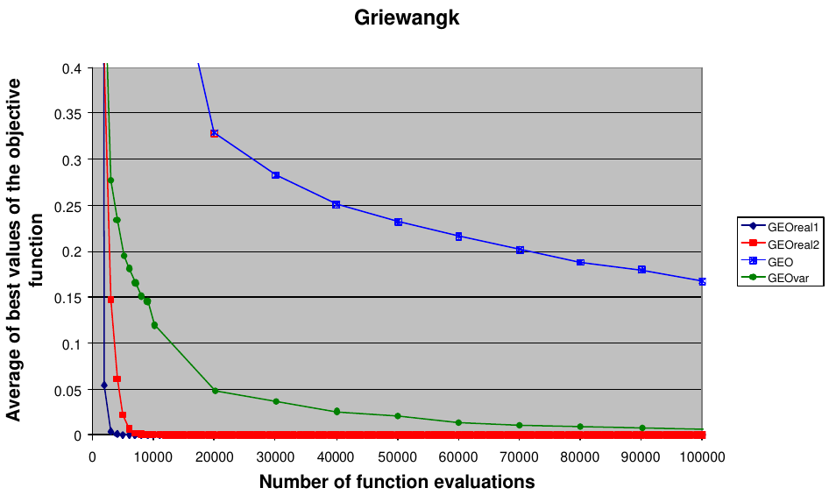
NFOB | GEOreal | AGEO1real | AGEO2real
250 | 39.232520219 | 32.101388645 | 9.7233930147
500 | 3.1500116359 | 8.8975120462 | 0.91550527949
750 | 0.86611809744 | 1.5003236918 | 0.29123506361
1000 | 0.39880169625 | 0.44243792148 | 0.11225954228
1250 | 0.19089226523 | 0.24967394729 | 0.072264651187
1500 | 0.11425408129 | 0.16672039008 | 0.04643444254
1750 | 0.073676957924 | 0.094272974103 | 0.033829649909
2000 | 0.053189137268 | 0.062571428393 | 0.025743600003
2250 | 0.035501901584 | 0.04906815539 | 0.019272892029
2500 | 0.022273403867 | 0.036427607346 | 0.015592269597
2750 | 0.012259035829 | 0.024449730598 | 0.012803300023
3000 | 0.0079304857215 | 0.015124508861 | 0.01021253361
3250 | 0.0061706353683 | 0.011429623423 | 0.0076449928441
3500 | 0.0039691844244 | 0.0063068178234 | 0.005645945417
3750 | 0.002477778861 | 0.0049434002497 | 0.005027667668
4000 | 0.002053371927 | 0.0035427446054 | 0.0041769851632
4250 | 0.0018100908941 | 0.0028501567959 | 0.0034357306404
4500 | 0.0010558144261 | 0.00088199148922 | 0.0030927669447
4750 | 0.00044609192341 | 0.00043404802783 | 0.0026420757933
5000 | 0.00043931181916 | 0.00033847530669 | 0.002641067045
5250 | 0.00043903849449 | 0.00014703278257 | 0.0020846123456
5500 | 0.00031327970622 | 0.00012707531052 | 0.0017109111035
5750 | 0.00031162637062 | 0.00012707517126 | 0.0016463162141
6000 | 9.39E-07 | 0.00012707517126 | 0.0012642970697
6250 | 1.79E-09 | 0.00012707517126 | 0.0012421824747
6500 | 4.51E-12 | 0.00012707517126 | 0.00096961226252
6750 | 3.45E-14 | 0.00012707517126 | 0.00096478240128
7000 | 1.15E-14 | 0.00012707517126 | 0.00076121364804
7250 | 5.31E-16 | 2.24E-05 | 0.00062917305804
7500 | 4.00E-17 | 2.38E-06 | 0.0004132781832
7750 | 0 | 3.14E-11 | 0.00035092617838
8000 | 0 | 1.11E-18 | 0.00035092617838
8250 | 0 | 0 | 0.00019858132793
8500 | 0 | 0 | 1.78E-07
8750 | 0 | 0 | 1.11E-09
9000 | 0 | 0 | 3.94E-16
9250 | 0 | 0 | 0
9500 | 0 | 0 | 0
9750 | 0 | 0 | 0
10000 | 0 | 0 | 0
10250 | 0 | 0 | 0
10500 | 0 | 0 | 0
10750 | 0 | 0 | 0
11000 | 0 | 0 | 0
11250 | 0 | 0 | 0
11500 | 0 | 0 | 0
11750 | 0 | 0 | 0
12000 | 0 | 0 | 0
12250 | 0 | 0 | 0
12500 | 0 | 0 | 0
12750 | 0 | 0 | 0
13000 | 0 | 0 | 0
13250 | 0 | 0 | 0
13500 | 0 | 0 | 0
13750 | 0 | 0 | 0
14000 | 0 | 0 | 0
14250 | 0 | 0 | 0
14500 | 0 | 0 | 0
14750 | 0 | 0 | 0
15000 | 0 | 0 | 0
15250 | 0 | 0 | 0
15500 | 0 | 0 | 0
15750 | 0 | 0 | 0
16000 | 0 | 0 | 0
16250 | 0 | 0 | 0
16500 | 0 | 0 | 0
16750 | 0 | 0 | 0
17000 | 0 | 0 | 0
17250 | 0 | 0 | 0
17500 | 0 | 0 | 0
17750 | 0 | 0 | 0
18000 | 0 | 0 | 0
18250 | 0 | 0 | 0
18500 | 0 | 0 | 0
18750 | 0 | 0 | 0
19000 | 0 | 0 | 0
19250 | 0 | 0 | 0
19500 | 0 | 0 | 0
19750 | 0 | 0 | 0
20000 | 0 | 0 | 0
20250 | 0 | 0 | 0
20500 | 0 | 0 | 0
20750 | 0 | 0 | 0
21000 | 0 | 0 | 0
21250 | 0 | 0 | 0
21500 | 0 | 0 | 0
21750 | 0 | 0 | 0
22000 | 0 | 0 | 0
22250 | 0 | 0 | 0
22500 | 0 | 0 | 0
22750 | 0 | 0 | 0
23000 | 0 | 0 | 0
23250 | 0 | 0 | 0
23500 | 0 | 0 | 0
23750 | 0 | 0 | 0
24000 | 0 | 0 | 0
24250 | 0 | 0 | 0
24500 | 0 | 0 | 0
24750 | 0 | 0 | 0
25000 | 0 | 0 | 0

Rastringin
Rastringin
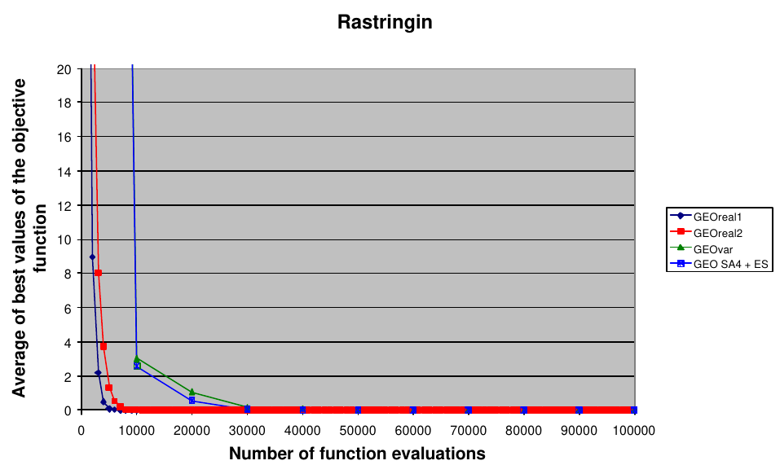
NFOB | GEOreal | AGEO1real | AGEO2real
250 | 119.72479487 | 97.7409278 | 100.14672541
500 | 59.347298281 | 59.363670054 | 52.725879517
750 | 29.717569161 | 35.622932011 | 24.069574002
1000 | 16.976895462 | 25.181940897 | 12.852536811
1250 | 9.3901534107 | 17.257903915 | 6.5170753577
1500 | 5.5737404173 | 13.307679262 | 3.54114926
1750 | 3.2640059681 | 10.682698195 | 1.8555081809
2000 | 2.0255690306 | 8.8449599383 | 0.90988531047
2250 | 1.1067275152 | 6.790330267 | 0.47990607595
2500 | 0.7385284569 | 5.2148681297 | 0.23990878861
2750 | 0.39078013463 | 4.4553208725 | 0.17036871429
3000 | 0.27897861561 | 2.9033419549 | 0.10957210264
3250 | 0.18507161158 | 1.4239206849 | 0.076863164387
3500 | 0.12498322026 | 0.82414007826 | 0.045121234696
3750 | 0.023891224051 | 0.57164075557 | 0.00090602964823
4000 | 0.012603347025 | 0.19606990587 | 1.43E-06
4250 | 0.010047414998 | 0.066842056577 | 2.66E-07
4500 | 0.010044240603 | 0.050485661762 | 5.99E-08
4750 | 0.010043840527 | 0.032273374787 | 1.50E-08
5000 | 6.92E-08 | 0.021575783785 | 4.16E-09
5250 | 7.22E-09 | 0.020914142874 | 1.24E-09
5500 | 1.54E-09 | 0.020898106532 | 2.76E-10
5750 | 3.33E-10 | 0.010167069284 | 6.32E-11
6000 | 8.81E-11 | 0.010147822957 | 1.77E-11
6250 | 2.47E-11 | 0.010145702761 | 4.93E-12
6500 | 5.68E-12 | 0.0099474512141 | 1.05E-12
6750 | 1.21E-12 | 1.21E-05 | 3.42E-13
7000 | 3.25E-13 | 8.93E-07 | 1.09E-13
7250 | 7.22E-14 | 2.71E-08 | 3.82E-14
7500 | 2.52E-14 | 3.05E-09 | 1.76E-14
7750 | 1.19E-14 | 1.51E-09 | 1.21E-14
8000 | 8.17E-15 | 1.14E-09 | 8.17E-15
8250 | 6.75E-15 | 8.82E-11 | 6.82E-15
8500 | 5.33E-15 | 4.06E-11 | 6.11E-15
8750 | 4.41E-15 | 1.65E-11 | 5.04E-15
9000 | 3.77E-15 | 3.11E-12 | 4.33E-15
9250 | 3.27E-15 | 1.43E-12 | 3.41E-15
9500 | 2.77E-15 | 6.20E-13 | 2.98E-15
9750 | 2.56E-15 | 6.11E-13 | 2.49E-15
10000 | 2.20E-15 | 5.19E-13 | 2.20E-15
10250 | 1.92E-15 | 3.92E-13 | 2.06E-15
10500 | 1.78E-15 | 9.53E-14 | 1.85E-15
10750 | 1.49E-15 | 1.85E-14 | 1.35E-15
11000 | 1.49E-15 | 4.69E-15 | 1.14E-15
11250 | 1.21E-15 | 3.84E-15 | 1.14E-15
11500 | 1.07E-15 | 2.13E-15 | 9.24E-16
11750 | 9.95E-16 | 1.71E-15 | 8.53E-16
12000 | 9.95E-16 | 1.49E-15 | 7.82E-16
12250 | 7.82E-16 | 1.49E-15 | 7.11E-16
12500 | 5.68E-16 | 1.14E-15 | 7.11E-16
12750 | 3.55E-16 | 9.95E-16 | 6.39E-16
13000 | 2.84E-16 | 4.26E-16 | 4.97E-16
13250 | 2.84E-16 | 3.55E-16 | 4.97E-16
13500 | 2.13E-16 | 3.55E-16 | 3.55E-16
13750 | 2.13E-16 | 3.55E-16 | 1.42E-16
14000 | 2.13E-16 | 2.13E-16 | 1.42E-16
14250 | 1.42E-16 | 2.13E-16 | 1.42E-16
14500 | 7.11E-17 | 2.13E-16 | 0
14750 | 7.11E-17 | 2.13E-16 | 0
15000 | 7.11E-17 | 2.13E-16 | 0
15250 | 7.11E-17 | 1.42E-16 | 0
15500 | 0 | 1.42E-16 | 0
15750 | 0 | 1.42E-16 | 0
16000 | 0 | 1.42E-16 | 0
16250 | 0 | 1.42E-16 | 0
16500 | 0 | 1.42E-16 | 0
16750 | 0 | 1.42E-16 | 0
17000 | 0 | 0 | 0
17250 | 0 | 0 | 0
17500 | 0 | 0 | 0
17750 | 0 | 0 | 0
18000 | 0 | 0 | 0
18250 | 0 | 0 | 0
18500 | 0 | 0 | 0
18750 | 0 | 0 | 0
19000 | 0 | 0 | 0
19250 | 0 | 0 | 0
19500 | 0 | 0 | 0
19750 | 0 | 0 | 0
20000 | 0 | 0 | 0
20250 | 0 | 0 | 0
20500 | 0 | 0 | 0
20750 | 0 | 0 | 0
21000 | 0 | 0 | 0
21250 | 0 | 0 | 0
21500 | 0 | 0 | 0
21750 | 0 | 0 | 0
22000 | 0 | 0 | 0
22250 | 0 | 0 | 0
22500 | 0 | 0 | 0
22750 | 0 | 0 | 0
23000 | 0 | 0 | 0
23250 | 0 | 0 | 0
23500 | 0 | 0 | 0
23750 | 0 | 0 | 0
24000 | 0 | 0 | 0
24250 | 0 | 0 | 0
24500 | 0 | 0 | 0
24750 | 0 | 0 | 0
25000 | 0 | 0 | 0

