Rosenbrock F2
F3 - Griewangk

NFOBs | GEO | AGEO1 | AGEO2 | AGEO1var | AGEO2var
0 | 440.66475526 | 500.837958 | 491.23963152 | 365.71464861 | 232.09894615
25000 | 0.00055432065386 | 0.0019412491036 | 0.0095227429441 | 0.0041291967369 | 0.0010807513433
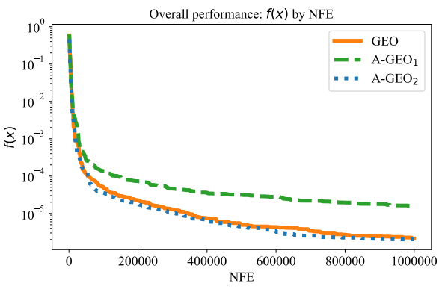
50000 | 0.00017391402371 | 0.00040962633792 | 0.0039305245464 | 0.0021129269071 | 0.00018840900659
75000 | 0.00012247091625 | 0.00030149596814 | 9.74E-05 | 0.0018477989902 | 0.0001105220488
100000 | 7.33E-05 | 0.00019794841157 | 7.70E-05 | 0.0013531710699 | 9.46E-05
125000 | 5.04E-05 | 0.00019544082082 | 5.00E-05 | 0.00066993936277 | 9.15E-05
150000 | 4.28E-05 | 0.00019189485022 | 4.08E-05 | 0.00058040682631 | 7.13E-05
175000 | 3.98E-05 | 0.00015491931645 | 3.41E-05 | 0.00049077508217 | 6.18E-05
200000 | 3.94E-05 | 0.00015491931645 | 2.52E-05 | 0.00049077508217 | 5.79E-05
225000 | 2.85E-05 | 0.00014272251707 | 2.14E-05 | 0.00038379727425 | 5.04E-05
250000 | 2.63E-05 | 0.00012577857546 | 2.14E-05 | 0.00038379727425 | 4.44E-05
275000 | 2.63E-05 | 0.00011171122982 | 2.01E-05 | 0.00035697472088 | 4.42E-05
300000 | 2.39E-05 | 0.00011171122982 | 1.25E-05 | 0.00035697472088 | 4.42E-05
325000 | 2.18E-05 | 9.90E-05 | 1.16E-05 | 0.0002764917667 | 4.33E-05
350000 | 2.18E-05 | 9.64E-05 | 1.16E-05 | 0.0002736080107 | 3.96E-05
375000 | 1.63E-05 | 9.64E-05 | 1.02E-05 | 0.00025226055875 | 3.96E-05
400000 | 1.26E-05 | 9.64E-05 | 1.02E-05 | 0.00024089818829 | 3.86E-05
425000 | 1.26E-05 | 9.25E-05 | 9.33E-06 | 0.00020486594774 | 3.84E-05
450000 | 1.26E-05 | 9.25E-05 | 9.33E-06 | 0.00019553359645 | 3.84E-05
475000 | 1.26E-05 | 7.20E-05 | 7.92E-06 | 0.00018297957234 | 3.84E-05
500000 | 1.26E-05 | 7.18E-05 | 7.92E-06 | 0.00018297957234 | 3.84E-05
525000 | 1.25E-05 | 7.18E-05 | 5.07E-06 | 0.00016033928986 | 3.39E-05
550000 | 1.25E-05 | 7.18E-05 | 3.33E-06 | 0.00016033928986 | 3.34E-05
575000 | 1.18E-05 | 6.60E-05 | 2.26E-06 | 0.00015144918984 | 3.30E-05
600000 | 1.16E-05 | 6.60E-05 | 2.26E-06 | 0.00015144918984 | 3.30E-05
625000 | 1.06E-05 | 6.50E-05 | 2.13E-06 | 0.00013877788403 | 3.30E-05
650000 | 1.04E-05 | 6.50E-05 | 2.13E-06 | 0.00013182907671 | 3.28E-05
675000 | 9.33E-06 | 6.02E-05 | 2.13E-06 | 0.00012384546223 | 3.03E-05
700000 | 8.17E-06 | 5.59E-05 | 1.91E-06 | 0.00012345173291 | 3.03E-05
725000 | 7.82E-06 | 4.99E-05 | 1.91E-06 | 0.00010733408824 | 3.03E-05
750000 | 6.51E-06 | 4.26E-05 | 1.91E-06 | 0.00010733408824 | 2.90E-05
775000 | 6.51E-06 | 4.26E-05 | 1.91E-06 | 0.00010733408824 | 2.85E-05
800000 | 6.49E-06 | 4.26E-05 | 1.91E-06 | 0.00010733408824 | 2.85E-05
825000 | 6.32E-06 | 4.26E-05 | 1.91E-06 | 0.00010733408824 | 2.85E-05
850000 | 6.32E-06 | 4.26E-05 | 1.91E-06 | 0.00010733408824 | 2.85E-05
875000 | 6.32E-06 | 4.26E-05 | 1.91E-06 | 0.00010733408824 | 2.80E-05
900000 | 6.11E-06 | 4.26E-05 | 1.91E-06 | 0.00010733408824 | 2.79E-05
925000 | 6.11E-06 | 4.01E-05 | 1.91E-06 | 0.00010733408824 | 2.79E-05
950000 | 6.11E-06 | 4.01E-05 | 1.91E-06 | 0.00010733408824 | 2.79E-05
975000 | 6.11E-06 | 3.88E-05 | 1.91E-06 | 0.00010713353783 | 2.71E-05
1000000 | 5.40E-06 | 3.88E-05 | 1.91E-06 | 0.00010713353783 | 2.71E-05

Griewangk F3
F3 - Griewangk

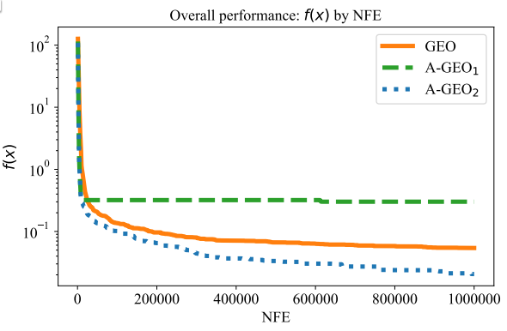
NFOBs | GEO | AGEO1 | AGEO2 | AGEO1var | AGEO2var
0 | 253.81104337 | 265.51236028 | 272.533177 | 229.07033028 | 271.75192575
25000 | 0.28127318044 | 0.60955435335 | 0.21743965656 | 0.46174065896 | 0.030113589703
50000 | 0.19358329861 | 0.60955435335 | 0.18449359721 | 0.46174065896 | 0.017456626607
75000 | 0.16067678957 | 0.60955435335 | 0.14178811047 | 0.46174065896 | 0.011562016673
100000 | 0.13752980084 | 0.60955435335 | 0.12163908498 | 0.46174065896 | 0.0084138905903
125000 | 0.11389911986 | 0.60955435335 | 0.11611834091 | 0.46174065896 | 0.0083253258768
150000 | 0.10373190008 | 0.60955435335 | 0.10113265569 | 0.46174065896 | 0.0081616949683
175000 | 0.095200487694 | 0.60955435335 | 0.096923839329 | 0.46174065896 | 0.0078997378553
200000 | 0.092069513882 | 0.60955435335 | 0.09658778453 | 0.46174065896 | 0.0073341622787
225000 | 0.083186343391 | 0.54182607318 | 0.065876610235 | 0.46174065896 | 0.0073341622787
250000 | 0.077585952207 | 0.49727700502 | 0.055596242526 | 0.46174065896 | 0.0068714245901
275000 | 0.075567080804 | 0.49727700502 | 0.054608016333 | 0.46174065896 | 0.0068714245901
300000 | 0.071560089608 | 0.49727700502 | 0.049474671903 | 0.46174065896 | 0.0068714245901
325000 | 0.068858529224 | 0.49727700502 | 0.049383750027 | 0.46174065896 | 0.0068714245901
350000 | 0.066853239113 | 0.49727700502 | 0.047672040852 | 0.46174065896 | 0.0068714245901
375000 | 0.064332572592 | 0.49727700502 | 0.047672040852 | 0.46174065896 | 0.0068653167437
400000 | 0.061192345717 | 0.49727700502 | 0.047672040852 | 0.46174065896 | 0.0068653167437
425000 | 0.061192345717 | 0.49727700502 | 0.047253770343 | 0.46174065896 | 0.0068653167437
450000 | 0.060631835515 | 0.49727700502 | 0.047253770343 | 0.46174065896 | 0.0068653167437
475000 | 0.055518563519 | 0.49727700502 | 0.047253770343 | 0.46174065896 | 0.0068653167437
500000 | 0.053552852006 | 0.49727700502 | 0.047253770343 | 0.46174065896 | 0.0068653167437
525000 | 0.053552852006 | 0.49727700502 | 0.047253770343 | 0.46174065896 | 0.0068653167437
550000 | 0.053552852006 | 0.49727700502 | 0.047253770343 | 0.46174065896 | 0.0068653167437
575000 | 0.053552852006 | 0.49727700502 | 0.047253770343 | 0.46174065896 | 0.0068653167437
600000 | 0.052655695025 | 0.49727700502 | 0.047253770343 | 0.46174065896 | 0.0068653167437
625000 | 0.051686823537 | 0.49727700502 | 0.047253770343 | 0.46174065896 | 0.0068653167437
650000 | 0.050264827125 | 0.49727700502 | 0.047253770343 | 0.46174065896 | 0.0068653167437
675000 | 0.050264827125 | 0.49727700502 | 0.047253770343 | 0.46174065896 | 0.0068653167437
700000 | 0.049344253338 | 0.49727700502 | 0.047095511955 | 0.46174065896 | 0.0068653167437
725000 | 0.049344253338 | 0.49727700502 | 0.039494027139 | 0.46174065896 | 0.0068653167437
750000 | 0.049344253338 | 0.49727700502 | 0.039494027139 | 0.46174065896 | 0.0068653167437
775000 | 0.049344253338 | 0.49727700502 | 0.039494027139 | 0.46174065896 | 0.0068653167437
800000 | 0.049344253338 | 0.49727700502 | 0.039494027139 | 0.46174065896 | 0.0068653167437
825000 | 0.049344253338 | 0.49727700502 | 0.038021457786 | 0.46174065896 | 0.0068653167437
850000 | 0.049344253338 | 0.49727700502 | 0.038021457786 | 0.46174065896 | 0.0068653167437
875000 | 0.046448565013 | 0.49727700502 | 0.037893114357 | 0.46174065896 | 0.0068653167437
900000 | 0.046448565013 | 0.49727700502 | 0.037893114357 | 0.46174065896 | 0.0068653167437
925000 | 0.045783956741 | 0.49727700502 | 0.037893114357 | 0.46174065896 | 0.0068653167437
950000 | 0.045783956741 | 0.49727700502 | 0.037893114357 | 0.46174065896 | 0.0068653167437
975000 | 0.044965196734 | 0.49727700502 | 0.037893114357 | 0.46174065896 | 0.0068653167437
1000000 | 0.044965196734 | 0.49727700502 | 0.036543312373 | 0.46174065896 | 0.0068653167437

