Explanatory note

 | MAR0277-24
 | Version date: October 7th 2024
 | Final

 | Auction Calendar 2025/2026 for Capacity Allocation Mechanism Network Code

 | EXPLANATORY NOTE/DISCLAIMER

 | The Network Code on Capacity Allocation Mechanisms in Gas Transmission Systems (CAM NC) was adopted as a European Commission Regulation under the reference COMMISSION REGULATION (EU) No 2017/459 of 16 March 2017. The CAM NC contains a definition for ‘auction calendar’ (Art. 3(15)), as follows: ‘a table displaying information relating to specific auctions which is published by ENTSOG by January of every calendar year for auctions taking place during the period of March until February of the following calendar year and consisting of all relevant timings for auctions, including starting dates and standard capacity products to which they apply.’ Therefore, such a definition creates an obligation on ENTSOG. No start of CAM NC auction for yearly, quarterly and monthly products will take place on European bank holidays, which correspond to days observed as public holidays in many European countries. The following days are considered European bank holidays on which CAM auctions for the abovementioned products could in theory occur, based on CAM NC rules for auction dates, but should not take place: Easter Monday (variable date), Labour Day (1 May), Ascension Day (variable date), Pentecost Monday (variable date), All Saints' Day (1 November), and the Christmas period (from 24 December to 26 December). Therefore, if the auction date based on CAM rules falls on a European bank holiday, the auction will be postponed to the next day which is not a European bank holiday.
 | Dates indicated for interruptible auctions must be considered the European standard defaults, not preventing the possibility for respective firm auctions to continue in case they have still not closed on the days indicated for interruptible auctions starts. In these cases, the interruptible auctions will open the next possible day after the closing of the respective firm auctions (starting 8:00 am UTC winter time; 07:00 daylight saving time). The minimum obligation set via the CAM Regulation is for TSOs to offer Interruptible capacity the day ahead (DA). TSOs may at their own discretion offer Interruptible capacity for durations longer than DA. This does not imply in any way (nor does it set a precedence) for other TSOs to offer Interruptible capacity more than the minimum obligation prescribed under CAM. Specific adjustments are needed for Monthly auctions.
 | If an ascending clock auction has not ended by the scheduled starting point (according to the auction calendar) of the next auction for capacity covering the same period, the first auction shall close and no capacity shall be allocated. The capacity shall be offered in the next relevant auction (Art. 17(22) CAM NC). ENTSOG proposes the following non-binding termination time (time references in CE(S)T) for the specific auction:
 | Monthly auction: D-1 at 14:00 after 3rd bidding round at D-1 Quarterly auction: Last Thursday (before monthly auction starts) at 18:00 Yearly auction: Last Thursday (before quarterly auction starts) at 18:00

Years | 2025
covered | 2026

Within-Day
CAM NC AUCTION CALENDAR: Within-Day |  | From | 2025 | to | 2026

 | FIRM CAPACITY

 | Subject to capacity being made available, a within-day capacity auction shall be held every hour during the gas day.
 | Each hour on the relevant gas day, capacity effective from the hour + 4 shall be auctioned as within-day capacity.
 | The first bidding round shall open directly on the next hour bar following the publication of results of the last daily product auction (including interruptible if offered).
 | Each bidding round shall open at the start of every hour on the relevant gas day.
 | The duration of each bidding round shall be 30 minutes as of the opening of the bidding round.

 | The first bidding round closes at 01:30 UTC (winter time) or 00:30 UTC (daylight saving) before the gas day.
 | The last bidding round shall close at 00:30 UTC (winter time) or 23:30 UTC (daylight saving) on the relevant gas day.

 | The allocation of successful bids shall be effective from 05:00 UTC (winter time) or 04:00 UTC (daylight saving) on the relevant gas day.

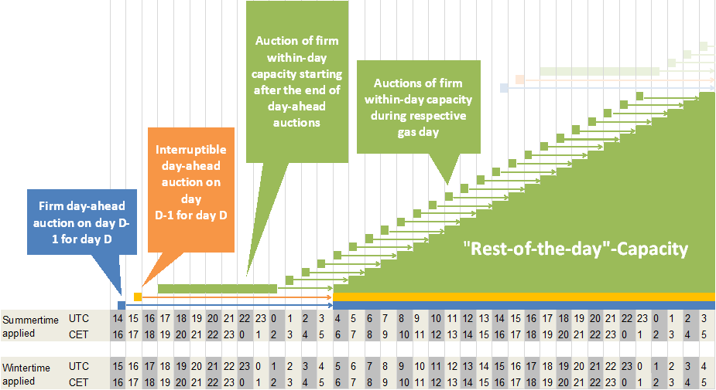

 | INTERRUPTIBLE CAPACITY
 | Within-day interruptible capacity shall be allocated by means of an over-nomination procedure.

