Solutions Part 1
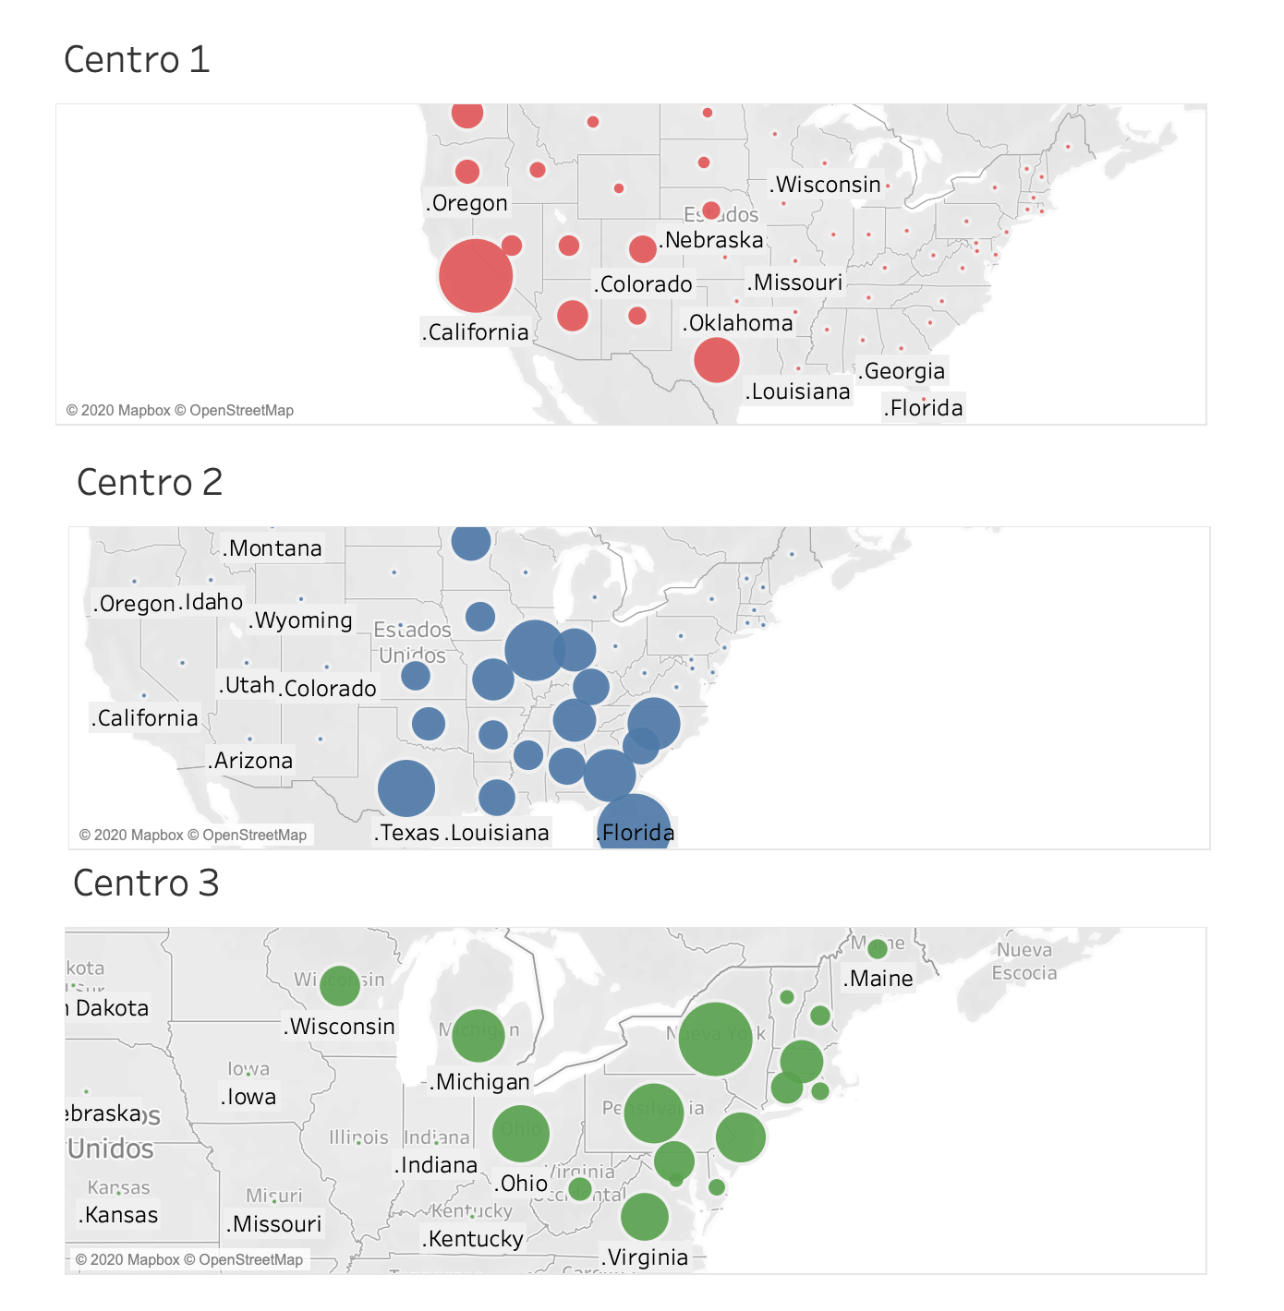
STATE | CENTER 1 | CENTER 2 | CENTER 3

.Alabama | 0 | 47798 | 0
.Alaska | 7103 | 0 | 0
.Arizona | 63921 | 0 | 0
.Arkansas | 0 | 29160 | 0
.California | 372540 | 0 | 0
.Colorado | 50292 | 0 | 0
.Connecticut | 0 | 0 | 35741
.Delaware | 0 | 0 | 8980
.District of Columbia | 0 | 0 | 6018
.Florida | 0 | 188014 | 0
.Georgia | 0 | 96877 | 0
.Hawaii | 13604 | 0 | 0
.Idaho | 15676 | 0 | 0
.Illinois | 0 | 128307 | 0
.Indiana | 0 | 64839 | 0
.Iowa | 0 | 30464 | 0
.Kansas | 0 | 28532 | 0
.Kentucky | 0 | 43394 | 0
.Louisiana | 0 | 45334 | 0
.Maine | 0 | 0 | 13284
.Maryland | 0 | 0 | 57736
.Massachusetts | 0 | 0 | 65477
.Michigan | 0 | 0 | 98837
.Minnesota | 0 | 53040 | 0
.Mississippi | 0 | 29673 | 0
.Missouri | 0 | 59890 | 0
.Montana | 9895 | 0 | 0
.Nebraska | 18264 | 0 | 0
.Nevada | 27006 | 0 | 0
.New Hampshire | 0 | 0 | 13165
.New Jersey | 0 | 0 | 87919
.New Mexico | 20592 | 0 | 0
.New York | 0 | 0 | 193782
.North Carolina | 0 | 95355 | 0
.North Dakota | 6726 | 0 | 0
.Ohio | 0 | 0 | 115366
.Oklahoma | 0 | 37514 | 0
.Oregon | 38311 | 0 | 0
.Pennsylvania | 0 | 0 | 127024
.Rhode Island | 0 | 0 | 10526
.South Carolina | 0 | 46254 | 0
.South Dakota | 8142 | 0 | 0
.Tennessee | 0 | 63462 | 0
.Texas | 139363 | 112093 | 0
.Utah | 27639 | 0 | 0
.Vermont | 0 | 0 | 6258
.Virginia | 0 | 0 | 80011
.Washington | 67246 | 0 | 0
.West Virginia | 0 | 0 | 18530
.Wisconsin | 0 | 0 | 56870
.Wyoming | 5637 | 0 | 0

