Informations
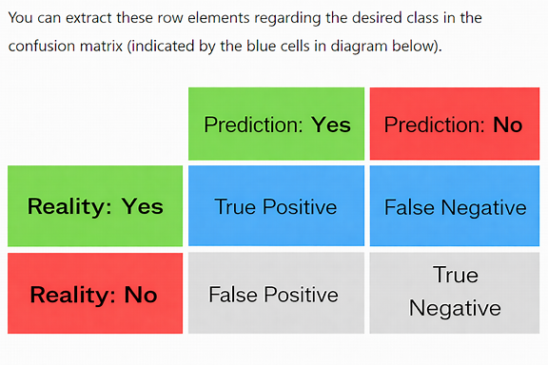

 | T4
T4 | plus | M4

