POINTS CALCULATIONS
 |  |  | COMPULSURY |  |  | AT LEAST 2 |  |  | At least 1 or science |  |  | Atleast 1 or 1 science |  |  |  |  |  |  | Formula
 |  |  | MAT | ENG | KIS | CHEM | PHY | BIO | GEOG | CRE | HIS | AGRIC | B/S | COMP/SCI | TOTAL POINTS | SUM BEST 4(MAT+1 language+ at least 1 science 0r two sciences if they are scored than technical and applied | MAX POITS | Cluster Culculation | C=[√ (r/R* t/T)]*48 Where r -sum of 4 cluster sbj R=48 t – your grade pts T=84
Points | Grade |  | 8 | 9 | 10 | 9 | 10 |  | 10 |  | 12 |  |  |  | 68 | 39 | 84 | 0.81101053954
12 | A |  |  |  |  |  |  |  |  |  |  |  |  |  |  |  |  | 38.928505898 | 48
11 | A-
10 | B+ | Below Depends on Degree course Cluster Combination |  |  |  |  | 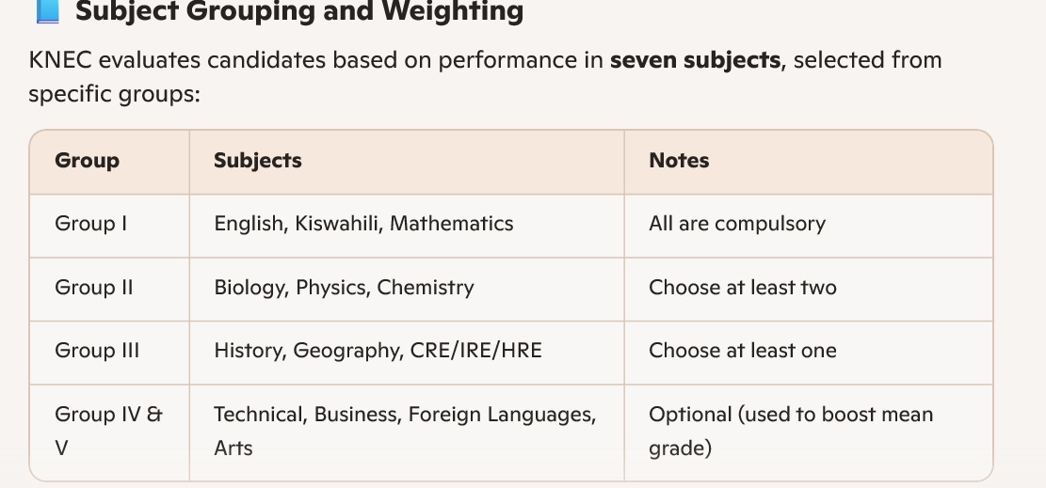
9 | B |  | Cluster subject 1 Grade(Points)
8 | B- |  | 8
7 | C+ |  | Cluster subject 2 Grade(Points)
6 | C |  | 9
5 | C- |  | Cluster subject 3 Grade(Points)
4 | D+ |  | 10
3 | D |  | Cluster subject 4 Grade(Points)
2 | D- |  | 12
1 | E |  | Total KCSE Points

 |  |  | Calculate Cluster Points
 |  |  | 38.928505898

 | 81-84 | A
 | 74-80 | A-
 | 67-73 | B+
 | 60-66 | B
 | 53-59 | B-
 | 46-52 | C+
 | 35-45 | C
 |  | C-
 |  | D+
 |  | D
 |  | D-
 | 7 | E

