RedBasica
RedBasica
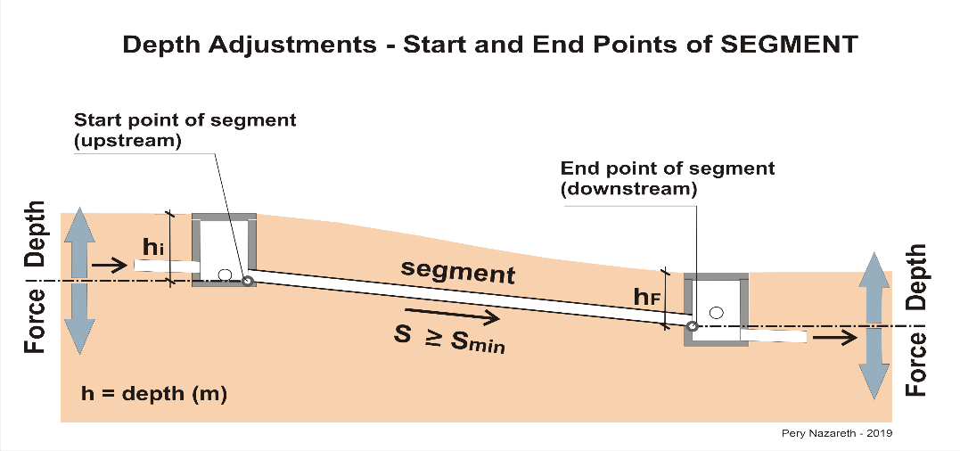
Sewerage System- Basic Network

Municipality: |  | 0
Project: |  | 0
Microsystem: |  | 0
Author: |  | 0 |  |  |  |  |  |  |  |  | 0.00
Date: |  | 0
 |  |  |  |  |  |  |  |  |  |  | 0.00
 | - |  |  |  |  | 0 | 0
Collector Pipe No. and Current Segment | Extension (m) | CONTRIBUTIONS - IDENTIFICATION |  |  |  | CONTRIBUTION - EQUIVALENT IN FAMILIES |  | FLOW RATES |  |  | Collector Pipe Position (aux_pos Street = 0 Sidewalk = 1) | Interference (aux_Prof_i) | FORCE DEPTH - UPSTREAM point of segment (m) | DEPTH |  | FORCE DEPTH - DOWNSTREAM point of segment (m) | SLOPES |  |  |  | C. Manning (n) | VERIFICATION OF HYDRAULIC AND FLOW CONDITIONS |  |  |  |  |  |  |  | INSPECTON TYPE - UPSTREAM | INSPECTON TYPE - DOWNSTREAM | NOTES
 |  | UPSTREAM SEGMENTS |  |  | CONDOMINIAL BRANCHES & OTHERS | CONDOMINIAL BRANCHES & OTHERS |  | INTAKE in the segment (l/s) | Total FLOW RATE END OF PLAN (l/s) | Total FLOW RATE START OF PLAN (l/s) |  |  |  | Depth - UPSTREAM point of segment (m) | Depth - DOWNSTREAM point of segment (m) |  |  |  |  |  |  | END OF PLAN |  |  |  |  | START OF PLAN
 |  | Previous segment - Current Collector Pipe | M1 Collector Pipe ID | M2 Collector Pipe ID | Block and Others ID | Quantity FINAL (QE) | Quantity INITIAL (QE) |  |  |  |  |  |  |  |  |  | Natural Terrain (m/m) | S min ACCEPTED Collector Pipe (m/m) | S ADOPTED Collector (m/m) | Adopted Diameter (mm) |  | Project flow rate Qmax (l/s) | Water Level in the Pipe y/do (%) | Tractive Force (Pa) | Critical Velocity Vc (m/s) | Velocity (m/s) | Initial flow rate Qi (l/s) | Water Level in the Pipe y/do (%) | Tractive Force (Pa)

