INFLACION_IMPLICITA
Curva de inflación implícita

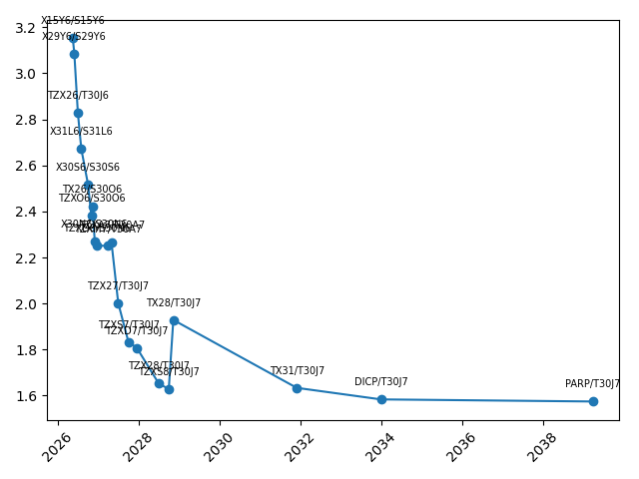
X15Y6 | S15Y6 | 2026-05-15 | 3.1526174184
X29Y6 | S29Y6 | 2026-05-29 | 3.0852707544
TZX26 | T30J6 | 2026-06-30 | 2.8280688336
X31L6 | S31L6 | 2026-07-31 | 2.6718876873
X30S6 | S30S6 | 2026-09-30 | 2.5168445143
TZXO6 | S30O6 | 2026-10-30 | 2.3814062828
TX26 | S30O6 | 2026-11-09 | 2.4232200909
X30N6 | S30N6 | 2026-11-30 | 2.2683991075
TZXD6 | S30N6 | 2026-12-15 | 2.2518843384
TZXM7 | T30A7 | 2027-03-31 | 2.2503819416
TZXA7 | T30A7 | 2027-04-30 | 2.2652538929
TZX27 | T30J7 | 2027-06-30 | 2.0017577009
TZXS7 | T30J7 | 2027-09-30 | 1.8337431145
TZXD7 | T30J7 | 2027-12-15 | 1.8073766527
TZX28 | T30J7 | 2028-06-30 | 1.6527347634
TZXS8 | T30J7 | 2028-09-29 | 1.6281996843
TX28 | T30J7 | 2028-11-09 | 1.9288037275
TX31 | T30J7 | 2031-11-30 | 1.633754648
DICP | T30J7 | 2033-12-31 | 1.5835623462
PARP | T30J7 | 2039-03-31 | 1.5744495188

