Unsorted
Accuracy Graph | Loss Graph | model.evaluate | model.compile | model.fit | Layer 1 | Layer 2 | Layer 3 | Layer 4 | Layer 5 | Layer 6 |  | Remarks
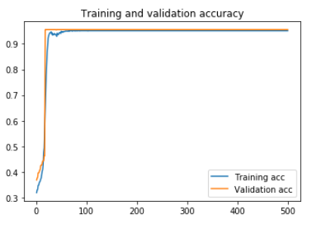 | 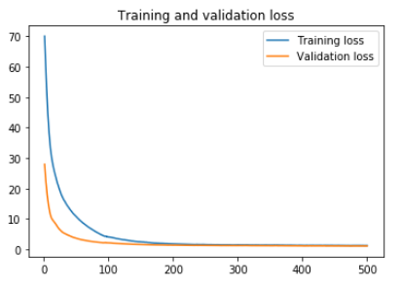 | 94.31% | optimizer = adam loss = binary_crossentropy | epochs = 500 batch_size = len(x_train) validation_split = 0.33 class_weight applied | type = LSTM neurons = 64 input_shape=(200,feature_size) | type = Dropout value = 0.2 seed = 1 | type = Dense neurons = 128 input_dim=feature_size kernel_regularizer= l2(0.01) activity_regularizer= l1(0.01) | type = Dense neurons = 1 activation = sigmoid |  |  |  | epochs = 300 gave the same graph, but cut for values beyond 300 on x-axis
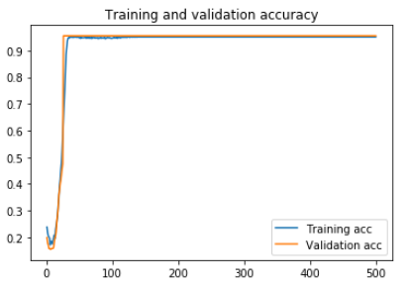 | 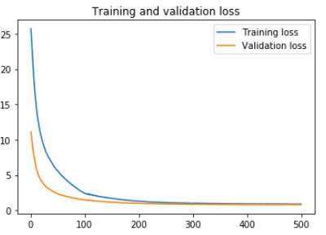 | 94.31% | optimizer = adam loss = binary_crossentropy | epochs = 500 batch_size = len(x_train) validation_split = 0.33 class_weight applied | type = LSTM neurons = 20 input_shape=(200,feature_size) | type = Dropout value = 0.2 seed = 1 | type = Dense neurons = 40 input_dim=feature_size kernel_regularizer= l2(0.01) activity_regularizer= l1(0.01) | type = Dense neurons = 1 activation = sigmoid
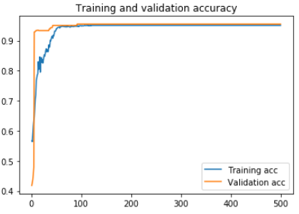 | 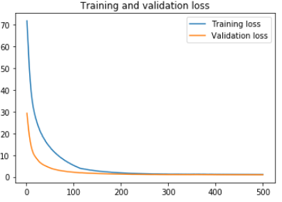 | 94.31% | optimizer = adam loss = binary_crossentropy | epochs = 500 batch_size = len(x_train) validation_split = 0.33 class_weight applied | type = LSTM neurons = 32 input_shape=(200,feature_size) | type = Dropout value = 0.2 seed = 1 | type = Dense neurons = 128 input_dim=feature_size kernel_regularizer= l2(0.01) activity_regularizer= l1(0.01) | type = Dense neurons = 1 activation = sigmoid |  |  |  | Same estimate for regularizers = 0.005, neurons = 32,64, dropout= 0.5
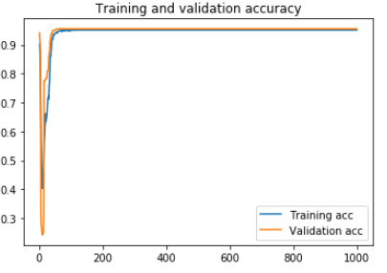 | 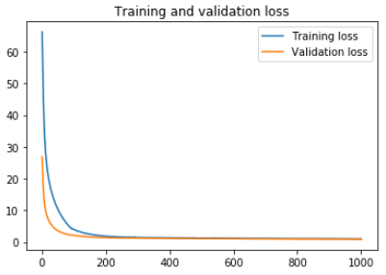 | 94.31% | optimizer = adam loss = binary_crossentropy | epochs = 1000 batch_size = len(x_train) validation_split = 0.33 class_weight applied | type = LSTM neurons = 64 input_shape=(200,feature_size) | type = Dropout value = 0.2 seed = 1 | type = Dense neurons = 128 input_dim=feature_size kernel_regularizer= l2(0.01) activity_regularizer= l1(0.01) | type = Dense neurons = 1 activation = sigmoid |  |  |  | (Searching for inflexion point)
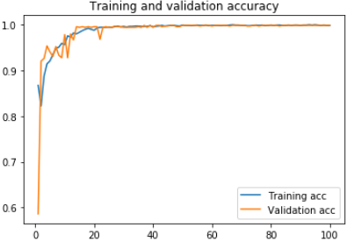 | 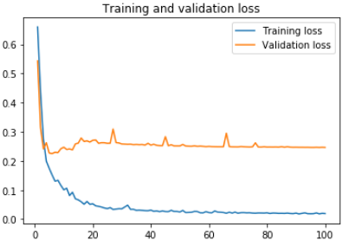 | 99.67% | optimizer = adam loss = binary_crossentropy | epochs = 100 batch_size = 16 validation_split = 0.33 class_weight applied | type = Conv1D neurons = 64 input_shape=(200,feature_size) activation=relu | type = MaxPooling1D value=3 | type = Conv1D neurons = 128 activation=relu | type = GlobalAveragePooling1D | type = Dropout value = 0.2 | type=Dense neurons = 1 activation = sigmoid kernel_regularizer= l2(0.001) activity_regularizer= l1(0.001) |  | Attempting Conv1D Very fast training and validation
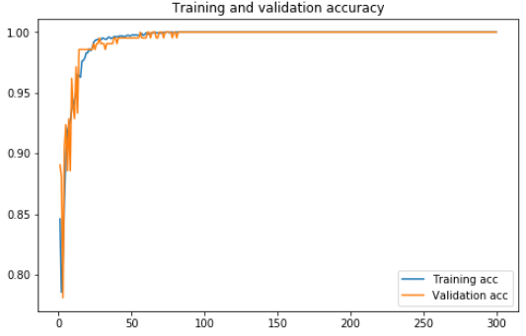 | 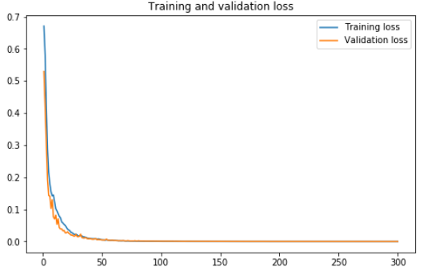 | 99.78% | optimizer = adam loss = binary_crossentropy | epochs = 300 batch_size = 16 validation_split = 0.1 class_weight applied | type = Conv1D neurons = 64 input_shape=(200,feature_size) activation=relu | type = MaxPooling1D value=3 | type = Conv1D neurons = 64 | type = GlobalAveragePooling1D | type = Dropout value = 0.1 | type=Dense neurons = 1 activation = sigmoid
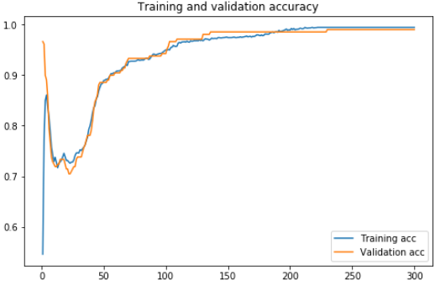 | 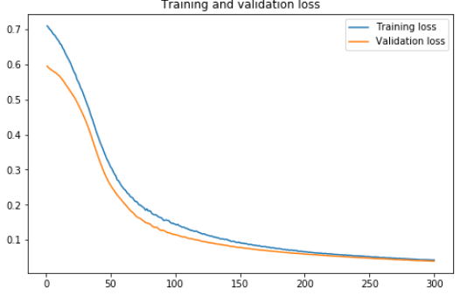 | 98.66% | optimizer = adam loss = binary_crossentropy | epochs = 300 batch_size = len(x_train) validation_split = 0.1 class_weight applied | type = Conv1D neurons = 64 input_shape=(200,feature_size) activation=relu | type = MaxPooling1D value=3 | type = Conv1D neurons = 64 | type = GlobalAveragePooling1D | type = Dropout value = 0.1 | type=Dense neurons = 1 activation = sigmoid kernel_regularizer=l1(0.01)
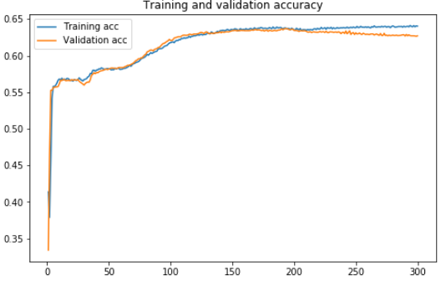 | 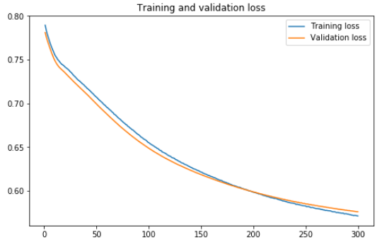 | 62.76% | optimizer = adam loss = binary_crossentropy | epochs = 300 batch_size = len(x_train) validation_split = 0.3 class_weight applied | type = Conv1D neurons = 64 input_shape=(200,feature_size) activation=relu | type = MaxPooling1D value=3 | type = Conv1D neurons = 64 | type = GlobalAveragePooling1D | type = Dropout value = 0.1 | type=Dense neurons = 1 activation = sigmoid kernel_regularizer=l1(0.01) |  | A huge overhaul with training+test data. Extracted 20827 functions (around 18000 more than previous) as data.
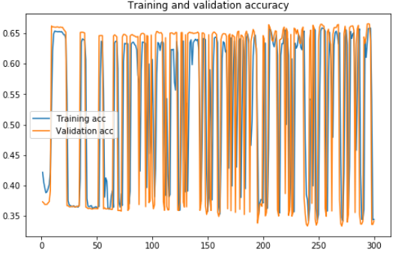 | 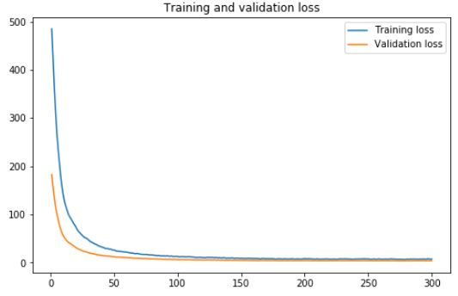 | N.A | optimizer = adam loss = binary_crossentropy | epochs = 300 batch_size = len(x_train) validation_split = 0.3 class_weight applied | type = LSTM neurons = 64 input_shape=(200,feature_size) | type = Dense neurons = 128 input_dim=feature_size kernel_regularizer= l2(0.01) activity_regularizer= l1(0.01) | type = Dropout value = 0.1 | type = Dense neurons = 1 activation = sigmoid
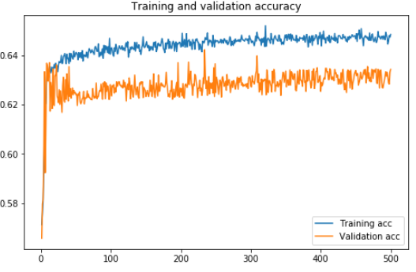 | 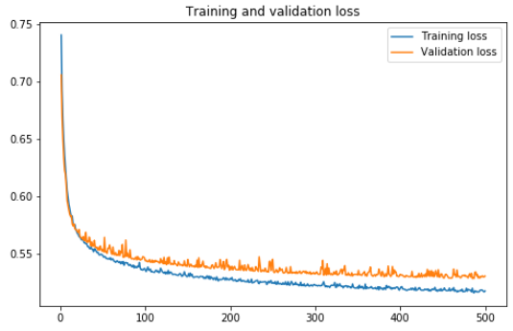 | 63.69% | optimizer = adam loss = binary_crossentropy | epochs = 500 batch_size = len(x_train) validation_split = 0.3 class_weight applied | type = Conv1D neurons = 64 input_shape=(200,feature_size) activation=relu | type = MaxPooling1D value=3 | type = Conv1D neurons = 64 | type = GlobalAveragePooling1D | type = Dropout value = 0.1 | type=Dense neurons = 1 activation = sigmoid kernel_regularizer=l1(0.01)
 |  | 0.00% | optimizer = adam loss = binary_crossentropy | epochs = 500 batch_size = len(x_train) validation_split = 0.3 class_weight applied | type = Conv1D neurons = 64 input_shape=(200,feature_size) activation=relu | type = MaxPooling1D value=3 | type = Conv1D neurons = 64 | type = GlobalAveragePooling1D | type = Dropout value = 0.1 | type=Dense neurons = 1 activation = sigmoid kernel_regularizer=l1(0.01)

AUC - ROC Curve |  | Area
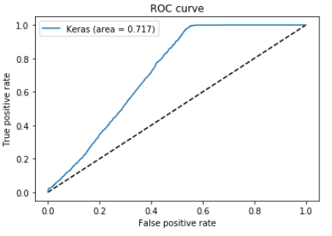 |  | 0.717 | optimizer = adam loss = binary_crossentropy | epochs = 300 batch_size = 128 class_weight applied | type = Conv1D neurons = 128 input_shape=(200,feature_size) activation=relu | type = MaxPooling1D pool_size = 20 strides = 10 | type = Conv1D neurons = 64 | type = GlobalAveragePooling1D | type = Dropout value = 0.3 | type=Dense neurons = 1 activation = sigmoid kernel_regularizer=l1(0.05)
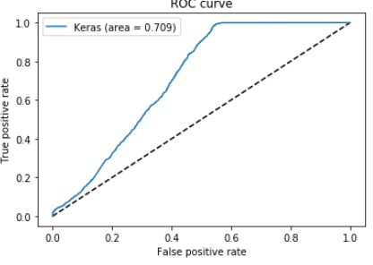 |  | 0.709 | optimizer = adam loss = binary_crossentropy | epochs = 500 batch_size = 512 class_weight NOT applied | type = Conv1D neurons = 200 input_shape=(200,feature_size) activation=relu | type = MaxPooling1D pool_size = 15 strides = 10 | type = Conv1D neurons = 100 | type = GlobalAveragePooling1D | type=Dense neurons = 1 activation = sigmoid |  |  | Using the balanced dataset. (class weight is 1.0 for both)
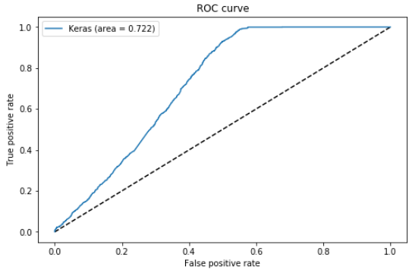 |  | 0.722 | optimizer = adam loss = binary_crossentropy | epochs = 100 batch_size = 512 validation_split = 0.3 | type = Conv1D neurons = 200 input_shape=(200,feature_size) activation=elu | type = Conv1D neurons = 150 activation=elu | type = MaxPooling1D pool_size = 15 strides = 10 | type = Conv1D neurons = 100 | type = GlobalAveragePooling1D | type = Dropout value = 0.5 | type=Dense neurons = 1 activation = sigmoid
 |  | 0.722 | optimizer = adam loss = binary_crossentropy | epochs = 100 batch_size = 512 validation_split = 0.3 | type = Conv1D neurons = 200 input_shape=(200,feature_size) activation=elu | type = Conv1D neurons = 150 activation=elu | type = MaxPooling1D pool_size = 15 strides = 10 | type = Conv1D neurons = 100 | type = GlobalAveragePooling1D | type = Dropout value = 0.5 | type=Dense neurons = 1 activation = sigmoid

Dropout
Dropout | Accuracy Graph | Loss Graph | AUC-ROC Curve | Area | model.evaluate | model.compile | model.fit | Layer 1 | Layer 2 | Layer 3 | Layer 4 | Layer 5 | Layer 6 | Remarks
0.1 | 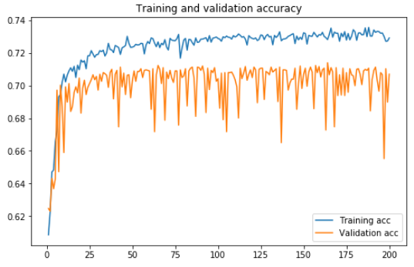 | 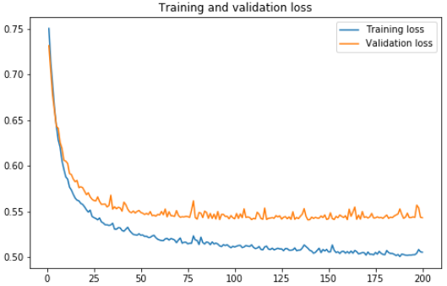 | 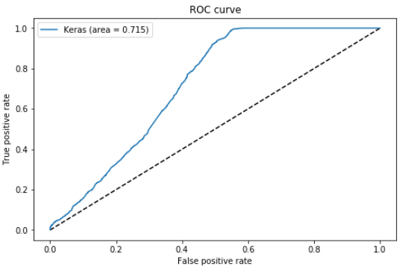 | 0.715 | optimizer = adam loss = binary_crossentropy | epochs = 200 batch_size = 512 validation_split = 0.3 | type = Conv1D neurons = 256 input_shape=(200,feature_size) activation=elu | type = Conv1D neurons = 128 activation=elu | type = MaxPooling1D pool_size = 15 strides = 10 | type = Conv1D neurons = 64 | type = GlobalAveragePooling1D | type = Dropout value = 0.1 | type=Dense neurons = 1 activation = sigmoid kernel_regularizer: l1 0.01
0.3 | 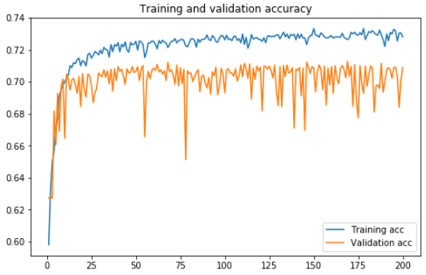 | 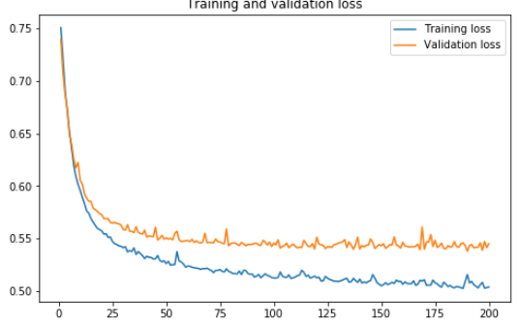 | 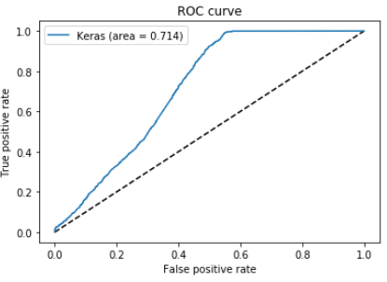 | 0.714 | optimizer = adam loss = binary_crossentropy | epochs = 200 batch_size = 512 validation_split = 0.3 | type = Conv1D neurons = 256 input_shape=(200,feature_size) activation=elu | type = Conv1D neurons = 128 activation=elu | type = MaxPooling1D pool_size = 15 strides = 10 | type = Conv1D neurons = 64 | type = GlobalAveragePooling1D | type = Dropout value = 0.3 | type=Dense neurons = 1 activation = sigmoid kernel_regularizer: l1 0.01
0.5 | 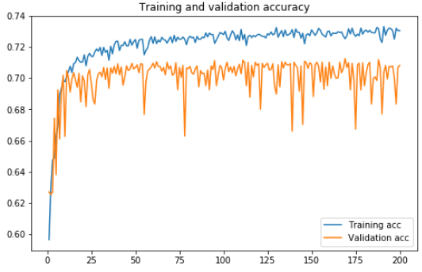 | 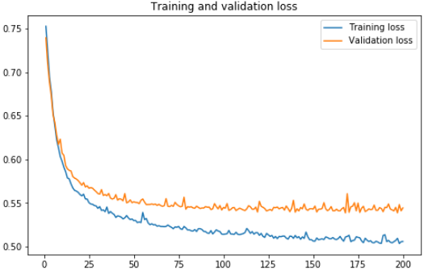 | 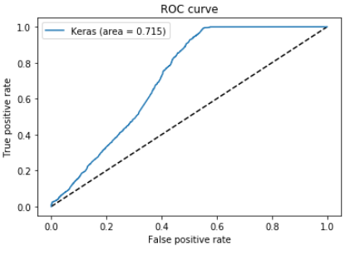 | 0.715 | optimizer = adam loss = binary_crossentropy | epochs = 200 batch_size = 512 validation_split = 0.3 | type = Conv1D neurons = 256 input_shape=(200,feature_size) activation=elu | type = Conv1D neurons = 128 activation=elu | type = MaxPooling1D pool_size = 15 strides = 10 | type = Conv1D neurons = 64 | type = GlobalAveragePooling1D | type = Dropout value = 0.5 | type=Dense neurons = 1 activation = sigmoid kernel_regularizer: l1 0.01
0.8 | 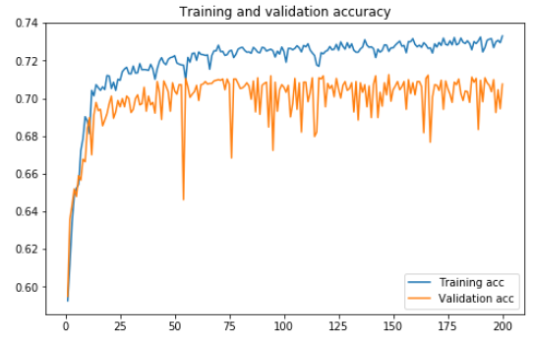 | 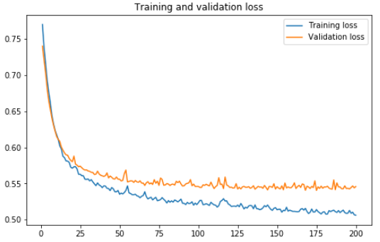 | 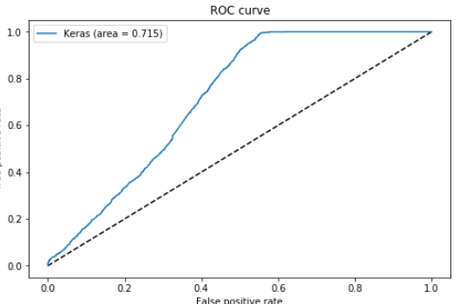 | 0.715 | optimizer = adam loss = binary_crossentropy | epochs = 200 batch_size = 512 validation_split = 0.3 | type = Conv1D neurons = 256 input_shape=(200,feature_size) activation=elu | type = Conv1D neurons = 128 activation=elu | type = MaxPooling1D pool_size = 15 strides = 10 | type = Conv1D neurons = 64 | type = GlobalAveragePooling1D | type = Dropout value = 0.8 | type=Dense neurons = 1 activation = sigmoid kernel_regularizer: l1 0.01

Epoch
Epoch | Accuracy Graph | Loss Graph | AUC-ROC Curve | Area | model.evaluate | model.compile | model.fit | Layer 1 | Layer 2 | Layer 3 | Layer 4 | Layer 5 | Layer 6 | Remarks
700 | 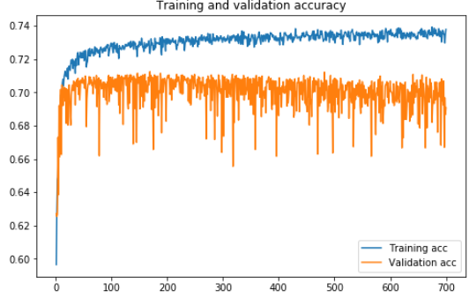 | 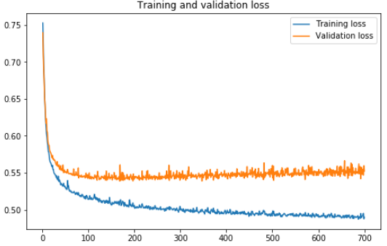 | 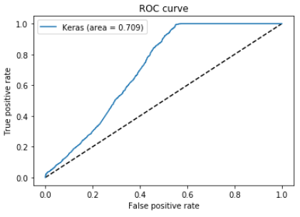 | 0.709 | optimizer = adam loss = binary_crossentropy | epochs = 700 batch_size = 512 validation_split = 0.3 | type = Conv1D neurons = 256 input_shape=(200,feature_size) activation=elu | type = Conv1D neurons = 128 activation=elu | type = MaxPooling1D pool_size = 15 strides = 10 | type = Conv1D neurons = 64 | type = GlobalAveragePooling1D | type = Dropout value = 0.5 | type=Dense neurons = 1 activation = sigmoid kernel_regularizer: l1 0.01
100 | 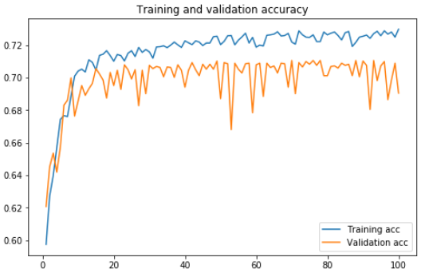 | 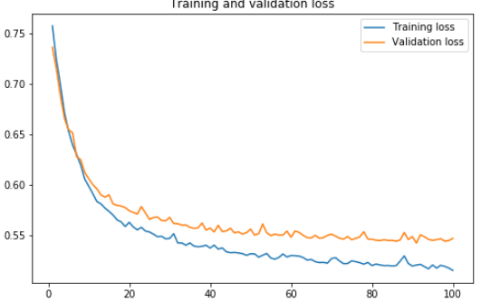 | 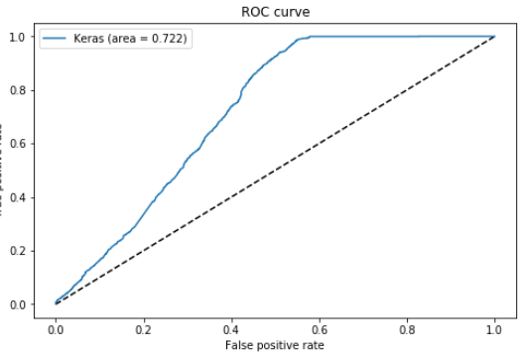 | 0.722 | optimizer = adam loss = binary_crossentropy | epochs = 100 batch_size = 512 validation_split = 0.3 | type = Conv1D neurons = 256 input_shape=(200,feature_size) activation=elu | type = Conv1D neurons = 128 activation=elu | type = MaxPooling1D pool_size = 15 strides = 10 | type = Conv1D neurons = 64 | type = GlobalAveragePooling1D | type = Dropout value = 0.5 | type=Dense neurons = 1 activation = sigmoid kernel_regularizer: l1 0.01
50 | 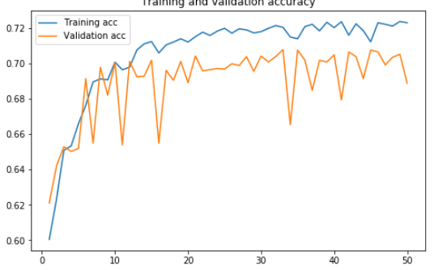 | 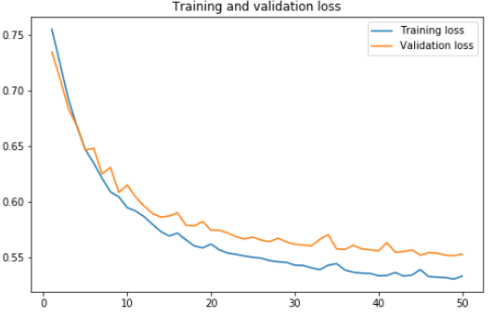 | 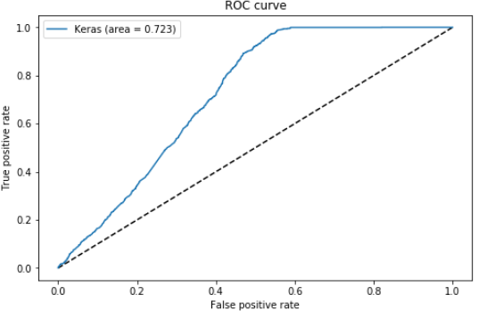 | 0.723 | optimizer = adam loss = binary_crossentropy | epochs = 50 batch_size = 512 validation_split = 0.3 | type = Conv1D neurons = 256 input_shape=(200,feature_size) activation=elu | type = Conv1D neurons = 128 activation=elu | type = MaxPooling1D pool_size = 15 strides = 10 | type = Conv1D neurons = 64 | type = GlobalAveragePooling1D | type = Dropout value = 0.5 | type=Dense neurons = 1 activation = sigmoid kernel_regularizer: l1 0.01
300 | 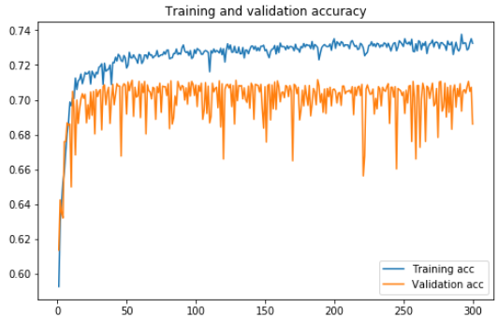 | 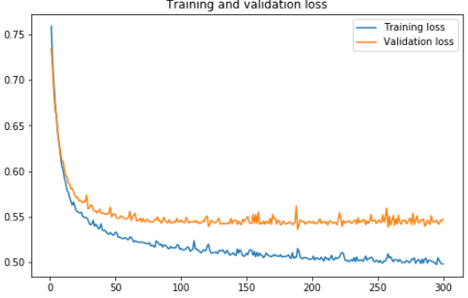 | 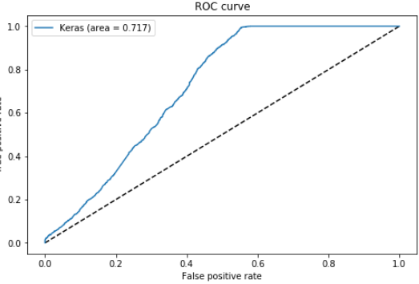 | 0.717 | optimizer = adam loss = binary_crossentropy | epochs = 300 batch_size = 512 validation_split = 0.3 | type = Conv1D neurons = 256 input_shape=(200,feature_size) activation=elu | type = Conv1D neurons = 128 activation=elu | type = MaxPooling1D pool_size = 15 strides = 10 | type = Conv1D neurons = 64 | type = GlobalAveragePooling1D | type = Dropout value = 0.5 | type=Dense neurons = 1 activation = sigmoid kernel_regularizer: l1 0.01
200 | 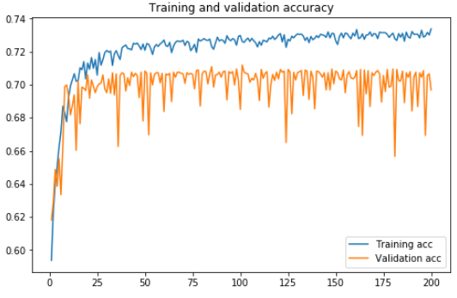 | 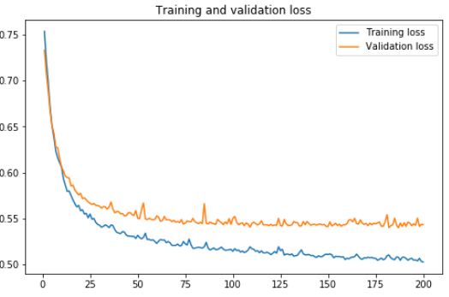 | 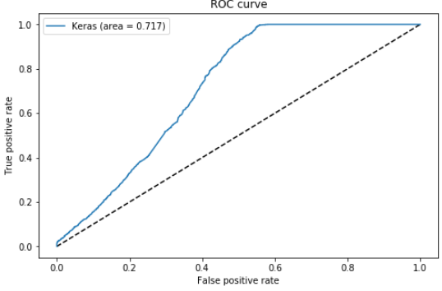 | 0.717 | optimizer = adam loss = binary_crossentropy | epochs = 200 batch_size = 512 validation_split = 0.3 | type = Conv1D neurons = 256 input_shape=(200,feature_size) activation=elu | type = Conv1D neurons = 128 activation=elu | type = MaxPooling1D pool_size = 15 strides = 10 | type = Conv1D neurons = 64 | type = GlobalAveragePooling1D | type = Dropout value = 0.5 | type=Dense neurons = 1 activation = sigmoid kernel_regularizer: l1 0.01

Neurons
Neurons | Accuracy Graph | Loss Graph | AUC-ROC Curve | Area | model.evaluate | model.compile | model.fit | Layer 1 | Layer 2 | Layer 3 | Layer 4 | Layer 5 | Layer 6 | Remarks
model.fit: 256 Layer 1: 128 Layer 3: 64 |  |  |  | 0.717 | optimizer = adam loss = binary_crossentropy | epochs = 200 batch_size = 512 validation_split = 0.3 | type = Conv1D neurons = 256 input_shape=(200,feature_size) activation=elu | type = Conv1D neurons = 128 activation=elu | type = MaxPooling1D pool_size = 15 strides = 10 | type = Conv1D neurons = 64 | type = GlobalAveragePooling1D | type = Dropout value = 0.5 | type=Dense neurons = 1 activation = sigmoid kernel_regularizer: l1 0.01
model.fit: 200 Layer 1: 150 Layer 3: 100 |  |  |  | 0.713 | optimizer = adam loss = binary_crossentropy | epochs = 200 batch_size = 512 validation_split = 0.3 | type = Conv1D neurons = 200 input_shape=(200,feature_size) activation=elu | type = Conv1D neurons = 150 activation=elu | type = MaxPooling1D pool_size = 15 strides = 10 | type = Conv1D neurons = 100 | type = GlobalAveragePooling1D | type = Dropout value = 0.5 | type=Dense neurons = 1 activation = sigmoid kernel_regularizer: l1 0.01
model.fit: 512 Layer 1: 256 Layer 3: 128 |  |  |  | 0.72 | optimizer = adam loss = binary_crossentropy | epochs = 200 batch_size = 512 validation_split = 0.3 | type = Conv1D neurons = 512 input_shape=(200,feature_size) activation=elu | type = Conv1D neurons = 256 activation=elu | type = MaxPooling1D pool_size = 15 strides = 10 | type = Conv1D neurons = 128 | type = GlobalAveragePooling1D | type = Dropout value = 0.5 | type=Dense neurons = 1 activation = sigmoid kernel_regularizer: l1 0.01
model.fit: 700 Layer 1: 512 Layer 3:256 |  |  |  | 0.711 | optimizer = adam loss = binary_crossentropy | epochs = 200 batch_size = 512 validation_split = 0.3 | type = Conv1D neurons = 700 input_shape=(200,feature_size) activation=elu | type = Conv1D neurons = 512 activation=elu | type = MaxPooling1D pool_size = 15 strides = 10 | type = Conv1D neurons = 256 | type = GlobalAveragePooling1D | type = Dropout value = 0.5 | type=Dense neurons = 1 activation = sigmoid kernel_regularizer: l1 0.01

