1.1_Описание_выборок
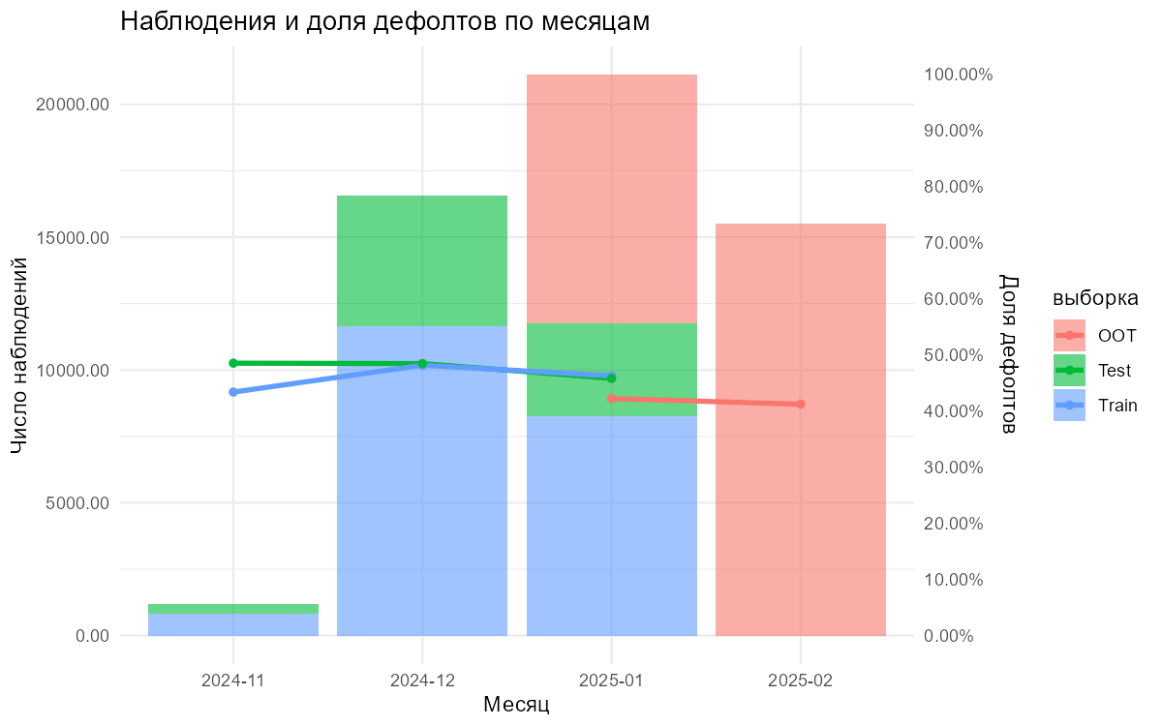
выборка | n | дефолтов | доля_дефолтов | период_min | период_max
Train | 20730 | 9792 | 0.47235890014 | 2024-11 | 2025-01
Test | 8787 | 4167 | 0.4742232844 | 2024-11 | 2025-01
OOT | 24893 | 10357 | 0.41606073997 | 2025-01 | 2025-02

1.2_Качество_данных
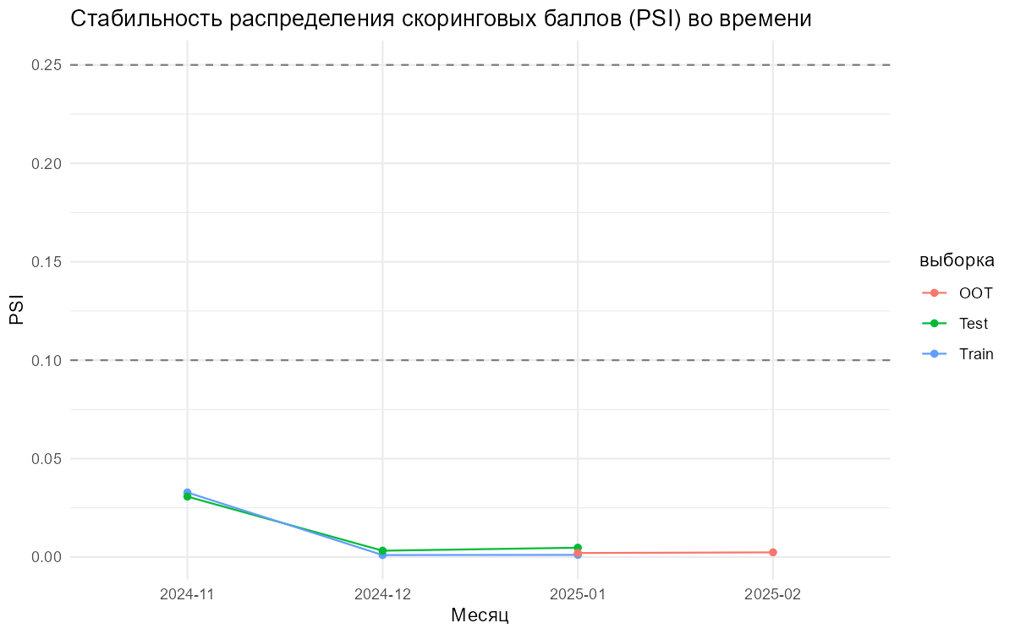
variable | missing_share | outlier_share | выборка
fp9 | 0 | 0.062662807525 | Train
fp44 | 0.048914616498 | 0.042351389734 | Train
mailscore | 0.023010130246 | 0.0065669283563 | Train
fn18 | 0 | 0.075397973951 | Train
osVersion | 0.13434635794 |  | Train
log1p__mfscore | 0.00067534973468 | 0.0069511488704 | Train
log1p__fn13 | 0.12739990352 | 0.13079772237 | Train
diff__mfscore__minus__fn7 | 0.00067534973468 | 0.021529252751 | Train
ratio__mfscore__over__fp17 | 0 | 0.0031837916064 | Train
diff__fn7__minus__fp17 | 0 | 0.092715870719 | Train
oof_rf_prob | 0 | 0.023974915581 | Train
fp9 | 0 | 0.064185728918 | Test
fp44 | 0.049732559463 | 0.048143712575 | Test
mailscore | 0.022078069876 | 0.0051204468754 | Test
fn18 | 0 | 0.072493456242 | Test
osVersion | 0.13736201206 |  | Test
log1p__mfscore | 0.0001138044839 | 0.0064875938994 | Test
log1p__fn13 | 0.1285990668 | 0.12563667233 | Test
diff__mfscore__minus__fn7 | 0.0001138044839 | 0.021739130435 | Test
ratio__mfscore__over__fp17 | 0 | 0.0025036986457 | Test
diff__fn7__minus__fp17 | 0 | 0.09434391715 | Test
oof_rf_prob | 0 | 0.023216114715 | Test
fp9 | 0 | 0.068493150685 | OOT
fp44 | 0.047001164986 | 0.044218690722 | OOT
mailscore | 0.012131924637 | 0.0053271522102 | OOT
fn18 | 0 | 0.086088458603 | OOT
osVersion | 0.14951994537 |  | OOT
log1p__mfscore | 0.0010042983971 | 0.0070773685057 | OOT
log1p__fn13 | 0.1206764954 | 0.09991319841 | OOT
diff__mfscore__minus__fn7 | 0.0010042983971 | 0.023443783175 | OOT
ratio__mfscore__over__fp17 | 0 | 0.0022898003455 | OOT
diff__fn7__minus__fp17 | 0 | 0.092435624473 | OOT
oof_rf_prob | 0 | 0.020166311815 | OOT

2.3_WOE_Графики
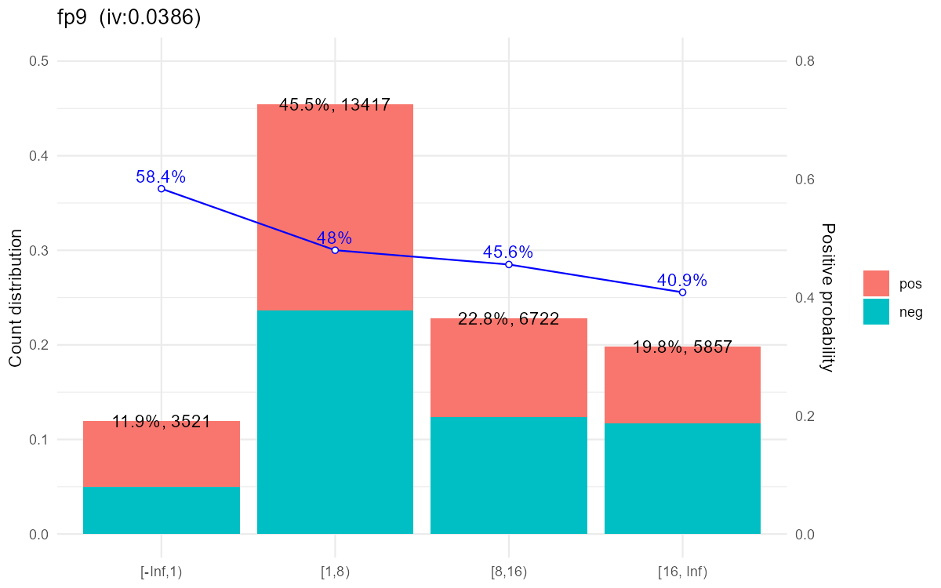

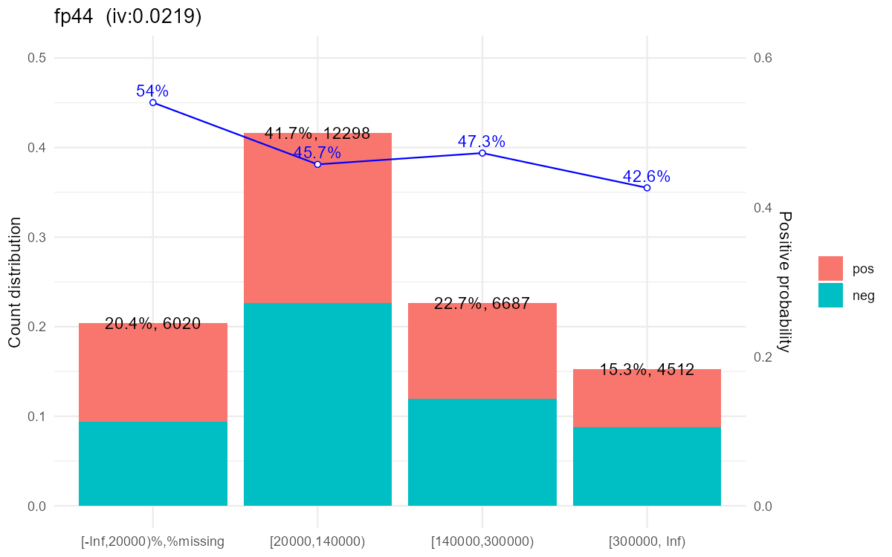

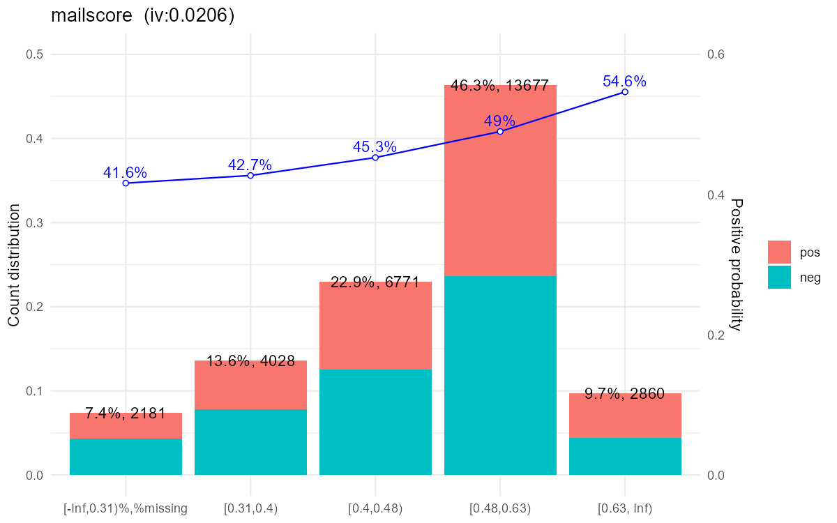

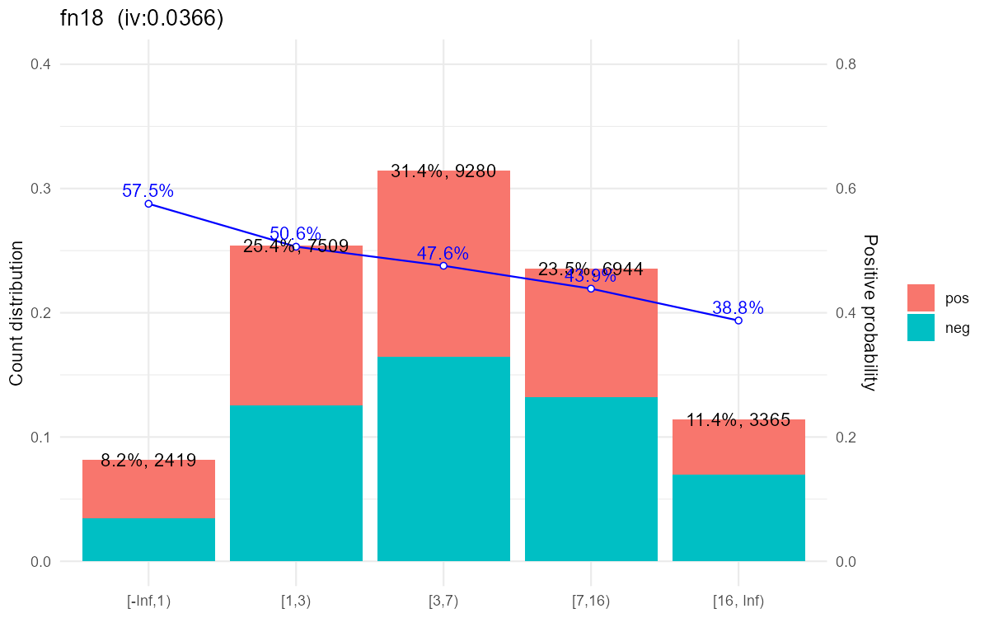

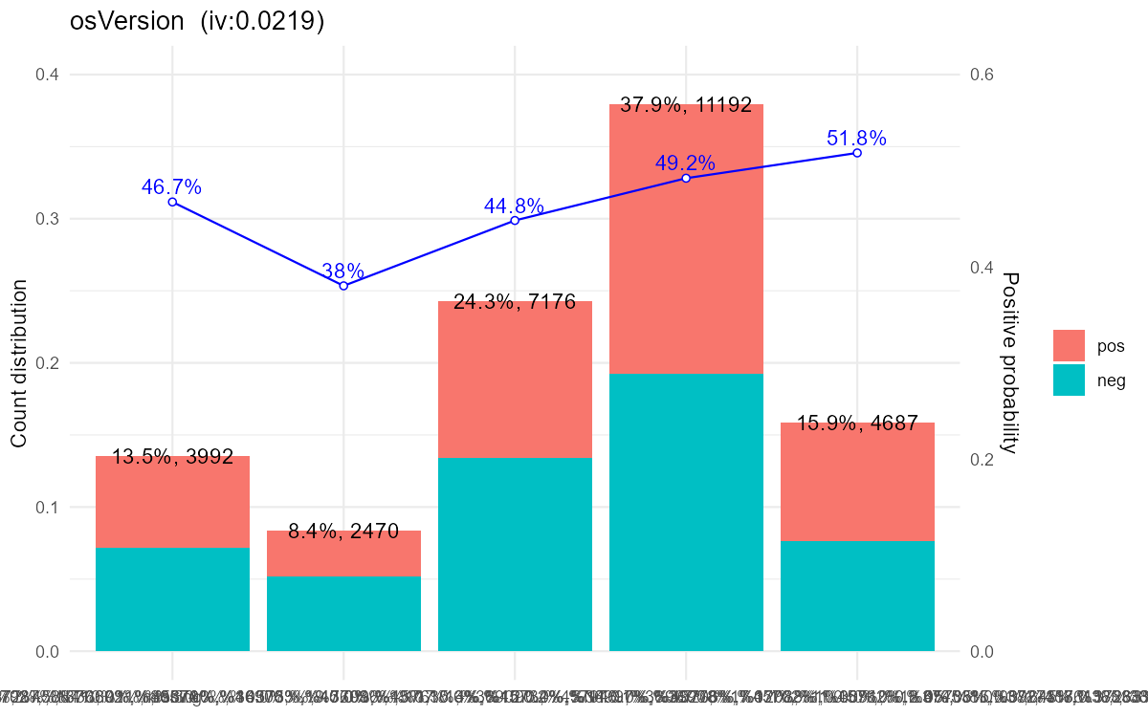

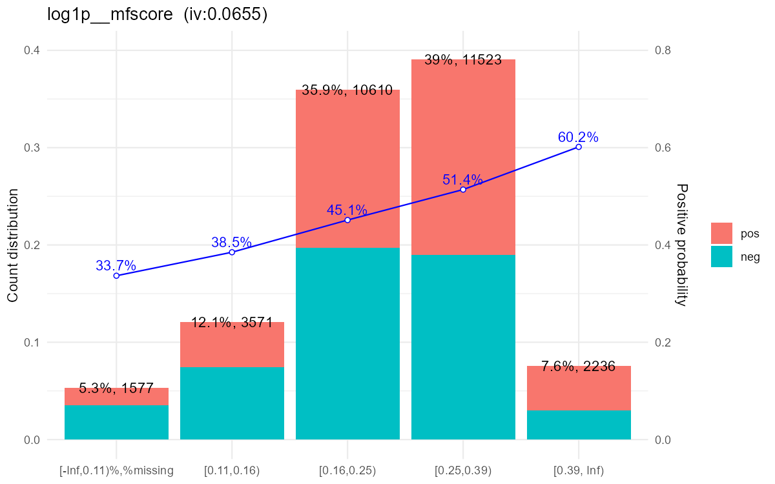

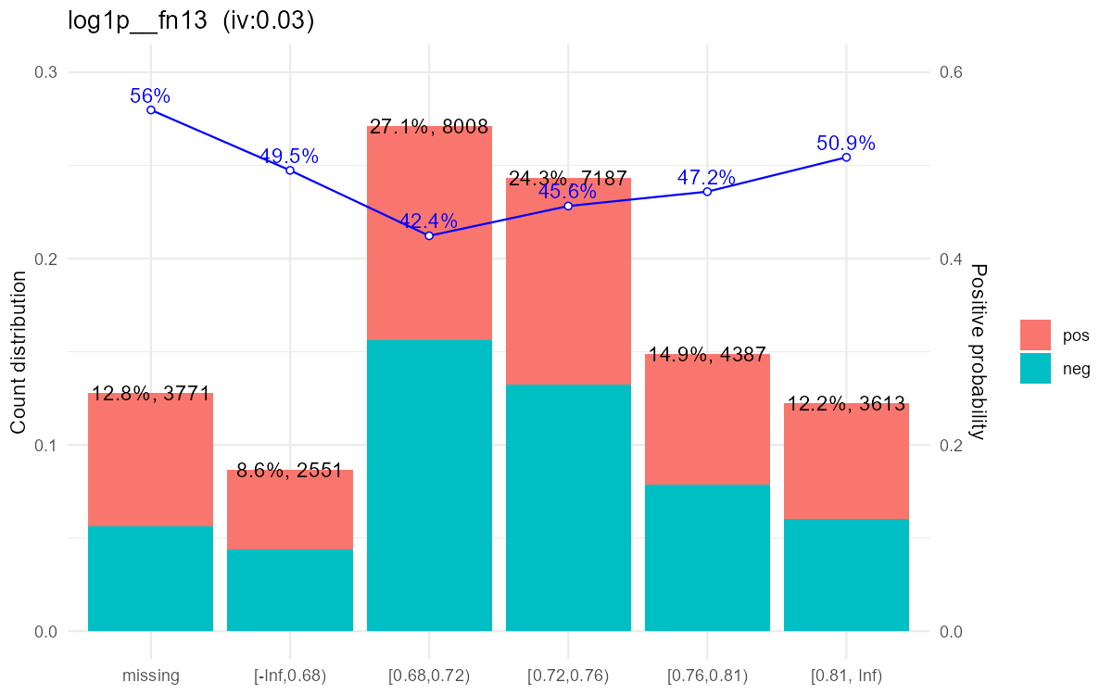

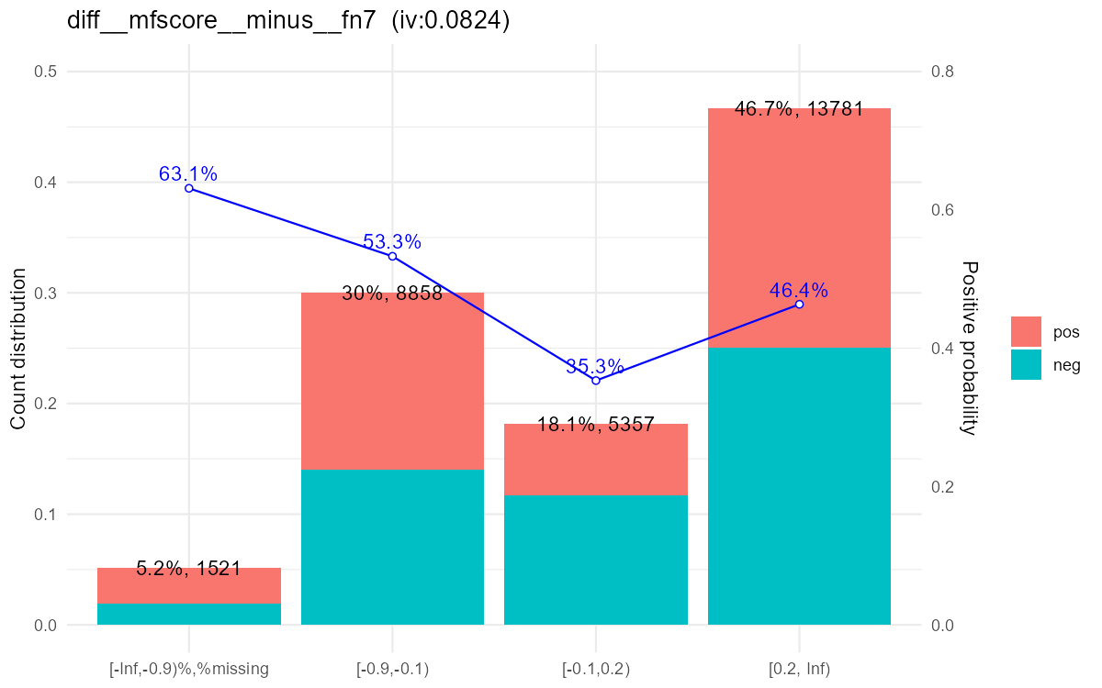

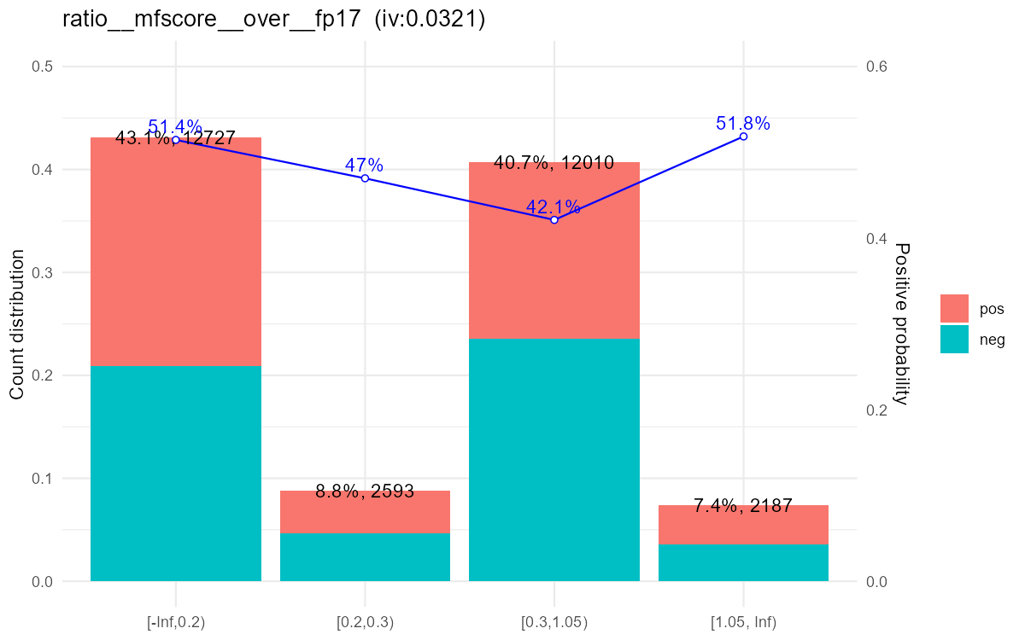

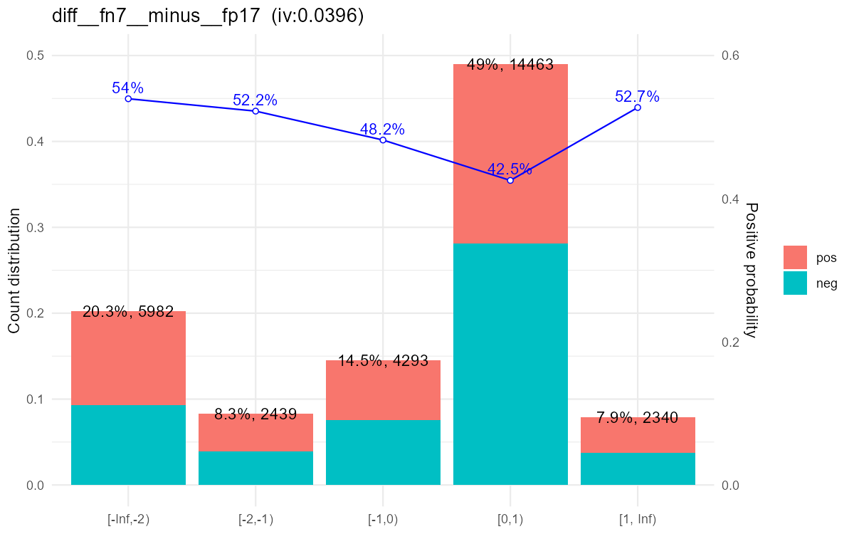

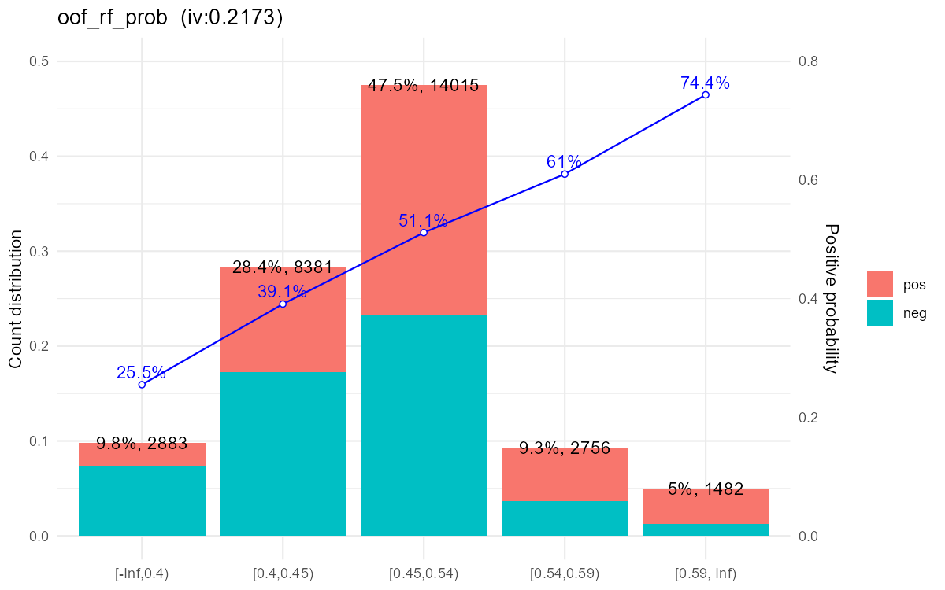

2.4_Корреляции
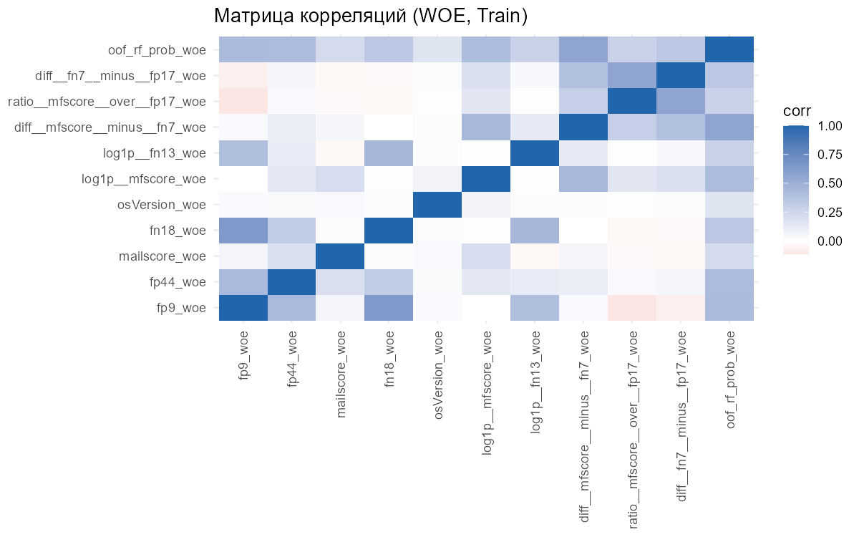

3_Качество_Модели
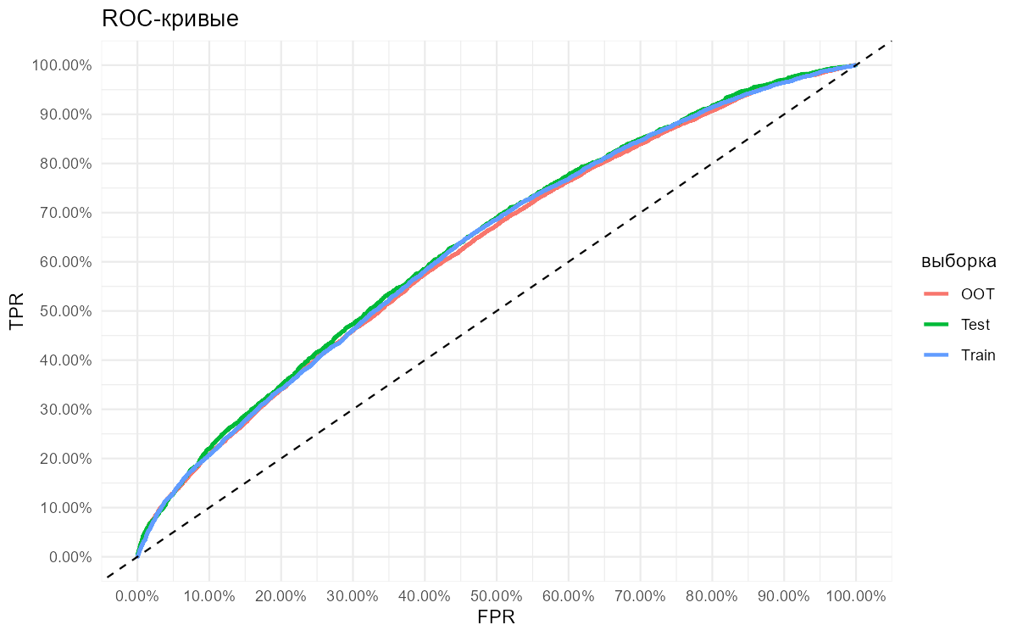
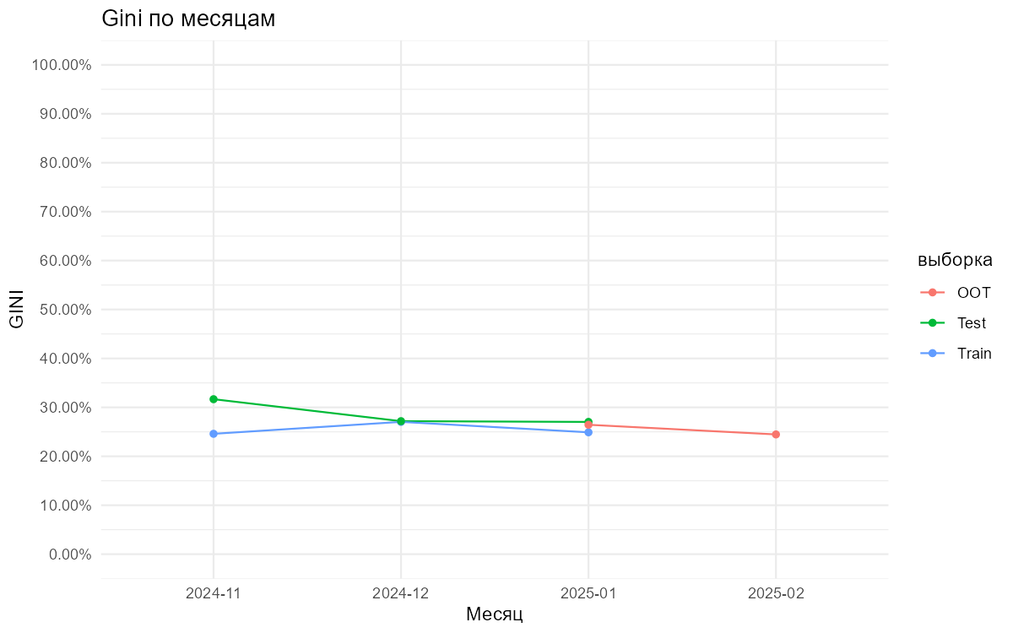
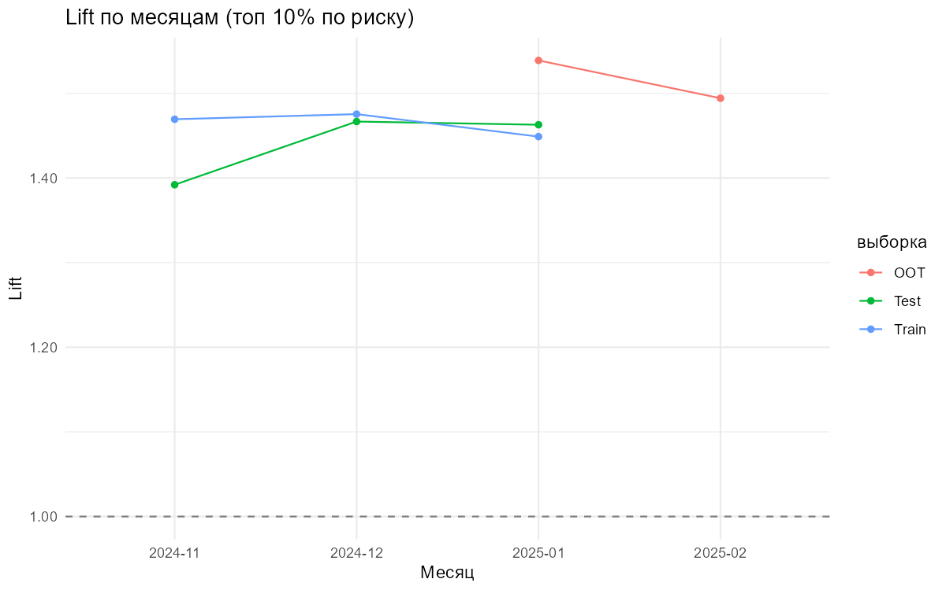
выборка | AUC | GINI | KS
Train | 0.63058005304 | 0.26116010607 | 0.19059335999
Test | 0.63638851749 | 0.27277703498 | 0.19298835314
OOT | 0.62621823771 | 0.25243647542 | 0.17650855998

4.1_Score_распределения
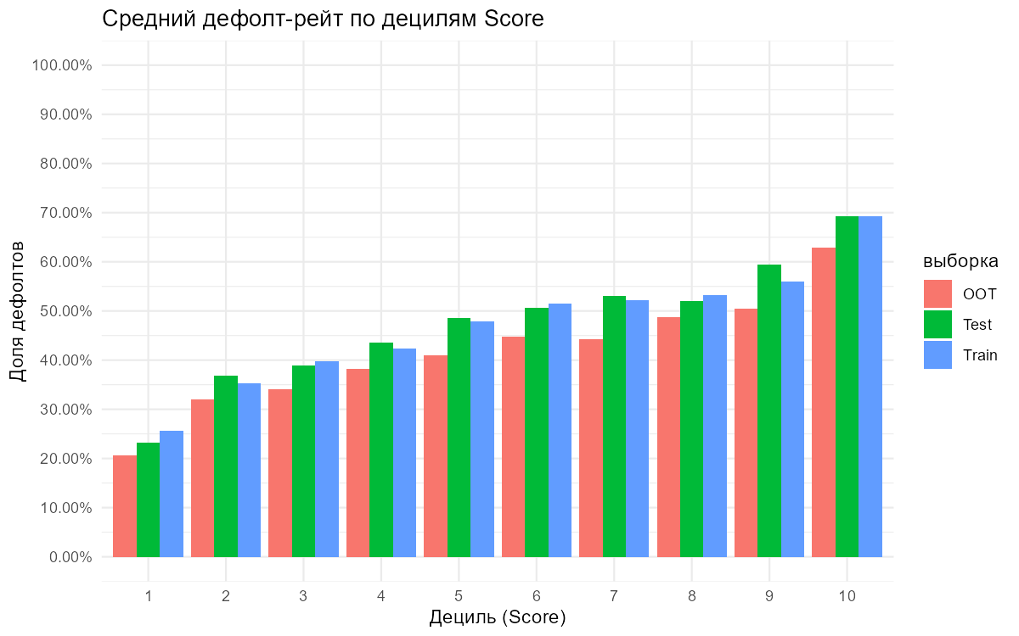
decile | n | rate | avg_score | выборка
1 | 2116 | 0.2556710775 | 805.36058601 | Train
2 | 2091 | 0.35341941655 | 837.31516021 | Train
3 | 2046 | 0.39784946237 | 849.39931574 | Train
4 | 2050 | 0.4243902439 | 860.90146341 | Train
5 | 2178 | 0.47933884298 | 874.66988062 | Train
6 | 2277 | 0.5155906895 | 883.15722442 | Train
7 | 1947 | 0.52234206471 | 889.45711351 | Train
8 | 1926 | 0.53167185877 | 895.72793354 | Train
9 | 2051 | 0.5602145295 | 906.39102877 | Train
10 | 2048 | 0.693359375 | 940.08886719 | Train
1 | 881 | 0.23155505108 | 803.7446084 | Test
2 | 927 | 0.36893203883 | 837.07443366 | Test
3 | 831 | 0.38868832732 | 849.45968712 | Test
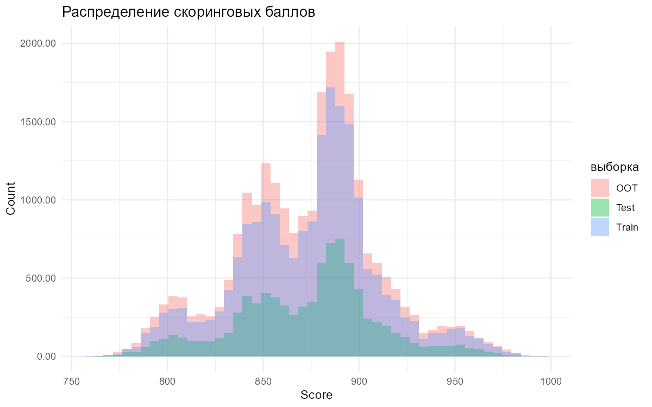
4 | 938 | 0.43603411514 | 861.5554371 | Test
5 | 947 | 0.48574445618 | 875.79725449 | Test
6 | 829 | 0.5066344994 | 883.60916767 | Test
7 | 891 | 0.52974186308 | 889.49607183 | Test
8 | 792 | 0.5202020202 | 895.76515152 | Test
9 | 886 | 0.59367945824 | 906.68961625 | Test
10 | 865 | 0.69248554913 | 939.19537572 | Test
1 | 2472 | 0.20631067961 | 803.87014563 | OOT
2 | 2635 | 0.32068311195 | 836.97912713 | OOT
3 | 2432 | 0.34087171053 | 849.49917763 | OOT
4 | 2311 | 0.38251839031 | 860.06187797 | OOT
5 | 2477 | 0.40936616875 | 873.30318934 | OOT
6 | 2431 | 0.4479638009 | 882.08844097 | OOT
7 | 2474 | 0.44341147939 | 888.41592563 | OOT
8 | 2570 | 0.48715953307 | 895.12490272 | OOT
9 | 2394 | 0.50459482038 | 906.58145363 | OOT
10 | 2399 | 0.62817840767 | 939.5206336 | OOT

