13-05
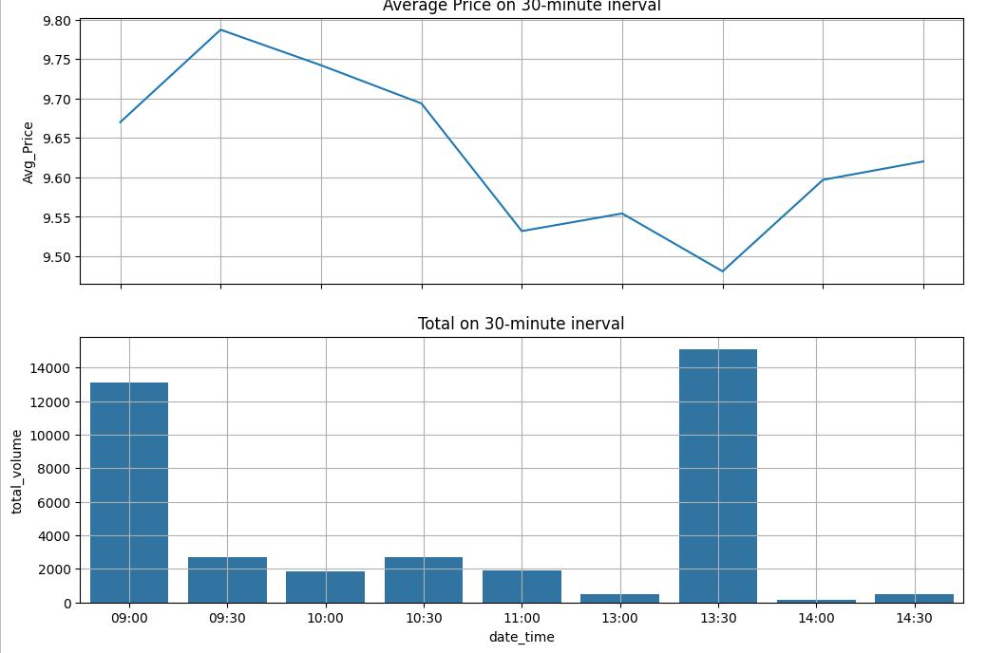
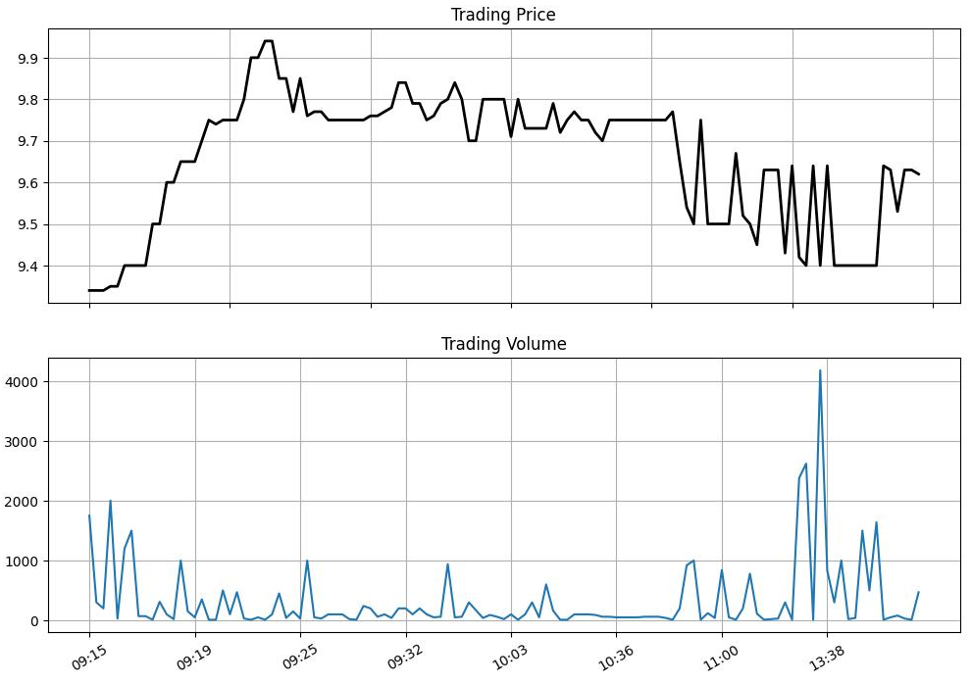
14:45:02 | 4,70 | 9.62 | 0.32
14:28:06 | 10 | 9.63 | 0.33
14:11:41 | 10 | 9.63 | 0.33
14:11:41 | 20 | 9.53 | 0.23
14:10:17 | 40 | 9.53 | 0.23
14:10:17 | 40 | 9.53 | 0.23
13:56:59 | 50 | 9.63 | 0.33
13:43:04 | 10 | 9.64 | 0.34
13:41:19 | 16,40 | 9.4 | 0.1
13:39:34 | 5,00 | 9.4 | 0.1
13:39:20 | 15,00 | 9.4 | 0.1
13:39:16 | 40 | 9.4 | 0.1
13:39:00 | 20 | 9.4 | 0.1
13:38:54 | 10,00 | 9.4 | 0.1
13:38:35 | 3,00 | 9.4 | 0.1
13:38:17 | 10 | 9.64 | 0.34
13:38:17 | 8,20 | 9.4 | 0.1
13:37:24 | 20,00 | 9.4 | 0.1
13:37:24 | 50 | 9.4 | 0.1
13:37:24 | 10 | 9.4 | 0.1
13:37:24 | 10 | 9.4 | 0.1
13:37:24 | 10,00 | 9.4 | 0.1
13:37:24 | 4,40 | 9.4 | 0.1
13:37:24 | 10 | 9.41 | 0.11
13:37:24 | 1,00 | 9.41 | 0.11
13:37:24 | 5,00 | 9.41 | 0.11
13:37:24 | 50 | 9.42 | 0.12
13:37:24 | 10 | 9.42 | 0.12
13:33:47 | 10 | 9.64 | 0.34
13:33:31 | 4,20 | 9.4 | 0.1
13:33:31 | 12,00 | 9.41 | 0.11
13:33:31 | 10,00 | 9.42 | 0.12
13:33:30 | 50 | 9.42 | 0.12
13:33:30 | 1,00 | 9.42 | 0.12
13:33:30 | 10 | 9.43 | 0.13
13:33:30 | 9,10 | 9.43 | 0.13
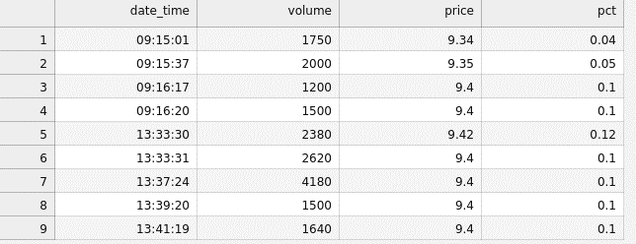
13:33:30 | 1,00 | 9.44 | 0.14
13:33:30 | 10 | 9.45 | 0.15
13:33:30 | 10,00 | 9.45 | 0.15
13:33:30 | 70 | 9.47 | 0.17
13:33:30 | 1,00 | 9.5 | 0.2
13:33:30 | 20 | 9.51 | 0.21
13:33:30 | 10 | 9.51 | 0.21
13:31:32 | 10 | 9.64 | 0.34
13:18:13 | 90 | 9.43 | 0.13
13:18:13 | 10 | 9.43 | 0.13
13:18:13 | 50 | 9.43 | 0.13
13:18:13 | 30 | 9.43 | 0.13
13:18:13 | 10 | 9.45 | 0.15
13:18:13 | 30 | 9.45 | 0.15
13:18:13 | 40 | 9.45 | 0.15
13:18:13 | 40 | 9.5 | 0.2
13:11:22 | 10 | 9.63 | 0.33
13:11:22 | 20 | 9.63 | 0.33
13:11:01 | 20 | 9.63 | 0.33
13:05:13 | 10 | 9.63 | 0.33
13:00:02 | 20 | 9.45 | 0.15
13:00:02 | 90 | 9.5 | 0.2
11:19:05 | 4,60 | 9.5 | 0.2
11:19:05 | 50 | 9.5 | 0.2
11:19:05 | 10 | 9.5 | 0.2
11:19:05 | 1,00 | 9.5 | 0.2
11:19:05 | 1,10 | 9.5 | 0.2
11:19:05 | 50 | 9.51 | 0.21
11:18:00 | 2,00 | 9.52 | 0.22
11:14:44 | 10 | 9.67 | 0.37
11:02:05 | 50 | 9.5 | 0.2
11:00:12 | 8,40 | 9.5 | 0.2
11:00:08 | 40 | 9.5 | 0.2
10:59:32 | 1,20 | 9.5 | 0.2
10:58:53 | 10 | 9.75 | 0.45
10:58:31 | 3,80 | 9.5 | 0.2
10:58:31 | 50 | 9.5 | 0.2
10:58:31 | 1,90 | 9.5 | 0.2
10:58:31 | 2,00 | 9.52 | 0.22
10:58:31 | 1,80 | 9.53 | 0.23
10:58:03 | 3,00 | 9.54 | 0.24
10:58:03 | 2,00 | 9.54 | 0.24
10:58:03 | 2,90 | 9.55 | 0.25
10:58:03 | 20 | 9.61 | 0.31
10:58:03 | 10 | 9.61 | 0.31
10:58:03 | 1,00 | 9.61 | 0.31
10:54:57 | 2,00 | 9.65 | 0.35
10:36:45 | 10 | 9.77 | 0.47
10:36:38 | 40 | 9.75 | 0.45
10:36:36 | 60 | 9.75 | 0.45
10:36:34 | 30 | 9.75 | 0.45
10:36:34 | 30 | 9.75 | 0.45
10:36:32 | 60 | 9.75 | 0.45
10:36:28 | 50 | 9.75 | 0.45
10:36:25 | 50 | 9.75 | 0.45
10:36:10 | 50 | 9.75 | 0.45
10:36:07 | 50 | 9.75 | 0.45
10:28:47 | 10 | 9.75 | 0.45
10:28:47 | 10 | 9.72 | 0.42
10:28:47 | 40 | 9.7 | 0.4
10:28:15 | 60 | 9.7 | 0.4
10:25:47 | 90 | 9.72 | 0.42
10:24:21 | 1,00 | 9.75 | 0.45
10:23:58 | 1,00 | 9.75 | 0.45
10:23:21 | 1,00 | 9.77 | 0.47
10:22:02 | 10 | 9.75 | 0.45
10:18:13 | 10 | 9.72 | 0.42
10:13:28 | 10 | 9.79 | 0.49
10:13:28 | 50 | 9.78 | 0.48
10:13:28 | 1,00 | 9.73 | 0.43
10:09:35 | 6,00 | 9.73 | 0.43
10:09:30 | 50 | 9.73 | 0.43
10:08:57 | 3,00 | 9.73 | 0.43
10:08:44 | 50 | 9.73 | 0.43
10:08:44 | 30 | 9.73 | 0.43
10:08:44 | 20 | 9.73 | 0.43
10:04:03 | 10 | 9.8 | 0.5
10:03:16 | 1,00 | 9.71 | 0.41
9:58:30 | 20 | 9.8 | 0.5
9:56:31 | 10 | 9.8 | 0.5
9:56:31 | 50 | 9.78 | 0.48
9:51:13 | 40 | 9.8 | 0.5
9:51:13 | 20 | 9.8 | 0.5
9:51:13 | 30 | 9.8 | 0.5
9:48:37 | 10 | 9.8 | 0.5
9:48:37 | 30 | 9.7 | 0.4
9:47:57 | 20 | 9.7 | 0.4
9:47:57 | 1,50 | 9.71 | 0.41
9:46:44 | 2,40 | 9.7 | 0.4
9:46:44 | 50 | 9.7 | 0.4
9:46:44 | 10 | 9.7 | 0.4
9:45:21 | 60 | 9.8 | 0.5
9:44:09 | 10 | 9.84 | 0.54
9:44:09 | 10 | 9.83 | 0.53
9:44:09 | 30 | 9.83 | 0.53
9:43:02 | 50 | 9.8 | 0.5
9:43:02 | 2,00 | 9.8 | 0.5
9:43:02 | 2,00 | 9.8 | 0.5
9:43:02 | 50 | 9.79 | 0.49
9:43:02 | 3,90 | 9.79 | 0.49
9:43:02 | 50 | 9.78 | 0.48
9:39:37 | 10 | 9.79 | 0.49
9:39:37 | 50 | 9.76 | 0.46
9:38:57 | 50 | 9.76 | 0.46
9:37:37 | 1,00 | 9.75 | 0.45
9:37:04 | 2,00 | 9.79 | 0.49
9:33:36 | 1,00 | 9.79 | 0.49
9:32:48 | 1,50 | 9.84 | 0.54
9:32:48 | 10 | 9.84 | 0.54
9:32:48 | 40 | 9.84 | 0.54
9:30:26 | 10 | 9.84 | 0.54
9:30:26 | 30 | 9.84 | 0.54
9:30:26 | 1,60 | 9.78 | 0.48
9:30:24 | 40 | 9.78 | 0.48
9:29:36 | 1,00 | 9.77 | 0.47
9:29:18 | 60 | 9.76 | 0.46
9:29:09 | 10 | 9.76 | 0.46
9:29:09 | 1,90 | 9.75 | 0.45
9:28:55 | 2,10 | 9.75 | 0.45
9:28:55 | 30 | 9.75 | 0.45
9:28:26 | 10 | 9.75 | 0.45
9:28:15 | 20 | 9.75 | 0.45
9:27:07 | 1,00 | 9.75 | 0.45
9:27:02 | 1,00 | 9.75 | 0.45
9:26:44 | 1,00 | 9.75 | 0.45
9:25:55 | 30 | 9.77 | 0.47
9:25:30 | 20 | 9.77 | 0.47
9:25:30 | 30 | 9.77 | 0.47
9:25:24 | 1,00 | 9.76 | 0.46
9:25:24 | 2,00 | 9.75 | 0.45
9:25:24 | 2,00 | 9.76 | 0.46
9:25:24 | 5,00 | 9.76 | 0.46
9:25:15 | 10 | 9.85 | 0.55
9:25:15 | 20 | 9.77 | 0.47
9:25:01 | 1,00 | 9.77 | 0.47
9:25:01 | 10 | 9.77 | 0.47
9:25:01 | 40 | 9.78 | 0.48
9:22:42 | 10 | 9.85 | 0.55
9:22:42 | 10 | 9.84 | 0.54
9:22:42 | 20 | 9.84 | 0.54
9:22:04 | 4,40 | 9.85 | 0.55
9:22:04 | 10 | 9.84 | 0.54
9:21:36 | 1,00 | 9.94 | 0.64
9:21:15 | 10 | 9.94 | 0.64
9:21:02 | 50 | 9.9 | 0.6
9:21:00 | 10 | 9.9 | 0.6
9:20:48 | 30 | 9.8 | 0.5
9:20:37 | 4,70 | 9.75 | 0.45
9:20:32 | 1,00 | 9.75 | 0.45
9:20:19 | 4,10 | 9.75 | 0.45
9:20:19 | 90 | 9.75 | 0.45
9:20:18 | 10 | 9.74 | 0.44
9:20:09 | 10 | 9.75 | 0.45
9:19:57 | 10 | 9.7 | 0.4
9:19:57 | 2,00 | 9.7 | 0.4
9:19:57 | 1,40 | 9.7 | 0.4
9:19:44 | 50 | 9.65 | 0.35
9:19:42 | 1,50 | 9.65 | 0.35
9:19:31 | 10,00 | 9.65 | 0.35
9:19:21 | 20 | 9.6 | 0.3
9:19:16 | 1,00 | 9.6 | 0.3
9:18:19 | 50 | 9.5 | 0.2
9:18:19 | 90 | 9.5 | 0.2
9:18:19 | 80 | 9.5 | 0.2
9:18:19 | 90 | 9.5 | 0.2
9:18:04 | 10 | 9.5 | 0.2
9:17:20 | 70 | 9.4 | 0.1
9:16:29 | 20 | 9.4 | 0.1
9:16:29 | 50 | 9.4 | 0.1
9:16:20 | 15,00 | 9.4 | 0.1
9:16:17 | 10,50 | 9.4 | 0.1
9:16:17 | 1,00 | 9.39 | 0.09
9:16:17 | 50 | 9.39 | 0.09
9:16:09 | 30 | 9.35 | 0.05
9:15:37 | 16,00 | 9.35 | 0.05
9:15:37 | 1,00 | 9.35 | 0.05
9:15:37 | 3,00 | 9.35 | 0.05
9:15:35 | 2,00 | 9.34 | 0.04
9:15:25 | 3,00 | 9.34 | 0.04
9:15:01 | 17,50 | 9.34 | 0.04

1-4
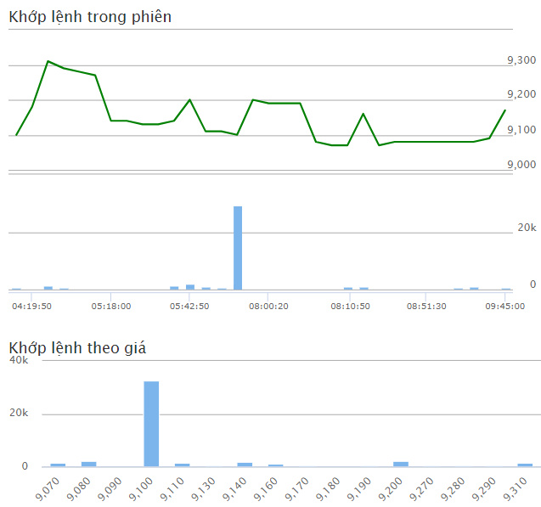
9:45:01 | 9,170110 (1.21%) | 500 | 46,400 | 1.08%
9:23:05 | 9,09030 (0.33%) | 100 | 45,900 | 0.22%
9:10:45 | 9,08020 (0.22%) | 1,000 | 45,800 | 2.16%
9:09:28 | 9,08020 (0.22%) | 500 | 44,800 | 1.08%
8:56:04 | 9,08020 (0.22%) | 200 | 44,300 | 0.43%
8:51:26 | 9,08020 (0.22%) | 300 | 44,100 | 0.65%
8:39:26 | 9,08020 (0.22%) | 100 | 43,800 | 0.22%
8:36:17 | 9,08020 (0.22%) | 100 | 43,700 | 0.22%
8:12:22 | 9,07010 (0.11%) | 100 | 43,600 | 0.22%
8:11:12 | 9,160100 (1.1%) | 1,000 | 43,500 | 2.16%
8:10:45 | 9,07010 (0.11%) | 900 | 42,500 | 1.94%
8:08:56 | 9,07010 (0.11%) | 300 | 41,600 | 0.65%
8:03:15 | 9,08020 (0.22%) | 100 | 41,300 | 0.22%
8:00:34 | 9,190130 (1.43%) | 100 | 41,200 | 0.22%
8:00:34 | 9,190130 (1.43%) | 200 | 41,100 | 0.43%
8:00:28 | 9,190130 (1.43%) | 100 | 40,900 | 0.24%
8:00:22 | 9,190130 (1.43%) | 100 | 40,800 | 0.24%
5:55:25 | 9,200140 (1.55%) | 200 | 40,700 | 0.49%
5:45:27 | 9,10040 (0.44%) | 2,000 | 40,500 | 4.89%
5:45:27 | 9,10040 (0.44%) | 500 | 38,500 | 1.22%
5:45:27 | 9,10040 (0.44%) | 29,200 | 38,000 | 71.39%
5:45:19 | 9,11050 (0.55%) | 500 | 8,800 | 1.22%
5:43:00 | 9,11050 (0.55%) | 900 | 8,300 | 2.20%
5:43:00 | 9,11050 (0.55%) | 100 | 7,400 | 0.24%
5:42:56 | 9,200140 (1.55%) | 2,000 | 7,300 | 4.89%
5:38:49 | 9,14080 (0.88%) | 1,300 | 5,300 | 3.18%
5:30:27 | 9,13070 (0.77%) | 400 | 4,000 | 0.98%
5:28:50 | 9,13070 (0.77%) | 100 | 3,600 | 0.24%
5:24:15 | 9,14080 (0.88%) | 200 | 3,500 | 0.49%
5:17:53 | 9,14080 (0.88%) | 100 | 3,300 | 0.24%
5:01:37 | 9,270210 (2.32%) | 100 | 3,200 | 3.13%
5:01:37 | 9,270210 (2.32%) | 100 | 3,100 | 3.13%
4:43:44 | 9,280220 (2.43%) | 100 | 3,000 | 3.13%
4:43:44 | 9,280220 (2.43%) | 100 | 2,900 | 3.13%
4:37:38 | 9,290230 (2.54%) | 500 | 2,800 | 15.63%
4:19:59 | 9,310250 (2.76%) | 1,400 | 2,300 | 43.75%
4:19:57 | 9,180120 (1.32%) | 100 | 900 | 3.13%
4:15:00 | 9,10040 (0.44%) | 800 | 800 | 25.00%

29-3
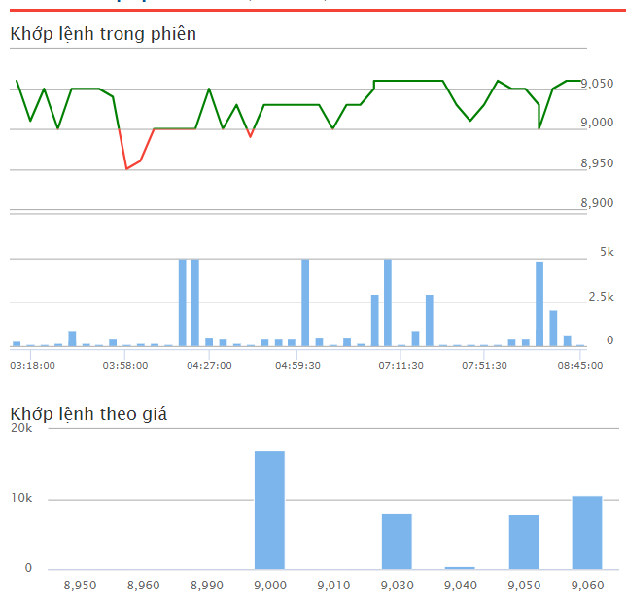
8:45:00 | 9,06060 (0.67%) | 100 | 44,500 | 0.22%
8:27:29 | 9,06060 (0.67%) | 100 | 44,400 | 0.22%
8:27:29 | 9,06060 (0.67%) | 700 | 44,300 | 1.57%
8:13:33 | 9,05050 (0.56%) | 2,100 | 43,600 | 4.72%
8:13:04 | 9,0000 (0%) | 4,900 | 41,500 | 11.01%
8:13:04 | 9,0000 (0%) | 1,000 | 36,600 | 2.25%
8:13:04 | 9,03030 (0.33%) | 100 | 35,600 | 0.22%
8:11:52 | 9,05050 (0.56%) | 400 | 35,500 | 0.90%
8:06:40 | 9,05050 (0.56%) | 400 | 35,100 | 0.90%
7:59:56 | 9,06060 (0.67%) | 100 | 34,700 | 0.22%
7:51:10 | 9,03030 (0.33%) | 100 | 34,600 | 0.22%
7:45:41 | 9,01010 (0.11%) | 100 | 34,500 | 0.22%
7:38:35 | 9,03030 (0.33%) | 100 | 34,400 | 0.22%
7:25:15 | 9,06060 (0.67%) | 100 | 34,300 | 0.22%
7:22:57 | 9,06060 (0.67%) | 3,000 | 34,200 | 6.74%
7:18:21 | 9,06060 (0.67%) | 900 | 31,200 | 2.88%
7:11:46 | 9,06060 (0.67%) | 100 | 30,300 | 0.32%
7:04:58 | 9,06060 (0.67%) | 5,000 | 30,200 | 16.03%
5:25:00 | 9,06060 (0.67%) | 100 | 25,200 | 0.32%
5:25:00 | 9,05050 (0.56%) | 3,000 | 25,100 | 9.62%
5:17:05 | 9,03030 (0.33%) | 200 | 22,100 | 0.64%
5:15:46 | 9,03030 (0.33%) | 500 | 21,900 | 1.60%
5:15:46 | 9,03030 (0.33%) | 200 | 21,400 | 0.64%
5:03:11 | 9,0000 (0%) | 100 | 21,200 | 0.32%
4:59:58 | 9,03030 (0.33%) | 500 | 21,100 | 1.60%
4:59:42 | 9,03030 (0.33%) | 5,000 | 20,600 | 16.03%
4:59:20 | 9,03030 (0.33%) | 400 | 15,600 | 1.28%
4:58:38 | 9,03030 (0.33%) | 400 | 15,200 | 1.28%
4:56:49 | 9,03030 (0.33%) | 400 | 14,800 | 1.28%
4:56:28 | 8,990-10 (-0.11%) | 100 | 14,400 | 0.32%
4:45:23 | 9,03030 (0.33%) | 200 | 14,300 | 1.40%
4:39:59 | 9,0000 (0%) | 400 | 14,100 | 2.80%
4:26:48 | 9,05050 (0.56%) | 500 | 13,700 | 3.50%
4:26:44 | 9,0000 (0%) | 5,000 | 13,200 | 34.97%
4:23:48 | 9,0000 (0%) | 5,000 | 8,200 | 34.97%
4:15:47 | 9,0000 (0%) | 100 | 3,200 | 0.70%
4:14:12 | 9,0000 (0%) | 200 | 3,100 | 1.40%
4:06:06 | 8,960-40 (-0.44%) | 200 | 2,900 | 1.40%
3:58:26 | 8,950-50 (-0.56%) | 100 | 2,700 | 0.70%
3:53:24 | 9,04040 (0.44%) | 400 | 2,600 | 2.80%
3:41:56 | 9,05050 (0.56%) | 100 | 2,200 | 0.70%
3:37:53 | 9,05050 (0.56%) | 200 | 2,100 | 1.40%
3:34:50 | 9,05050 (0.56%) | 300 | 1,900 | 2.10%
3:34:50 | 9,05050 (0.56%) | 900 | 1,600 | 6.29%
3:33:34 | 9,0000 (0%) | 200 | 700 | 1.40%
3:27:58 | 9,05050 (0.56%) | 100 | 500 | 20.00%
3:17:39 | 9,01010 (0.11%) | 100 | 400 | 20.00%
3:15:00 | 9,06060 (0.67%) | 300 | 300 | 60.00%

28-3
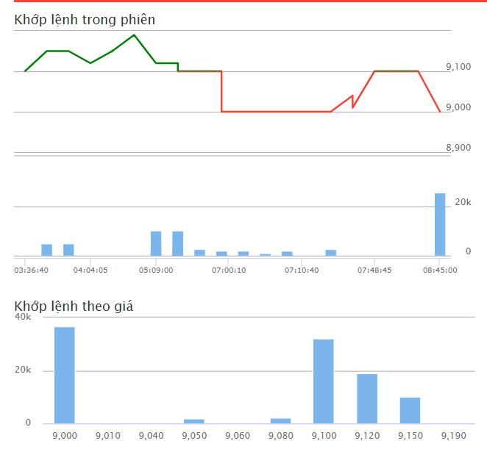
8:45:01 | 9,000-100 (-1.1%) | 25,400 | 102,100 | 24.88%
8:14:55 | 9,1000 (0%) | 100 | 76,700 | 0.10%
7:54:41 | 9,1000 (0%) | 100 | 76,600 | 0.10%
7:48:45 | 9,1000 (0%) | 100 | 76,500 | 0.10%
7:40:13 | 9,010-90 (-0.99%) | 300 | 76,400 | 0.29%
7:40:13 | 9,010-90 (-0.99%) | 100 | 76,100 | 0.10%
7:40:13 | 9,040-60 (-0.66%) | 100 | 76,000 | 0.10%
7:10:45 | 9,000-100 (-1.1%) | 2,600 | 75,900 | 2.55%
7:10:43 | 9,000-100 (-1.1%) | 200 | 73,300 | 0.20%
7:10:34 | 9,000-100 (-1.1%) | 1,000 | 73,100 | 0.98%
Cashflow:
ATC - 9
- High volume at 9.1
7:10:34 | 9,000-100 (-1.1%) | 500 | 72,100 | 0.49%
7:10:34 | 9,000-100 (-1.1%) | 2,000 | 71,600 | 1.96%
7:10:34 | 9,000-100 (-1.1%) | 100 | 69,600 | 0.10%
7:10:34 | 9,000-100 (-1.1%) | 100 | 69,500 | 0.10%
7:04:03 | 9,000-100 (-1.1%) | 1,000 | 69,400 | 0.98%
7:00:16 | 9,000-100 (-1.1%) | 2,000 | 68,400 | 2.92%
7:00:07 | 9,000-100 (-1.1%) | 100 | 66,400 | 0.15%
7:00:07 | 9,000-100 (-1.1%) | 500 | 66,300 | 0.73%
7:00:07 | 9,000-100 (-1.1%) | 1,000 | 65,800 | 1.46%
7:00:07 | 9,000-100 (-1.1%) | 200 | 64,800 | 0.29%
7:00:07 | 9,050-50 (-0.55%) | 1,000 | 64,600 | 1.46%
7:00:07 | 9,050-50 (-0.55%) | 200 | 63,600 | 0.29%
7:00:07 | 9,050-50 (-0.55%) | 300 | 63,400 | 0.44%
7:00:07 | 9,050-50 (-0.55%) | 200 | 63,100 | 0.29%
7:00:07 | 9,060-40 (-0.44%) | 100 | 62,900 | 0.15%
7:00:07 | 9,080-20 (-0.22%) | 1,900 | 62,800 | 2.78%
7:00:07 | 9,080-20 (-0.22%) | 100 | 60,900 | 0.15%
7:00:07 | 9,1000 (0%) | 400 | 60,800 | 0.58%
5:20:20 | 9,1000 (0%) | 2,600 | 60,400 | 3.80%
5:20:20 | 9,1000 (0%) | 400 | 57,800 | 0.58%
5:09:28 | 9,1000 (0%) | 9,600 | 57,400 | 16.72%
5:09:28 | 9,1000 (0%) | 10,000 | 47,800 | 17.42%
5:09:28 | 9,1000 (0%) | 5,000 | 37,800 | 8.71%
5:09:28 | 9,1000 (0%) | 2,000 | 32,800 | 3.48%
5:09:28 | 9,1000 (0%) | 600 | 30,800 | 1.05%
5:09:28 | 9,1000 (0%) | 100 | 30,200 | 0.17%
5:09:28 | 9,1000 (0%) | 1,000 | 30,100 | 1.74%
5:09:28 | 9,12020 (0.22%) | 1,700 | 29,100 | 2.96%
5:09:28 | 9,12020 (0.22%) | 300 | 27,400 | 0.52%
5:09:00 | 9,12020 (0.22%) | 10,000 | 27,100 | 17.42%
5:09:00 | 9,12020 (0.22%) | 5,000 | 17,100 | 8.71%
5:09:00 | 9,12020 (0.22%) | 600 | 12,100 | 1.05%
5:09:00 | 9,12020 (0.22%) | 200 | 11,500 | 0.35%
5:09:00 | 9,12020 (0.22%) | 900 | 11,300 | 1.57%
4:39:24 | 9,19090 (0.99%) | 100 | 10,400 | 0.17%
4:36:19 | 9,15050 (0.55%) | 100 | 10,300 | 0.97%
4:04:03 | 9,12020 (0.22%) | 100 | 10,200 | 0.97%
3:56:24 | 9,15050 (0.55%) | 5,000 | 10,100 | 48.54%
3:53:13 | 9,15050 (0.55%) | 5,000 | 5,100 | 48.54%
3:36:37 | 9,1000 (0%) | 100 | 100 | 0.97%

27-3
8:00:49 | 9,1000 (0%) | 4,000 | 97,000 | 4.12%
7:58:21 | 9,1000 (0%) | 1,000 | 93,000 | 1.03%
7:55:01 | 9,14040 (0.44%) | 400 | 92,000 | 0.41%
7:43:39 | 9,14040 (0.44%) | 500 | 91,600 | 0.52%
7:39:05 | 9,1000 (0%) | 1,000 | 91,100 | 1.03%
7:39:05 | 9,1000 (0%) | 900 | 90,100 | 0.93%
7:39:05 | 9,1000 (0%) | 40,000 | 89,200 | 41.24%
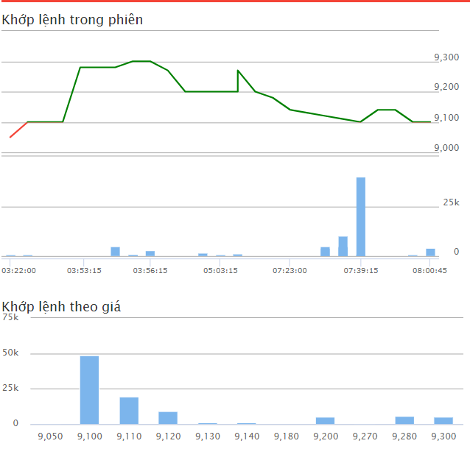
7:29:43 | 9,11010 (0.11%) | 5,000 | 49,200 | 5.15%
7:29:43 | 9,11010 (0.11%) | 4,500 | 44,200 | 4.64%
7:29:43 | 9,11010 (0.11%) | 10,000 | 39,700 | 10.31%
7:23:26 | 9,12020 (0.22%) | 5,000 | 29,700 | 5.15%
7:23:26 | 9,12020 (0.22%) | 100 | 24,700 | 0.10%
7:23:26 | 9,12020 (0.22%) | 4,200 | 24,600 | 4.33%
7:23:17 | 9,13030 (0.33%) | 500 | 20,400 | 0.52%
7:23:17 | 9,13030 (0.33%) | 500 | 19,900 | 0.52%
7:23:12 | 9,14040 (0.44%) | 100 | 19,400 | 0.52%
7:17:01 | 9,18080 (0.88%) | 100 | 19,300 | 0.52%
Cashflow:
Intensive Trading at 9100 -> (due to market swings)
--> The firms aldready collected them
7:15:55 | 9,200100 (1.1%) | 100 | 19,200 | 0.52%
5:13:49 | 9,270170 (1.87%) | 500 | 19,100 | 2.58%
5:13:49 | 9,200100 (1.1%) | 200 | 18,600 | 1.03%
5:13:49 | 9,200100 (1.1%) | 1,300 | 18,400 | 6.70%
5:03:08 | 9,200100 (1.1%) | 700 | 17,100 | 3.61%
5:03:08 | 9,200100 (1.1%) | 100 | 16,400 | 0.52%
5:03:08 | 9,200100 (1.1%) | 500 | 16,300 | 2.58%
4:16:33 | 9,200100 (1.1%) | 500 | 15,800 | 2.58%
4:16:33 | 9,200100 (1.1%) | 1,800 | 15,300 | 9.28%
4:13:20 | 9,200100 (1.1%) | 200 | 13,500 | 1.03%
4:01:29 | 9,270170 (1.87%) | 100 | 13,300 | 0.52%
3:56:15 | 9,300200 (2.2%) | 3,000 | 13,200 | 15.46%
3:55:33 | 9,300200 (2.2%) | 1,000 | 10,200 | 5.15%
3:55:33 | 9,300200 (2.2%) | 1,000 | 9,200 | 10.87%
3:54:53 | 9,280180 (1.98%) | 5,000 | 8,200 | 54.35%
3:53:40 | 9,280180 (1.98%) | 600 | 3,200 | 6.52%
3:53:08 | 9,280180 (1.98%) | 100 | 2,600 | 1.09%
3:50:12 | 9,1000 (0%) | 500 | 2,500 | 5.43%
3:35:55 | 9,1000 (0%) | 100 | 2,000 | 1.09%
3:35:55 | 9,1000 (0%) | 100 | 1,900 | 1.09%
3:28:34 | 9,1000 (0%) | 1,000 | 1,800 | 10.87%
3:21:53 | 9,050-50 (-0.55%) | 800 | 800 | 8.70%

26-3
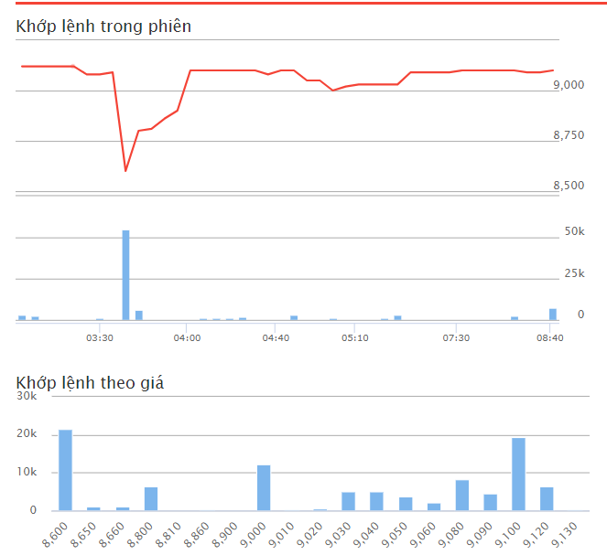
8:45:01 | 9,100-140 (-1.52%) | 7,100 | 97,700 | 7.27%
8:23:14 | 9,090-150 (-1.62%) | 400 | 90,600 | 0.41%
8:11:54 | 9,090-150 (-1.62%) | 100 | 90,200 | 0.10%
8:10:28 | 9,100-140 (-1.52%) | 2,600 | 90,100 | 2.66%
7:55:38 | 9,100-140 (-1.52%) | 500 | 87,500 | 0.51%
7:50:55 | 9,100-140 (-1.52%) | 400 | 87,000 | 0.41%
7:40:59 | 9,100-140 (-1.52%) | 100 | 86,600 | 0.10%
7:38:55 | 9,100-140 (-1.52%) | 100 | 86,500 | 0.10%
7:21:51 | 9,090-150 (-1.62%) | 500 | 86,400 | 0.51%
7:10:33 | 9,090-150 (-1.62%) | 200 | 85,900 | 0.20%
Cashflow:
Intensive Trading at 8600 -> (due to market swings)
--> The firms aldready collected them
7:00:01 | 9,090-150 (-1.62%) | 200 | 85,700 | 0.20%
7:00:00 | 9,030-210 (-2.27%) | 200 | 85,500 | 0.20%
7:00:00 | 9,050-190 (-2.06%) | 100 | 85,300 | 0.10%
5:24:50 | 9,090-150 (-1.62%) | 100 | 85,200 | 0.10%
5:18:12 | 9,030-210 (-2.27%) | 3,200 | 85,100 | 3.28%
5:17:27 | 9,030-210 (-2.27%) | 1,000 | 81,900 | 1.22%
5:15:14 | 9,030-210 (-2.27%) | 200 | 80,900 | 0.24%
5:12:12 | 9,030-210 (-2.27%) | 500 | 80,700 | 0.61%
5:05:41 | 9,020-220 (-2.38%) | 400 | 80,200 | 0.49%
5:03:13 | 9,000-240 (-2.6%) | 700 | 79,800 | 0.85%
5:03:05 | 9,010-230 (-2.49%) | 300 | 79,100 | 0.37%
5:00:52 | 9,050-190 (-2.06%) | 200 | 78,800 | 0.24%
4:57:02 | 9,050-190 (-2.06%) | 300 | 78,600 | 0.37%
4:52:02 | 9,100-140 (-1.52%) | 400 | 78,300 | 0.49%
4:52:02 | 9,100-140 (-1.52%) | 2,600 | 77,900 | 3.17%
4:42:16 | 9,100-140 (-1.52%) | 100 | 75,300 | 0.12%
4:37:02 | 9,080-160 (-1.73%) | 100 | 75,200 | 0.12%
4:33:36 | 9,100-140 (-1.52%) | 100 | 75,100 | 0.12%
4:17:40 | 9,100-140 (-1.52%) | 700 | 75,000 | 0.85%
4:17:40 | 9,100-140 (-1.52%) | 1,300 | 74,300 | 1.59%
4:15:30 | 9,100-140 (-1.52%) | 400 | 73,000 | 0.55%
4:15:11 | 9,100-140 (-1.52%) | 1,000 | 72,600 | 1.37%
4:14:44 | 9,100-140 (-1.52%) | 1,000 | 71,600 | 1.37%
4:10:21 | 9,100-140 (-1.52%) | 1,000 | 70,600 | 1.37%
4:04:21 | 9,100-140 (-1.52%) | 100 | 69,600 | 0.14%
3:48:26 | 8,900-340 (-3.68%) | 100 | 69,500 | 0.14%
3:37:14 | 8,860-380 (-4.11%) | 200 | 69,400 | 0.27%
3:36:32 | 8,810-430 (-4.65%) | 100 | 69,200 | 0.14%
3:34:39 | 8,800-440 (-4.76%) | 200 | 69,100 | 0.27%
3:34:35 | 8,800-440 (-4.76%) | 100 | 68,900 | 0.14%
3:34:26 | 8,800-440 (-4.76%) | 3,200 | 68,800 | 4.38%
3:34:26 | 8,800-440 (-4.76%) | 2,800 | 65,600 | 3.84%
3:33:56 | 8,600-640 (-6.93%) | 100 | 62,800 | 0.14%
3:33:54 | 8,600-640 (-6.93%) | 15,000 | 62,700 | 20.55%
3:33:49 | 8,600-640 (-6.93%) | 500 | 47,700 | 0.68%
3:33:48 | 8,600-640 (-6.93%) | 6,000 | 47,200 | 12.71%
3:33:36 | 8,650-590 (-6.39%) | 1,000 | 41,200 | 2.12%
3:33:36 | 8,660-580 (-6.28%) | 1,000 | 40,200 | 2.12%
3:33:36 | 9,000-240 (-2.6%) | 100 | 39,200 | 0.21%
3:33:36 | 9,000-240 (-2.6%) | 5,000 | 39,100 | 10.59%
3:33:36 | 9,000-240 (-2.6%) | 100 | 34,100 | 0.21%
3:33:36 | 9,000-240 (-2.6%) | 5,000 | 34,000 | 10.59%
3:33:36 | 9,000-240 (-2.6%) | 100 | 29,000 | 0.21%
3:33:36 | 9,000-240 (-2.6%) | 100 | 28,900 | 0.21%
3:33:36 | 9,000-240 (-2.6%) | 1,000 | 28,800 | 2.12%
3:33:36 | 9,040-200 (-2.16%) | 5,000 | 27,800 | 10.59%
3:33:36 | 9,050-190 (-2.06%) | 2,000 | 22,800 | 4.24%
3:33:36 | 9,050-190 (-2.06%) | 1,000 | 20,800 | 2.12%
3:33:36 | 9,060-180 (-1.95%) | 1,000 | 19,800 | 2.12%
3:33:36 | 9,060-180 (-1.95%) | 1,000 | 18,800 | 2.12%
3:33:36 | 9,080-160 (-1.73%) | 6,600 | 17,800 | 37.08%
3:33:36 | 9,080-160 (-1.73%) | 400 | 11,200 | 2.25%
3:33:36 | 9,090-150 (-1.62%) | 100 | 10,800 | 0.56%
3:33:36 | 9,090-150 (-1.62%) | 2,700 | 10,700 | 15.17%
3:32:01 | 9,090-150 (-1.62%) | 300 | 8,000 | 1.69%
3:30:56 | 9,080-160 (-1.73%) | 1,100 | 7,700 | 6.18%
3:29:37 | 9,080-160 (-1.73%) | 100 | 6,600 | 0.56%
3:28:52 | 9,120-120 (-1.3%) | 200 | 6,500 | 1.12%
3:27:59 | 9,120-120 (-1.3%) | 100 | 6,300 | 0.56%
3:27:54 | 9,120-120 (-1.3%) | 800 | 6,200 | 4.49%
3:23:06 | 9,120-120 (-1.3%) | 200 | 5,400 | 1.12%
3:20:18 | 9,120-120 (-1.3%) | 500 | 5,200 | 2.81%
3:20:18 | 9,120-120 (-1.3%) | 1,600 | 4,700 | 8.99%
3:20:18 | 9,130-110 (-1.19%) | 200 | 3,100 | 1.12%
3:15:31 | 9,120-120 (-1.3%) | 400 | 2,900 | 2.25%
3:15:01 | 9,120-120 (-1.3%) | 2,500 | 2,500

25-3
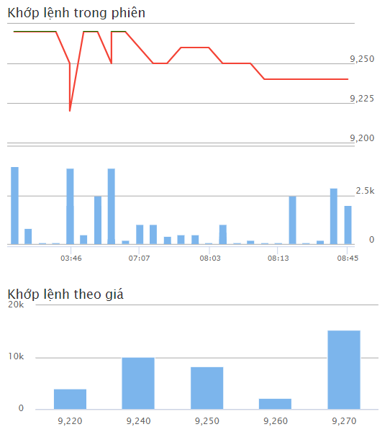
8:45:01 | 9,240-30 (-0.32%) | 2,000 | 39,700 | 5.04%
8:28:40 | 9,240-30 (-0.32%) | 100 | 37,700 | 0.25%
8:28:40 | 9,240-30 (-0.32%) | 2,900 | 37,600 | 7.30%
8:23:47 | 9,240-30 (-0.32%) | 100 | 34,700 | 0.25%
8:23:47 | 9,240-30 (-0.32%) | 200 | 34,600 | 0.50%
8:23:27 | 9,240-30 (-0.32%) | 100 | 34,400 | 0.25%
8:18:49 | 9,240-30 (-0.32%) | 2,500 | 34,300 | 6.30%
8:13:00 | 9,240-30 (-0.32%) | 100 | 31,800 | 0.25%
8:12:45 | 9,240-30 (-0.32%) | 100 | 31,700 | 0.25%
8:11:04 | 9,250-20 (-0.22%) | 200 | 31,600 | 0.50%
Cashflow:
Normal Trading - (especially ) at 9.27
8:05:12 | 9,250-20 (-0.22%) | 100 | 31,400 | 0.25%
8:04:12 | 9,250-20 (-0.22%) | 400 | 31,300 | 1.01%
8:04:12 | 9,250-20 (-0.22%) | 1,000 | 30,900 | 2.52%
8:04:12 | 9,250-20 (-0.22%) | 300 | 29,900 | 0.76%
8:04:12 | 9,250-20 (-0.22%) | 600 | 29,600 | 1.51%
8:02:52 | 9,260-10 (-0.11%) | 100 | 29,000 | 0.34%
7:28:18 | 9,260-10 (-0.11%) | 100 | 28,900 | 0.34%
7:28:18 | 9,260-10 (-0.11%) | 500 | 28,800 | 1.72%
7:10:06 | 9,260-10 (-0.11%) | 500 | 28,300 | 1.72%
7:08:42 | 9,250-20 (-0.22%) | 400 | 27,800 | 1.38%
7:08:42 | 9,250-20 (-0.22%) | 100 | 27,400 | 0.34%
7:08:25 | 9,250-20 (-0.22%) | 1,000 | 27,300 | 3.45%
7:07:25 | 9,260-10 (-0.11%) | 1,000 | 26,300 | 3.45%
4:58:28 | 9,2700 (0%) | 200 | 25,300 | 0.69%
4:31:21 | 9,2700 (0%) | 300 | 25,100 | 1.03%
4:31:21 | 9,2700 (0%) | 200 | 24,800 | 0.69%
4:31:21 | 9,250-20 (-0.22%) | 3,900 | 24,600 | 13.45%
4:31:21 | 9,250-20 (-0.22%) | 100 | 20,700 | 0.34%
4:26:42 | 9,2700 (0%) | 300 | 20,600 | 1.03%
4:26:42 | 9,2700 (0%) | 2,000 | 20,300 | 6.90%

20-3
14:45:02 | 6,40 | 9.85 | 0.01
14:29:17 | 70 | 9.85 | 0.01
14:26:56 | 50 | 9.85 | 0.01
14:25:02 | 2,50 | 9.85 | 0.01
14:24:44 | 50 | 9.85 | 0.01
14:24:41 | 40 | 9.83 | -0.01
14:19:02 | 13,70 | 9.83 | -0.01
14:19:02 | 20 | 9.83 | -0.01
14:19:02 | 3,00 | 9.83 | -0.01
14:19:02 | 10 | 9.84
14:10:30 | 1,90 | 9.84
14:10:30 | 10 | 9.84
14:10:30 | 3,00 | 9.84
14:09:04 | 50 | 9.84
14:09:04 | 30 | 9.84
14:06:28 | 90 | 9.84
14:05:48 | 90 | 9.84
14:02:56 | 40 | 9.84
Cashflow:
Accumulative at 9.83 - 9.84
14:01:32 | 27,00 | 9.83 | -0.01
14:01:32 | 50 | 9.83 | -0.01
x10
14:01:32 | 40 | 9.83 | -0.01
14:01:32 | 10 | 9.83 | -0.01
14:00:07 | 10 | 9.84
13:57:45 | 1,00 | 9.84
13:52:43 | 2,00 | 9.84
13:51:04 | 50 | 9.84
13:42:36 | 3,00 | 9.84
13:42:36 | 20 | 9.84
13:42:36 | 32,50 | 9.84
13:40:16 | 1,00 | 9.85 | 0.01
13:32:02 | 50 | 9.85 | 0.01
13:19:52 | 10 | 9.86 | 0.02
13:19:52 | 10 | 9.85 | 0.01
13:19:27 | 20 | 9.85 | 0.01
13:16:57 | 30 | 9.85 | 0.01
13:16:41 | 7,00 | 9.85 | 0.01
13:13:50 | 2,00 | 9.85 | 0.01
13:13:31 | 50 | 9.85 | 0.01
13:12:36 | 50 | 9.84
13:11:49 | 30 | 9.84
13:11:49 | 30 | 9.84
13:11:49 | 1,40 | 9.84
13:11:18 | 1,10 | 9.84
13:08:11 | 40 | 9.84
13:04:50 | 10 | 9.84
13:00:06 | 1,00 | 9.84
11:27:49 | 10 | 9.84
11:25:59 | 10 | 9.84
11:23:24 | 50 | 9.84
10:57:29 | 30 | 9.84
10:57:29 | 30 | 9.84
10:57:29 | 40 | 9.83 | -0.01
10:57:08 | 30 | 9.83 | -0.01
10:48:25 | 10 | 9.83 | -0.01
10:48:25 | 10 | 9.83 | -0.01
10:48:25 | 10 | 9.83 | -0.01
10:40:30 | 10 | 9.83 | -0.01
10:40:10 | 10 | 9.83 | -0.01
10:36:45 | 2,00 | 9.84
10:35:02 | 1,80 | 9.84
10:33:26 | 90 | 9.84
10:29:44 | 4,10 | 9.84
10:22:20 | 60 | 9.84
10:22:20 | 70 | 9.84
10:07:48 | 3,20 | 9.84
10:04:28 | 70 | 9.84
10:02:23 | 40 | 9.84
10:02:23 | 40 | 9.84
10:02:23 | 1,00 | 9.84
10:02:23 | 50 | 9.84
9:39:24 | 10 | 9.85 | 0.01
9:37:22 | 2,00 | 9.85 | 0.01
9:32:44 | 30 | 9.85 | 0.01
9:30:10 | 50 | 9.85 | 0.01
9:26:15 | 10 | 9.84
9:15:01 | 3,20 | 9.85 | 0.01
9:15:01 | 3,20 | 9.85 | 0.01

