Dashboard
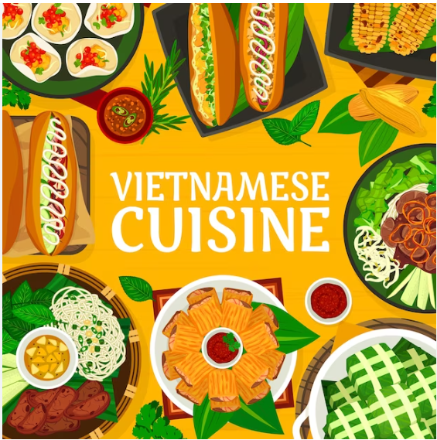
Total Revenue
2,442,077
Total Items Sold
12,710
Total Orders
5417
Q4 - 2023

CALCUTTA MINT | 78540
N R G HOOKAH | 133650
MINT FLAVOUR SINGLE | 164241
NIRVANA HOOKAH SINGLE | 176899.8
SAMBUCA | 182490
Top 5 best Sold Items
The Proportion Sales By Categories (units)

10 | 4458
11 | 40480
12 | 64082
13 | 92623
14 | 96867
15 | 139098
16 | 163505
17 | 192062
18 | 198791
19 | 217978
20 | 232393
21 | 222790
22 | 202337
23 | 265309
0 | 205981
01 | 103321
Hourly Trend By Revenue
ADD POTATO WEDGES | 43.31
TREE DIARY | 65.1
OATMEAL AND RAISIN COOKIES | 68.06
MUGS - PLAIN COLOUR | 75.38
COOLER GLASS(PILSNER) | 78.75
5 Worst Sold Items

BEVERAGE | 42
FOOD | 41
MERCHANDISE | 26
WINES | 14
TOBACCO | 14
MISC | 8
LIQUOR | 3
Least Sold Items (<10) by Categories (units)

