Sheet1
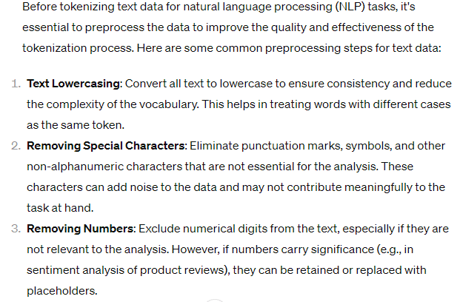
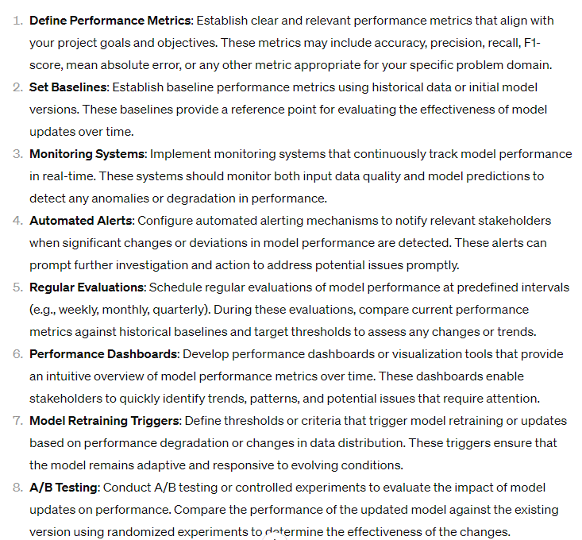
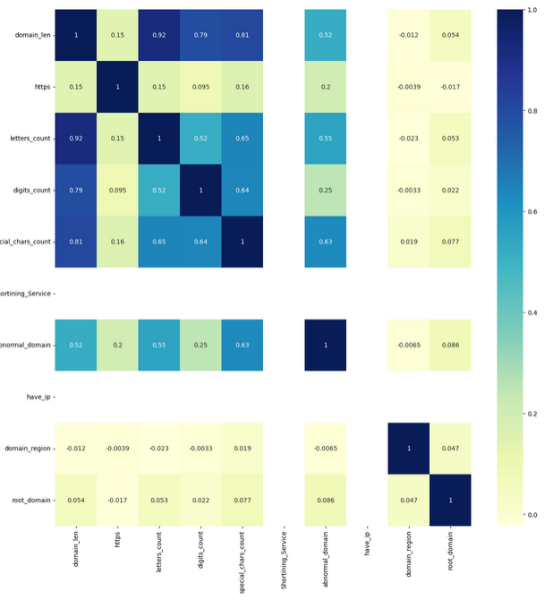

1. The proposition for maintenance and updating model :
- The strategies of detecting the change in data distribution
+ Statiscal Monitoring
+ Change Detection Algorithms
+ Density Estimations
+ Distance Metrics
+ Supervised Drift Detection
+ Feature Importance Analysis
+ Domain Knowlege and Expert Input (use by other sectors)
+ Feeback Mechanisms
- The method of incorporate new informations in the model
+ Data collection
+ Data preprocessing
+ Model Update Strategy (online learning / Batch Retraining)
periodically
+ Model Evaluation
+
- Suggestions for supervising the model performance over time
+ Define Performance Metrics (Always Using Metrics if lower than threshold --> model need to be updated)
--> Take record all fail classification for new dataset --> new model
+ Set Baselines
+ Monitoring Systems
+ Automated Alerts
+ Regular Evaluations
+ Performance Dashboards
+ Model Retraining Triggers
+ A/B testing
So as to maintenant as well as updating the model for future usage:
- Checking the data quality (is it the same distribution as the data fed into training model) after data
- Making sure that the new data is followed the old data distribution by using statiscal Test (the Chi-square test or machine learning method,...) to make sure that the similarity between new and old data. In other way, machine learning method will be applied fo r this issue by training the model on the old data and evaluate its performance on the new data. If model performs well on the new data, it suggests that the distribution are similar
- Feeding new data by using the data preprocessing in the notebooks.
( Get url lengh
-Extract primary domain
- Check whether domains having https (secure)
- Count the number of digit characters
- Count the number of letter characters
- Count special characters
- Check whether domains containing a shortening service
- Check wether having abnormal domain
- Check wether having IP address
- Extract regional domain
- Extract root domain
)
- Model evalutation (performance) (espically recall,specificity and accuracy) or using other techniques such as feature importance analysis, confusion matices , confidence intervals
- If the model performance's lower than particular thresholds, model will be modified so as to update to newest data
- To do so, model monitoring is required to identy and resolve any issues or anomolies that may arise during their behavior, performance and impact. To do this effectively, some useful tools as logging, dashboarding and alerting on a periodically basis

1
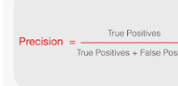
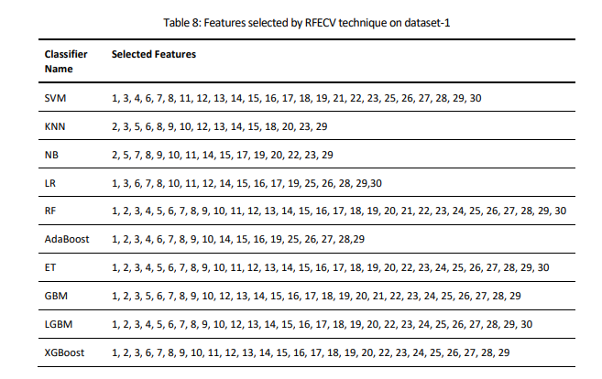
Link | https://arxiv.org/ftp/arxiv/papers/2403/2403.09735.pdf

Sophisticated Framework for the Accurate Detection of Phising Websites (13-03-2024)

OBJECTIVE:
This paper proposes a comprehensive methodology for detecting phishing websites.
The goal is:
- to design a system that is capable of accurately distinguishing phishing websites from legitimate ones and provides generalized performance over a broad variety of datasets
- A combination of feature selection, greedy algorithm, cross-validation, and deep learning methods have been utilized to construct a sophisticated stacking ensemble classifier
The proposed algorithm outperformed the other existing phishing detection models obtaining accuracy of 97.49%, 98.23%, 97.48%, and 98.20% on dataset-1 (UCI Phishing Websites Dataset), dataset-2 (Phishing Dataset for Machine Learning: Feature Evaluation), dataset-3 (Phishing Websites Dataset), and dataset-4 (Web page phishing detection), respectively
The high accuracy values obtained across all datasets imply the models’ generalizability and effectiveness in the accurate identification of phishing websites
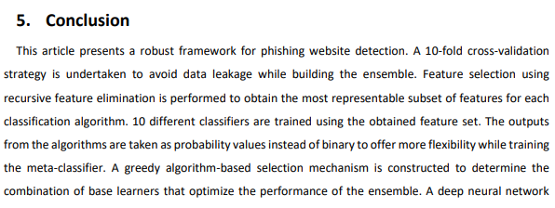

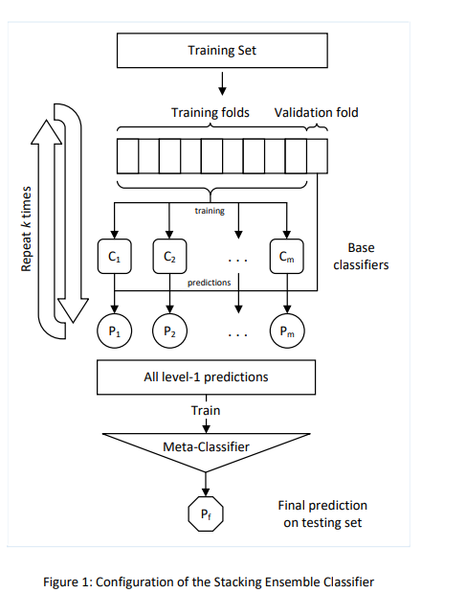
Method

Definition of Phishing attacks:can be carried out using a variety of methods, including websites, emails, malware, or using a combination of these.
Different approaches have been adopted to detect phishing websites and prevent these kinds of attacks :
- List-based Approach:The majority of browsers verify phishing or legitimate webpages using permitted or disapproved resource lists (e.g., URLs, digital certificates, domains, etc.)
- Visual Similarity-based Approach:These anti-phishing approaches compare the image of a suspicious website to a legitimate image database
- Content-based Approach:These techniques detect phishing attacks by analyzing features retrieved from the phishing website. These features are extracted from various sources like URL, website traffic, page source code, search engine, HTML and JavaScript-based Features, DNS, etc. Based on the features extracted, machine learning classifiers can be modeled to distinguish between fraudulent and legitimate websites
The authors tested their technique with different machine learning algorithms and achieved classification accuracies of:
- 96.43% for Back-Propagation Neural Network (BPNN),
- 92.19% for Support Vector Machine (SVM),
- 91.03% for Naïve Bayes (NB),
- 96.28% for C4.5,
- 96.83% for Random Forest (RF), and
- 96.32% for KNearest Neighbor (KNN)
PROS:
- 10-fold CV - Avoid data leakage while building the ensemble
- Feature selection using recursive feature elimination(RFE) is performed to obtain the most representable subset of features for each classification algorithm
- 10 differeent classifiers are trained using the obtained
- A greedy algorithm-based selection mechanism is constructed to determine the combination of base learners that optimize the performance of the ensemble
CONS:
- The parareters are not optimized

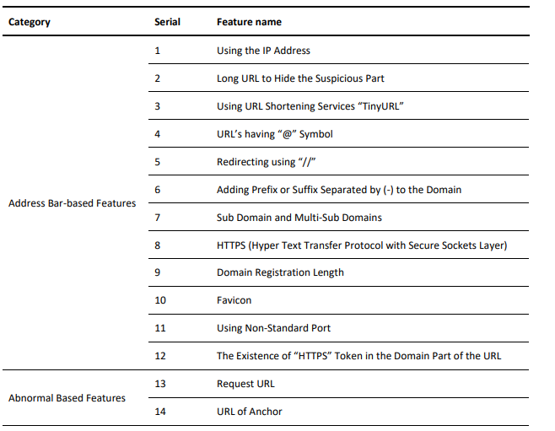
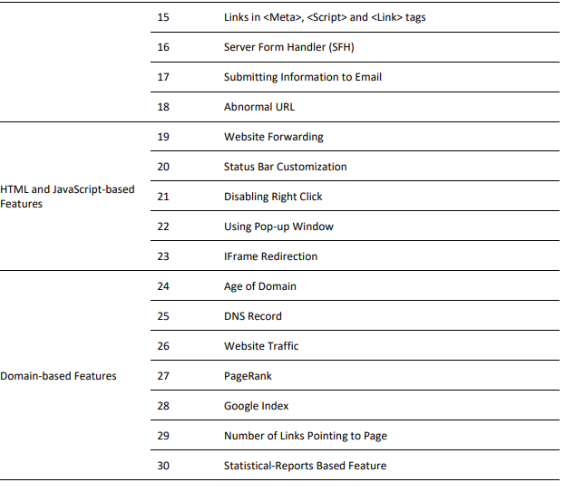
INPUT :
- Address Bar-based Features
- Abnormal Based Features
- HTML and JavaScript-based Features
- Domain based Features

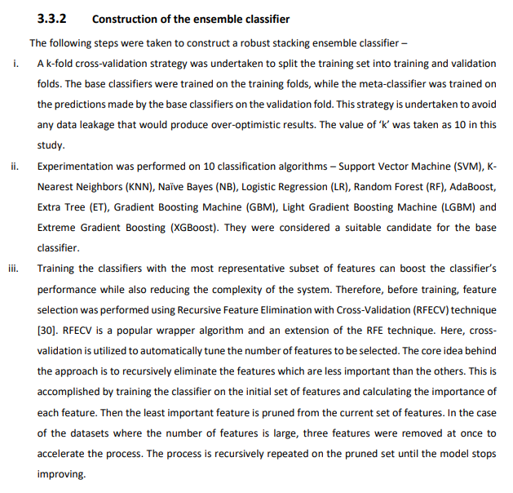
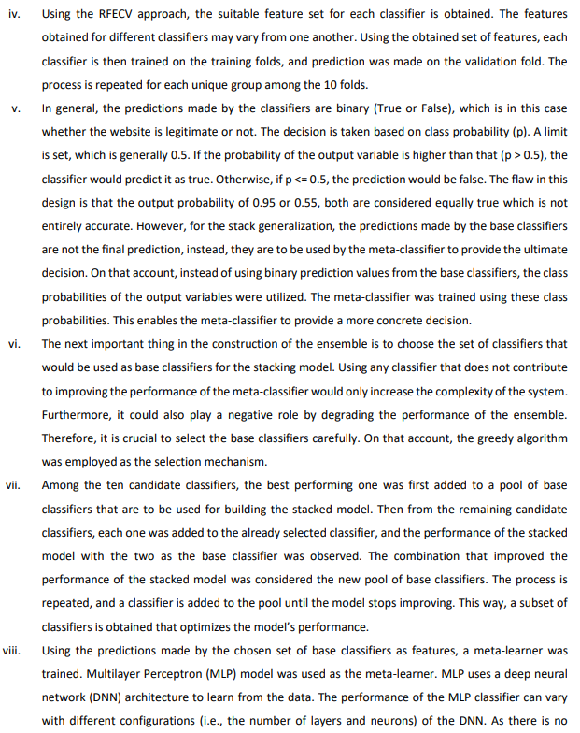
The datasets were first prepared before feeding them to the model:
- The categorical variables were converted into numeric variables.
- The entire dataset was divided into 2 parts – training (90%) and testing (10%) set using k-fold cross-validation.
- The base classifiers were trained on the training set and the final prediction from the stacking classifier was made on the test set.
- To ensure generalizability, this process was repeated 10 times with random splitting of data into train and test sets. The average results for 10 test sets were taken.
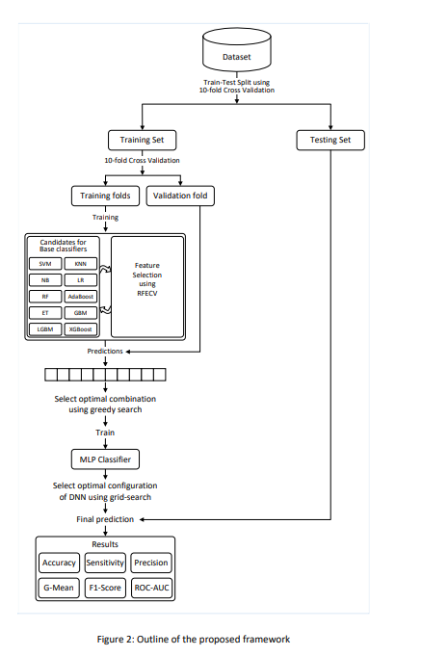
Method

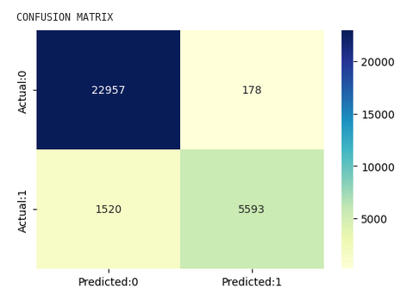

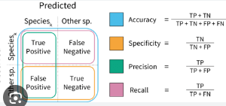

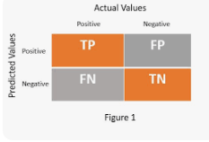

Result

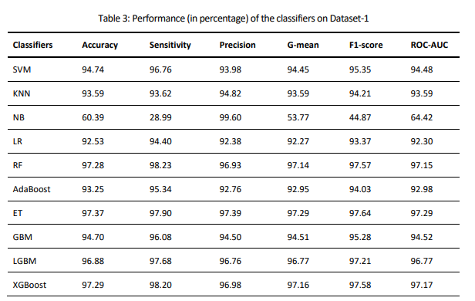
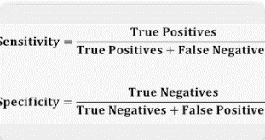
Tỉ lệ chọn đúng trên đúng + (đúng và sai) của 1:

Default
Link

Objective:
Output
Result
Pros
Cons
Method
Input

