Sheet1
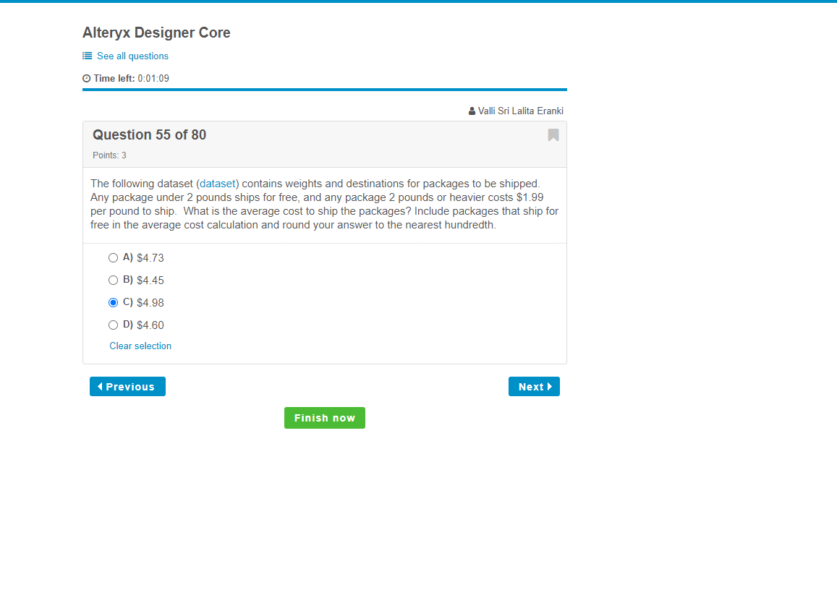
Destination | Weight (Pounds)
In State | 2.36
In State | 4.06
Domestic | 1.82
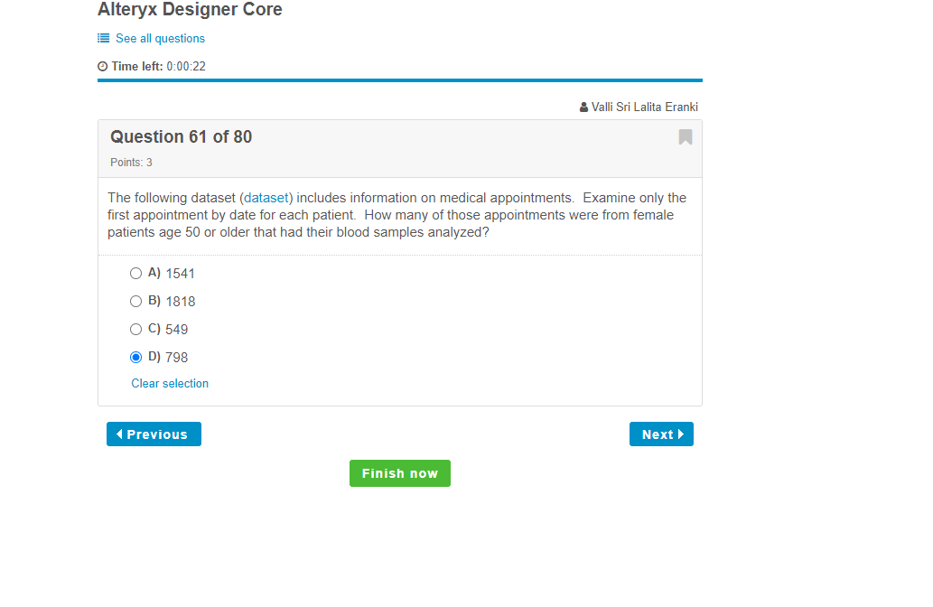
In State | 3.24
Domestic | 0.09
Domestic | 0.05
In State | 2.43
Domestic | 2.82
Domestic | 0.52
Domestic | 1.49
Domestic | 0.57
Domestic | 5.77
In State | 1.11
Domestic | 0.03
Domestic | 1.97
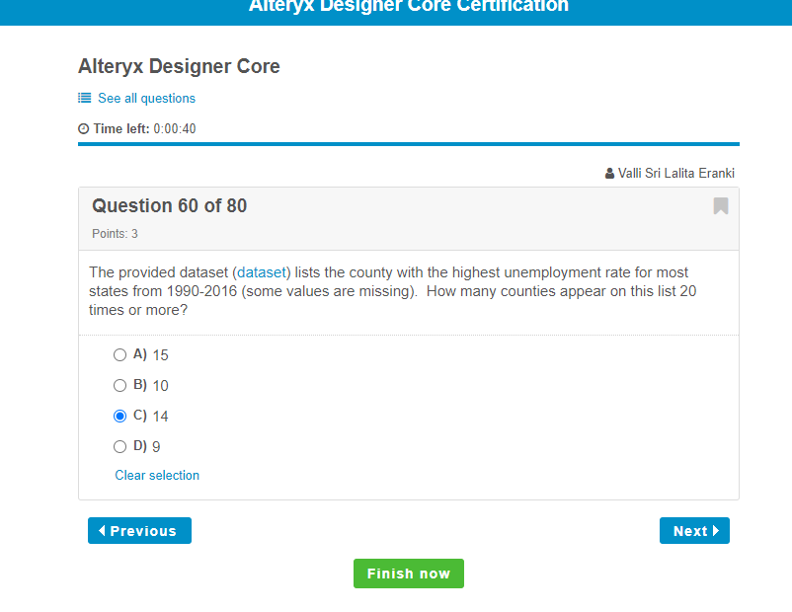
In State | 2.9
Domestic | 1.91
In State | 4.58
In State | 2.2
Domestic | 0.1
In State | 6.39
In State | 1.25
Domestic | 0.81
Domestic | 7.71
In State | 0.37
Domestic | 6.85
In State | 3.56
Domestic | 4.91
Domestic | 1.67
Domestic | 0.41
In State | 4.52
Domestic | 1.06
Domestic | 7.57
In State | 4.47
In State | 1.91
In State | 2.38
Domestic | 2.76
Domestic | 2.34
Domestic | 4.04
In State | 1.38
In State | 0.83
In State | 5.53
Domestic | 6.85
Domestic | 1.84
Domestic | 0.43
In State | 1.54
Domestic | 3.65
Domestic | 0.77
Domestic | 2.71
In State | 1.69
Domestic | 2.86
Domestic | 0.33
Domestic | 4.93
In State | 1.79
In State | 0.96
Domestic | 6.54
In State | 0.17
Domestic | 5.24
In State | 2.94
In State | 6.27
Domestic | 0.67
In State | 3.93
Domestic | 1.08
In State | 5.07
In State | 4.48
In State | 3.63
In State | 1.1
In State | 4.7
In State | 0.56
Domestic | 3.57
Domestic | 4.76
Domestic | 2.9
Domestic | 2.06
Domestic | 6.95
Domestic | 2.28
In State | 0.15
In State | 3.75
Domestic | 2.69
Domestic | 5.55
Domestic | 7.14
In State | 0.38
In State | 0.53
In State | 7.69
In State | 0.05
In State | 0.26
In State | 0.57
In State | 2.13
In State | 4.41
In State | 0.89
In State | 0.43
Domestic | 1.82
Domestic | 7.83
Domestic | 2.7
In State | 1.77
Domestic | 5.39
In State | 7.68
In State | 3.08
In State | 2.68
In State | 2.46
Domestic | 1.69
In State | 6.03
Domestic | 0.83
Domestic | 5.63
In State | 5.66
In State | 2.72
Domestic | 5.62
Domestic | 1.07
In State | 0.11
In State | 1.35
In State | 0.22
Domestic | 1.5
Domestic | 1.59
Domestic | 2.68
Domestic | 5.74
Domestic | 3.98
Domestic | 0.12
Domestic | 4.4
In State | 3.44
Domestic | 3.64
In State | 0.01
In State | 2.6
In State | 0.95
Domestic | 2.73
Domestic | 1.57
Domestic | 0.04
In State | 2.98
Domestic | 0.95
In State | 1.04
In State | 0.43
Domestic | 1.08
Domestic | 2.8
Domestic | 0.37
In State | 0.08
Domestic | 6.1
Domestic | 0.47
Domestic | 2.12
Domestic | 6.22
In State | 1.13
In State | 0.78
Domestic | 5.52
In State | 3.08
In State | 1.72

