コマンド集
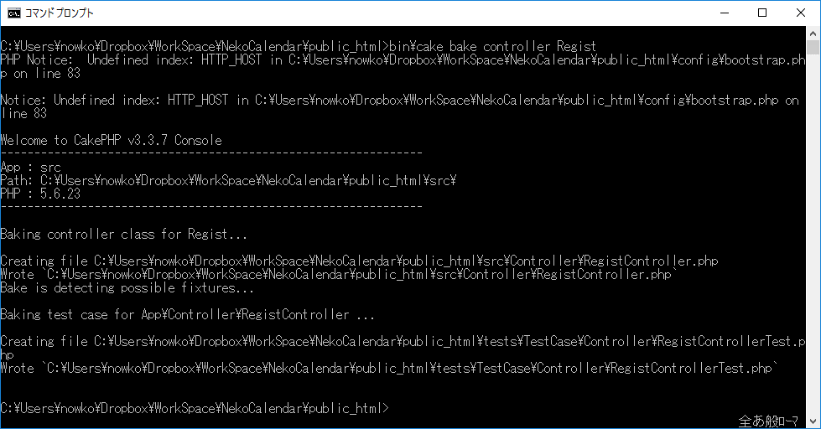
成果物名 |  | コマンド集.xlsx |  | 作成 | 悲喜小森
副題 |  | コマンド集

PJ作成
 | composer create-project --prefer-dist cakephp/app PJ名
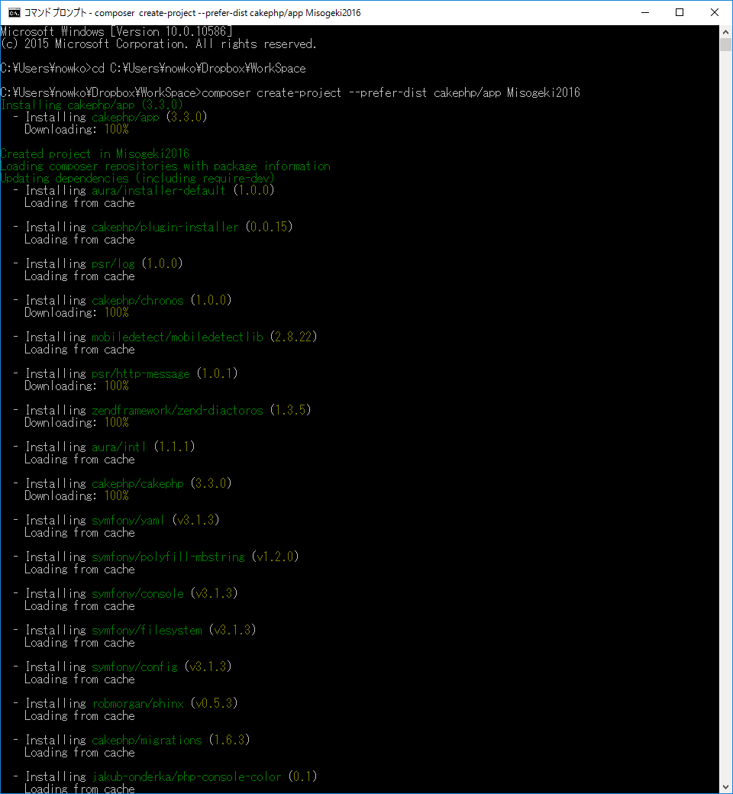

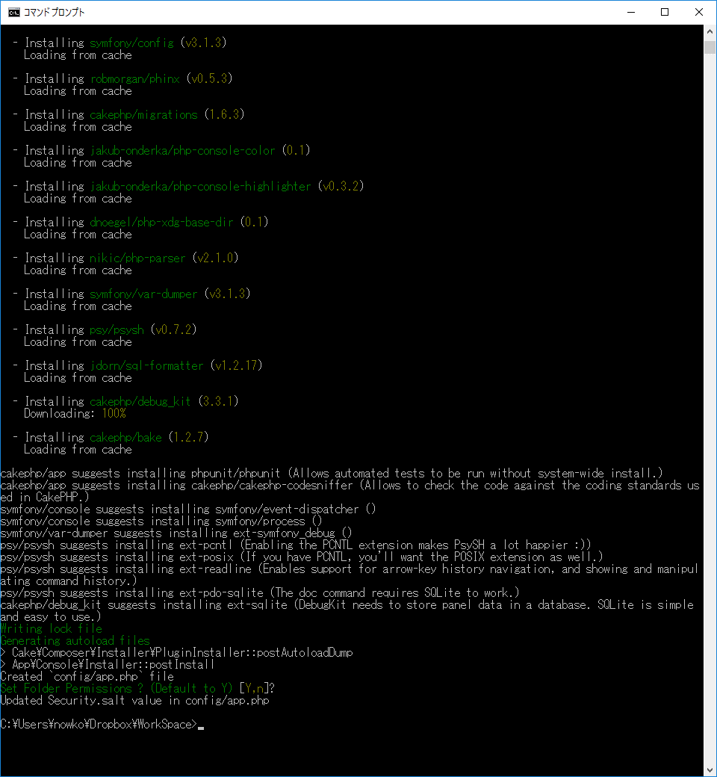

ツールアップデート
 | composer install
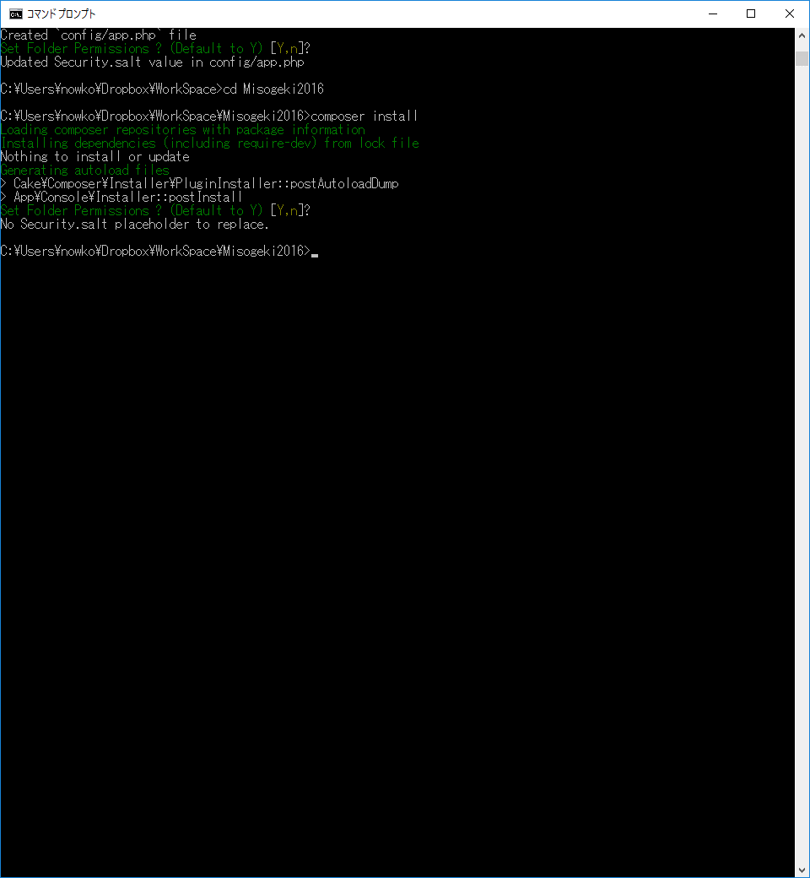

起動
 | cd PHPCakeフォルダ
 | bin\cake server
 | http://localhost:8765/
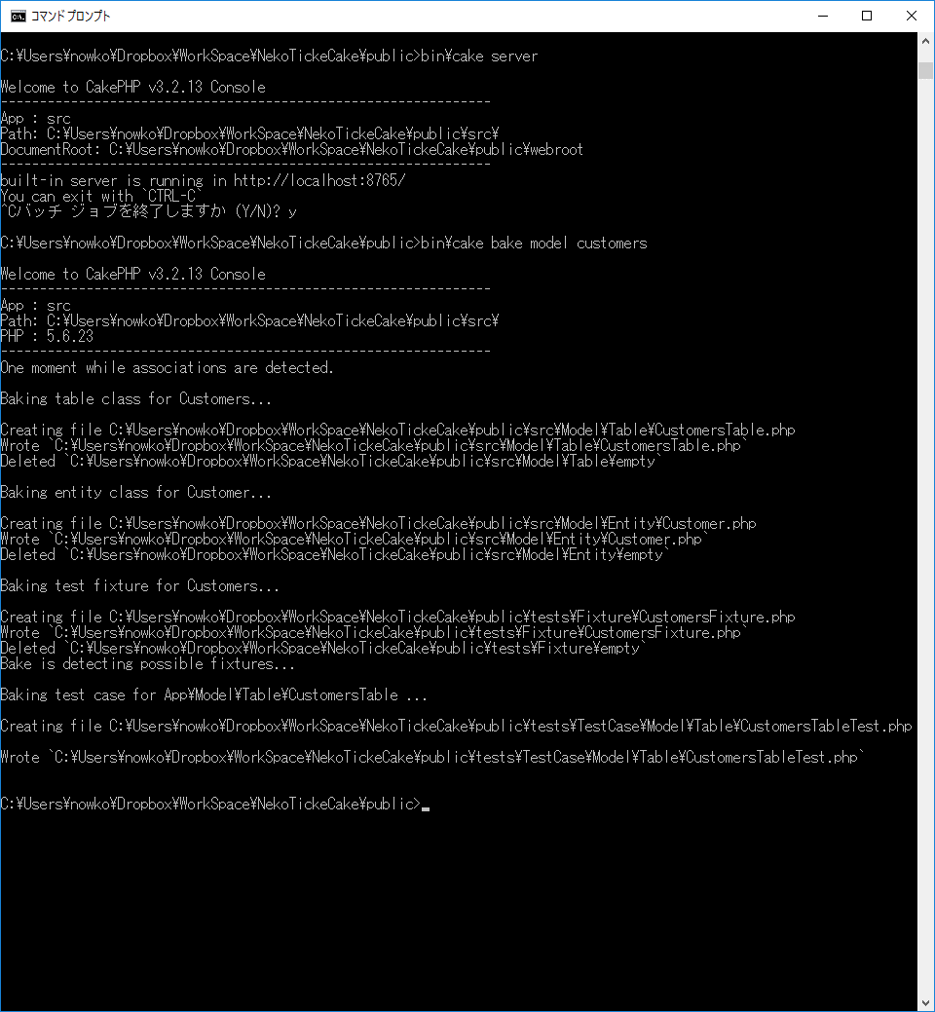

終了
 | CTRL+c
 | ｙ


テーブル、エンティティPHPファイル作成
 | bin\cake bake model テーブル名 |  | bin\cake bake model all
 | ※PHPCakeフォルダ\src\Model\Entity
 | ※PHPCakeフォルダ\src\Model\Table
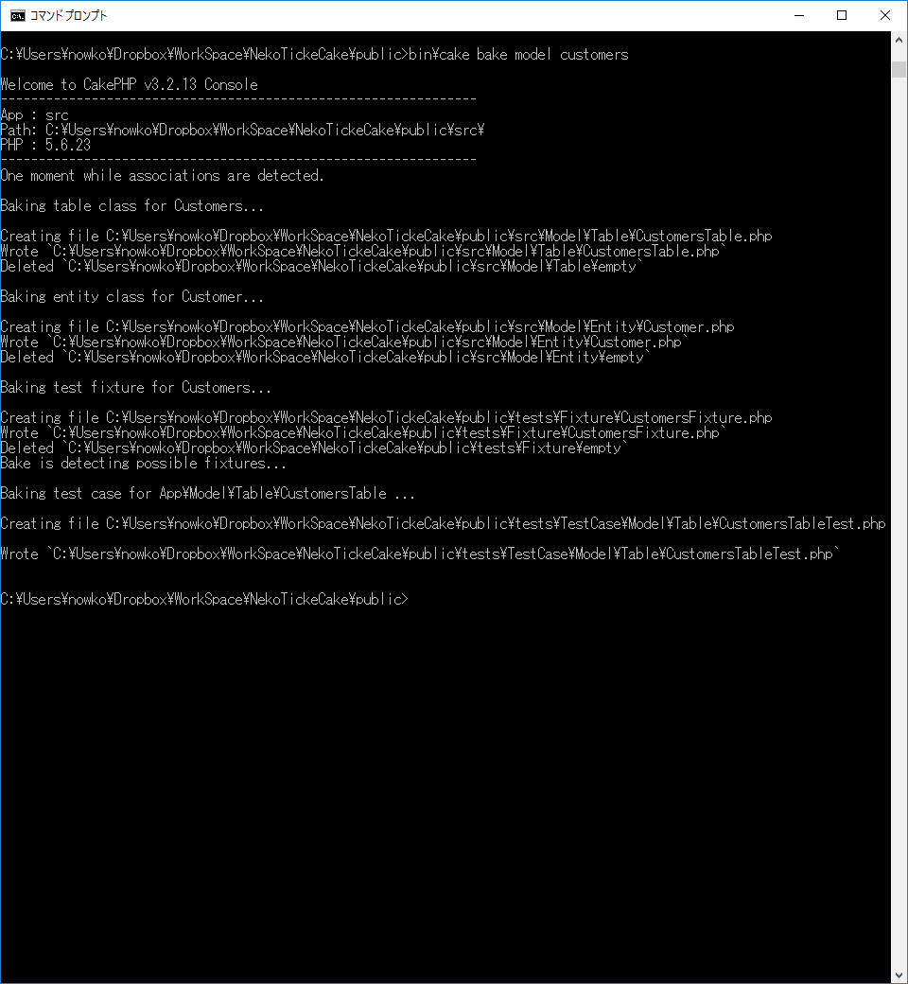

 | bin\cake bake controller コントローラ名（エンティティ名）

