Hoja2
Arq | fit | Epoch | acc_i | loss_i | acc_f | loss_f | test_acc | test_loss
model = Sequential([ Conv2D(10, (3,3), activation='relu', input_shape=(150, 150, 3)), MaxPooling2D(2,2), Dense(128, activation='relu'), Flatten(), Dense(8, activation='softmax') ]) | history = model.fit( train_generator, epochs = 10, callbacks = [checkpoint], ) | 10 | 0.2637 | 5.2781 | 0.7174 | 0.872 | 0.6821 | 0.9826
model = Sequential([ Conv2D(10, (3,3), activation='relu', input_shape=(150, 150, 3)), MaxPooling2D(2,2), Dense(128, activation='relu'), Flatten(), Dense(8, activation='softmax') ]) | history = model.fit( train_generator, epochs = 10, callbacks = [checkpoint], validation_data=test_generator) | 10 | 0.6992 | 0.926 | 0.7612 | 0.7565 | 0.6272 | 229.8861 | 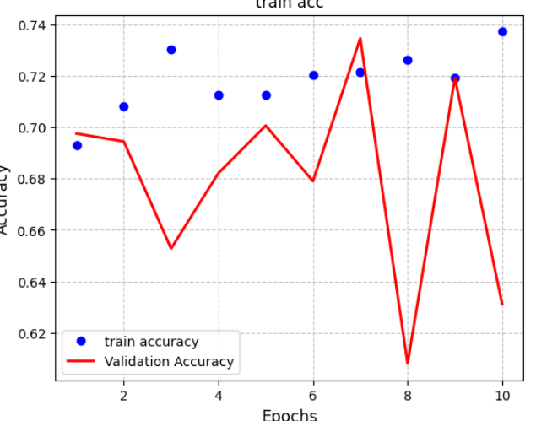 |  |  | 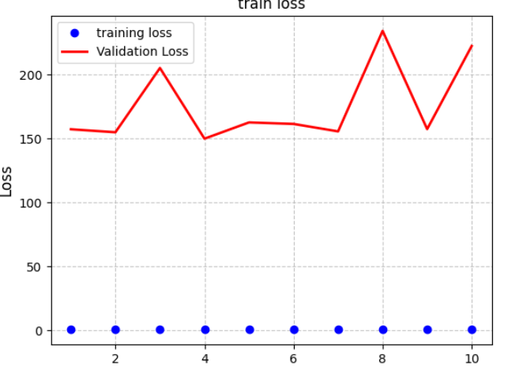
model = Sequential([ Conv2D(10, (3,3), activation='relu', input_shape=(150, 150, 3)), MaxPooling2D(2,2), Dense(128, activation='relu'), Dropout(0.3), Flatten(), Dense(8, activation='softmax') ]) | history = model.fit( train_generator, epochs = 10, callbacks = [checkpoint], validation_data=test_generator) | 10 | 0.3492 | 4.6738 | 0.7371 | 0.8491 | 0.745 | 0,7718 | 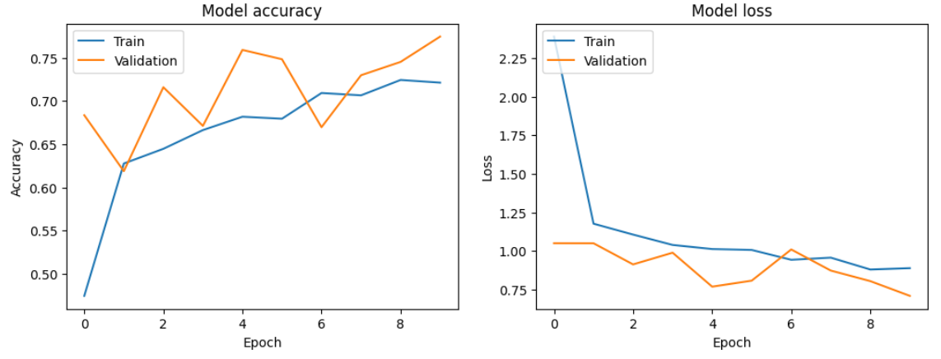
model = Sequential([ Conv2D(10, (3,3), activation='relu', input_shape=(150, 150, 3)), MaxPooling2D(2,2), Dense(128, activation='relu'), Dropout(0.3), Flatten(), Dense(8, activation='softmax') ]) | history = model.fit( train_generator, epochs = 15, callbacks = [checkpoint], validation_data=validation_generator) | 15
def build_resnet(input_shape=(120, 120, 3), num_classes=8): inputs = tf.keras.Input(shape=input_shape) x = layers.Conv2D(64, kernel_size=3, strides=1, padding='same', use_bias=False)(inputs) x = layers.BatchNormalization()(x) x = layers.ReLU()(x) x = make_layer(64, 2, stride=1)(x) x = make_layer(128, 2, stride=2)(x) x = make_layer(192, 2, stride=2)(x) x = make_layer(256, 2, stride=2)(x) x = layers.GlobalAveragePooling2D()(x) x = layers.Dropout(0.3)(x) outputs = layers.Dense(num_classes, activation='softmax')(x) return tf.keras.Model(inputs=inputs, outputs=outputs) | history = model.fit( train_generator, epochs=15, validation_data=validation_generator, callbacks=[checkpoint, test_callback] ) | 15 | 0.3075 | 2.1951 | 0.7136 | 0.959 | 0.6172 | 1.2492 | 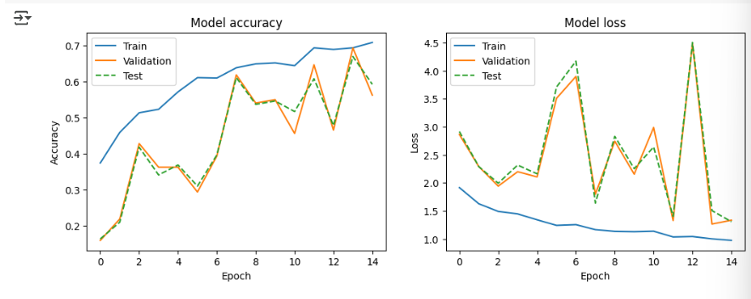 |  |  |  | 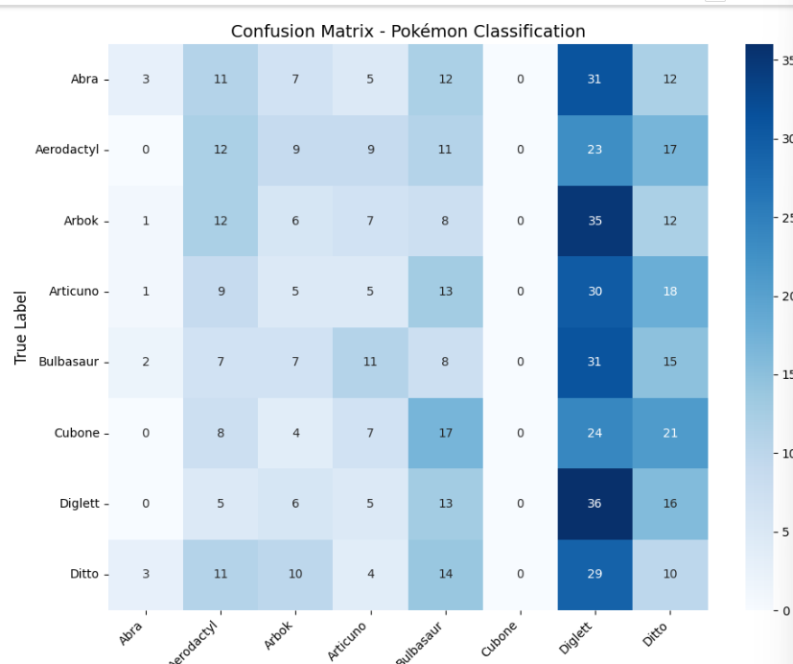

def build_resnet(input_shape=(120, 120, 3), num_classes=8): inputs = tf.keras.Input(shape=input_shape) x = layers.Conv2D(64, kernel_size=3, strides=1, padding='same', use_bias=False)(inputs) x = layers.BatchNormalization()(x) x = layers.ReLU()(x) x = make_layer(64, 2, stride=1)(x) x = make_layer(128, 2, stride=2)(x) x = make_layer(192, 2, stride=2)(x) x = make_layer(256, 2, stride=2)(x) x = layers.GlobalAveragePooling2D()(x) x = layers.Dropout(0.3)(x) outputs = layers.Dense(num_classes, activation='softmax')(x) return tf.keras.Model(inputs=inputs, outputs=outputs) | history = model.fit( train_generator, epochs=20, validation_data=validation_generator, callbacks=[checkpoint, test_callback] ) | 20 | 0.3076 | 2.2415 | 0.7882 | 0.7111 | 0.7762 | 0.6739 |  | 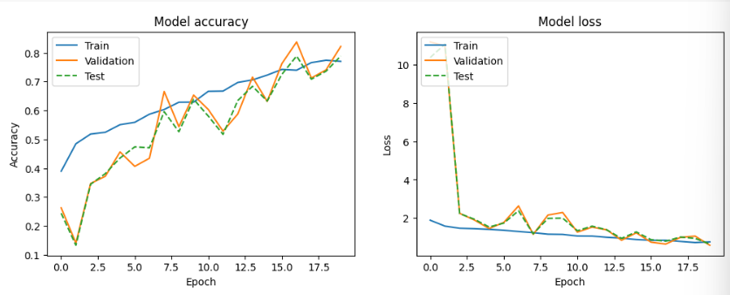 |  |  | 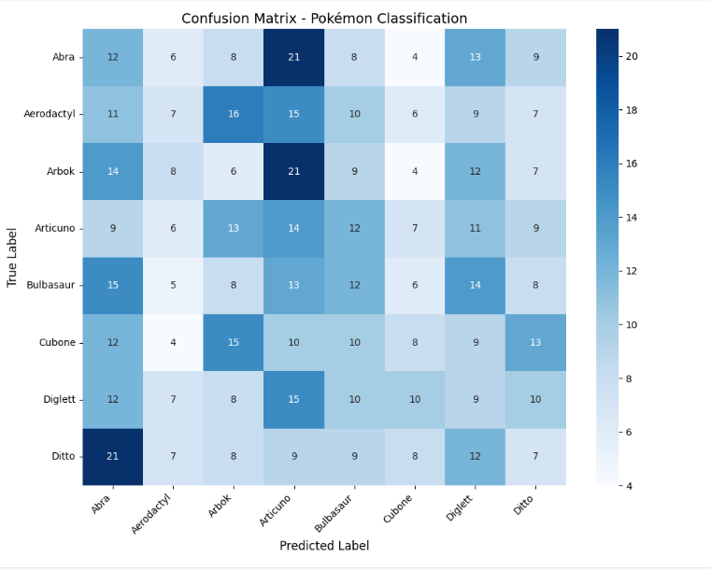
def make_layer(filters, blocks, stride): layers_list = [] layers_list.append(BasicBlock(filters, stride=stride, downsample=(stride != 1))) for _ in range(1, blocks): layers_list.append(BasicBlock(filters)) return tf.keras.Sequential(layers_list) def build_resnet(input_shape=(120, 120, 3), num_classes=8): inputs = tf.keras.Input(shape=input_shape) x = layers.Conv2D(64, kernel_size=3, strides=1, padding='same', use_bias=False)(inputs) x = layers.BatchNormalization()(x) x = layers.ReLU()(x) x = make_layer(64, 2, stride=1)(x) x = make_layer(128, 2, stride=2)(x) x = make_layer(192, 2, stride=2)(x) x = make_layer(256, 2, stride=2)(x) x = layers.GlobalAveragePooling2D()(x) x = layers.Dropout(0.3)(x) outputs = layers.Dense(num_classes, activation='softmax')(x) return tf.keras.Model(inputs=inputs, outputs=outputs) | model.fit( train_generator, epochs=30, validation_data=validation_generator, callbacks=[checkpoint, metrics_callback] ) | 30 | 0.3076 | 2.1605
model = Sequential([ Conv2D(10, (3,3), activation='relu', input_shape=(120, 120, 3)), MaxPooling2D(2,2), Dense(128, activation='relu'), Dropout(0.3), Dense(128, activation='relu'), Dropout(0.1), Flatten(), Dense(8, activation='softmax') ]) | model.fit( train_generator, epochs=30, validation_data=validation_generator, callbacks=[checkpoint, test_callback] ) | 30 | 0.1678 | 2.3302 | 0.8411 | 0.4945 | 0.8323 | 0.5471 |  |  | 