Appendix 7
Appendix 7. Where the term at k = +2 of Figure 2 comes from
Three things could put a coefficient on damage that arrives after the violations: the dating of the damage, the persistence of wildfire damage within a state, and the sorting of exposed insurers into fire-prone states. The panels take them in that order.

Panel A. The dating of the damage
NOAA Storm Events wildfire records | Value
Wildfire records, 2013-2024 | 3,901
Records carrying damage | 840
Records whose end year differs from the begin year | 0
Share of the damage, fires beginning January to June | 0.045
Share of the damage, fires beginning July to October | 0.323
Share of the damage, fires beginning November and December | 0.631
Share of the damage, the two largest records | 0.745

Panel B. The persistence of wildfire damage
Autocorrelation within the state | Lag 1 | Lag 2 | Lag 3
Ln wildfire damage | 0.441 | 0.416 | 0.464
Any damage | 0.457 | 0.436 | 0.456

Exposure × damage(t+k), number of violations | Correlation with k = 0 | Estimated on its own | In one regression
k = -3 | 0.523 | -0.1420 | -0.1034
k = -2 | 0.449 | 0.0583 | 0.0820
k = -1 | 0.536 | -0.0058 | -0.0301
k = 0 | 1.000 | 0.1671 | 0.1733**
k = +1 | 0.531 | -0.1197 | -0.0765
k = +2 | 0.464 | 0.1054** | 0.1194**
k = +3 | 0.560 | 0.0505 | 0.0530

Panel C. The damage measure
 | k = 0 | k = 0 significant | k = +2 | k = +2 significant | N
Ln wildfire damage (Figure 2) | 0.1733** (0.0834) | 11 / 12 | 0.1194** (0.0467) | 11 / 12 | 9,233
Fires beginning July to December | 0.0625 (0.0980) | 0 / 12 | 0.1119** (0.0431) | 9 / 12 | 9,233
Fires beginning January to June | 0.3832** (0.1447) | 12 / 12 | 0.0665 (0.0688) | 0 / 12 | 9,233
November and December fires dated to the year after | 0.1679 (0.1002) | 1 / 12 | 0.0947 (0.0575) | 7 / 12 | 9,233
Fire-line loss ratio of the state market | 0.7612 (0.6278) | 0 / 12 | 0.3582*** (0.1060) | 12 / 12 | 6,059

Panel D. Exposure × the state's average damage, added to Figure 2
 | k = 0 | k = 0 significant | k = +2 | k = +2 significant | N
Exposure × the state's average damage | 0.1602* (0.0810) | 10 / 12 | 0.1066** (0.0442) | 11 / 12 | 9,233

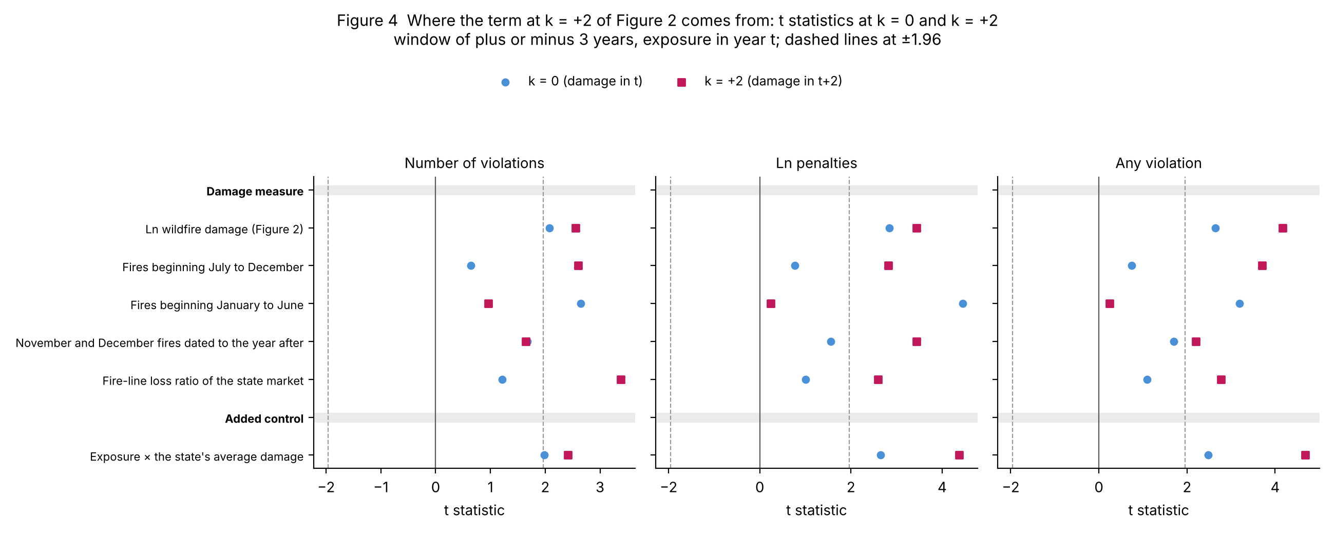

Notes: Panel A counts the wildfire records of NOAA Storm Events, each dated by the month in which the fire begins; a record whose fire ran across a year end would carry its damage in the earlier year, and none does, so the shares below it are what the annual dating leaves open. Panel B takes the damage of Figure 2: the first column is the correlation of exposure × damage(t+k) with exposure × damage(t) over the sample of Figure 2, the second estimates that term alone on the same sample, and the third repeats the joint estimate of Figure 2. Panels C and D re-estimate Figure 2 under insurer × state and state × year effects; the coefficient columns are the number of violations with a window of plus or minus three years and exposure in year t, and the counts are over all twelve panels of Figure 2 at the 5% level. The two half-year series split the damage of a state and year by the month in which the fire begins, so they sum to the damage of Figure 2; the loss-ratio shock is observed for 2014-2023 only and its window is correspondingly shorter. Every estimate is in output/appendix7_checks.csv. Standard errors clustered by insurer in parentheses. *** p<0.01, ** p<0.05, * p<0.1.

Figure 1
Figure 1. Placebo tests
Distribution of the coefficients (left) and t statistics (right) over 1,000 placebo replications, for the number of violations in t+1 with insurer × state and state × year fixed effects. Rows: damage reshuffled across states within each year; exposure reshuffled between insurers in the same state and year; each state's damage series reshuffled across years; the last two combined. Dots: placebo draws; line: fitted normal; dashed line: actual estimate.

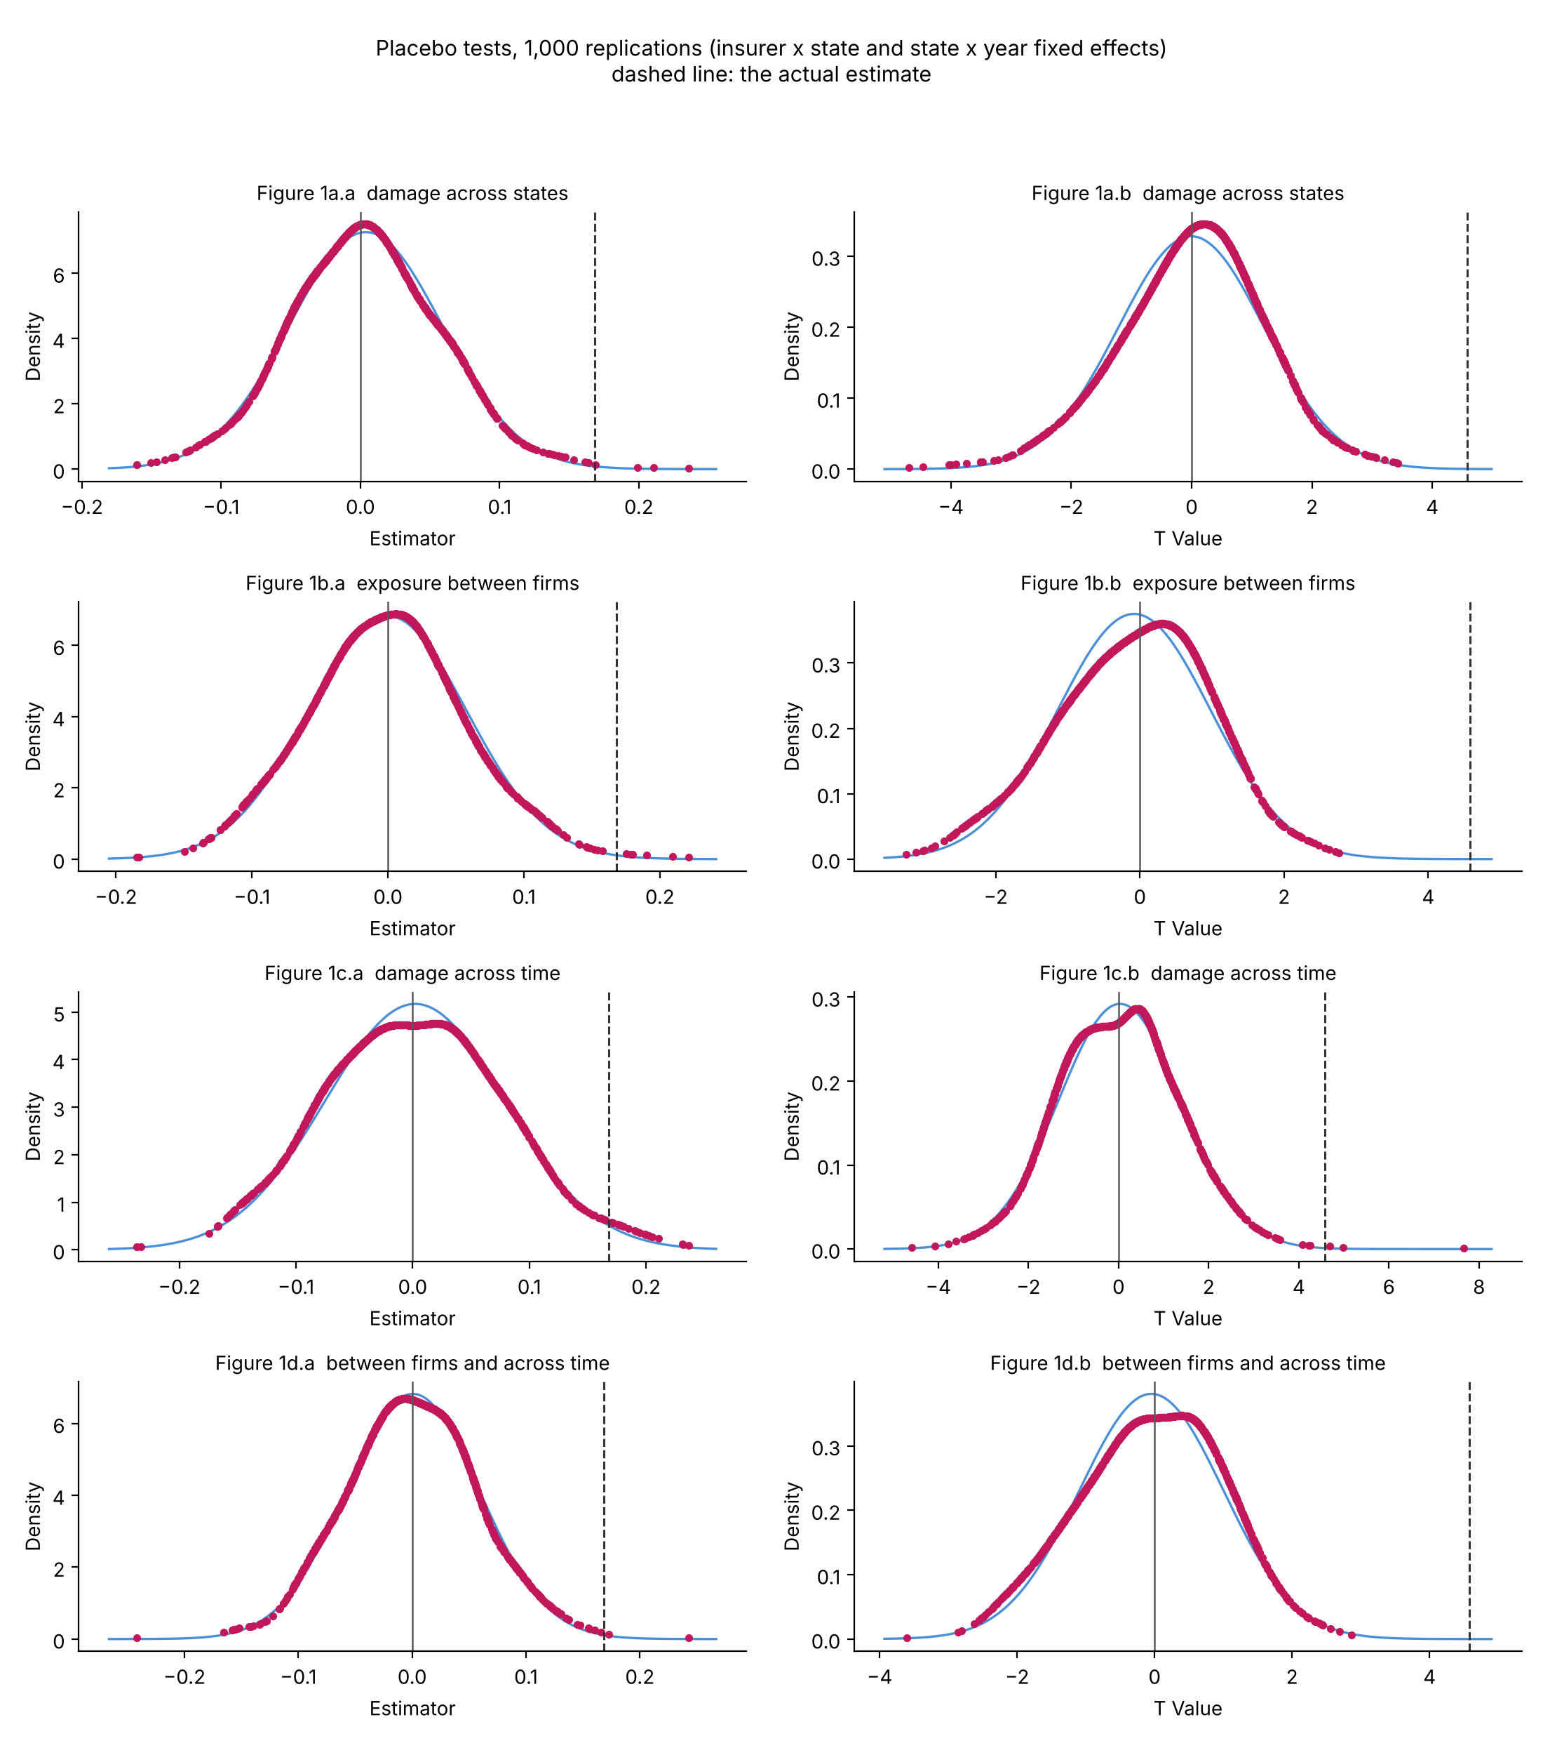

Permutation p-values
Scheme | Draws | Actual t | 95th percentile of |t| | p
exposure between firms | 1,000 | 4.58 | 2.13 | 0.001
damage across time | 1,000 | 4.58 | 2.64 | 0.005
between firms and across time | 1,000 | 4.58 | 2.05 | 0.001
damage across states | 1,000 | 4.58 | 2.43 | 0.002

Damage reshuffled across states: all three outcomes (1,000 draws)
Outcome | Fixed effects | t | 95th percentile of |t| | p = r/B | p = (1+r)/(B+1)
Any violation | Insurer + State + Year | 2.98 | 3.37 | 0.072 | 0.073
Number of violations | Insurer + State + Year | 2.32 | 2.35 | 0.053 | 0.054
Ln(1 + penalties) | Insurer + State + Year | 2.94 | 3.33 | 0.080 | 0.081
Any violation | Insurer × State + State × Year | 3.33 | 2.91 | 0.028 | 0.029
Number of violations | Insurer × State + State × Year | 4.58 | 2.43 | 0.001 | 0.002
Ln(1 + penalties) | Insurer × State + State × Year | 4.66 | 2.87 | 0.003 | 0.004

Notes: r is the number of draws with |t| at least as large as the actual one and B the number of draws; (1 + r) / (B + 1) counts the actual draw.

Figure 2
Figure 2. Dynamic effect
Coefficients on Exposure × Ln wildfire damage(t+k), k = -3 ... +3, all entered in the same regression, with 95% confidence intervals; the outcome is measured in t+1, so k >= +2 is damage arriving after the violations (shaded). Insurer × state and state × year fixed effects. Left: exposure in year t; right: first-year exposure. Rows: number of violations, ln(1 + penalties), any violation.

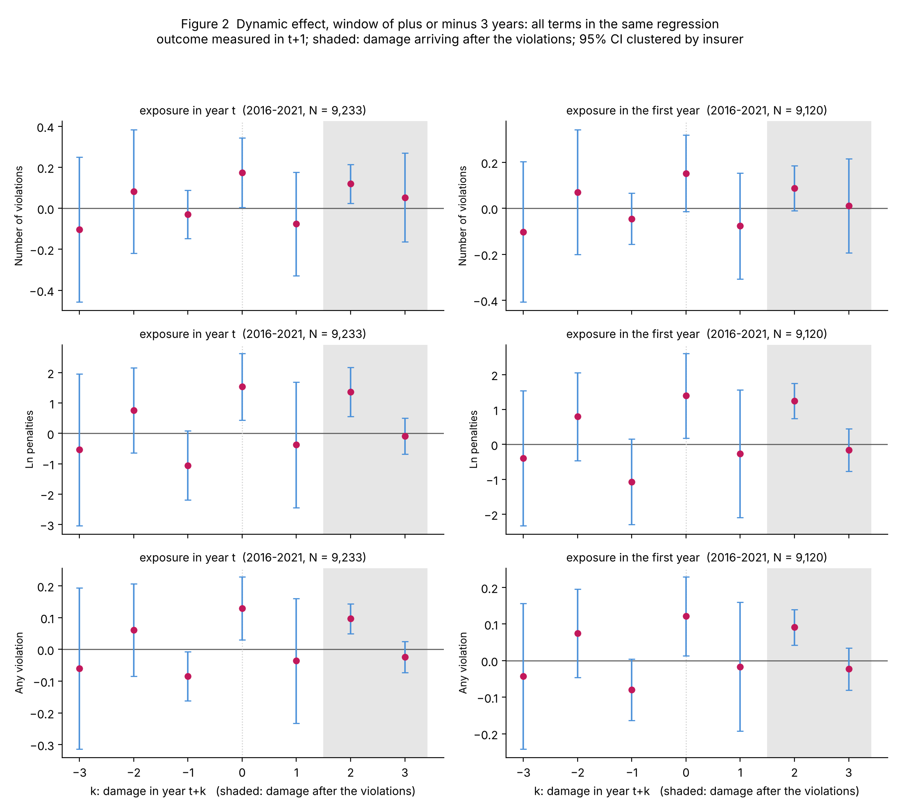

Figure 2 (continued). Window of plus or minus two years
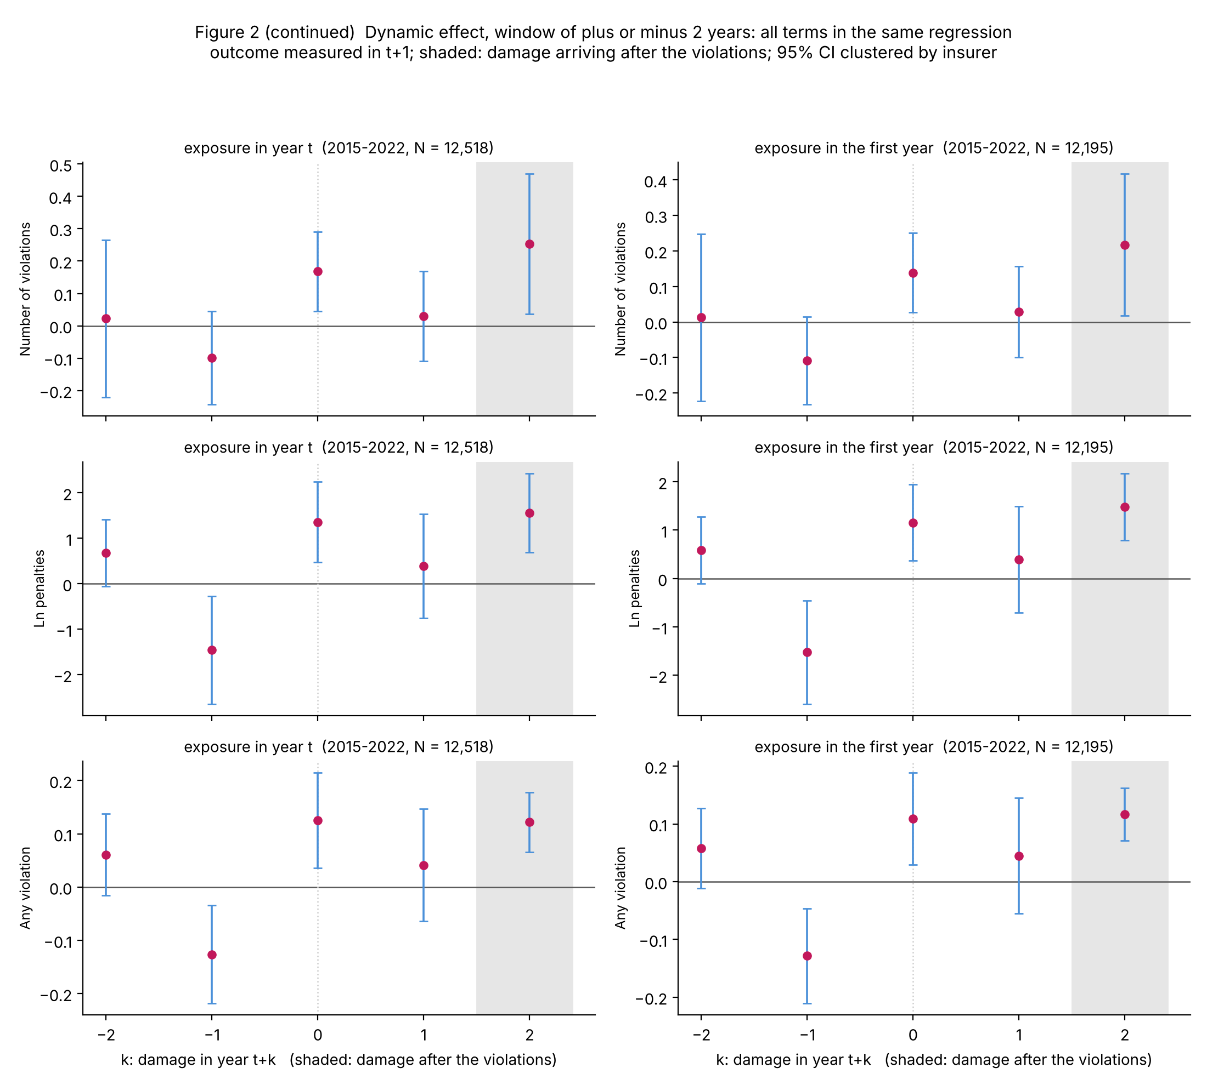

Coefficients plotted: ±3 years, exposure in year t (2016-2021)
k | -3 | -2 | -1 | +0 | +1 | +2 | +3 | Exposure
Number of violations (N = 9,233) | -0.1034 | 0.0820 | -0.0301 | 0.1733** | -0.0765 | 0.1194** | 0.0530 | 0.7841
 | (0.1743) | (0.1480) | (0.0579) | (0.0834) | (0.1238) | (0.0467) | (0.1064) | (0.8636)
Ln(1 + penalties) (N = 9,233) | -0.5393 | 0.7591 | -1.0546* | 1.5352*** | -0.3796 | 1.3638*** | -0.0912 | 0.7403
 | (1.2284) | (0.6916) | (0.5609) | (0.5398) | (1.0201) | (0.3963) | (0.2899) | (6.2711)
Any violation (N = 9,233) | -0.0605 | 0.0611 | -0.0846** | 0.1290** | -0.0359 | 0.0968*** | -0.0241 | 0.1858
 | (0.1248) | (0.0718) | (0.0378) | (0.0488) | (0.0967) | (0.0233) | (0.0241) | (0.5403)

Coefficients plotted: ±3 years, first-year exposure (2016-2021)
k | -3 | -2 | -1 | +0 | +1 | +2 | +3 | Exposure
Number of violations (N = 9,120) | -0.1028 | 0.0698 | -0.0452 | 0.1518* | -0.0767 | 0.0874* | 0.0108 | absorbed
 | (0.1500) | (0.1333) | (0.0549) | (0.0818) | (0.1133) | (0.0482) | (0.1003)
Ln(1 + penalties) (N = 9,120) | -0.3932 | 0.7948 | -1.0686* | 1.3926** | -0.2633 | 1.2455*** | -0.1574 | absorbed
 | (0.9497) | (0.6174) | (0.6008) | (0.5970) | (0.8972) | (0.2460) | (0.2998)
Any violation (N = 9,120) | -0.0429 | 0.0747 | -0.0798* | 0.1211** | -0.0167 | 0.0909*** | -0.0230 | absorbed
 | (0.0979) | (0.0593) | (0.0414) | (0.0530) | (0.0866) | (0.0237) | (0.0285)

Coefficients plotted: ±2 years, exposure in year t (2015-2022)
k | -2 | -1 | +0 | +1 | +2 | Exposure
Number of violations (N = 12,518) | 0.0227 | -0.0993 | 0.1678*** | 0.0299 | 0.2528** | 1.3630
 | (0.1198) | (0.0710) | (0.0604) | (0.0682) | (0.1067) | (0.9248)
Ln(1 + penalties) (N = 12,518) | 0.6796* | -1.4568** | 1.3576*** | 0.3900 | 1.5626*** | 1.4706
 | (0.3635) | (0.5845) | (0.4378) | (0.5622) | (0.4270) | (6.1064)
Any violation (N = 12,518) | 0.0609 | -0.1261*** | 0.1254*** | 0.0415 | 0.1220*** | 0.1815
 | (0.0377) | (0.0455) | (0.0440) | (0.0519) | (0.0276) | (0.5255)

Coefficients plotted: ±2 years, first-year exposure (2015-2022)
k | -2 | -1 | +0 | +1 | +2 | Exposure
Number of violations (N = 12,195) | 0.0127 | -0.1087* | 0.1387** | 0.0285 | 0.2174** | absorbed
 | (0.1157) | (0.0609) | (0.0548) | (0.0629) | (0.0981)
Ln(1 + penalties) (N = 12,195) | 0.5866* | -1.5236*** | 1.1559*** | 0.3967 | 1.4814*** | absorbed
 | (0.3400) | (0.5252) | (0.3852) | (0.5392) | (0.3402)
Any violation (N = 12,195) | 0.0580* | -0.1286*** | 0.1088*** | 0.0450 | 0.1165*** | absorbed
 | (0.0341) | (0.0404) | (0.0392) | (0.0493) | (0.0225)

Checks on the k = +2 term (±3 years, exposure in year t)
 | Number of violations | Ln(1 + penalties) | Any violation
baseline (F7) | 0.1194** | 1.3638*** | 0.0968***
 | (0.0467) | (0.3963) | (0.0233)
+ past violations (F7) | 0.1440** | 1.4687*** | 0.1066***
 | (0.0558) | (0.3245) | (0.0220)
without TX and WA (F7) | 0.0193 | 0.7943 | 0.0482
 | (0.0536) | (0.6059) | (0.0403)
F9 without trends | 0.1016** | 1.3586*** | 0.0982***
 | (0.0470) | (0.2935) | (0.0225)
F9 + state trends | 0.1056** | 1.3375*** | 0.0968***
 | (0.0440) | (0.3218) | (0.0228)

Change in damage: Exposure × Δ Ln wildfire damage(t+k) in one regression (2016-2022)
k | -2 | -1 | +0 | +1 | +2 | Exposure
Number of violations | 0.1069 | 0.1429 | 0.2394* | 0.1390 | 0.1848* | 1.1811
 | (0.0791) | (0.1702) | (0.1370) | (0.0978) | (0.0964) | (0.9346)
Ln(1 + penalties) | 0.6601 | 0.4481 | 1.6982* | 0.9257 | 1.2524*** | 1.5297
 | (0.5702) | (0.7139) | (0.8583) | (1.0115) | (0.4276) | (6.9442)
Any violation | 0.0673 | 0.0447 | 0.1417* | 0.0678 | 0.0937*** | 0.2323
 | (0.0574) | (0.0735) | (0.0734) | (0.0732) | (0.0229) | (0.5976)
Number of violations, without TX and WA | 0.0218 | 0.0465 | 0.0810 | -0.0008 | 0.0003 | -0.2588
 | (0.0467) | (0.0796) | (0.0646) | (0.0521) | (0.0427) | (0.6683)
Ln(1 + penalties), without TX and WA | 0.1132 | 0.1784 | 0.9568** | 0.5027 | 0.4604 | -1.2110
 | (0.3374) | (0.5959) | (0.4342) | (0.5976) | (0.4899) | (5.9476)
Any violation, without TX and WA | 0.0122 | 0.0228 | 0.0751* | 0.0337 | 0.0265 | 0.0336
 | (0.0329) | (0.0580) | (0.0393) | (0.0374) | (0.0304) | (0.5205)

Notes: Exposure is the market share in the fire lines; with first-year exposure, insurer × state effects absorb it. The damage terms vary by state and year and are absorbed by state × year effects. The checks: baseline; adding violations in t and t-1; dropping Texas and Washington (all with insurer × state and state × year effects); and, because state × year effects span state-specific trends, a pair with insurer × state and insurer × year effects and the damage terms themselves, without and with state-specific linear trends - compare those two rows with each other. Standard errors clustered by insurer in parentheses. *** p<0.01, ** p<0.05, * p<0.1.

Figure 3
Figure 3. Checks on the dynamic effect
Figure 2 re-estimated with controls for size and market concentration, under 11 sets of fixed effects, with damage dummies in place of ln damage, and with wildfire damage corrected for repeated records. The figure shows the t statistics of the terms at k = 0 (damage in t) and k = +2 (damage in t+2, after the violations) for the window of plus or minus three years and exposure in year t. The tables give the coefficients and count, over the twelve panels of Figure 2 (three outcomes, two exposure measures, two windows), how often each term is significant at 5%.

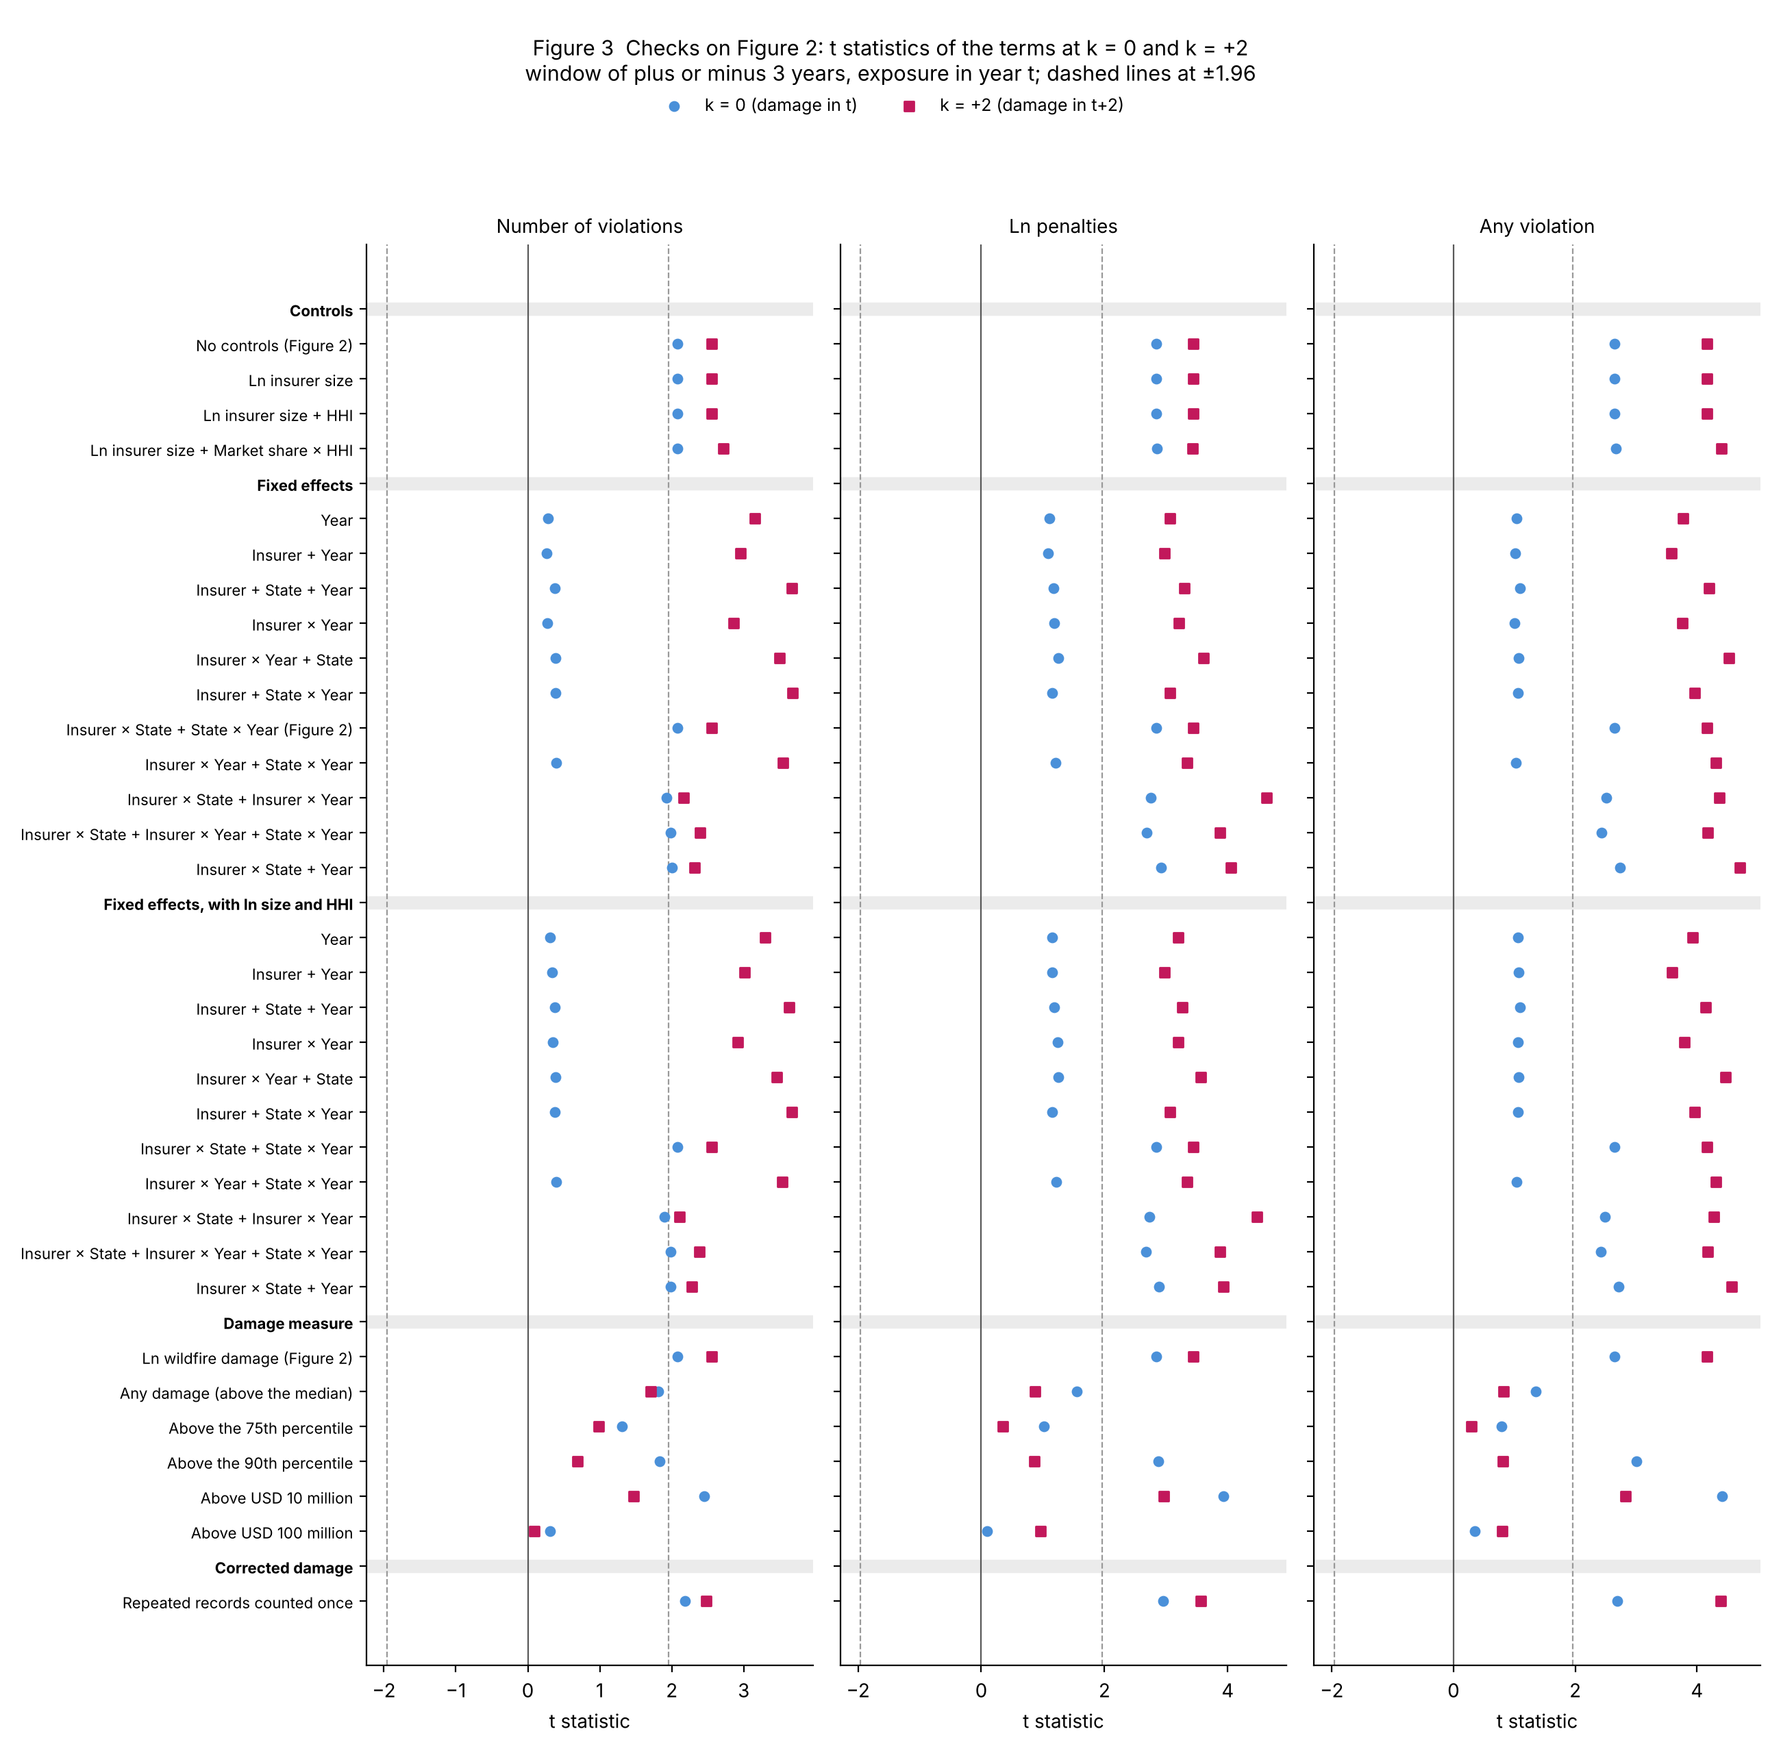

Figure 3 (continued). Figure 2 with the repeated records counted once
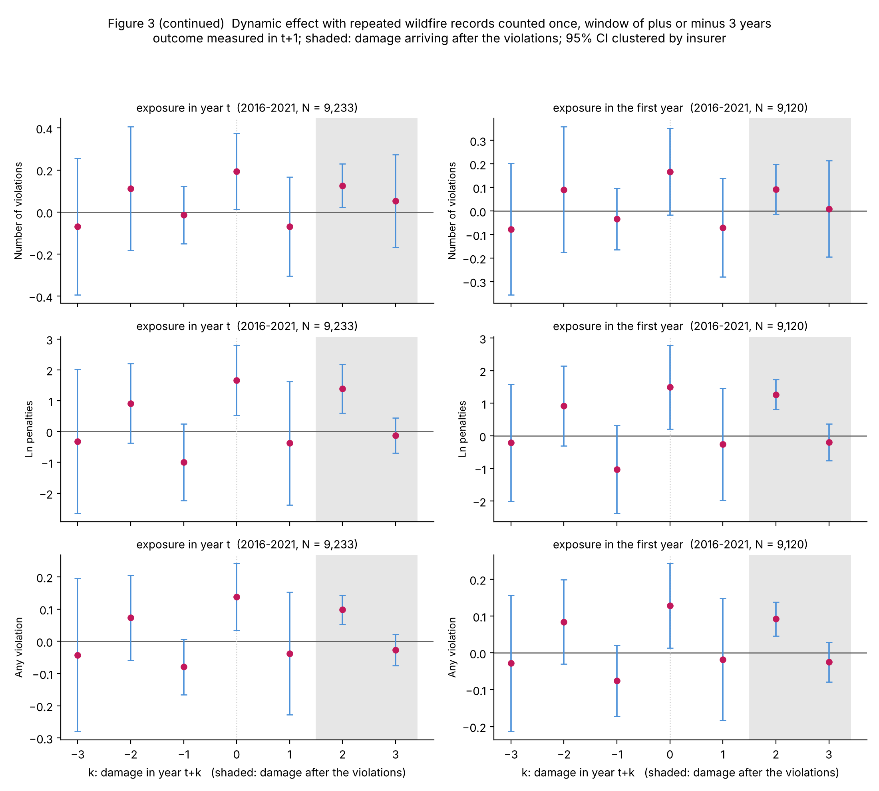

Panel A. Controls (insurer × state and state × year effects)
 | Violations, k = 0 | Violations, k = +2 | Ln penalties, k = 0 | Ln penalties, k = +2 | Any violation, k = 0 | Any violation, k = +2 | N | k = 0 significant | k = +2 significant
No controls (Figure 2) | 0.1733** | 0.1194** | 1.5352*** | 1.3638*** | 0.1290** | 0.0968*** | 9,233 | 11 / 12 | 11 / 12
 | (0.0834) | (0.0467) | (0.5398) | (0.3963) | (0.0488) | (0.0233)
Ln insurer size | 0.1732** | 0.1193** | 1.5350*** | 1.3631*** | 0.1290** | 0.0967*** | 9,233 | 11 / 12 | 11 / 12
 | (0.0834) | (0.0467) | (0.5397) | (0.3961) | (0.0488) | (0.0232)
Ln insurer size + HHI | 0.1732** | 0.1193** | 1.5350*** | 1.3631*** | 0.1290** | 0.0967*** | 9,233 | 11 / 12 | 11 / 12
 | (0.0834) | (0.0467) | (0.5397) | (0.3961) | (0.0488) | (0.0232)
Ln insurer size + Market share × HHI | 0.1730** | 0.1167** | 1.5455*** | 1.4800*** | 0.1300** | 0.1081*** | 9,233 | 11 / 12 | 11 / 12
 | (0.0831) | (0.0430) | (0.5412) | (0.4316) | (0.0487) | (0.0246)

Panel B. Fixed effects, no controls
 | Violations, k = 0 | Violations, k = +2 | Ln penalties, k = 0 | Ln penalties, k = +2 | Any violation, k = 0 | Any violation, k = +2 | N | k = 0 significant | k = +2 significant
Year | 0.0290 | 0.1083*** | 0.7012 | 1.2328*** | 0.0579 | 0.0970*** | 9,347 | 0 / 12 | 10 / 12
 | (0.1052) | (0.0343) | (0.6314) | (0.4018) | (0.0561) | (0.0257)
Insurer + Year | 0.0268 | 0.1098*** | 0.6811 | 1.2439*** | 0.0562 | 0.0976*** | 9,347 | 0 / 12 | 10 / 12
 | (0.1036) | (0.0371) | (0.6250) | (0.4174) | (0.0555) | (0.0273)
Insurer + State + Year | 0.0366 | 0.1213*** | 0.7360 | 1.2832*** | 0.0615 | 0.1010*** | 9,347 | 3 / 12 | 10 / 12
 | (0.0975) | (0.0330) | (0.6255) | (0.3888) | (0.0563) | (0.0240)
Insurer × Year | 0.0263 | 0.1052*** | 0.7278 | 1.1970*** | 0.0561 | 0.0935*** | 9,340 | 0 / 12 | 10 / 12
 | (0.0984) | (0.0368) | (0.6170) | (0.3733) | (0.0558) | (0.0248)
Insurer × Year + State | 0.0356 | 0.1173*** | 0.7783 | 1.2394*** | 0.0611 | 0.0972*** | 9,340 | 3 / 12 | 10 / 12
 | (0.0923) | (0.0336) | (0.6225) | (0.3430) | (0.0572) | (0.0215)
Insurer + State × Year | 0.0381 | 0.1182*** | 0.7409 | 1.2591*** | 0.0619 | 0.0989*** | 9,347 | 1 / 12 | 10 / 12
 | (0.0991) | (0.0321) | (0.6466) | (0.4104) | (0.0584) | (0.0249)
Insurer × State + State × Year (Figure 2) | 0.1733** | 0.1194** | 1.5352*** | 1.3638*** | 0.1290** | 0.0968*** | 9,233 | 11 / 12 | 11 / 12
 | (0.0834) | (0.0467) | (0.5398) | (0.3963) | (0.0488) | (0.0233)
Insurer × Year + State × Year | 0.0377 | 0.1141*** | 0.7840 | 1.2130*** | 0.0615 | 0.0949*** | 9,340 | 2 / 12 | 10 / 12
 | (0.0944) | (0.0322) | (0.6472) | (0.3626) | (0.0597) | (0.0220)
Insurer × State + Insurer × Year | 0.1486* | 0.1016** | 1.6077*** | 1.3586*** | 0.1356** | 0.0982*** | 9,225 | 10 / 12 | 11 / 12
 | (0.0772) | (0.0470) | (0.5841) | (0.2935) | (0.0539) | (0.0225)
Insurer × State + Insurer × Year + State × Year | 0.1617* | 0.1047** | 1.5901** | 1.3207*** | 0.1334** | 0.0951*** | 9,225 | 10 / 12 | 10 / 12
 | (0.0814) | (0.0437) | (0.5930) | (0.3411) | (0.0550) | (0.0227)
Insurer × State + Year | 0.1591* | 0.1142** | 1.5468*** | 1.3901*** | 0.1306*** | 0.0990*** | 9,233 | 10 / 12 | 11 / 12
 | (0.0794) | (0.0492) | (0.5309) | (0.3433) | (0.0478) | (0.0210)

Panel C. Fixed effects, controls for ln insurer size and the HHI
 | Violations, k = 0 | Violations, k = +2 | Ln penalties, k = 0 | Ln penalties, k = +2 | Any violation, k = 0 | Any violation, k = +2 | N | k = 0 significant | k = +2 significant
Year | 0.0311 | 0.1124*** | 0.7093 | 1.2590*** | 0.0585 | 0.0994*** | 9,347 | 0 / 12 | 10 / 12
 | (0.1022) | (0.0341) | (0.6181) | (0.3937) | (0.0551) | (0.0253)
Insurer + Year | 0.0348 | 0.1103*** | 0.7205 | 1.2481*** | 0.0594 | 0.0980*** | 9,347 | 0 / 12 | 10 / 12
 | (0.1025) | (0.0366) | (0.6236) | (0.4199) | (0.0555) | (0.0273)
Insurer + State + Year | 0.0365 | 0.1199*** | 0.7387 | 1.2747*** | 0.0618 | 0.1001*** | 9,347 | 4 / 12 | 10 / 12
 | (0.0978) | (0.0330) | (0.6261) | (0.3911) | (0.0563) | (0.0241)
Insurer × Year | 0.0337 | 0.1056*** | 0.7640 | 1.2010*** | 0.0591 | 0.0939*** | 9,340 | 0 / 12 | 10 / 12
 | (0.0974) | (0.0362) | (0.6171) | (0.3755) | (0.0559) | (0.0247)
Insurer × Year + State | 0.0356 | 0.1159*** | 0.7808 | 1.2303*** | 0.0614 | 0.0962*** | 9,340 | 3 / 12 | 10 / 12
 | (0.0926) | (0.0335) | (0.6230) | (0.3453) | (0.0572) | (0.0215)
Insurer + State × Year | 0.0377 | 0.1178*** | 0.7415 | 1.2597*** | 0.0619 | 0.0990*** | 9,347 | 1 / 12 | 10 / 12
 | (0.0993) | (0.0321) | (0.6464) | (0.4112) | (0.0584) | (0.0250)
Insurer × State + State × Year | 0.1732** | 0.1193** | 1.5350*** | 1.3631*** | 0.1290** | 0.0967*** | 9,233 | 11 / 12 | 11 / 12
 | (0.0834) | (0.0467) | (0.5397) | (0.3961) | (0.0488) | (0.0232)
Insurer × Year + State × Year | 0.0373 | 0.1137*** | 0.7846 | 1.2137*** | 0.0615 | 0.0950*** | 9,340 | 2 / 12 | 10 / 12
 | (0.0946) | (0.0321) | (0.6470) | (0.3635) | (0.0596) | (0.0220)
Insurer × State + Insurer × Year | 0.1468* | 0.0991** | 1.5930** | 1.3374*** | 0.1341** | 0.0960*** | 9,225 | 10 / 12 | 10 / 12
 | (0.0773) | (0.0470) | (0.5844) | (0.2990) | (0.0539) | (0.0225)
Insurer × State + Insurer × Year + State × Year | 0.1615* | 0.1045** | 1.5888** | 1.3195*** | 0.1333** | 0.0950*** | 9,225 | 10 / 12 | 10 / 12
 | (0.0814) | (0.0438) | (0.5929) | (0.3405) | (0.0550) | (0.0227)
Insurer × State + Year | 0.1577* | 0.1123** | 1.5355*** | 1.3738*** | 0.1294** | 0.0973*** | 9,233 | 10 / 12 | 11 / 12
 | (0.0795) | (0.0493) | (0.5312) | (0.3496) | (0.0477) | (0.0213)

Panel D. Damage dummies (insurer × state and state × year effects)
 | Violations, k = 0 | Violations, k = +2 | Ln penalties, k = 0 | Ln penalties, k = +2 | Any violation, k = 0 | Any violation, k = +2 | N | k = 0 significant | k = +2 significant
Ln wildfire damage (Figure 2) | 0.1733** | 0.1194** | 1.5352*** | 1.3638*** | 0.1290** | 0.0968*** | 9,233 | 11 / 12 | 11 / 12
 | (0.0834) | (0.0467) | (0.5398) | (0.3963) | (0.0488) | (0.0233)
Any damage (above the median) | 0.6302* | 0.3951* | 2.8673 | 1.4928 | 0.2232 | 0.1328 | 9,233 | 0 / 12 | 0 / 12
 | (0.3485) | (0.2313) | (1.8467) | (1.7028) | (0.1647) | (0.1617)
Above the 75th percentile | 0.6402 | 0.3241 | 2.6071 | 0.6918 | 0.1777 | 0.0565 | 9,233 | 0 / 12 | 0 / 12
 | (0.4891) | (0.3288) | (2.5751) | (1.9997) | (0.2264) | (0.1951)
Above the 90th percentile | 1.3032* | 0.5632 | 8.8017*** | 2.1553 | 0.7696*** | 0.1991 | 9,233 | 10 / 12 | 0 / 12
 | (0.7112) | (0.8217) | (3.0586) | (2.4925) | (0.2558) | (0.2453)
Above USD 10 million | 1.1171** | 0.3174 | 8.7630*** | 5.2322*** | 0.7728*** | 0.4849*** | 9,233 | 12 / 12 | 5 / 12
 | (0.4554) | (0.2159) | (2.2322) | (1.7633) | (0.1749) | (0.1714)
Above USD 100 million | 0.3395 | 0.0676 | 0.5186 | 5.6200 | 0.1789 | 0.4022 | 9,233 | 5 / 12 | 6 / 12
 | (1.1158) | (0.7675) | (5.6647) | (5.8144) | (0.5189) | (0.5029)

Panel E. Wildfire damage with repeated records counted once
 | Violations, k = 0 | Violations, k = +2 | Ln penalties, k = 0 | Ln penalties, k = +2 | Any violation, k = 0 | Any violation, k = +2 | N | k = 0 significant | k = +2 significant
Repeated records counted once | 0.1939** | 0.1258** | 1.6599*** | 1.3866*** | 0.1378** | 0.0980*** | 9,233 | 11 / 12 | 11 / 12
 | (0.0888) | (0.0508) | (0.5633) | (0.3892) | (0.0512) | (0.0223)

Notes: Each row is the regression of Figure 2 (window of plus or minus three years, exposure in year t); the two columns on the right count significant terms over all twelve panels. Exposure and the damage terms enter on their own wherever the fixed effects do not absorb them; first-year exposure is absorbed by insurer × state effects and the damage terms and the HHI by state × year effects, and all estimates are in output/figure3_checks.csv. Size is ln premiums written by the insurer in all lines in the state; concentration is the HHI of fire-line premiums in the state and year; the last row of Panel A adds market share × HHI, which state × year effects do not absorb. Damage dummies: the median of wildfire damage over state-years is zero, so the above-median dummy is the any-damage dummy; the 75th and 90th percentiles are about USD 0.11 million and USD 5.4 million. Panel E uses the corrected damage of Appendix 6. Standard errors clustered by insurer in parentheses. *** p<0.01, ** p<0.05, * p<0.1.

