Introduction
 | 1 ABOUT THIS DOCUMENT

 | 1.1 Revisions
 | Document Name |  | Date | Document ID | Major Changes
 | Arm China SHANHAI-S20F Dependent Failure Analysis Report |  | 2023.06.30 | 31370721 | Initial version

 | 1.2 References
 | This document refers to the following documents.
 | Ref | Title |  | Doc number | Author(s)
 | [1] | Arm China SHANHAI-S20F TrustEngine (TE-800) Technical Reference Manual |  | 31003001 | Arm China
 | [2] | Arm China SHANHAI-S20F TrustEngine (TE-800) Hardware Integration Manual |  | 31070001 | Arm China
 | [3] | Arm China SHANHAI-S20F TrustEngine (TE-800) Failure Modes, Effects and Diagnostic Analysis Report |  | 31370720 | Arm China
 | [4] | Arm China SHANHAI-S20F Safety Manual |  | 31370710 | Arm China

 | 1.3 Terms and abbreviations
 | Term or abbreviation |  | Description
 | CE |  | Crypto Engine
 | DLLS |  | Dual-Logic Lock-step
 | DFA |  | Dependent Failure Analysis
 | DFI |  | Dependent Failure Initiator
 | ECC |  | Error Code Correction
 | EMI |  | Electromagnetic Interference
 | ESD |  | Electro-static Discharge
 | HW |  | Hardware
 | RAM |  | Random Access Memory
 | SOI |  | Silicon On Insulator

 | 2 SCOPE

 | This document is the Dependent Failure Analysis Report for the Arm China SHANHAI-S20F TrustEngine (TE-800), revision r0p0. This report considers a single configuration. This document identifies failures that might hamper the required independence or freedom from interference between given elements which may ultimately lead to violation of safety requirement or safety goal.
 | 2.1 Identification of applicable IP
 | This document is only applicable to SHANHAI-S20F TrustEngine (TE-800), revision r0p0.

 | 2.2 Responsibilities
 | The Dependent Failure Analysis Report conducted by Arm China considers the hardware design, information to support further
 | analysis by the system integrator, and a DFA example. Arm China has also helped mitigate systematic faults by following the design
 | process procedures as required by the ISO 26262 standard.

 | The system developer is responsible for software safety analysis for dependent failures.

 | A Software Test Library would be available for SHANHAI-S20F TrustEngine (TE-800). The system developer
 | would be responsible for the system level software safety analysis, but it will be Arm China's
 | responsibility to consider the joint aspects of HW and SW dependent failures.

 | 3 INTRODUCTION

 | 3.1 About this document
The qualitative Dependent Failure Analysis is based on SHANHAI-S20F TrustEngine (TE-800). This document aims to identify single events or causes which might result in violation of freedom from interference assumptions, or independence assumptions between different design elements. In case of redundant design elements, dependent failure analysis can be used to identify potential single events, which could lead to loss of both primary and redundant functionalities.
Figure 4-1 shows a block diagram of the IP.
Figure 4-2 shows CCF diagrams.

 | 4 Dependent Fault Analysis

 | 4.1 Assumptions
The qualitative Dependent Failure Analysis is based on SHANHAI-S20F TrustEngine (TE-800). Figure 4-1 shows a block diagram of SHANHAI-S20F TrustEngine (TE-800), abstracted for the purposes of the DFA analysis.
Section 4.1 – SHANHAI-S20F Safety Manual discusses the various SHANHAI-S20F TrustEngine (TE-800) concepts which are present in the block diagram in detail. The indicative DFA assumes the use of SHANHAI-S20F TrustEngine (TE-800) safety concept.
The DFA does not take into account systematic faults, shared resources and single physical root causes external to the IP. The analysis only considers fault detection and handling features, such as ECC for memories, which are included in SHANHAI-S20F TrustEngine (TE-800) and used for diagnostic coverage. It is expected that the IP integrator will find this indicative analysis data useful during safety concept planning for their SoC design.

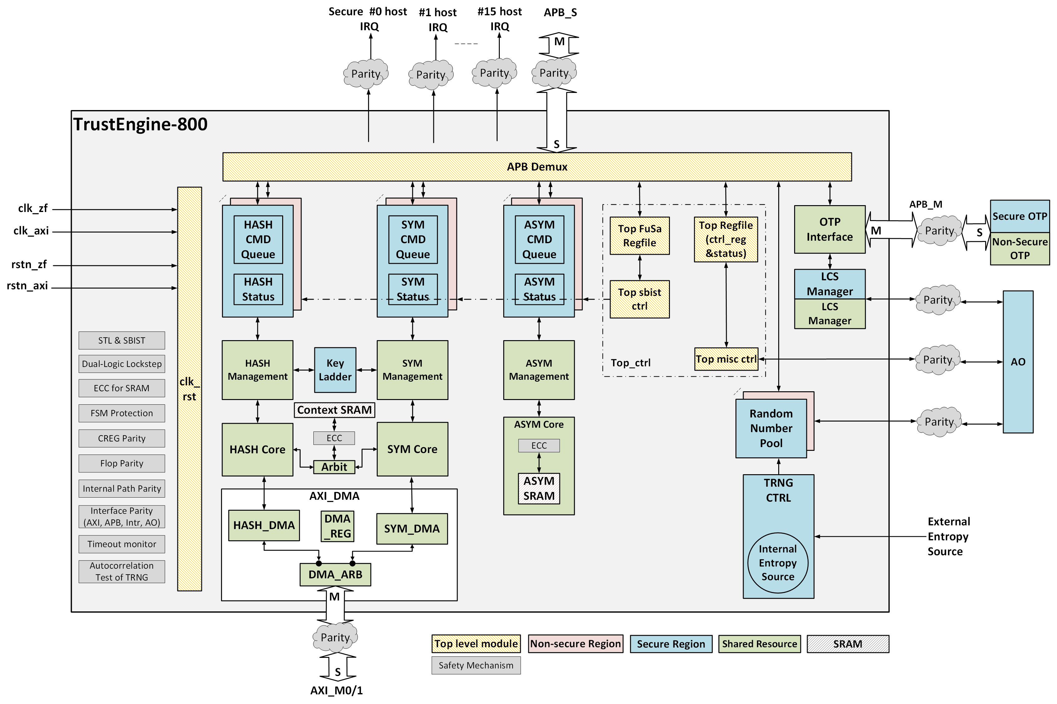

Figure 4-1 Reference Block Diagram
 |  | 1. cfg and SM |  |  | 2. Data path and SM | 3. CQ and SM | 4. CSQ and SM | 5. TRNG generation and 8*words sync in RN Pool Data and SMs | 6. Entropy rings
 |  |  |  |  |  |  |  |  |  | 7. AXI pipeline
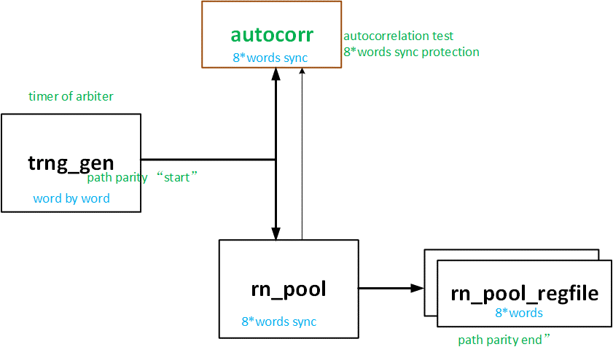

Figure 4-2 CCF Reference Diagram

 | 4.2 Dependent Failure Analysis
The Coexistence (CF)/CCF worksheet summarizes elements identified as a couple for analysis to check if there is any dependency. The qualitative Dependent Failure Analysis is described on the worksheet labelled Coexistence (CF)/CCF.
Note: The Dependent Failure Analysis included within the Coexistence (CF)/CCF worksheet is not representative of any real design. It is therefore necessary for the IP integrator to consider the final SoC and amend or replace the analysis data to match the as-implemented design.
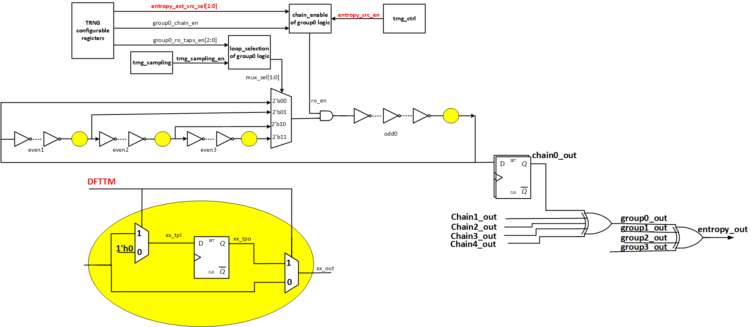

 | Table 4-1 Description of DFA information contents on the Coexistence (CF) worksheet

 | Column | Label | Description
 | A | ID | An identifier for each unique dependent failure
 | B | Element A(Lower ASIL or QM) Short Name and assigned ASIL | Short Name and assigned ASIL of Element A with Lower ASIL or QM
 | C | Element B(Higher ASIL) Short Name and assigned ASIL | Short Name and assigned ASIL of Element B with Higher ASIL or QM
 | D | Failure mode of Element A (Lower ASIL or QM) | Failure mode of Element A with Lower ASIL or QM
 | E | Coupling Type | Description of the Cascading failure analysis, if the latter is classified as a Coupling Type
 | F | Fault propagating medium | Description of the Cascading failure analysis, if the latter is classified as a Fault propagating medium
 | G | Effect (in Element B) PVSG(potential to violate a safety goal) or not | Description of the Cascading failure analysis, if the latter is classified as a Effect (in Element B) PVSG(potential to violate a safety goal) or not
 | H | System Integrator Responsibility Measures for Dependent Failure Avoidance (A) or Control (C) | Appropriate Mitigation Measures for this dependent failure. If the proposed measure is prefixed by (A), the measure is oriented towards preventing the occurrence of the dependent failure during operation. If the proposed measure is prefixed by (C), the measure is oriented towards preventing the dependent failure from violating the safety goal.
 | I | Traced by ERS | Description of the traced ER ID
 | J | Arm China Responsibility Measures for Dependent Failure Avoidance (A) or Control (C) | Appropriate Mitigation Measures for this dependent failure. If the proposed measure is prefixed by (A), the measure is oriented towards preventing the occurrence of the dependent failure during operation. If the proposed measure is prefixed by (C), the measure is oriented towards preventing the dependent failure from violating the safety goal.
 | K | Traced by ERS/UDS | Description of the traced ER ID/DE ID
 | L | Verification Method | Proposed methods to evaluate the effectiveness to control or avoid the dependent failure
 | M | Status | Fields to document the current status of the Failure analysis and any actions arising from it,[Open | OK | NOK] and Action

 | Table 4-2 Description of DFA information contents on the CCF worksheet
 | Column | Label | Description
 | A | ID | An identifier for each unique dependent failure
 | B, C | Function Short Name and Description | Identifier and description of the primary function in the soft IP
 | D, E | Safety Mechanism or Redundant Function Short Name and Description | Identifier and description of the safety mechanism or redundant function of the soft IP
 | F | Systematic Faults | Description of the Dependent Failure Initiator, if the latter is classified as a Systematic Fault
 | G | Shared Resources | Description of the Dependent Failure Initiator, if the latter is classified as a Shared Resource
 | H | Single Physical Root Cause | Description of the Dependent Failure Initiator, if the latter is classified as a Single Physical Root Cause
 | I | System Integrator Responsibility Measures for Dependent Failure Avoidance (A) or Control (C) | Appropriate Mitigation Measures for this dependent failure. If the proposed measure is prefixed by (A), the measure is oriented towards preventing the occurrence of the dependent failure during operation. If the proposed measure is prefixed by (C), the measure is oriented towards preventing the dependent failure from violating the safety goal.
 | J | Traced by ERS | Description of the traced ER ID
 | K | Arm China Responsibility Measures for Dependent Failure Avoidance (A) or Control (C) | Appropriate Mitigation Measures for this dependent failure. If the proposed measure is prefixed by (A), the measure is oriented towards preventing the occurrence of the dependent failure during operation. If the proposed measure is prefixed by (C), the measure is oriented towards preventing the dependent failure from violating the safety goal.
 | L | Traced by ERS/UDS | Description of the traced ER ID/DE ID
 | M | Safety Mechanism Identifier | Safety Mechanism short name will be used by a unified way in all safety analysis
 | N | Verification Method | Proposed methods to evaluate the effectiveness to control or avoid the dependent failure
 | O | Status | Fields to document the current status of the Failure analysis and any actions arising from it, [Open | OK | NOK] and Action

 | Table 4-3 Description of DFA information contents on the Generic analysis worksheet
 | Column | Label | Description
 | A,B | Generic DFIs or Shared resources and infrastructure elements | List the general DFIs or Shared resources and infrastructure elements
 | C | System Integrator Responsibility Measures for Dependent Failure Avoidance (A) or Control (C) | Appropriate Mitigation Measures for this dependent failure. If the proposed measure is prefixed by (A), the measure is oriented towards preventing the occurrence of the dependent failure during operation. If the proposed measure is prefixed by (C), the measure is oriented towards preventing the dependent failure from violating the safety goal.
 | D | Traced by ERS | Description of the traced ER ID
 | E | Arm China Responsibility Measures for Dependent Failure Avoidance (A) or Control (C) | Appropriate Mitigation Measures for this dependent failure. If the proposed measure is prefixed by (A), the measure is oriented towards preventing the occurrence of the dependent failure during operation. If the proposed measure is prefixed by (C), the measure is oriented towards preventing the dependent failure from violating the safety goal.
 | F | Traced by ERS/UDS | Description of the traced ER ID/DE ID
 | G | Verification Method | Proposed methods to evaluate the effectiveness to control or avoid the dependent failure
 | H | Status | Fields to document the current status of the Failure analysis and any actions arising from it, [Open | OK | NOK] and Action

 | 5 Conclusion
The DFA report defines the Arm China's responsibility for mitigation implemented in the IP, the system integrator's responsibility for mitigation assumed to be implemented at a higher level of the hierarchy, and other applicable assumptions of use for the minimization of the risk due to dependent failures and interference.
The analysis shows that the safety requirements for independence and freedom from interference have been satisfied.

