D13MAG00IICD00000000
General information
Pattern name | D13MAG00IICD00000000
Product | R-CarM3W
Module name | IICD
Patern creator | PER/TIMER/HauLe2

Pattern type
Type of pattern | AC/DC
Purpose | AC/DC measurement

Timing information
Test rate(ns) | 500
Number of timing sets in pattern | 1

LSI pin information
External input clock
Cycle period (ns) | -
Pin function names | -
LSI pin names | -
External output clock
Cycle period (ns) | -
Pin function names | -
LSI pin names | -
Internal clocks (used in receiving from LSI pin)
Cycle period (ns) | -
Clock name | -
Internal clocks (used in outputting from LSI pin)
Cycle period (ns) | -
Clock name | -
List of Used pin functions by pattern | SCL_DVFS | SDA_DVFS
List of Used LSI pins by pattern | SCL_DVFS | SDA_DVFS | TX1 | CTS1_N
 | PAD | PAD | CIN | CIN | STBN | I | PUE | CONTA | CONTB
Fuse informaiton
Necessity of Fuse cut | No
Name of fuse bits | -
Fuse values for PASS | -

User Mask information
PFC setting period | No
LBSC output pins (control signals) | Yes
Other mask | Described below

Other informaiton
Method to dump output | -
Boot CPU | -

AC measurement information
Measurement items in EC | tf

TM flow
This pattern is an OSCTST pattern, therefore, no boot CPU
OSCTST sequence will be performed using usr_sim.tcl script

OSCTST sequence
(1) Force OSCTST mode MT_MODE to mode 20 (0x14 - IICDVFS) @0ns
(2) OSCTST startup sequence starts @0ns, complete @31000ns (supported by simulation environment using OSCTST_MODE_ON option)
(3) OSCTST input data starts @35000ns
(4) Testing I2C's IO cell in input mode and standby (case A)
(5) Testing I2C's IO cell in input mode and active (case B), except for I = 0
(6) Testing I2C's IO cell in output mode and standby (case C)
(7) Testing I2C's IO cell in output mode and active (case D)
(8) Testing tf (PAD switch from input 1 to output L)
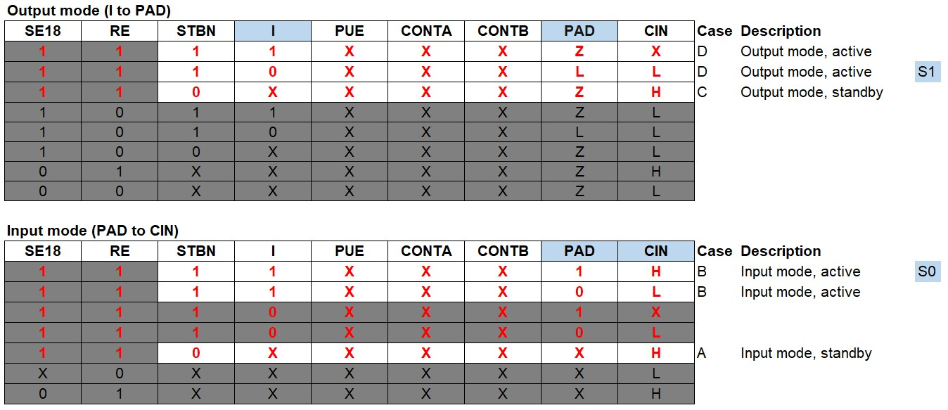

OSCTST waveform
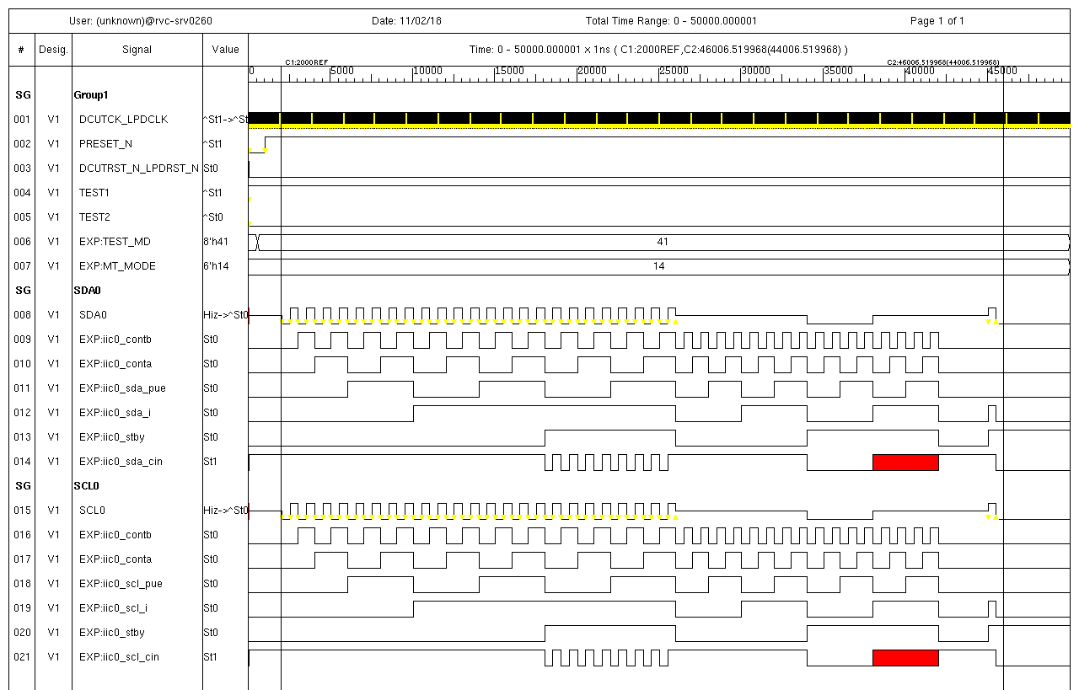
Case A
Case B
Case C
Case D
S0
S1

D41QFA00IICD00001000
Read me 1st
Read me first:
1. Make this pattern spec before making pattern.
2. One sheet corresponds to one pattern, and one book (Excel file) for one module.
Sheet name shall be the pattern name.
2. Get this spec reviewed by function leader or tester task leader before relesing pattern.
3. Enter information in "History" sheet
3. Store this file in doc/ in pattern release directory.
with name "R-CarM3N_Tester_pattern_specifiction_MODULE_revX.Y.xlsx"
4. Then, you release the pattern data (evcd, td, etc.).
General information
Pattern name | D41QFA00IICD00001000
Product | R-CarM3N
Module name | IICD
Patern creator | RVC/NguyenD

Pattern type
Type of pattern | Func
Purpose | External pin operation

Timing information
Test rate(ns) | 15
Number of timing sets in pattern | 1

LSI pin information
External input clock
Cycle period (ns) | -
Pin function names | -
LSI pin names | -
External output clock
Cycle period (ns) | -
Pin function names | 0
LSI pin names | 0
Internal clocks (used in receiving from LSI pin)
Cycle period (ns) | 60ns
Clock name | CPCLK
Internal clocks (used in outputting from LSI pin)
Cycle period (ns) | -
Clock name | -
List of Used pin functions by pattern | SCL_DVFS | SDA_DVFS
List of Used LSI pins by pattern | SCL_DVFS | SDA_DVFS

Fuse informaiton
Necessity of Fuse cut | Not
Name of fuse bits | - | -
Fuse values for PASS | - | -

"Yes" or "No". If output of LBSC control signals (CS0_N, CS1_N_A26, BS_N, RD_N, RD_WR_N, WE0_N, WE1_N, A0-A25) are masked during LBSC operaion to prevent margin lacking, enter "Yes" . But it's not mandatory .
User Mask information
PFC setting period | No
LBSC output pins (control signals) | No
Other mask | Described below

Other informaiton
Method to dump output | LSI pins
Boot CPU | SHX

AC measurement information | Pattern guarantee
Measurement items in EC | tHD;STA | tSU;STA | tSU;STO | tHD;DAT | tSU;DAT

TM flowchart |  | Timing chart
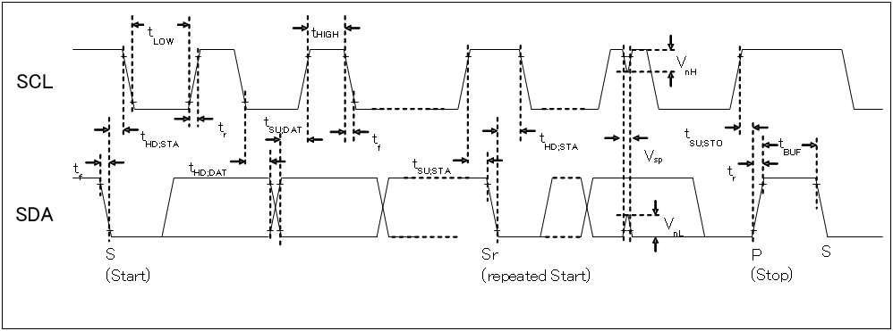
Begin

Initialize LBSC registers

Setting SCL frequency (400Khz)

Wait for Start condition generated
-> use CPU wait

Setting Slave address (ICDR)

Wait Slave address sent to transmit buffer from ICDR -> use CPU wait
Open mask for LSI pins
[before]
SDA_DVFS +
SCL_DVFS+
[after]
// SDA_DVFS +
// SCL_DVFS +
Mask falling time (input -> output) -> refer "Debug_solution" sheet
[before]
pastmask
...
SDA_DVFS = 1 hlz01mask mode( SDA_DVFS , ioc) ;
SCL_DVFS = 1 hlz01mask mode( SCL_DVFS , ioc) ;
...
endpaskmask
[after]
pat
SDA_DVFS = allmask hold( mode( SDA_DVFS ,ioc) , 20 );
SCL_DVFS = allmask hold( mode( SCL_DVFS ,ioc) , 15 );
endpat
 |  | Other mask

Setting data packet (ICDR)
Write H'90 to ICCR to generate STOP condition after data transmission

Wait for Stop condition generated
-> use CPU wait

End

