Sheet1
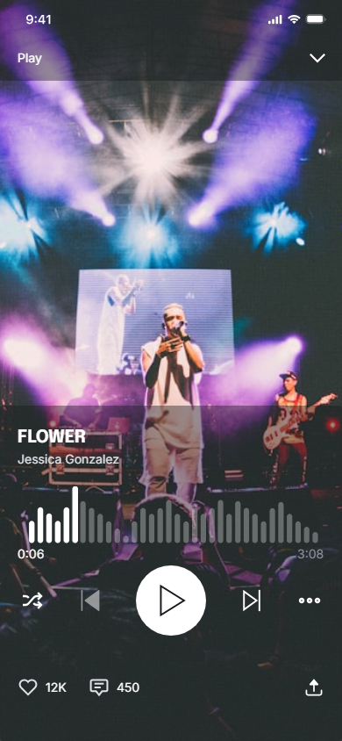
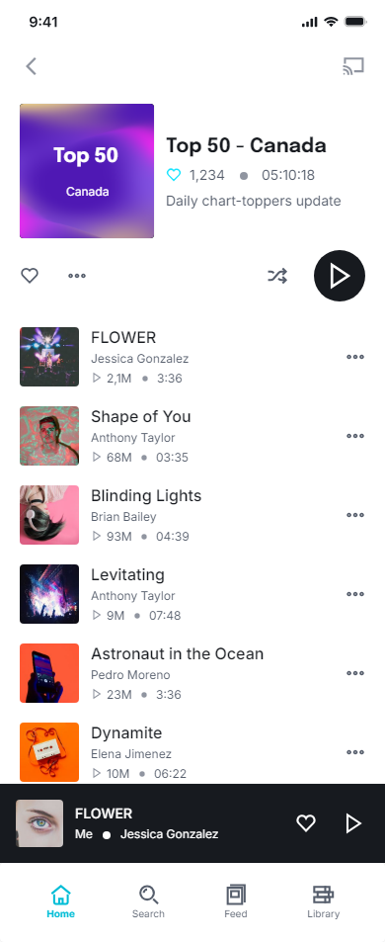
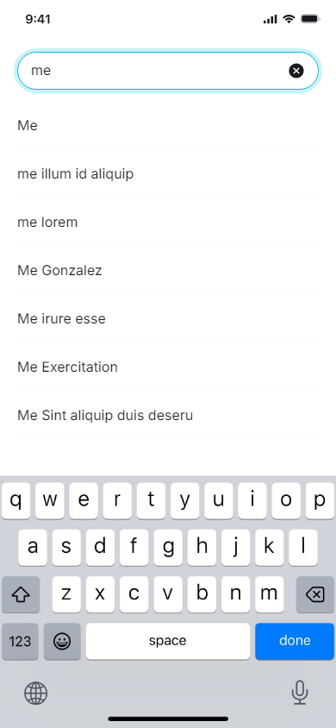
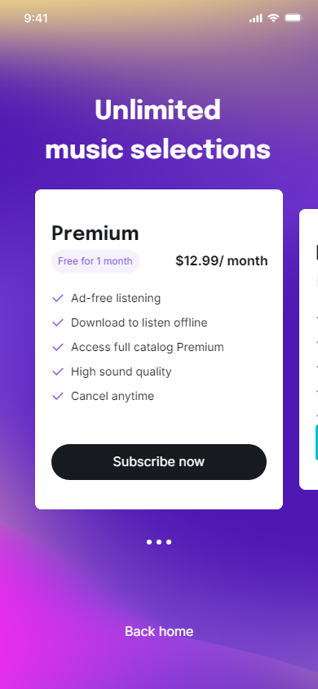
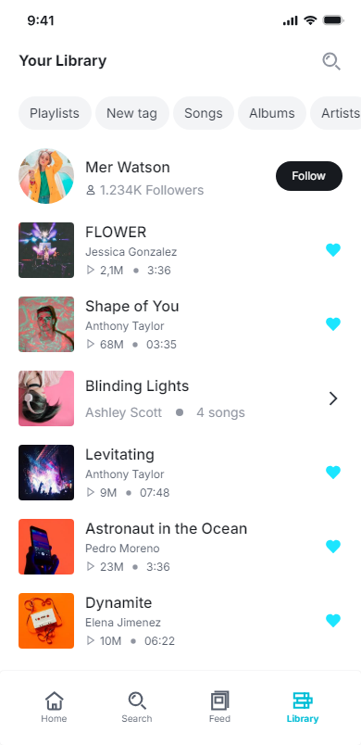
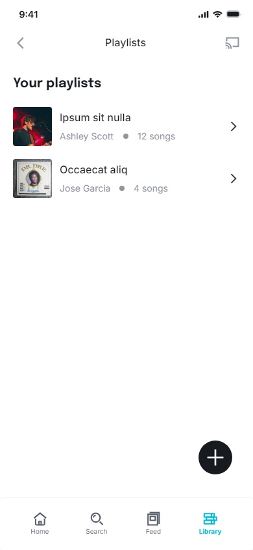
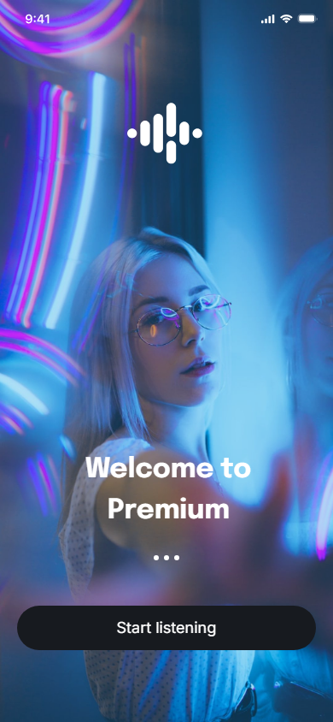
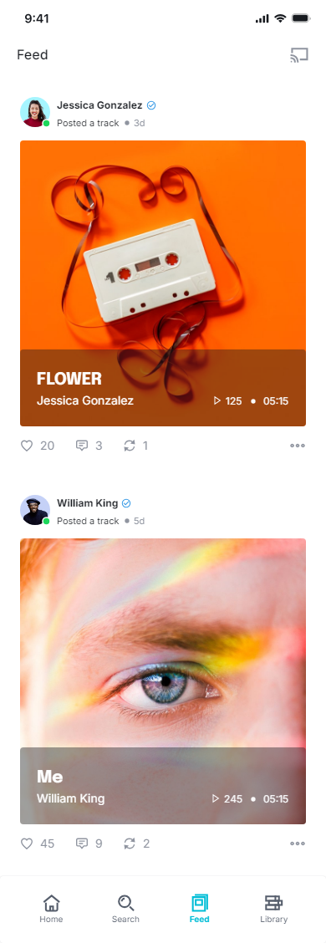
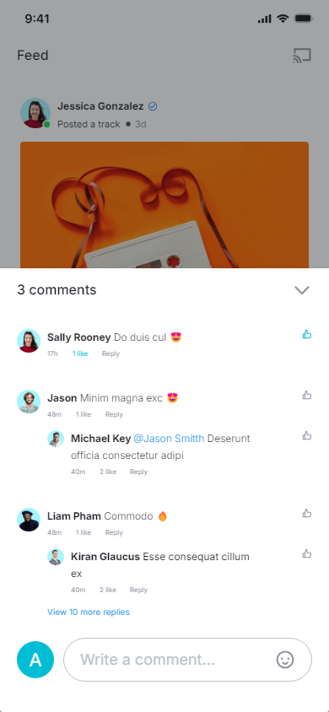
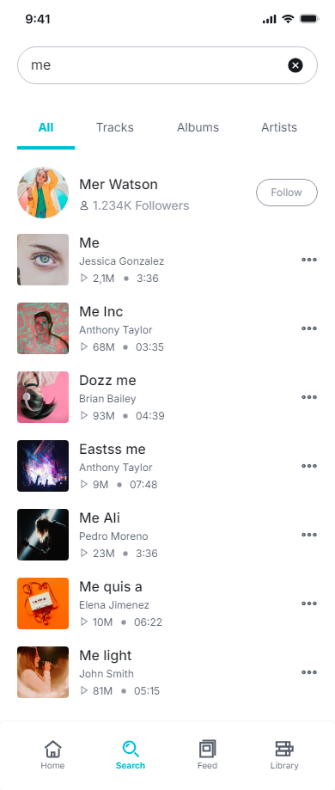
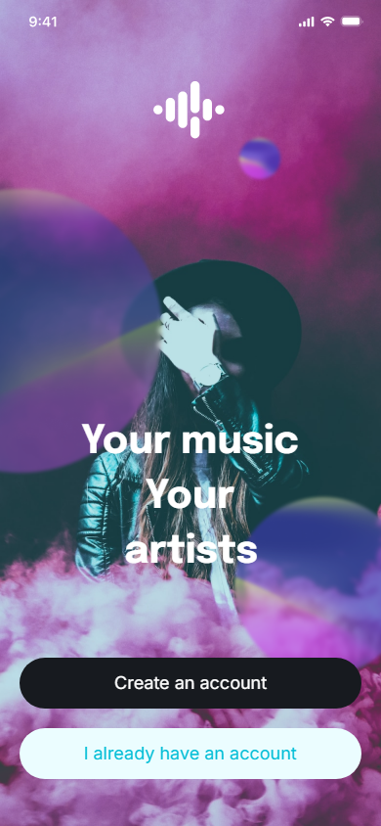
1 | Artist Profile.png | Done
2 | Audio Listing - Search Results.png | Done
3 | Feed - Audio Listing.png | Done
4 | Feed - Comment on an Audio.png | Done
5 | Home - Audio Listing.png | Done
6 | Launch Screen - Premium.png
7 | Launch Screen.png
8 | My Library.png | Done
9 | My Playlists.png | Done
10 | Play an Audio.png
11 | Playlist Details - Audio Listing.png
12 | Search Audio.png
13 | Subscription Plans.png

