Read Me
Glossary
Knowledge Object – A document, presentation, video, etc.
Metadata – The information about a Knowledge Object (creator, date of creation, language, etc.)

Purpose of the file
Under WP6, Taks 6.3 (Establishing the G4AE knowledge reservoir and interconnecting with similar reservoirs), to collect the metadata related to pertinent Knowledge Objects produced under the projects G4AE and Inno4Grass. The metadata collected will be uploaded, alongside the respective Knowledge Objects, to the EUFarmbook platform.
Structure of the file
The file is composed of two sheets:
Read Me sheet – This sheet. Contextualizes the user with the purpose and structure of the file. Provides important information on how to address the data input process.
Fill Me sheet – This is where the user introduces the necessary metadata.
a) It is composed of 21 fields, 17 of them mandatory, 2 optional and 2 autocompleted. From these 21 fields, 9 provide dropdownlists;
b) Each field has a description (e.g. “file name (*)”, “language(s) (*) 6”). Associated to each description cell, there is a note that will be shown every time the user selects a cell (image 1 – A);
c) Mandatory fields have (*) following the description (image 1 – B). The information on the obligation or not to fill a cell is also displayed in the respective note;
d) Fields with dropdownlists (mandatory or not) a have a yellow triangle 6 following the description (image 1 - C);
e) Some fields with dropdown lists allow for multiple choices (image 1 – D);
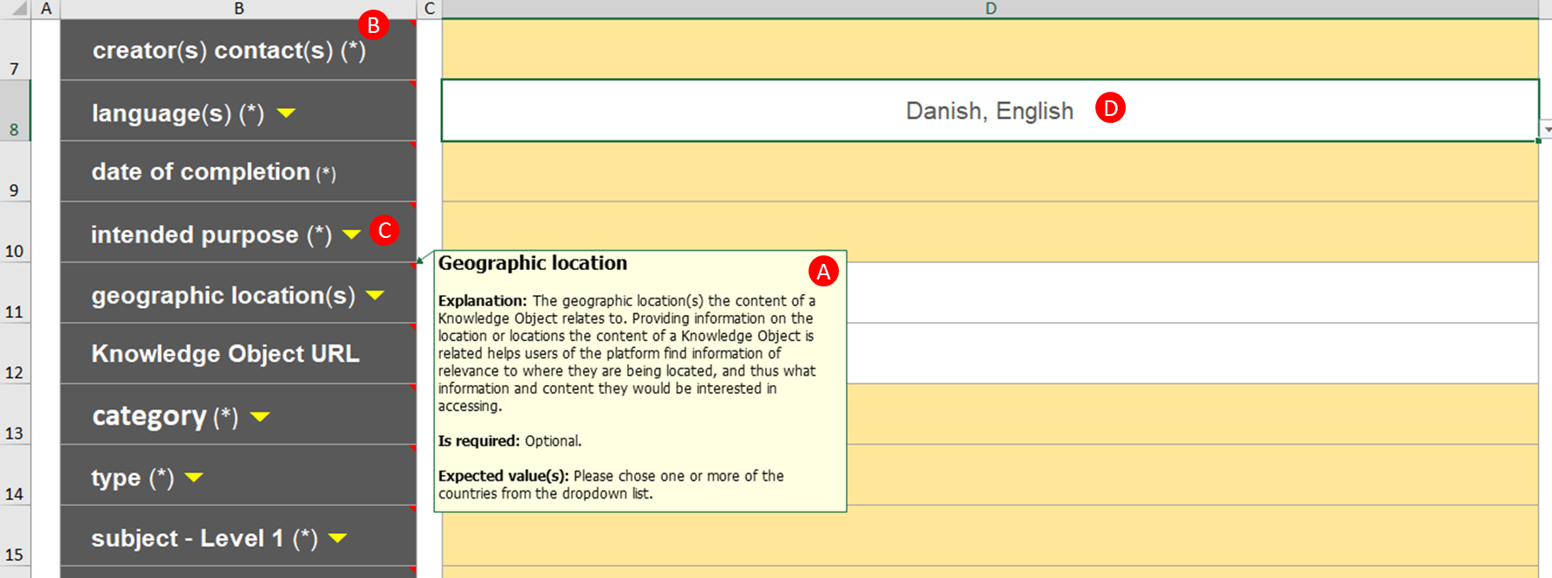 Image 1
f) Mandatory cells have a light-yellow background. When filled, the cell’s background turns to white (image 1 – D). All white, all good to go!;
g) Cells D21 [project acronym (*)] and D22 [project URL (*)] are automatically filled once a project is selected.
Subject Levels sheet – The EUFarmbook has a two-level subject model with five main subjects (subject level 1): cropfarming, economics, environment, forestry, livestock, society. Each subject level 1 has a series of specific assigned subjects (subject level 2). Sheet Subject Levels presents the available Subject Level 2 options. Users are asked to refer to this sheet when filling cell D16 (subject - Level 2) in sheet Fill Me.
Important Notes
QUALITY CONTROL - It starts with you! The file was created to standardize as much as possible the metadata collection process based on dropdown lists, thus ensuring data integrity. Nonetheless, from the 19 fields that demand user interaction 10 are fields of free entry. The information introduced in these fields demand extra care by the user as any error detected downhill will imply a time-consuming process of feedback interaction. A “fill once, check twice” approach is advised.
FILE NAME – The file name (*) field is crucial for the entire process. The file name establishes the connection between the metadata file (this file) and the knowledge object itself (the digital file). The user is asked to introduce the exact name given to the knowledge object (the digital file) and advised to double/triple check this field (remember: Quality Control starts with you!).
KEEP THE ORIGINAL TEMPLATE – This file as an embedded VBA code that allow for functionalities otherwise not standard in Excel. In normal circumstances it works well. Abnormal situations such as a sudden shutdown of your machine while the file is open might cause the file to go wild. As a safety rule, always keep a fresh version of the original template by immediately saving each new file with the respective exact name given to the knowledge object (the digital file). If something goes wrong you can always start fresh from the template.

