Test Report
UNIT TEST REPORT

Project Name | Test Black box |  | Creator |  | Phạm Sỹ Thái
Project Code | TB-b |  | Reviewer/Approver
Document Code | TB-b_Test Report_vx.x |  | Issue Date |  | 15/10/2023
Notes | <List modules included in this release> ex: Release 1 includes 2 modules: Module1 and Module2

No | Function code | Passed | Failed | Untested | N | A | B | Total Test Cases
1 | UT Lab1 | 13 | 1 | 0 | 6 | 6 | 5 | 14
2 | UT Lab 2 | 4 | 0 | 0 | 4 | 0 | 0 | 4
3 | UT Lab 3 | 12 | 7 | 0 | 6 | 2 | 11 | 19
4 | UT Lab 4 | 2 | 2 | 0 | 4 | 0 | 0 | 4
5 | UT Lab 5 | 2 | 3 | 0 | 1 | 2 | 2 | 5
6 | UT Lab 6 | 3 | 2 | 0 | 5 | 0 | 0 | 5
7 | UT Lab 7 | 1 | 4 | 0 | 1 | 4 | 0 | 5
8 | UT Lab 8 | 0 | 0 | 15 | 0 | 0 | 0 | 15

 | Sub total | 37 | 19 | 15 | 27 | 14 | 18 | 71

 | Test coverage |  | 78.87 | %
 | Test successful coverage |  | 52.11 | %
 | Normal case |  | 38.03 | %
 | Abnormal case |  | 19.72 | %
 | Boundary case |  | 25.35 | %

Passed Percent
Passed | 37 |  | 1 | 1 | 37
Failed | 19 |  |  |  | 19
Untested | 15 |  |  |  | 15
Test Type
N | 27 |  | 1 | 1 | 27
A | 14 |  |  |  | 14
B | 18 |  |  |  | 18

UT Lab 1
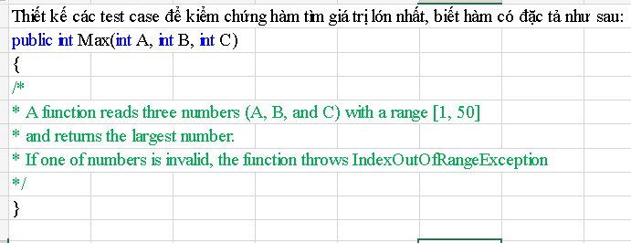
Function Code |  | Max |  | Function Name |  |  |  |  |  | Max
Created By |  | Lê Trần Tú Uyên |  | Executed By |  |  |  |  |  | Lê Trần Tú Uyên
Lines of code |  | 100 |  | Lack of test cases |  |  |  |  |  | -4
Test requirement |  | Thiết kế các test case kiểm chứng tìm giá trị lớn nhất
Passed |  | Failed |  | Untested |  |  |  |  |  | N/A/B |  |  | Total Test Cases
13 |  | 1 |  | 0 |  |  |  |  |  | 6 | 6 | 5 | 14

 |  |  |  | UTCID01 | UTCID02 | UTCID03 | UTCID04 | UTCID05 | UTCID06 | UTCID07 | UTCID08 | UTCID09 | UTCID10 | UTCID11 | UTCID12 | UTCID13 | UTCID14
Condition | a |  |  |  |  |  |  |  |  |  |  |  |  |  |  |  |  | condition | valid par | invalid par | valid boudary | invalid boudary
 |  |  | 10 | O
 |  |  | 10 |  | O
 |  |  | 9 |  |  | O |  |  |  |  |  |  |  |  |  |  |  | a |  | <1 | 1 | 0
 |  |  | -5 |  |  |  | O |  |  |  |  |  |  |  |  |  |  |  | nhập số từ [1-50] với, a>b,a>c | >50 | 50 | 51
 |  |  | 60 |  |  |  |  | O |  |  |  |  |  |  |  |  |  |  | nhập số từ [1-50] với, a>b,a<c
 |  |  | 9 |  |  |  |  |  | O |  |  |  |  |  |  |  |  |  | nhập số từ [1-50] với, b>a,b>c
 |  |  | 10 |  |  |  |  |  |  | O
 |  |  | 9 |  |  |  |  |  |  |  | O |  |  |  |  |  |  | b |  | <1 | 1 | 0
 |  |  | 9 |  |  |  |  |  |  |  |  | O |  |  |  |  |  |  | nhập số từ [1-50] với, a>b,a>c | >50 | 50 | 51
 |  |  | 1 |  |  |  |  |  |  |  |  |  | O |  |  |  |  |  | nhập số từ [1-50] với, a>b,a<c
 |  |  | 50 |  |  |  |  |  |  |  |  |  |  | O |  |  |  |  | nhập số từ [1-50] với, b>a,b>c
 |  |  | 0 |  |  |  |  |  |  |  |  |  |  |  | O
 |  |  | 9 |  |  |  |  |  |  |  |  |  |  |  |  | O |  | c |  | <1 | 1 | 0
 |  |  | 9 |  |  |  |  |  |  |  |  |  |  |  |  |  | O |  | nhập số từ [1-50] với, a>b,a>c | >50 | 50 | 51
 | b |  |  |  |  |  |  |  |  |  |  |  |  |  |  |  |  |  | nhập số từ [1-50] với, a>b,a<c
 |  |  | 8 | O |  |  |  |  |  |  |  |  |  |  |  |  |  |  | nhập số từ [1-50] với, b>a,b>c
 |  |  | 8 |  | O
 |  |  | 10 |  |  | O
 |  |  | 9 |  |  |  | O
 |  |  | 9 |  |  |  |  | O
 |  |  | -8 |  |  |  |  |  | O
 |  |  | 60 |  |  |  |  |  |  | O
 |  |  | 8 |  |  |  |  |  |  |  | O
 |  |  | 8 |  |  |  |  |  |  |  |  | O |  |  |  |  |  | # | Test case type | a | b | c | Expected result
 |  |  | 1 |  |  |  |  |  |  |  |  |  | O |  |  |  |  | 1 | VP | 10 | 8 | 7 | 10
 |  |  | 50 |  |  |  |  |  |  |  |  |  |  | O |  |  |  | 2 |  | 10 | 8 | 12 | 12
 |  |  | 9 |  |  |  |  |  |  |  |  |  |  |  | O |  |  | 3 |  | 9 | 10 | 8 | 10
 |  |  | 0 |  |  |  |  |  |  |  |  |  |  |  |  | O |  | 4 | IP | -5 | 9 | 8 | indexOutOfRangeException
 |  |  | 10 |  |  |  |  |  |  |  |  |  |  |  |  |  | O | 5 |  | 60 | 9 | 9 | indexOutOfRangeException
 | c |  |  |  |  |  |  |  |  |  |  |  |  |  |  |  |  | 6 |  | 9 | -8 | 7 | indexOutOfRangeException
 |  |  | 7 | O |  |  |  |  |  |  |  |  |  |  |  |  |  | 7 |  | 10 | 60 | 2 | indexOutOfRangeException
 |  |  | 12 |  | O |  |  |  |  |  |  |  |  |  |  |  |  | 8 |  | 9 | 8 | -5 | indexOutOfRangeException
 |  |  | 8 |  |  | O |  |  |  |  |  |  |  |  |  |  |  | 9 |  | 9 | 8 | 60 | indexOutOfRangeException
 |  |  | 8 |  |  |  | O |  |  |  |  |  |  |  |  |  |  | 10 | VB | 1 | 1 | 1 | 1
 |  |  | 9 |  |  |  |  | O |  |  |  |  |  |  |  |  |  | 11 |  | 50 | 50 | 50 | 50
 |  |  | 7 |  |  |  |  |  | O |  |  |  |  |  |  |  |  | 12 | IB | 0 | 9 | 10 | indexOutOfRangeException
 |  |  | 2 |  |  |  |  |  |  | O |  |  |  |  |  |  |  | 13 |  | 9 | 0 | 10 | indexOutOfRangeException
 |  |  | -5 |  |  |  |  |  |  |  | O |  |  |  |  |  |  | 14 |  | 9 | 10 | 0 | indexOutOfRangeException
 |  |  | 60 |  |  |  |  |  |  |  |  | O
 |  |  | 1 |  |  |  |  |  |  |  |  |  | O
 |  |  | 50 |  |  |  |  |  |  |  |  |  |  | O
 |  |  | 10 |  |  |  |  |  |  |  |  |  |  |  | O
 |  |  | 10 |  |  |  |  |  |  |  |  |  |  |  |  | O
 |  |  | 0 |  |  |  |  |  |  |  |  |  |  |  |  |  | O

Confirm | Return
 |  |  | 10 | O
 |  |  | 12 |  | O
 |  |  | 10 |  |  | O
 |  |  | 1 |  |  |  |  |  |  |  |  |  | O
 |  |  | 50 |  |  |  |  |  |  |  |  |  |  | O
 |  |  | indexOfRangeException |  |  |  | O | O | O | O | O | O |  |  | O | O | O

Result | Type(N : Normal, A : Abnormal, B : Boundary) |  |  | N | N | N | A | A | A | A | A | A | B | B | B | B | B
 | Passed/Failed |  |  | P | F | P | P | P | P | P | P | P | P | P | P | P | P
 | Executed Date |  |  | 14/10/2023 | 14/10/2023 | 14/10/2023 | 15/10/2023 | 15/10/2023 | 15/10/2023 | 15/10/2023 | 15/10/2023 | 15/10/2023 | 15/10/2023 | 15/10/2023 | 15/10/2023 | 15/10/2023 | 15/10/2023
 | Defect ID |  |  |  | idF1

UT Lab3
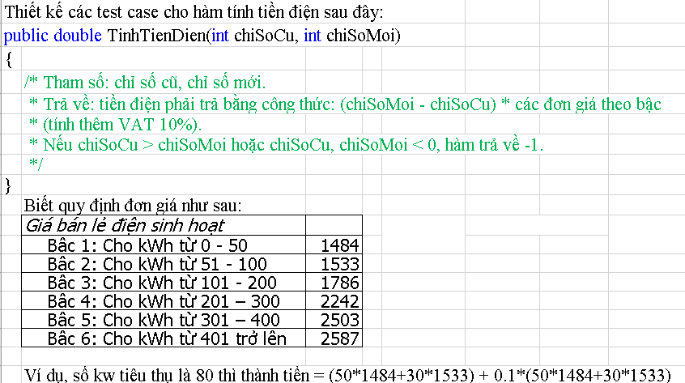
Function Code |  | TinhTienDien |  | Function Name |  |  |  |  |  | TinhTienDien
Created By |  | Lê Trần Tú Uyên |  | Executed By |  |  |  |  |  | Lê Trần Tú Uyên
Lines of code |  | 100 |  | Lack of test cases |  |  |  |  |  | -9
Test requirement |  | thiết kế testcase cho hàm tính tiền điện
Passed |  | Failed |  | Untested |  |  |  |  |  | N/A/B |  |  | Total Test Cases
12 |  | 7 |  | 0 |  |  |  |  |  | 6 | 2 | 11 | 19

 |  |  |  | UTCID01 | UTCID02 | UTCID03 | UTCID04 | UTCID05 | UTCID06 | UTCID07 | UTCID08 | UTCID09 | UTCID10 | UTCID11 | UTCID12 | UTCID13 | UTCID14 | UTCID15 | UTCID16 | UTCID17 | UTCID18 | UTCID19
Condition | chiSoMoi |  |  |  |  |  |  |  |  |  |  |  |  |  |  |  |  |  |  |  |  |  | Condition | VP | IP | VB | IB
 |  |  | 150 | O |  |  |  |  |  |  |  |  |  |  |  |  |  |  |  |  |  |  | chiSoMoi | [chiSoCu-max] |  |  | -1
 |  |  | 200 |  | O
 |  |  | 280 |  |  | O |  |  |  |  |  |  |  |  |  |  |  |  |  |  |  |  | chiSoCu | [0-chiSoMoi] | <0
 |  |  | 380 |  |  |  | O |  |  |  |  |  |  |  |  |  |  |  |  |  |  |  |  |  | >chiSoMoi
 |  |  | 480 |  |  |  |  | O
 |  |  | 580 |  |  |  |  |  | O |  |  |  |  |  |  |  |  |  |  |  |  |  | (chiSoMoi-chiSoCu) | [0-50] | >max | 0
 |  |  | 150 |  |  |  |  |  |  | O |  |  |  |  |  |  |  |  |  |  |  |  |  | [51-100] |  | 50
 |  |  | 150 |  |  |  |  |  |  |  | O |  |  |  |  |  |  |  |  |  |  |  |  | [101-200] |  | 51
 |  |  | 50 |  |  |  |  |  |  |  |  | O |  |  |  |  |  |  |  |  |  |  |  | [201-300] |  | 100
 |  |  | 100 |  |  |  |  |  |  |  |  |  | O |  |  |  |  |  |  |  |  |  |  | [301-400] |  | 101
 |  |  | 100 |  |  |  |  |  |  |  |  |  |  | O |  |  |  |  |  |  |  |  |  | [401-max] |  | 200
 |  |  | 200 |  |  |  |  |  |  |  |  |  |  |  | O |  |  |  |  |  |  |  |  |  |  | 201
 |  |  | 200 |  |  |  |  |  |  |  |  |  |  |  |  | O |  |  |  |  |  |  |  |  |  | 300
 |  |  | 300 |  |  |  |  |  |  |  |  |  |  |  |  |  | O |  |  |  |  |  |  |  |  | 301
 |  |  | 300 |  |  |  |  |  |  |  |  |  |  |  |  |  |  | O |  |  |  |  |  |  |  | 400
 |  |  | 400 |  |  |  |  |  |  |  |  |  |  |  |  |  |  |  | O |  |  |  |  |  |  | 401
 |  |  | 400 |  |  |  |  |  |  |  |  |  |  |  |  |  |  |  |  | O
 |  |  | 500 |  |  |  |  |  |  |  |  |  |  |  |  |  |  |  |  |  | O
 |  |  | 500 |  |  |  |  |  |  |  |  |  |  |  |  |  |  |  |  |  |  | O

 | chiSoCu
 |  |  | 100 | O |  |  |  |  |  |  |  |  |  |  |  |  |  |  |  |  |  |  | # | Test case type | chiSoMoi | chiSoCu | chiSoMoi-chiSoCu | Expected result
 |  |  | 100 |  | O |  |  |  |  |  |  |  |  |  |  |  |  |  |  |  |  |  | 1 | VP | 150 | 100 | [0-50] | 81620
 |  |  | 100 |  |  | O |  |  |  |  |  |  |  |  |  |  |  |  |  |  |  |  | 2 |  | 200 | 100 | [51-100] | 165935
 |  |  | 100 |  |  |  | O |  |  |  |  |  |  |  |  |  |  |  |  |  |  |  | 3 |  | 280 | 100 | [101-200] | 323103
 |  |  | 100 |  |  |  |  | O |  |  |  |  |  |  |  |  |  |  |  |  |  |  | 4 |  | 380 | 100 | [201-300] | 559691
 |  |  | 100 |  |  |  |  |  | O |  |  |  |  |  |  |  |  |  |  |  |  |  | 5 |  | 480 | 100 | [301-400] | 829279
 |  |  | -5 |  |  |  |  |  |  | O |  |  |  |  |  |  |  |  |  |  |  |  | 6 |  | 580 | 100 | [401-max] | 1112001
 |  |  | 180 |  |  |  |  |  |  |  | O |  |  |  |  |  |  |  |  |  |  |  | 7 | IP | 150 | -5 |  | -1
 |  |  | 50 |  |  |  |  |  |  |  |  | O |  |  |  |  |  |  |  |  |  |  | 8 |  | 150 | 180 |  | -1
 |  |  | 50 |  |  |  |  |  |  |  |  |  | O |  |  |  |  |  |  |  |  |  | 9 | VB | 50 | 50 | 0 | 0
 |  |  | 49 |  |  |  |  |  |  |  |  |  |  | O |  |  |  |  |  |  |  |  | 10 |  | 100 | 50 | 50 | 81620
 |  |  | 100 |  |  |  |  |  |  |  |  |  |  |  | O |  |  |  |  |  |  |  | 11 |  | 100 | 49 | 51 | 83306.3
 |  |  | 99 |  |  |  |  |  |  |  |  |  |  |  |  | O |  |  |  |  |  |  | 12 |  | 200 | 100 | 100 | 165935
 |  |  | 100 |  |  |  |  |  |  |  |  |  |  |  |  |  | O |  |  |  |  |  | 13 |  | 200 | 99 | 101 | 167899.6
 |  |  | 99 |  |  |  |  |  |  |  |  |  |  |  |  |  |  | O |  |  |  |  | 14 |  | 300 | 100 | 200 | 362395
 |  |  | 100 |  |  |  |  |  |  |  |  |  |  |  |  |  |  |  | O |  |  |  | 15 |  | 300 | 99 | 201 | 364861.2
 |  |  | 99 |  |  |  |  |  |  |  |  |  |  |  |  |  |  |  |  | O |  |  | 16 |  | 400 | 100 | 300 | 609015
 |  |  | 100 |  |  |  |  |  |  |  |  |  |  |  |  |  |  |  |  |  | O |  | 17 |  | 400 | 99 | 301 | 589572.5
 |  |  | 99 |  |  |  |  |  |  |  |  |  |  |  |  |  |  |  |  |  |  | O | 18 |  | 500 | 100 | 400 | 862149.2
 |  |  |  |  |  |  |  |  |  |  |  |  |  |  |  |  |  |  |  |  |  |  | 19 |  | 500 | 99 | 401 | 864994.9

 | (chiSoMoi-chiSoCu)
 |  |  | [0-50] | O |  |  |  |  |  |  |  | O | O
 |  |  | [51-100] |  | O |  |  |  |  |  |  |  |  | O | O
 |  |  | [101-200] |  |  | O |  |  |  |  |  |  |  |  |  | O | O
 |  |  | [201-300] |  |  |  | O |  |  |  |  |  |  |  |  |  |  | O | O
 |  |  | [301-400] |  |  |  |  | O |  |  |  |  |  |  |  |  |  |  |  | O | O
 |  |  | [401-max] |  |  |  |  |  | O |  |  |  |  |  |  |  |  |  |  |  |  | O
 |  |  |  |  |  |  |  |  |  | O

Confirm | Return
 |  |  | 81620 | O |  |  |  |  |  |  |  |  | O
 |  |  | 165935 |  | O
 |  |  | 323103 |  |  | O
 |  |  | 559691 |  |  |  | O
 |  |  | 829279 |  |  |  |  | O
 |  |  | 1112001 |  |  |  |  |  | O
 |  |  | -1 |  |  |  |  |  |  | O | O
 |  |  | 0 |  |  |  |  |  |  |  |  | O
 |  |  | 83306.3 |  |  |  |  |  |  |  |  |  |  | O
 |  |  | 165935 |  |  |  |  |  |  |  |  |  |  |  | O
 |  |  | 167899.6 |  |  |  |  |  |  |  |  |  |  |  |  | O
 |  |  | 362395 |  |  |  |  |  |  |  |  |  |  |  |  |  | O
 |  |  | 364861.2 |  |  |  |  |  |  |  |  |  |  |  |  |  |  | O
 |  |  | 609015 |  |  |  |  |  |  |  |  |  |  |  |  |  |  |  | O
 |  |  | 589572.5 |  |  |  |  |  |  |  |  |  |  |  |  |  |  |  |  | O
 |  |  | 862149.2 |  |  |  |  |  |  |  |  |  |  |  |  |  |  |  |  |  | O
 |  |  | 864994.9 |  |  |  |  |  |  |  |  |  |  |  |  |  |  |  |  |  |  | O
Result | Type(N : Normal, A : Abnormal, B : Boundary) |  |  | N | N | N | N | N | N | A | A | B | B | B | B | B | B | B | B | B | B | B
 | Passed/Failed |  |  | P | P | P | P | F | P | F | F | P | P | P | P | P | F | P | P | F | F | F
 | Executed Date |  |  | 15/10/2023 | 15/10/2023 | 15/10/2023 | 15/10/2023 | 15/10/2023 | 15/10/2023 | 15/10/2023 | 15/10/2023 | 15/10/2023 | 15/10/2023 | 15/10/2023 | 15/10/2023 | 15/10/2023 | 15/10/2023 | 15/10/2023 | 15/10/2023 | 15/10/2023 | 15/10/2023 | 15/10/2023
 | Defect ID

UT Lab5
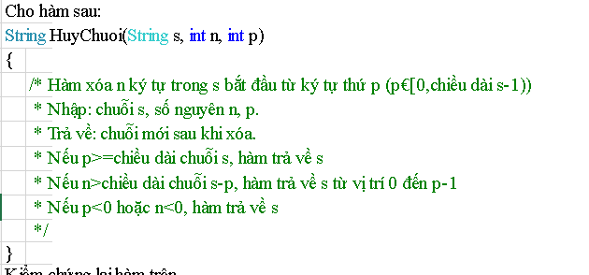
Function Code |  | HuyChuoi |  | Function Name
Created By |  | Lê Trần Tú Uyên |  | Executed By |  |  |  |  | Lê Trần Tú Uyên
Lines of code |  | 100 |  | Lack of test cases |  |  |  |  | 5
Test requirement |  | thiết kế testcase cho hàm HuyChuoi
Passed |  | Failed |  | Untested |  |  |  |  | N/A/B |  |  | Total Test Cases
2 |  | 3 |  | 0 |  |  |  |  | 1 | 2 | 2 | 5

 |  |  |  | UTCID01 | UTCID02 | UTCID03 | UTCID04 | UTCID05
Condition | string s |  |  |  |  |  |  |  |  |  |  | condition | valid par | invalid par | valid boudary | invalid boudary
 |  |  | chuỗi lớn hơn 0 kí tự | O | O | O
 |  |  | chuỗi kí tự khoảng trắng |  |  |  | O |  |  |  |  | String s | chuỗi lớn hơn 0 kí tự | chuỗi kí tự khoảng trắng | 1
 |  |  | chuỗi có 1 kí tự |  |  |  |  | O
 | int n
 |  |  | n> chiều dài s-p | O
 |  |  | n>0 |  | O |  | O |  |  |  |  | n | n> chiều dài s-p |  | 0
 |  |  | n<0 |  |  | O |  |  |  |  |  |  | n>0
 |  |  | n=0 |  |  |  |  | O |  |  |  |  | n<0
 | int p
 |  |  | p thuộc [0,chiều dài s-1] | O |  |  | O |  |  |  |  | int p | p thuộc [0 chiều dài s-1] |  | 0
 |  |  | p>= chiều dài chuỗi s |  | O |  |  |  |  |  |  |  | p>= chiều dài chuỗi s
 |  |  | p>0 |  |  | O |  |  |  |  |  |  | p<0
 |  |  | p=0 |  |  |  |  | O
Confirm | Return |  |  |  |  |  |  |  |  |  |  |  |  | Bảng testcase
 |  |  | "xinchao" | O
 |  |  | "xin chao" |  | O | O |  |  |  |  |  | # | Test case type | string s | int n | int p | expected result
 |  |  | "" |  |  |  | O |  |  |  |  | 1 | VP | "xin chao" | 20 | 3 | "xinchao"
 |  |  | "x" |  |  |  |  | O |  |  |  | 2 |  | "xin chao" | 3 | 20 | "xin chao"
Result | Type(N : Normal, A : Abnormal, B : Boundary) |  |  | A | N | A | B | B |  |  |  | 3 |  | "xin chao" | -1 | -1 | "xin chao"
 | Passed/Failed |  |  | F | P | F | P | F |  |  |  | 4 | IP | " " | 3 | 5 | ""
 | Executed Date |  |  | 15/10/2023 | 15/10/2023 | 15/10/2023 | 15/10/2023 | 15/10/2023 |  |  |  | 5 | VB | "x" | 0 | 0 | "x"
 | Defect ID |  |  | idF1 |  | idF2 |  | idF3

UT Lab 6
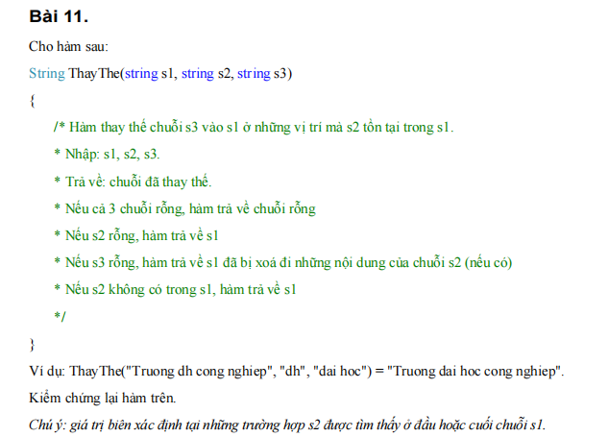
Function Code |  | ThayThe |  | Function Name |  |  |  |  | ThayThe
Created By |  | Phạm Sỹ Thái |  | Executed By |  |  |  |  | Phạm Sỹ Thái
Lines of code |  | 100 |  | Lack of test cases |  |  |  |  | 5
Test requirement |  | thiết kế testcase cho hàm ThayThe
Passed |  | Failed |  | Untested |  |  |  |  | N/A/B |  |  | Total Test Cases
3 |  | 2 |  | 0 |  |  |  |  | 5 | 0 | 0 | 5

 |  |  |  | UTCID01 | UTCID02 | UTCID03 | UTCID04 | UTCID05
Condition | s1 |  | "Truong dh cong nghiep" | O
 |  |  | "" |  | O
 |  |  | "Truong dh cong nghiep" |  |  | O
 |  |  | "Truong dh cong nghiep" |  |  |  | O
 |  |  | "Truong dh cong nghiep" |  |  |  |  | O
 | s2 |  |  |  |  |  |  |  |  |  |  |  |  | Condition | Valid Par | Invalid par
 |  |  | "dh" | O |  |  |  |  |  |  |  |  | ThayThe | s1 | Nhập chuỗi
 |  |  | "" |  | O |  |  |  |  |  |  |  | ThayThe |  | Rỗng
 |  |  | "" |  |  | O
 |  |  | "cn" |  |  |  | O |  |  |  |  |  |  | s2 | Nhập chuỗi và có trong s1
 |  |  | "dh" |  |  |  |  | O |  |  |  |  |  |  | Rỗng
 | s3 |  |  |  |  |  |  |  |  |  |  |  |  |  | Nhập chuỗi và không có trong s1
 |  |  | "dai hoc" | O
 |  |  | "" |  | O |  |  |  |  |  |  |  |  | s3 | Nhập chuỗi
 |  |  | "dai hoc" |  |  | O |  |  |  |  |  |  |  |  | Rỗng
 |  |  | "dai hoc" |  |  |  | O
 |  |  | "" |  |  |  |  | O |  |  |  |  |  | ThayThe | trả về Chuỗi đã thay thế
Confirm | Return |  |  |  |  |  |  |  |  |  |  |  |  |  | s1,s2,s3 đều rỗng =>trả về:""
 |  |  | "Truong dai hoc cong nghiep" | O |  |  |  |  |  |  |  |  |  |  | s2 rỗng => trả về s1
 |  |  | "" |  | O |  |  |  |  |  |  |  |  |  | s2 không có trong s1=> trả về s1
 |  |  | "Truong dh cong nghiep" |  |  | O |  |  |  |  |  |  |  |  | s2 có trong s1 và s3 rỗng => trả về s1 xóa đi nội dung s2
 |  |  | "Truong dh cong nghiep" |  |  |  | O
 |  |  | "Truong cong nghiep" |  |  |  |  | O
 | Exception

 |  |  |  |  |  |  |  |  |  |  |  |  |  | # | Test case type | s1 | s2 | s3 | Expected result
 | Log message |  |  |  |  |  |  |  |  |  |  |  |  | 1 | For valid par | "Truong dh cong nghiep" | "dh" | "dai hoc" | "Truong dai hoc cong nghiep"
 |  |  |  |  |  |  |  |  |  |  |  |  |  | 2 |  | "" | "" | "" | ""
 |  |  |  |  |  |  |  |  |  |  |  |  |  | 3 |  | "Truong dh cong nghiep" | "" | "dai hoc" | "Truong dh cong nghiep"
Result | Type (N : Normal, A : Abnormal, B : Boundary) |  |  | N | N | N | N | N |  |  |  |  |  | 4 |  | "Truong dh cong nghiep" | "cn" | "dai hoc" | "Truong dh cong nghiep"
 | Passed/Failed |  |  | P | P | F | F | P |  |  |  |  |  | 5 |  | "Truong dh cong nghiep" | "dh" | "" | "Truong cong nghiep"
 | Executed Date |  |  | 15/10/2023 | 15/10/2023 | 15/10/2023 | 15/10/2023 | 15/10/2023
 | Defect ID |  |  | 1 | 2 | 3 | 4 | 5

Defected ID
1 | Test Name: | TestMethod1
 | Test FullName: | UnitTestProject1.UnitTest3.TestMethod1
 | Test Source: | C:\Users\LapOfThei\source\repos\UnitTestProject1\UnitTestProject1\UnitTest3.cs : line 10
 | Test Outcome: | Passed
 | Test Duration: | 0:00:00

2 | Test Name: | TestMethod2
 | Test FullName: | UnitTestProject1.UnitTest3.TestMethod2
 | Test Source: | C:\Users\LapOfThei\source\repos\UnitTestProject1\UnitTestProject1\UnitTest3.cs : line 18
 | Test Outcome: | Passed
 | Test Duration: | 0:00:00

3 | Test Name: | TestMethod3
 | Test FullName: | UnitTestProject1.UnitTest3.TestMethod3
 | Test Source: | C:\Users\LapOfThei\source\repos\UnitTestProject1\UnitTestProject1\UnitTest3.cs : line 26
 | Test Outcome: | Failed
 | Test Duration: | 0:00:00
 | Result StackTrace: | at UnitTestProject1.UnitTest3.TestMethod3() in C:\Users\LapOfThei\source\repos\UnitTestProject1\UnitTestProject1\UnitTest3.cs:line 31
 | Result Message: | Assert.AreEqual failed. Expected:<Truong dh cong nghiep>. Actual:<>.

4 | Test Name: | TestMethod4
 | Test FullName: | UnitTestProject1.UnitTest3.TestMethod4
 | Test Source: | C:\Users\LapOfThei\source\repos\UnitTestProject1\UnitTestProject1\UnitTest3.cs : line 34
 | Test Outcome: | Failed
 | Test Duration: | 0:00:00
 | Result StackTrace: | at UnitTestProject1.UnitTest3.TestMethod4() in C:\Users\LapOfThei\source\repos\UnitTestProject1\UnitTestProject1\UnitTest3.cs:line 39
 | Result Message: | Assert.AreEqual failed. Expected:<Truong dh cong nghiep>. Actual:<>.

5 | Test Name: | TestMethod5
 | Test FullName: | UnitTestProject1.UnitTest3.TestMethod5
 | Test Source: | C:\Users\LapOfThei\source\repos\UnitTestProject1\UnitTestProject1\UnitTest3.cs : line 42
 | Test Outcome: | Passed
 | Test Duration: | 0:00:00

