Sheet2
X1 | X2 | Classe
0.204000 | 0.834000 | 0
0.222000 | 0.730000 | 0
0.298000 | 0.822000 | 0
0.450000 | 0.842000 | 0
0.412000 | 0.732000 | 0
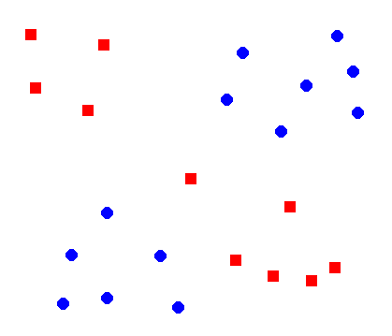
0.298000 | 0.640000 | 0
0.588000 | 0.298000 | 0
0.554000 | 0.398000 | 0
0.670000 | 0.466000 | 0
0.834000 | 0.426000 | 0
0.724000 | 0.368000 | 0
0.790000 | 0.262000 | 0
0.824000 | 0.338000 | 0
0.136000 | 0.260000 | 1
0.146000 | 0.374000 | 1
0.258000 | 0.422000 | 1
0.292000 | 0.282000 | 1
0.478000 | 0.568000 | 1
0.654000 | 0.776000 | 1
0.786000 | 0.758000 | 1
0.690000 | 0.628000 | 1
0.736000 | 0.786000 | 1
0.574000 | 0.742000 | 1

