Cost Benefit Analysis
DSI Project 4: West Nile Virus Prediction
Cost Benefit Analysis for the Year 2014

 | Year 2014 | Reference | Reference URL
Cost of Treating West Nile Virus Patients
Total West Nile Virus Patient Load | 44 | CDC West Nile Virus Disease Cases by States, United States, 2014 | https://www.cdc.gov/westnile/resources/pdfs/data/wnv-disease-cases-and-pvds-by-state-2014_06052015.pdf
- Neuroinvasive Disease Cases | 36
- Non-Neuroinvasive Disease Cases | 8

Median cost of treating Acute Flaccid Paralysis | $25,117 | Economic Burden of West Nile Virus in the United States, 2014 | https://www.ncbi.nlm.nih.gov/pmc/articles/PMC3945680/
(West Nile Virus Neuroinvasive Disease Cases)

Medical Cost of treating West Nile Virus patients with complications | $904,212

Cost of Spraying Pesticide (Massive Spray of All City Area)
Cost of spraying in Sacramento County in 2005 (6 times in August) | $701,790 | Economic Cost Analysis of West Nile Virus Outbreak, Sacramento County, California, USA, 2005 | https://www.ncbi.nlm.nih.gov/pmc/articles/PMC3322011/#R6
Sacramento County (in km sq) | 2500.0
Sacramento County Spray Area (in km sq) | 477.0
Chicago area (in km sq) | 606.1
Estimated cost of spraying in Chicago based on 2005 price level (6 times in Aug) | $891,729

Estimated Cost of Spraying (after accounting for inflation) | $1,080,923 | US Inflation Calculator | https://www.usinflationcalculator.com/

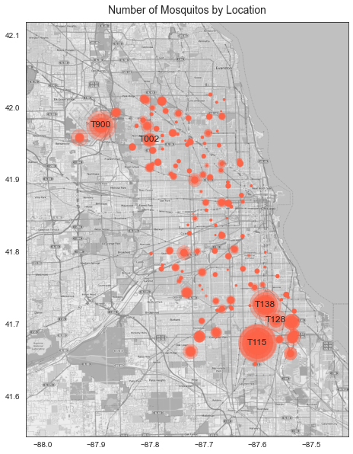
Cost of Spraying Pesticide (Spraying of Targeted Hotzones)
Cost of spraying in Sacramento County in 2005 (6 times in August) | $701,790
Cost of spraying per km square each time | $245.21
Mosquito flight zone in km square | $4.0

Cost of spraying in 5 targeted hotzones (6 times in August) | $29,425.16

