Sheet1
COMMERCIAL INVOICE |  |  |  |  | 

 |  | ID | COM1061124 | Date | 2024-12-11
For Account: |  | Address:
Mr. Arry - PT Penta Inti Edukasi |  | Jl.Puyuh barat VII blok Eh3 no.1 Bintaro sektor 5, Jurang mangu timur, pondok aren

Email: |  | Remarks:

Telephone:
081383484238

Description of goods | ISBN | Quantity | Unit (Rp) | Discount (%) | Total (Rp)
Odyssey 1 - Student Book and Workbook | 9781640155978 | 10 | Rp50,000.00 |  | Rp500,000.00
Odyssey 2 - Student Book and Workbook | 9781640155985 | 10 | Rp50,000.00 |  | Rp500,000.00
Odyssey 3 - Student Book and Workbook | 9781640155992 | 10 | Rp50,000.00 |  | Rp500,000.00
Odyssey 4 - Student Book and Workbook | 9781640156005 | 10 | Rp50,000.00 |  | Rp500,000.00
Odyssey 5 - Student Book and Workbook | 9781640156012 | 10 | Rp50,000.00 |  | Rp500,000.00

 |  |  | Total Books | Total Quantity | Total Amount
 |  |  | 5 | 50 | Rp2,500,000.00

Transfer to : BCA 4685015898 on behalf PT Solusi Edukasi Gemilang
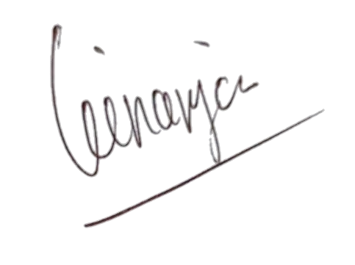

Regards,

PT Solusi Edukasi Gemilang

PT SOLUSI EDUKASI GEMILANG - 18 Office Park Building, 21th floor Unit C, Jl TB Simatupang No 18, Kec Pasar Minggu Jakarta Selatan 12520

