Sheet1
COMMERCIAL INVOICE |  |  |  |  |  | 

 |  | ID | COM1101124 | Date | 25/11/2024
For Account: |  | Address:
Yayasan Perjuangan dan Khalifah Masa Depan |  | Jl. Raya Sawangan No. 1 Pancoran Mas Depok

Email: |  | Remarks:

Telephone:
02177882904

Total Amount
Rp24,750,000.00

Description of goods | ISBN | Quantity (hour) | Unit (Rp.) | Discount | Amount Unit (Rp.) | Total (Rp.)
Native Speaker Visit (hourly)
Primary |  | 12.5 | Rp1,000,000.00 | 10% | Rp900,000.00 | Rp11,250,000.00
Lower Secondary |  | 5.5 | Rp1,000,000.00 | 10% | Rp900,000.00 | Rp4,950,000.00
Higher Secondary |  | 8.5 | Rp1,000,000.00 | 10% | Rp900,000.00 | Rp7,650,000.00
Vocational |  | 1 | Rp1,000,000.00 | 10% | Rp900,000.00 | Rp900,000.00
 |  |  |  |  | Grand Total (Rp.) | Rp24,750,000.00

Transfer to : BCA 4685015898 on behalf PT Solusi Edukasi Gemilang
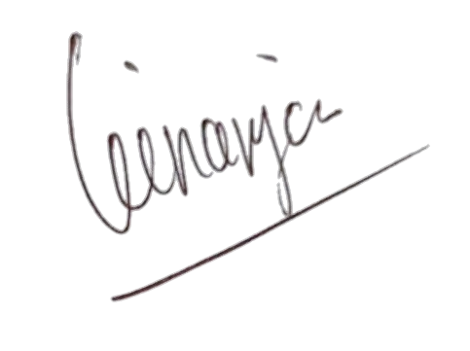

Regards,

PT Solusi Edukasi Gemilang

PT SOLUSI EDUKASI GEMILANG - 18 Office Park Building, 21th floor Unit C, Jl. TB. Simatupang No. 18, Kec. Pasar Minggu Jakarta Selatan 12520

