Sheet1
COMMERCIAL INVOICE |  |  |  |  | 

 |  | ID | COM1080924 | Date | 2024-11-09
For Account: |  | Address:
PT Akses Media Lintas Asia |  | Puri Asri sawangan D-11, Jalan Raya Pengasinan, Sawangan, Depok, Jawa Barat

Email: |  | Remarks:
admin@aksesmediabookscom
Telephone:
081285383514

Description of goods | ISBN | Quantity | Unit (Rp) | Discount (%) | Total (Rp)
Odyssey 1 - Student Book and Workbook | 9781640155978 | 360 | Rp50,000.00 |  | Rp18,000,000.00
Odyssey 2 - Student Book and Workbook | 9781640155985 | 381 | Rp50,000.00 |  | Rp19,050,000.00
Odyssey 3 - Student Book and Workbook | 9781640155992 | 438 | Rp50,000.00 |  | Rp21,900,000.00
Odyssey 4 - Student Book and Workbook | 9781640156005 | 34 | Rp50,000.00 |  | Rp1,700,000.00
Odyssey 5 - Student Book and Workbook | 9781640156012 | 37 | Rp50,000.00 |  | Rp1,850,000.00

 |  |  | Total Books | Total Quantity | Total Amount
 |  |  | 5 | 1250 | Rp62,500,000.00

Transfer to : BCA 4685015898 on behalf PT Solusi Edukasi Gemilang
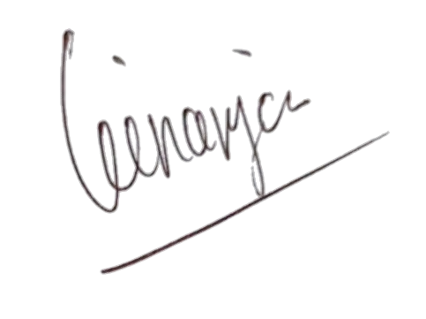

Regards,

PT Solusi Edukasi Gemilang

PT SOLUSI EDUKASI GEMILANG - 18 Office Park Building, 21th floor Unit C, Jl TB Simatupang No 18, Kec Pasar Minggu Jakarta Selatan 12520

