Sheet1
COMMERCIAL INVOICE |  |  |  |  | 

 |  | ID | COM1090924 | Date | 2024-11-09
For Account: |  | Address:
PT Medan Pustaka Mas |  | Jl. Pagedangan, Tangerang, Banten, Indonesia.

Email: |  | Remarks:

Telephone:
082113162881

Description of goods | ISBN | Quantity | Unit (Rp) | Discount (%) | Total (Rp)
Odyssey 1 - Student Book and Workbook | 9781640155978 | 51 | Rp50,000.00 |  | Rp2,550,000.00
Odyssey 2 - Student Book and Workbook | 9781640155985 | 54 | Rp50,000.00 |  | Rp2,700,000.00
Odyssey 3 - Student Book and Workbook | 9781640155992 | 65 | Rp50,000.00 |  | Rp3,250,000.00

 |  |  | Total Books | Total Quantity | Total Amount
 |  |  | 3 | 170 | Rp8,500,000.00

Transfer to : BCA 4685015898 on behalf PT Solusi Edukasi Gemilang
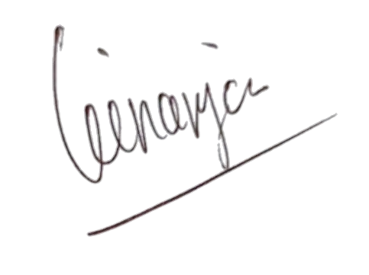

Regards,

PT Solusi Edukasi Gemilang

PT SOLUSI EDUKASI GEMILANG - 18 Office Park Building, 21th floor Unit C, Jl TB Simatupang No 18, Kec Pasar Minggu Jakarta Selatan 12520

