Sheet1
COMMERCIAL INVOICE |  |  |  |  |  | 

 |  | ID | COM1041224 | Date | 30/12/2024
For Account: |  | Address:
PT. Akses Media Lintas Asia |  | Puri Asri sawangan D-11, Jalan Raya Pengasinan, Sawangan, Depok, Jawa Barat

Email: |  | Remarks:
admin@aksesmediabooks.com
Telephone:
081285383514

Total Amount | Total Goods | Total Quantity
Rp26,150,000.00 | 3 | 523

Description of goods | ISBN | Quantity | Unit (Rp.) | Discount (%) | Amount Unit (Rp.) | Total (Rp.)
Odyssey 1 - Student Book and Work Book | 9781640155978 | 153 | Rp50,000.00 |  | Rp50,000.00 | Rp7,650,000.00
Odyssey 2 - Student Book and Work Book | 9781640155985 | 187 | Rp50,000.00 |  | Rp50,000.00 | Rp9,350,000.00
Odyssey 3 - Student Book and Work Book | 9781640155992 | 183 | Rp50,000.00 |  | Rp50,000.00 | Rp9,150,000.00
 |  |  |  |  | Grand Total | Rp26,150,000.00

Transfer to : BCA 4685015898 on behalf PT Solusi Edukasi Gemilang
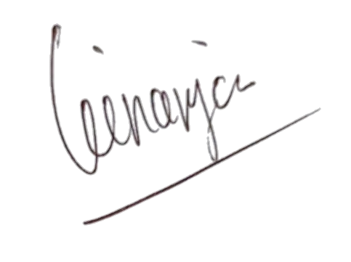

Regards,

PT Solusi Edukasi Gemilang

PT SOLUSI EDUKASI GEMILANG - 18 Office Park Building, 21th floor Unit C, Jl. TB. Simatupang No. 18, Kec. Pasar Minggu Jakarta Selatan 12520

