Sheet1
PURCHASE ORDER |  |  |  |  | 

 |  | Number | PO1020524 | Date | 2024-09-05
To: |  | Address:
Compass Publishing |  | Room No. 301 15-10, Gangnam Daero 39-Gil 06735 Seoul-Si Saecho-Gu, South Korea

Email: |  | Remarks:

Telephone:

Total Amount | Total Items | Total Quantity
$4,572.00 | 6 | 1200

Description of goods | ISBN | Quantity | Unit (Rp.) | Discount (%) | Amount (Rp.)
Boost English 1 - Student Book | 9781685912758 | 200 | $3.81 |  | $762.00
Boost English 2 - Student Book | 9781685912772 | 200 | $3.81 |  | $762.00
Boost English 3 - Student Book | 9781685912796 | 200 | $3.81 |  | $762.00
Boost English 4 - Student Book | 9781685912819 | 200 | $3.81 |  | $762.00
Boost English 5 - Student Book | 9781685914448 | 200 | $3.81 |  | $762.00
Boost English 6 - Student Book | 9781685912758 | 200 | $3.81 |  | $762.00


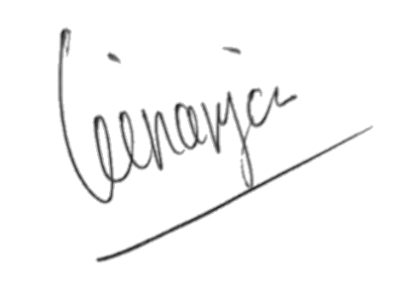
Regards,

PT Solusi Edukasi Gemilang
Angga Ginanjar

PT SOLUSI EDUKASI GEMILANG - 18 Office Park Building, 21th floor Unit C, Jl. TB. Simatupang No. 18, Kec. Pasar Minggu Jakarta Selatan 12520

