shipment revenue
Sum of estimated_shipments_units | Column Labels
Year | 2020 | 2021 | 2022 | 2023 | 2024 | 2025 | 2026 | Grand Total
AMD MI250X |  | 23 | 1030 | 713 | 354 | 122 | 159 | 2401
AMD MI300X |  |  |  | 0 | 414143 | 369849 | 162122 | 946114
AMD MI325X |  |  |  |  | 2651 | 52331 | 39454 | 94436
AMD MI350 |  |  |  |  |  | 138 | 1393 | 1531
Apple M4 (NPU) |  |  |  |  | 174 | 1082 | 776 | 2032
NVIDIA A100 | 32054 | 204990 | 145343 | 76814 | 28956 | 26870 | 32264 | 547291
NVIDIA B200 |  |  |  |  | 5165 | 126650 | 86084 | 217899
NVIDIA B300 |  |  |  |  |  | 0 | 888 | 888
NVIDIA GB200 |  |  |  |  | 2564 | 45968 | 40186 | 88718
NVIDIA H100 |  |  |  | 582977 | 2466989 | 1874943 | 1126912 | 6051821
NVIDIA H200 |  |  |  |  | 115829 | 573022 | 487597 | 1176448
NVIDIA L40S |  |  |  | 51592 | 327147 | 359171 | 120445 | 858355
NVIDIA V100 | 6128 | 2719 | 3098 | 2572 | 3437 | 2504 | 2873 | 23331
Grand Total | 38182 | 207732 | 149471 | 714668 | 3367409 | 3432650 | 2101153 | 10011265
 | 2020 | 2021 | 2022 | 2023 | 2024 | 2025 | 2026
AMD MI250X |  | 23 | 1030 | 713 | 354 | 122 | 159
AMD MI300X |  |  |  | 0 | 414143 | 369849 | 162122
AMD MI325X |  |  |  |  | 2651 | 52331 | 39454
AMD MI350 |  |  |  |  |  | 138 | 1393
Apple M4 (NPU) |  |  |  |  | 174 | 1082 | 776
NVIDIA A100 | 32054 | 204990 | 145343 | 76814 | 28956 | 26870 | 32264
NVIDIA B200 |  |  |  |  | 5165 | 126650 | 86084
NVIDIA B300 |  |  |  |  |  | 0 | 888
NVIDIA GB200 |  |  |  |  | 2564 | 45968 | 40186
NVIDIA H100 |  |  |  | 582977 | 2466989 | 1874943 | 1126912
NVIDIA H200 |  |  |  |  | 115829 | 573022 | 487597
NVIDIA L40S |  |  |  | 51592 | 327147 | 359171 | 120445
NVIDIA V100 | 6128 | 2719 | 3098 | 2572 | 3437 | 2504 | 2873

 | Observation
 | NVIDIA H100 dominates the market, shipping over 6.05M units across its lifetime more than 60% of total shipments in this view. Total market shipments exploded from 38,182 units in 2020 to a peak of 3.43M in 2025, before easing slightly to 2.1M in 2026. Several chips launched in 2023–2024 (H100, MI300X, B200, GB200, H200) ramped extremely fast in their first full year on the market. Note: this pivot currently reflects only ~15 chips (filtered subset), totaling ~10.0M units not the full 30-chip, 14.1M-unit dataset.

Time-Based Trends
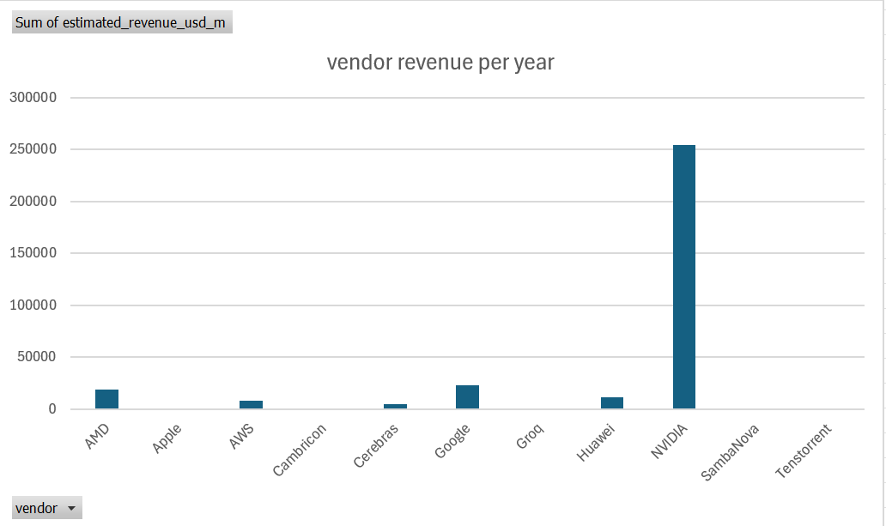
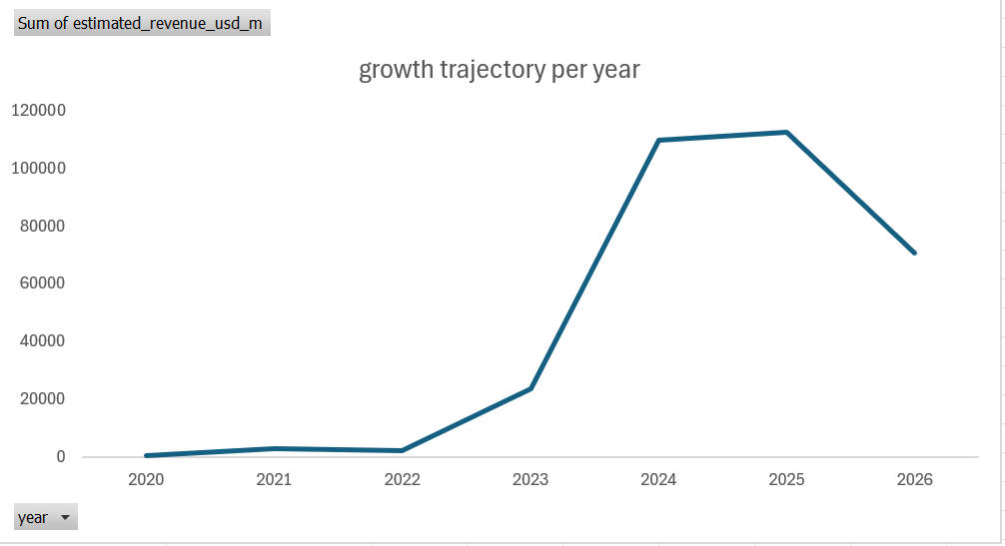

 | \

Observation
1. Revenue growth trajectory by year: Total market revenue exploded from $600M in 2020 to a peak of $112.5B in 2025, before easing to $70.7B in 2026. The real inflection point is 2023→2024, where revenue jumped from $23.6B to $109.8B — a roughly 4.6x increase in a single year, driven almost entirely by the H100 ramp. The 2026 dip is worth flagging to your audience as either genuine market cooling or an incomplete year of data, since your dataset may not yet have a full 2026. 2. Vendor revenue per year: Breaks total revenue down by vendor. NVIDIA overwhelmingly dominates with $254.1B in cumulative revenue across the dataset — more than 10x the next closest competitor (Google, $23.4B). AMD ($19.2B), Huawei ($11.7B), and AWS ($8.0B) form a distant second tier. Apple, Cambricon, Tenstorrent, and SambaNova each contribute under $1B combined

Total shipment by chip
chip name | Sum of estimated_shipments_units | Max of launch_date
NVIDIA H200 | 1176448 | 2024-04-15
Google TPU v5p | 587840 | 2023-12-06
NVIDIA A100 | 547291 | 2020-05-14
NVIDIA B200 | 217899 | 2024-10-30
AWS Trainium2 | 150189 | 2024-12-03
SambaNova SN40L | 7839 | 2023-09-19
Google TPU v4 | 2911 | 2021-05-18
Google TPU v3 | 1868 | 2018-05-08
Total shipment by chip
Apple M5 (NPU) | 856 | 2025-10-30
Grand Total | 2693141 | 2025-10-30

 | Observation
 | Chips are ranked by lifetime shipment volume alongside their launch date. NVIDIA H200 leads with 1.18M units despite launching relatively recently (April 2024), while NVIDIA A100, launched back in May 2020, has still moved 547K units over its much longer life. Apple's M5 (NPU), launched October 2025, has only 856 units so far too early to assess.

Compute efficiency
fp16_tflops | Average of tdp_watts
1250 | 23000
5000 | 2700
fp16_tflops vs tdp_watt
3500 | 1400
1850 | 1000
2250 | 1000
1300 | 857.14285714
989 | 700
650 | 500
383 | 500
800 | 450
312 | 400
512 | 392
362 | 350
750 | 350
1500 | 300
745 | 300
100 | 300
510 | 300
256 | 282.30769231
123 | 220
926 | 200
190 | 175
275 | 170
459 | 170
197 | 170
60 | 28
38 | 23
Grand Total | 1020.4833333

 |  | Observation
 |  | Efficiency (TFLOPS per watt) varies enormously across chips from under 1 TFLOPS/watt on early, high-power chips to over 2 TFLOPS/watt on newer, leaner designs, suggesting real generational efficiency gains.

lifecycle
Sum of estimated_shipments_units | Column Labels
Row Labels | AMD MI250X | AMD MI300X | AMD MI325X | AMD MI350 | Apple M4 (NPU) | Apple M5 (NPU) | AWS Inferentia2 | AWS Trainium2 | Cambricon MLU370 | Cerebras WSE-3 | Google TPU v3 | Google TPU v4 | Google TPU v5e | Google TPU v5p | Google TPU v6 Trillium | Google TPU v7 | Groq LPU | Huawei Ascend 910 | Huawei Ascend 910B | Huawei Ascend 910C | NVIDIA A100 | NVIDIA B200 | NVIDIA B300 | NVIDIA GB200 | NVIDIA H100 | NVIDIA H200 | NVIDIA L40S | NVIDIA V100 | SambaNova SN40L | Tenstorrent Blackhole | Grand Total
0 | 23 | 0 | 2651 | 138 | 174 | 47 | 0 | 0 | 32 | 228 |  | 148 | 59908 | 0 | 46633 | 0 | 8709 |  | 31695 | 3425 | 32054 | 5165 | 0 | 2564 | 582977 | 115829 | 51592 |  | 258 | 81 | 944331
1 | 1030 | 414143 | 52331 | 1393 | 1082 | 809 | 182522 | 67686 | 1041 | 1116 |  | 1195 | 761631 | 272799 | 305904 | 801 | 25845 | 1077 | 327421 | 42439 | 204990 | 126650 | 888 | 45968 | 2466989 | 573022 | 327147 |  | 3312 | 861 | 6212092
2 | 713 | 369849 | 39454 |  | 776 |  | 111438 | 82503 | 846 | 746 | 747 | 878 | 491607 | 214821 | 237500 |  | 25084 | 812 | 222897 | 32195 | 145343 | 86084 |  | 40186 | 1874943 | 487597 | 359171 |  | 3199 | 883 | 4830272
3 | 354 | 162122 |  |  |  |  | 66238 |  | 381 |  | 361 | 330 | 238991 | 100220 |  |  |  | 337 | 91465 |  | 76814 |  |  |  | 1126912 |  | 120445 | 6128 | 1070 |  | 1992168
4 | 122 |  |  |  |  |  | 21199 |  | 146 |  | 160 | 195 |  |  |  |  |  | 168 |  |  | 28956 |  |  |  |  |  |  | 2719 |  |  | 53665
5 | 159 |  |  |  |  |  |  |  | 173 |  | 155 | 165 |  |  |  |  |  | 124 |  |  | 26870 |  |  |  |  |  |  | 3098 |  |  | 30744
6 |  |  |  |  |  |  |  |  |  |  | 121 |  |  |  |  |  |  | 178 |  |  | 32264 |  |  |  |  |  |  | 2572 |  |  | 35135
7 |  |  |  |  |  |  |  |  |  |  | 177 |  |  |  |  |  |  | 230 |  |  |  |  |  |  |  |  |  | 3437 |  |  | 3844
8 |  |  |  |  |  |  |  |  |  |  | 147 |  |  |  |  |  |  |  |  |  |  |  |  |  |  |  |  | 2504 |  |  | 2651
9 |  |  |  |  |  |  |  |  |  |  |  |  |  |  |  |  |  |  |  |  |  |  |  |  |  |  |  | 2873 |  |  | 2873
Grand Total | 2401 | 946114 | 94436 | 1531 | 2032 | 856 | 381397 | 150189 | 2619 | 2090 | 1868 | 2911 | 1552137 | 587840 | 590037 | 801 | 59638 | 2926 | 673478 | 78059 | 547291 | 217899 | 888 | 88718 | 6051821 | 1176448 | 858355 | 23331 | 7839 | 1825 | 14107775
 | AMD MI250X | AMD MI300X | AMD MI325X | AMD MI350 | Apple M4 (NPU) | Apple M5 (NPU) | AWS Inferentia2 | AWS Trainium2 | Cambricon MLU370 | Cerebras WSE-3 | Google TPU v3 | Google TPU v4
0 | 23 | 0 | 2651 | 138 | 174 | 47 | 0 | 0 | 32 | 228 |  | 148
1 | 1030 | 414143 | 52331 | 1393 | 1082 | 809 | 182522 | 67686 | 1041 | 1116 |  | 1195
2 | 713 | 369849 | 39454 |  | 776 |  | 111438 | 82503 | 846 | 746 | 747 | 878
3 | 354 | 162122 |  |  |  |  | 66238 |  | 381 |  | 361 | 330
4 | 122 |  |  |  |  |  | 21199 |  | 146 |  | 160 | 195
5 | 159 |  |  |  |  |  |  |  | 173 |  | 155 | 165
6 |  |  |  |  |  |  |  |  |  |  | 121
7 |  |  |  |  |  |  |  |  |  |  | 177
8 |  |  |  |  |  |  |  |  |  |  | 147
9

Observation
The clearest adoption pattern: most chips peak 1 year after launch, then decline. NVIDIA H100 shipped 582,977 units in its launch year, jumped to 2.47M in year 1, then declined to 1.87M (year 2) and 1.13M (year 3). NVIDIA A100 shows the same shape 32,054 at launch, peaking at 204,990 in year 1. This "sharp ramp, one-year peak, gradual decline" curve looks like the market's canonical adoption pattern. Note: chips launched before 2020 (e.g., NVIDIA V100, launched 2017; Google TPU v3, launched 2018) appear to start mid-lifecycle in this view (years 3+) rather than at year 0, since the dataset itself only starts in 2020 — their true early ramp isn't captured.

