F.Titleblock guidance
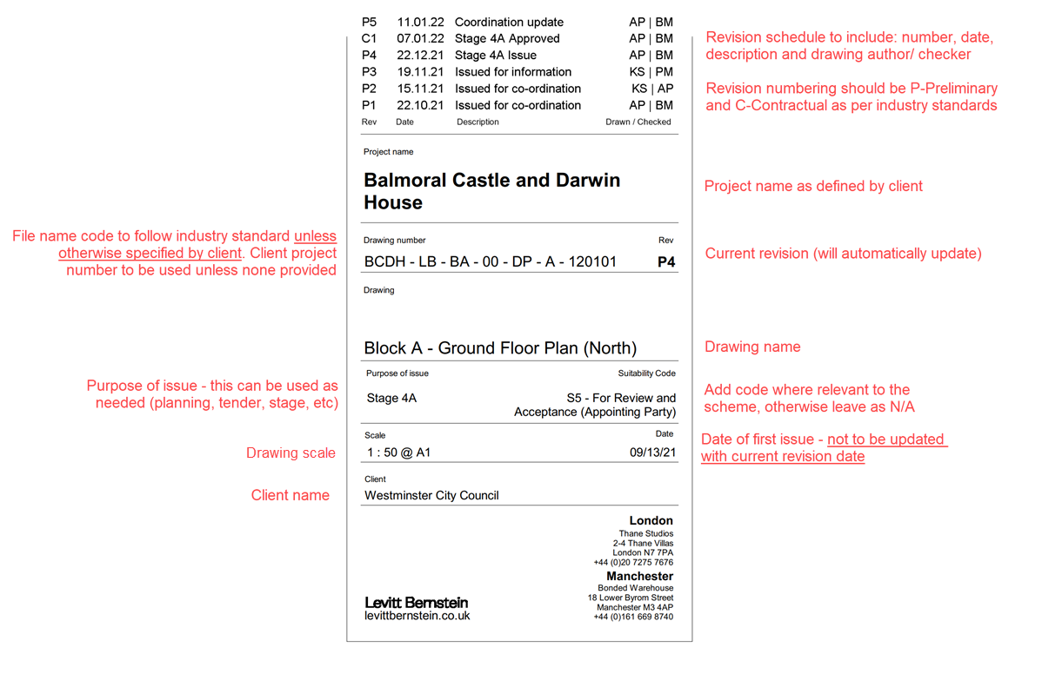
TITLEBLOCK GUIDANCE

G. Deliverables list example
