t4_snd
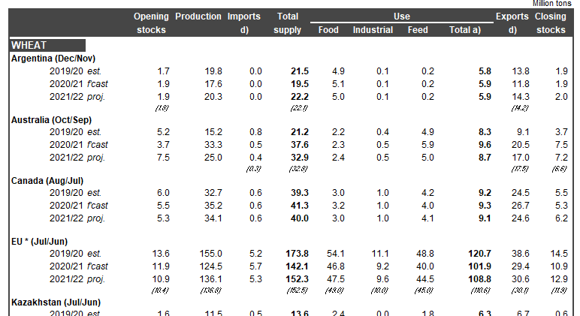
source | country_region | commodity | element | season | vl_value | element_unit | valid_from | valid_to | estimate type | marketing_period
IGC | Argentina | Wheat | Production | 2020/21 | 17.6 | Million tonnes | 2020-11-10 | 2958101 | f'cast | Dec/Nov
all identical |  |  |  |  |  | all identical | report date - to be dicsussed |  |  |  | but not the ones in italics (past reports)

